Summary
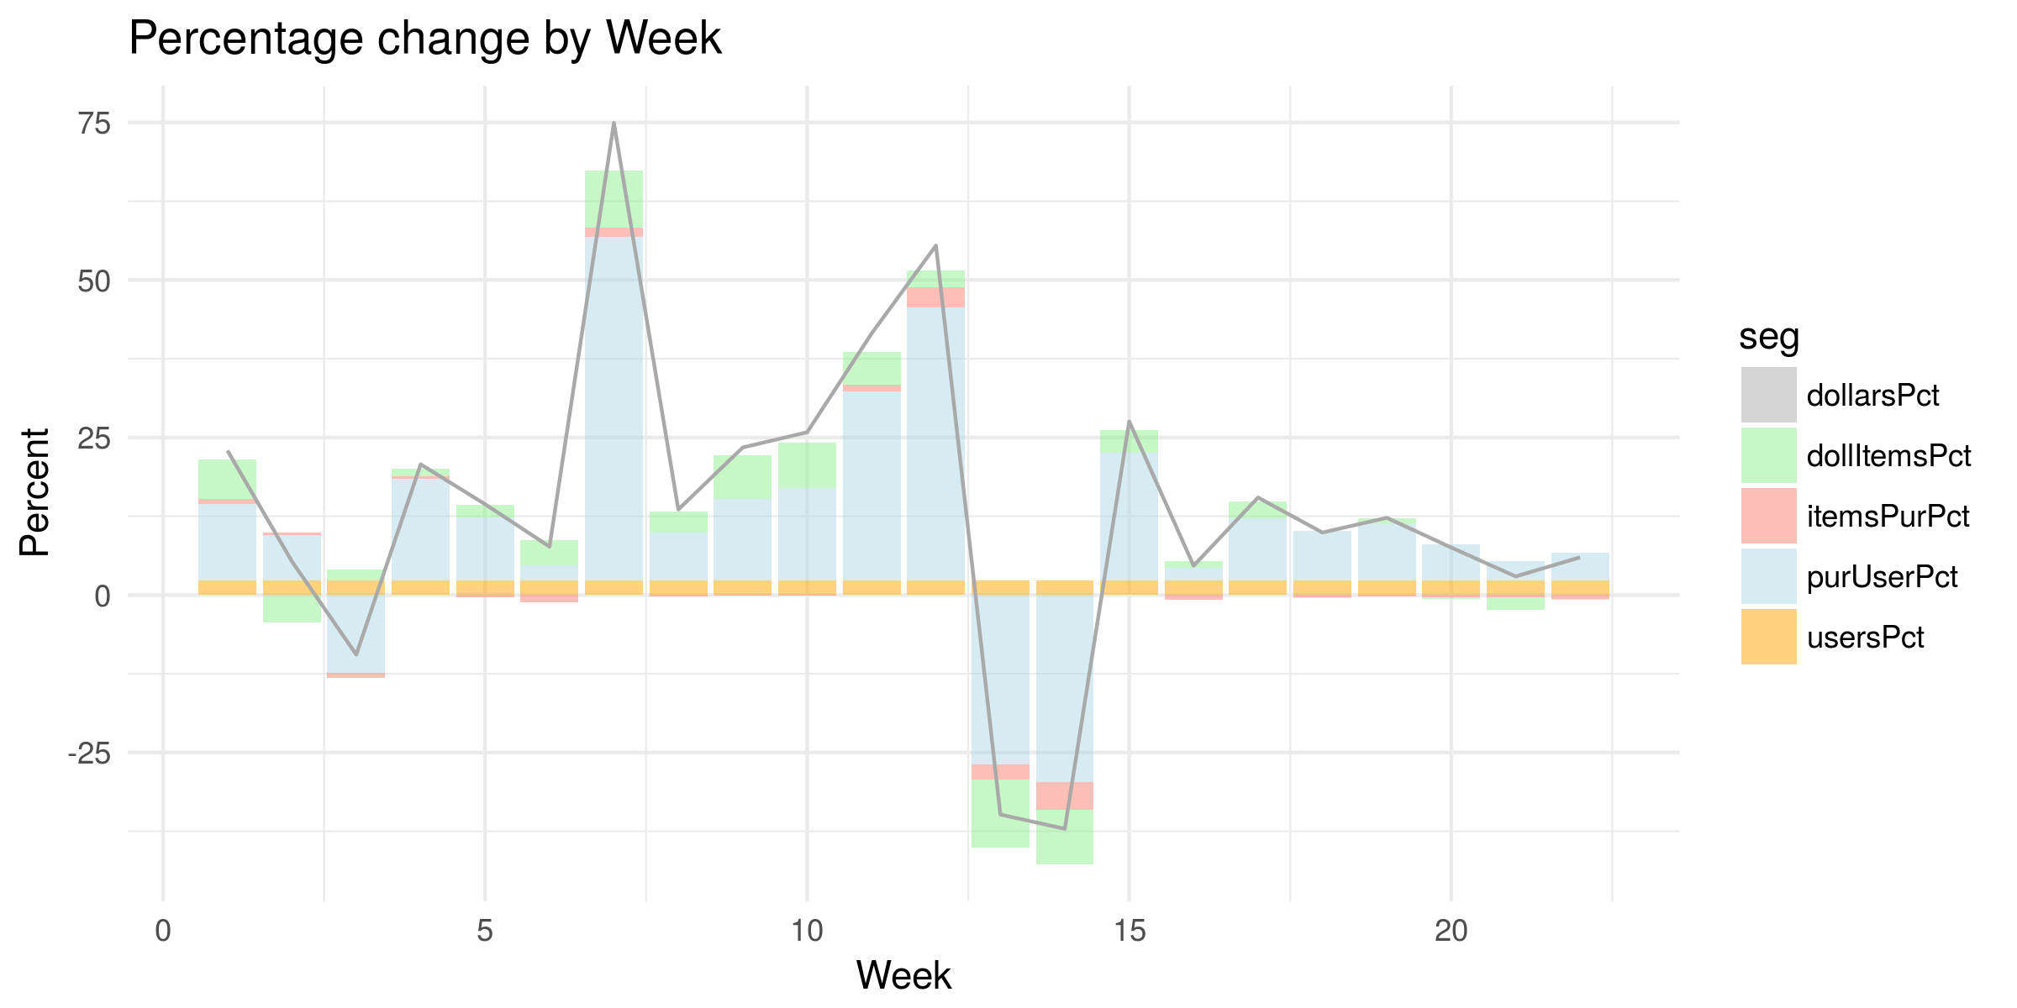

week | dollarsPct | usersPct | purUserPct | itemsPurPct | dollItemsPct
1 | 22.93 | 2.38 | 12.06 | 0.78 | 6.33
2 | 5.35 | 2.38 | 7.07 | 0.5 | -4.37
3 | -9.46 | 2.38 | -12.38 | -0.71 | 1.66
4 | 20.74 | 2.38 | 16.03 | 0.43 | 1.22
5 | 14.41 | 2.38 | 9.99 | -0.3 | 1.9
6 | 7.68 | 2.38 | 2.38 | -1.13 | 3.91
7 | 74.93 | 2.38 | 54.48 | 1.42 | 9.06
8 | 13.57 | 2.38 | 7.59 | -0.19 | 3.29
9 | 23.41 | 2.38 | 12.89 | -0.12 | 6.91
10 | 25.82 | 2.38 | 14.61 | -0.02 | 7.25
11 | 41.49 | 2.38 | 29.96 | 1.01 | 5.28
12 | 55.46 | 2.38 | 43.22 | 3.25 | 2.68
13 | -34.84 | 2.38 | -26.92 | -2.39 | -10.77
14 | -37.11 | 2.38 | -29.73 | -4.4 | -8.57
15 | 27.55 | 2.38 | 20.15 | 0.04 | 3.66
16 | 4.65 | 2.38 | 1.97 | -0.71 | 0.97
17 | 15.47 | 2.38 | 9.8 | 0 | 2.73
18 | 9.91 | 2.38 | 7.81 | -0.37 | -0.05
19 | 12.25 | 2.38 | 8.83 | -0.28 | 1.03
20 | 7.53 | 2.38 | 5.67 | -0.39 | -0.22
21 | 2.95 | 2.38 | 2.98 | -0.38 | -1.98
22 | 5.98 | 2.38 | 4.33 | -0.63 | -0.15

