t score calc
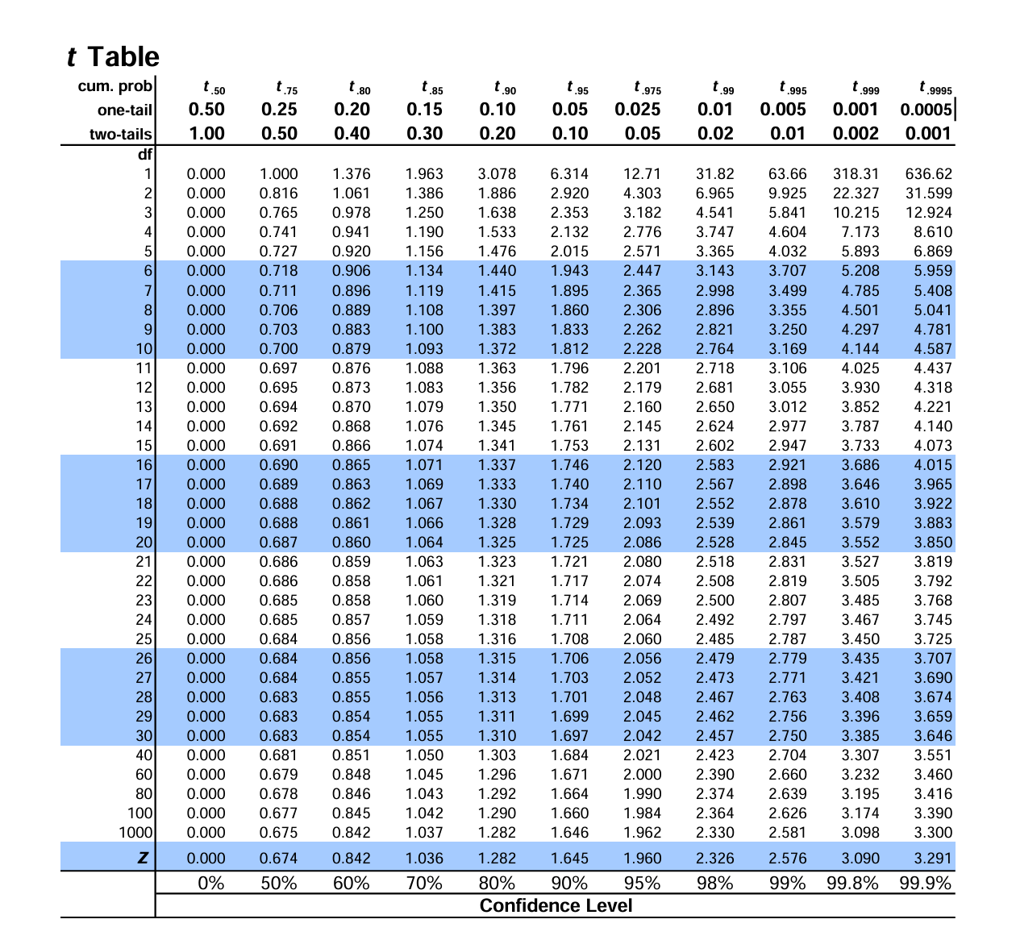
calculate t scores
 | copy interpolation code
 |  | t | #DIV/0!
 |  | p
 |  | t1
 |  | p1
 |  | t2
 |  | p2
 | No GVS- pos joint MAE
 |  | t | 2.5496
 |  | p | 0.032
 |  | t1 | 2.228
 |  | p1 | 0.05
 |  | t2 | 2.764
 |  | p2 | 0.02

 | pos- neg angle MAE
 |  | t | 3.41275
 |  | p | 0.008
 |  | t1 | 3.169
 |  | p1 | 0.01
 |  | t2 | 4.144
 |  | p2 | 0.002

 | No GVS- neg angle
 |  | t | 2.214688
 |  | p | 0.0516
 |  | t1 | 2.228
 |  | p1 | 0.05
 |  | t2 | 1.812
 |  | p2 | 0.1

