Relatorio
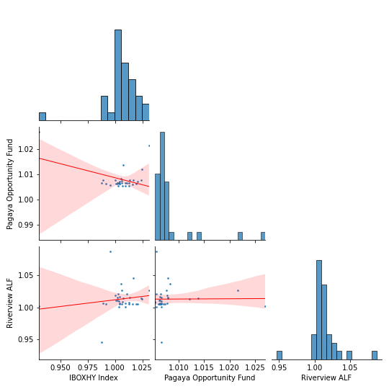
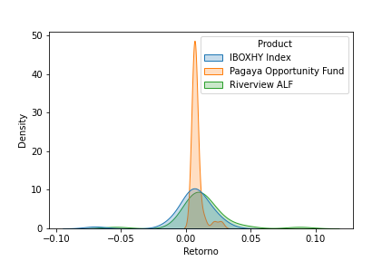
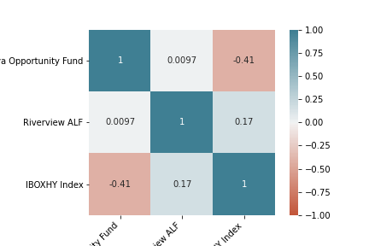
Relatório Estatístico

Retorno do fundo - Retorno do benchmarck
Retorno
Product | IBOXHY Index |  |  |  |  |  |  |  |  |  |  |  |  | IBOXHY Index | Pagaya Opportunity Fund | Riverview ALF
Mes | Jan | Feb | Mar | Apr | May | Jun | Jul | Aug | Sep | Oct | Nov | Dec | count | 33 | 33 | 33
Retorno |  |  |  |  |  |  |  |  |  |  |  |  | max | 0.03 | 0.03 | 0.09
2018 | 0 | 0 | 0 | 0 | 0 | 0 | 0 | 0 | 0.0032 | -0.0112 | -0.0084 | 0.0205 | min | -0.07 | 0.01 | -0.05
2019 | 0.0162 | 0.0096 | 0.0129 | 0.0005 | 0.0125 | 0.0041 | 0.0044 | 0.0068 | 0.0039 | 0.0007 | 0.0192 | 0.006 | mean | 0.01 | 0.01 | 0.01
2020 | 0.0038 | -0.0123 | -0.0699 | 0.0249 | 0.0311 | 0.0136 | 0.0075 | 0.0023 | 0.002 | 0.0238 | 0.0168 | 0.0056 | Volatilidade Anualizada | 0.06 | 0.02 | 0.07
2021 | 0.0063 | -0.0046 | 0.0094 | 0.0027 | 0.0107 | 0 | 0 | 0 | 0 | 0 | 0 | 0 | Dias_Negativos | 5 | 0 | 1
Retorno
 |  |  |  |  |  |  |  |  |  |  |  |  | Dias_Positivos | 28 | 33 | 32
Product | Pagaya Opportunity Fund |  |  |  |  |  |  |  |  |  |  |  | Retorno Total | 18.45 | 30.59 | 51.38
Mes | Jan | Feb | Mar | Apr | May | Jun | Jul | Aug | Sep | Oct | Nov | Dec | Retorno Anualizado | 6.35 | 10.19 | 16.27
Retorno |  |  |  |  |  |  |  |  |  |  |  |  | Sharpe | 109.73 | 645.42 | 230.63
2018 | 0 | 0 | 0 | 0 | 0 | 0 | 0 | 0 | 0.0066 | 0.0078 | 0.0062 | 0.0071 | Maximo Drawdown | -8.14 | 0 | -5.39
2019 | 0.0061 | 0.0066 | 0.0065 | 0.0077 | 0.0054 | 0.0063 | 0.0064 | 0.0054 | 0.0073 | 0.0063 | 0.0063 | 0.0067
2020 | 0.0066 | 0.0066 | 0.027 | 0.0121 | 0.0216 | 0.0079 | 0.0138 | 0.0062 | 0.0067 | 0.0079 | 0.0079 | 0.0083 |  | Pagaya Opportunity Fund | Riverview ALF
2021 | 0.0076 | 0.0057 | 0.0056 | 0.0056 | 0.0065 | 0 | 0 | 0 | 0 | 0 | 0 | 0 | Beta | -0.11 | 0.21
Retorno
 |  |  |  |  |  |  |  |  |  |  |  |  | Alpha | 0.01 | 0.01
Product | Riverview ALF dif |  |  |  |  |  |  |  |  |  |  |  | Tracking Error | 0.02 | 0.02
Mes | Jan | Feb | Mar | Apr | May | Jun | Jul | Aug | Sep | Oct | Nov | Dec
Retorno
2018 | 0 | 0 | 0 | 0 | 0 | 0 | 0 | 0 | 0.0012 | 0.0061 | 0.0056 | 0.0053
2019 | 0.005 | 0.006 | 0.0048 | 0.0187 | 0.0074 | 0.0168 | 0.0069 | 0.0085 | 0.0054 | 0.0103 | 0.0053 | 0.0054
2020 | 0.0101 | -0.0539 | 0.0013 | 0.0126 | 0.0265 | 0.015 | 0.0143 | 0.011 | 0.0156 | 0.0145 | 0.0462 | 0.0366
2021 | 0.026 | 0.0875 | 0.0007 | 0.0206 | 0.0206 | 0 | 0 | 0 | 0 | 0 | 0 | 0
Spread do Retorno
Product | Pagaya Opportunity Fund_spread
Mes | Jan | Feb | Mar | Apr | May | Jun | Jul | Aug | Sep | Oct | Nov | Dec
Retorno
2018 | 0 | 0 | 0 | 0 | 0 | 0 | 0 | 0 | 0.0034 | 0.0193 | 0.0148 | -0.0131
2019 | -0.0099 | -0.003 | -0.0063 | 0.0072 | -0.007 | 0.0022 | 0.002 | -0.0014 | 0.0034 | 0.0056 | -0.0126 | 0.0007
2020 | 0.0028 | 0.0191 | 0.1042 | -0.0125 | -0.0092 | -0.0057 | 0.0063 | 0.0039 | 0.0047 | -0.0155 | -0.0088 | 0.0027
2021 | 0.0013 | 0.0104 | -0.0038 | 0.0029 | -0.0042 | 0 | 0 | 0 | 0 | 0 | 0 | 0
Spread do Retorno
Product | Riverview ALF_spread
Mes | Jan | Feb | Mar | Apr | May | Jun | Jul | Aug | Sep | Oct | Nov | Dec
Retorno
2018 | 0 | 0 | 0 | 0 | 0 | 0 | 0 | 0 | -0.002 | 0.0175 | 0.0141 | -0.0148
2019 | -0.011 | -0.0036 | -0.008 | 0.0182 | -0.005 | 0.0126 | 0.0025 | 0.0016 | 0.0015 | 0.0097 | -0.0136 | -0.0007
2020 | 0.0064 | -0.0422 | 0.0766 | -0.012 | -0.0044 | 0.0014 | 0.0067 | 0.0087 | 0.0136 | -0.009 | 0.0288 | 0.0308
2021 | 0.0196 | 0.0926 | -0.0087 | 0.0179 | 0.0098 | 0 | 0 | 0 | 0 | 0 | 0 | 0

