Relatorio
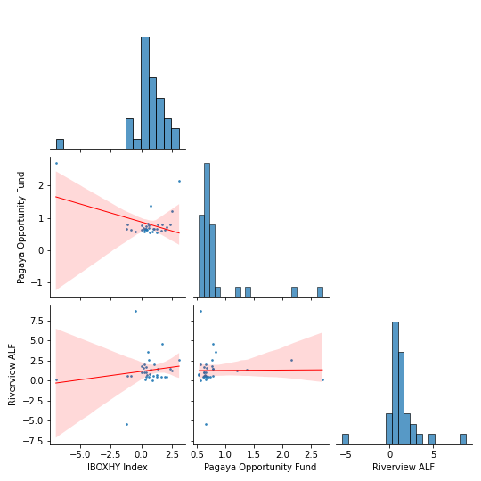
oi

Relatorio2
oi

