Relatorio
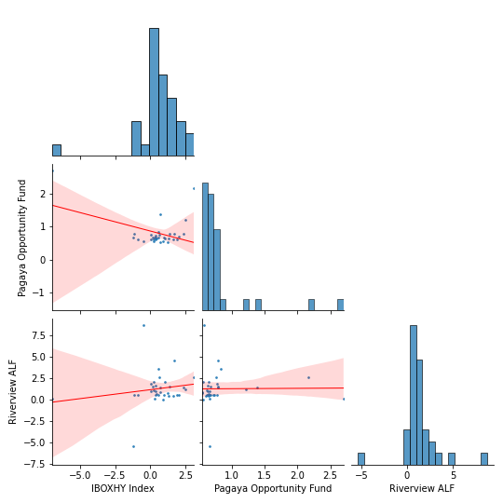
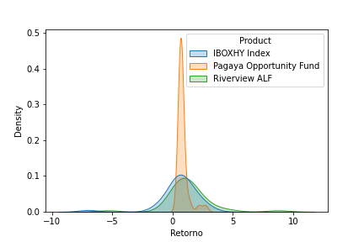
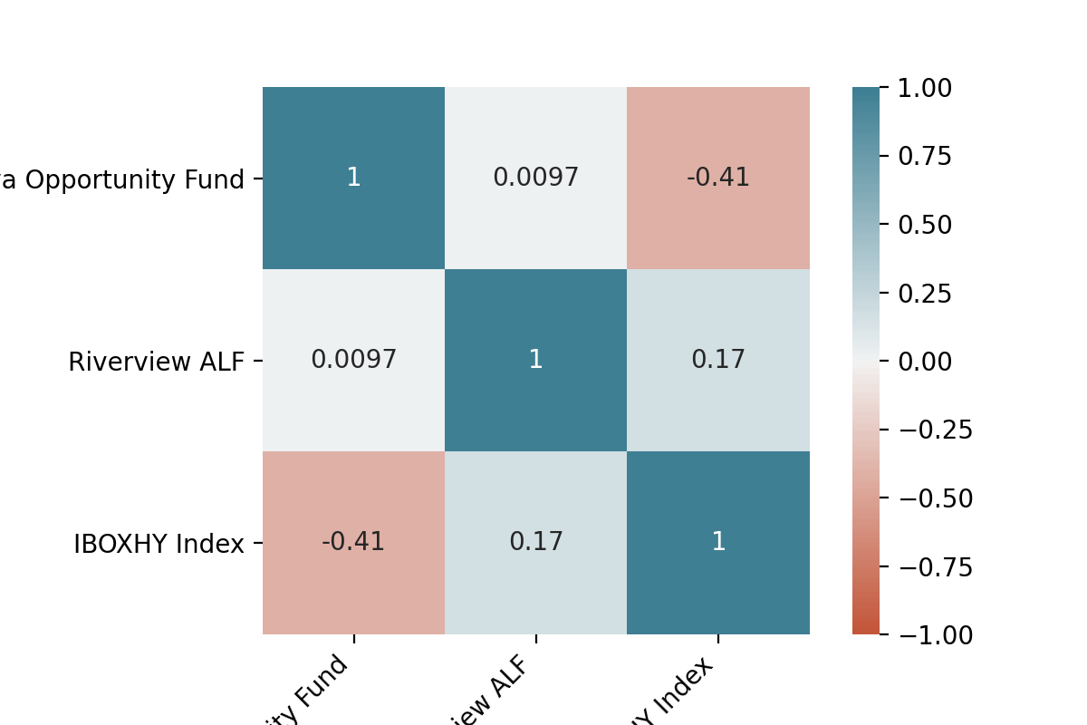
Relatório Estatístico

Retorno do fundo - Retorno do benchmarck
Retorno
Product | IBOXHY Index |  |  |  |  |  |  |  |  |  |  |  |  |  |  | IBOXHY Index | Pagaya Opportunity Fund | Riverview ALF
Mes | Jan | Feb | Mar | Apr | May | Jun | Jul | Aug | Sep | Oct | Nov | Dec | Retorno YDT | Retorno IDT | Pontos | 33 | 33 | 33
Retorno [0,1] |  |  |  |  |  |  |  |  |  |  |  |  |  |  | Retorno Mensal Máximo | 3.11 | 2.7 | 8.75
2018 | 0 | 0 | 0 | 0 | 0 | 0 | 0 | 0 | 0.0032 | -0.0112 | -0.0084 | 0.0205 | 0.0037 | 0.0037 | Retorno Mensal Minimo | -6.99 | 0.54 | -5.39
2019 | 0.0162 | 0.0096 | 0.0129 | 0.0005 | 0.0125 | 0.0041 | 0.0044 | 0.0068 | 0.0039 | 0.0007 | 0.0192 | 0.006 | 0.1008 | 0.1049 | Média dos Retornos Mensais | 0.53 | 0.81 | 1.28
2020 | 0.0038 | -0.0123 | -0.0699 | 0.0249 | 0.0311 | 0.0136 | 0.0075 | 0.0023 | 0.002 | 0.0238 | 0.0168 | 0.0056 | 0.0462 | 0.1559 | Volatilidade Anualizada | 5.79 | 1.58 | 7.06
2021 | 0.0063 | -0.0046 | 0.0094 | 0.0027 | 0.0107 | 0 | 0 | 0 | 0 | 0 | 0 | 0 | 0.0247 | 0.1845 | Pontos Negativos | 5 | 0 | 1
Retorno
 |  |  |  |  |  |  |  |  |  |  |  |  |  |  | Pontos Positivos | 28 | 33 | 32
Product | Pagaya Opportunity Fund |  |  |  |  |  |  |  |  |  |  |  |  |  | Retorno Acumulado ITD | 18.45 | 30.59 | 51.38
Mes | Jan | Feb | Mar | Apr | May | Jun | Jul | Aug | Sep | Oct | Nov | Dec | Retorno YDT | Retorno IDT | Retorno Anualizado | 6.35 | 10.19 | 16.27
Retorno [0,1] |  |  |  |  |  |  |  |  |  |  |  |  |  |  | Sharpe | 0.01 | 0.06 | 0.02
2018 | 0 | 0 | 0 | 0 | 0 | 0 | 0 | 0 | 0.0066 | 0.0078 | 0.0062 | 0.0071 | 0.028 | 0.028 | Maximo Drawdown | -8.14 | 0 | -5.39
2019 | 0.0061 | 0.0066 | 0.0065 | 0.0077 | 0.0054 | 0.0063 | 0.0064 | 0.0054 | 0.0073 | 0.0063 | 0.0063 | 0.0067 | 0.0798 | 0.11
2020 | 0.0066 | 0.0066 | 0.027 | 0.0121 | 0.0216 | 0.0079 | 0.0138 | 0.0062 | 0.0067 | 0.0079 | 0.0079 | 0.0083 | 0.1407 | 0.2662 |  | Pagaya Opportunity Fund | Riverview ALF
2021 | 0.0076 | 0.0057 | 0.0056 | 0.0056 | 0.0065 | 0 | 0 | 0 | 0 | 0 | 0 | 0 | 0.0314 | 0.3059 | Beta | -0.11 | 0.21
Retorno
 |  |  |  |  |  |  |  |  |  |  |  |  |  |  | Alpha | 0.87 | 1.17
Product | Riverview ALF |  |  |  |  |  |  |  |  |  |  |  |  |  | Tracking Error | 1.98 | 2.41
Mes | Jan | Feb | Mar | Apr | May | Jun | Jul | Aug | Sep | Oct | Nov | Dec | Retorno YDT | Retorno IDT
Retorno [0,1]
2018 | 0 | 0 | 0 | 0 | 0 | 0 | 0 | 0 | 0.0012 | 0.0061 | 0.0056 | 0.0053 | 0.0183 | 0.0183
2019 | 0.005 | 0.006 | 0.0048 | 0.0187 | 0.0074 | 0.0168 | 0.0069 | 0.0085 | 0.0054 | 0.0103 | 0.0053 | 0.0054 | 0.1049 | 0.1251
2020 | 0.0101 | -0.0539 | 0.0013 | 0.0126 | 0.0265 | 0.015 | 0.0143 | 0.011 | 0.0156 | 0.0145 | 0.0462 | 0.0366 | 0.1568 | 0.3015
2021 | 0.026 | 0.0875 | 0.0007 | 0.0206 | 0.0206 | 0 | 0 | 0 | 0 | 0 | 0 | 0 | 0.1631 | 0.5138
Spread do Retorno
Product | Pagaya Opportunity Fund_spread
Mes | Jan | Feb | Mar | Apr | May | Jun | Jul | Aug | Sep | Oct | Nov | Dec | Retorno YDT | Retorno IDT
Retorno [0,1]
2018 | 0 | 0 | 0 | 0 | 0 | 0 | 0 | 0 | 0.0034 | 0.0193 | 0.0148 | -0.0131 | 0.0242 | 0.0242
2019 | -0.0099 | -0.003 | -0.0063 | 0.0072 | -0.007 | 0.0022 | 0.002 | -0.0014 | 0.0034 | 0.0056 | -0.0126 | 0.0007 | -0.0191 | 0.0046
2020 | 0.0028 | 0.0191 | 0.1042 | -0.0125 | -0.0092 | -0.0057 | 0.0063 | 0.0039 | 0.0047 | -0.0155 | -0.0088 | 0.0027 | 0.0903 | 0.0954
2021 | 0.0013 | 0.0104 | -0.0038 | 0.0029 | -0.0042 | 0 | 0 | 0 | 0 | 0 | 0 | 0 | 0.0065 | 0.1025
Spread do Retorno
Product | Riverview ALF_spread
Mes | Jan | Feb | Mar | Apr | May | Jun | Jul | Aug | Sep | Oct | Nov | Dec | Retorno YDT | Retorno IDT
Retorno [0,1]
2018 | 0 | 0 | 0 | 0 | 0 | 0 | 0 | 0 | -0.002 | 0.0175 | 0.0141 | -0.0148 | 0.0145 | 0.0145
2019 | -0.011 | -0.0036 | -0.008 | 0.0182 | -0.005 | 0.0126 | 0.0025 | 0.0016 | 0.0015 | 0.0097 | -0.0136 | -0.0007 | 0.0037 | 0.0183
2020 | 0.0064 | -0.0422 | 0.0766 | -0.012 | -0.0044 | 0.0014 | 0.0067 | 0.0087 | 0.0136 | -0.009 | 0.0288 | 0.0308 | 0.1057 | 0.1259
2021 | 0.0196 | 0.0926 | -0.0087 | 0.0179 | 0.0098 | 0 | 0 | 0 | 0 | 0 | 0 | 0 | 0.1351 | 0.278

