Relatorio
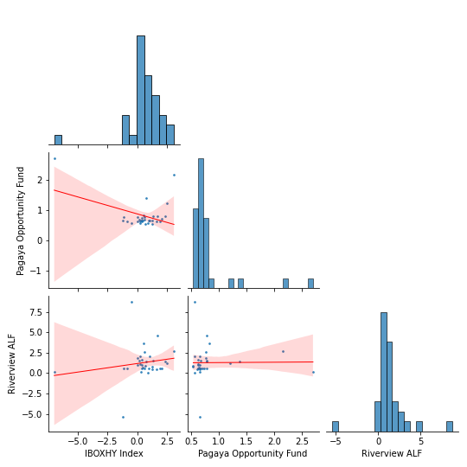
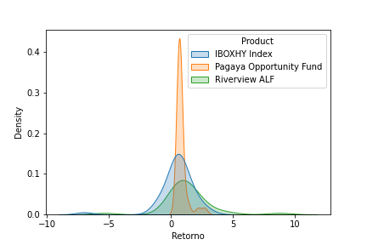
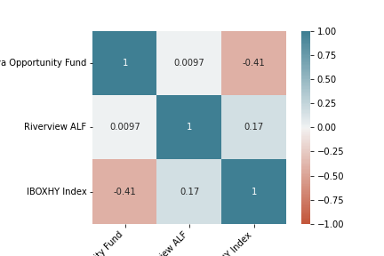
Relatório Estatístico

Retorno do fundo - Retorno do benchmarck
Retorno do fundo - Retorno do benchmarck
Product | Pagaya Opportunity Fund |  |  |  |  |  |  |  |  |  |  |  |  | IBOXHY Index | Pagaya Opportunity Fund | Riverview ALF
Mes | Jan | Feb | Mar | Apr | May | Jun | Jul | Aug | Sep | Oct | Nov | Dec | count | 45 | 33 | 33
Retorno (%) |  |  |  |  |  |  |  |  |  |  |  |  | max | 3.11 | 2.7 | 8.75
2018 | 0 | 0 | 0 | 0 | 0 | 0 | 0 | 0 | 0.34 | 1.9 | 1.46 | -1.34 | min | -6.99 | 0.54 | -5.39
2019 | -1.01 | -0.3 | -0.64 | 0.72 | -0.71 | 0.22 | 0.2 | -0.14 | 0.34 | 0.56 | -1.29 | 0.07 | mean | 0.48 | 0.81 | 1.28
2020 | 0.28 | 1.89 | 9.69 | -1.28 | -0.95 | -0.57 | 0.63 | 0.39 | 0.47 | -1.59 | -0.89 | 0.27 | Volatilidade Anualizada | 5.07 | 1.58 | 7.06
2021 | 0.13 | 1.03 | -0.38 | 0.29 | -0.42 | 0 | 0 | 0 | 0 | 0 | 0 | 0 | Dias_Negativos | 8 | 0 | 1
 |  |  |  |  |  |  |  |  |  |  |  |  | Dias_Positivos | 37 | 33 | 32
Retorno do fundo - Retorno do benchmarck
 |  |  |  |  |  |  |  |  |  |  |  |  | Retorno Total | 23.28 | 30.59 | 51.38
Product | Riverview ALF dif |  |  |  |  |  |  |  |  |  |  |  | Retorno Anualizado | 5.74 | 10.19 | 16.27
Mes | Jan | Feb | Mar | Apr | May | Jun | Jul | Aug | Sep | Oct | Nov | Dec | Sharpe | 1.13 | 6.45 | 2.31
Retorno (%) |  |  |  |  |  |  |  |  |  |  |  |  | Maximo Drawdown | -8.14 | 0 | -5.39
2018 | 0 | 0 | 0 | 0 | 0 | 0 | 0 | 0 | -0.2 | 1.73 | 1.4 | -1.51
2019 | -1.12 | -0.36 | -0.81 | 1.82 | -0.5 | 1.27 | 0.25 | 0.16 | 0.15 | 0.97 | -1.39 | -0.07 |  | Pagaya Opportunity Fund | Riverview ALF
2020 | 0.64 | -4.17 | 7.12 | -1.23 | -0.46 | 0.14 | 0.68 | 0.88 | 1.37 | -0.93 | 2.93 | 3.1 | Beta | -0.11 | 0.21
2021 | 1.97 | 9.22 | -0.88 | 1.8 | 0.99 | 0 | 0 | 0 | 0 | 0 | 0 | 0 | Alpha | 0.87 | 1.17
 |  |  |  |  |  |  |  |  |  |  |  |  | R^2 | 0.17 | 0.03
Retorno Benchmarck
 |  |  |  |  |  |  |  |  |  |  |  |  | Tracking Error | 1.87 | 2.37
Product | IBOXHY Index
Mes | Jan | Feb | Mar | Apr | May | Jun | Jul | Aug | Sep | Oct | Nov | Dec
Retorno (%)
2018 | 0 | 0 | 0 | 0 | 0 | 0 | 0 | 0 | 0.32 | -1.12 | -0.84 | 2.05
2019 | 1.62 | 0.96 | 1.29 | 0.05 | 1.25 | 0.41 | 0.44 | 0.68 | 0.39 | 0.07 | 1.92 | 0.6
2020 | 0.38 | -1.23 | -6.99 | 2.49 | 3.11 | 1.36 | 0.75 | 0.23 | 0.2 | 2.38 | 1.68 | 0.56
2021 | 0.63 | -0.46 | 0.94 | 0.27 | 1.07 | 0 | 0 | 0 | 0 | 0 | 0 | 0

