Sumario
Sumário Estatístico

Retorno do fundo - Retorno do benchmarck
Retorno
Product | IBOXHY Index |  |  |  |  |  |  |  |  |  |  |  |  |  | Sep-2018 a Jun-2021 | IBOXHY Index | Pagaya Opportunity Fund | Riverview ALF
Mes | Jan | Feb | Mar | Apr | May | Jun | Jul | Aug | Sep | Oct | Nov | Dec | Retorno YTD | Retorno ITD | Retorno Mensal Máximo | 3.1% | 2.7% | 8.8%
Retorno |  |  |  |  |  |  |  |  |  |  |  |  |  |  | Retorno Mensal Minimo | -7.0% | 0.5% | -5.4%
2018 | 0.0% | 0.0% | 0.0% | 0.0% | 0.0% | 0.0% | 0.0% | 0.0% | 0.3% | -1.1% | -0.8% | 2.0% | 0.4% | 0.4% | Média dos Retornos Mensais | 0.5% | 0.8% | 1.3%
2019 | 1.6% | 1.0% | 1.3% | 0.0% | 1.2% | 0.4% | 0.4% | 0.7% | 0.4% | 0.1% | 1.9% | 0.6% | 10.1% | 10.5% | Volatilidade Anualizada | 5.8% | 1.6% | 7.1%
2020 | 0.4% | -1.2% | -7.0% | 2.5% | 3.1% | 1.4% | 0.7% | 0.2% | 0.2% | 2.4% | 1.7% | 0.6% | 4.6% | 15.6% | Meses Negativos | 5 | 0 | 1
2021 | 0.6% | -0.5% | 0.9% | 0.3% | 1.1% | 0.0% | 0.0% | 0.0% | 0.0% | 0.0% | 0.0% | 0.0% | 2.5% | 18.4% | Meses Positivos | 28 | 33 | 32
Retorno
 |  |  |  |  |  |  |  |  |  |  |  |  |  |  | Retorno Total | 18.4% | 30.6% | 51.4%
Product | Pagaya Opportunity Fund |  |  |  |  |  |  |  |  |  |  |  |  |  | Retorno Anualizado | 6.3% | 10.2% | 16.3%
Mes | Jan | Feb | Mar | Apr | May | Jun | Jul | Aug | Sep | Oct | Nov | Dec | Retorno YTD | Retorno ITD | Sharpe | 1.1 | 6.45 | 2.31
Retorno |  |  |  |  |  |  |  |  |  |  |  |  |  |  | Maximo Drawdown | -8.1% | 0.0% | -5.4%
2018 | 0.0% | 0.0% | 0.0% | 0.0% | 0.0% | 0.0% | 0.0% | 0.0% | 0.7% | 0.8% | 0.6% | 0.7% | 2.8% | 2.8%
2019 | 0.6% | 0.7% | 0.6% | 0.8% | 0.5% | 0.6% | 0.6% | 0.5% | 0.7% | 0.6% | 0.6% | 0.7% | 8.0% | 11.0% |  | Pagaya Opportunity Fund | Riverview ALF
2020 | 0.7% | 0.7% | 2.7% | 1.2% | 2.2% | 0.8% | 1.4% | 0.6% | 0.7% | 0.8% | 0.8% | 0.8% | 14.1% | 26.6% | Beta | -0.11 | 0.21
2021 | 0.8% | 0.6% | 0.6% | 0.6% | 0.6% | 0.0% | 0.0% | 0.0% | 0.0% | 0.0% | 0.0% | 0.0% | 3.1% | 30.6% | Alpha | 0.01 | 0.01
Retorno
 |  |  |  |  |  |  |  |  |  |  |  |  |  |  | Tracking Error | 2.0% | 2.4%
Product | Riverview ALF
Mes | Jan | Feb | Mar | Apr | May | Jun | Jul | Aug | Sep | Oct | Nov | Dec | Retorno YTD | Retorno ITD
Retorno
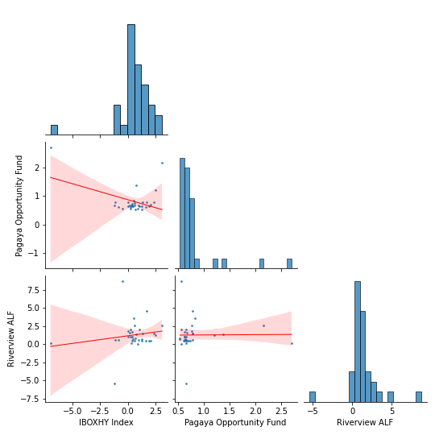
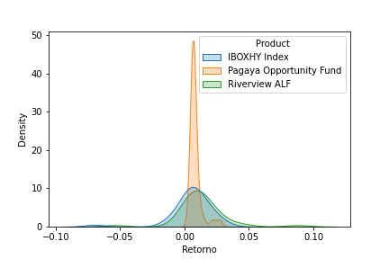
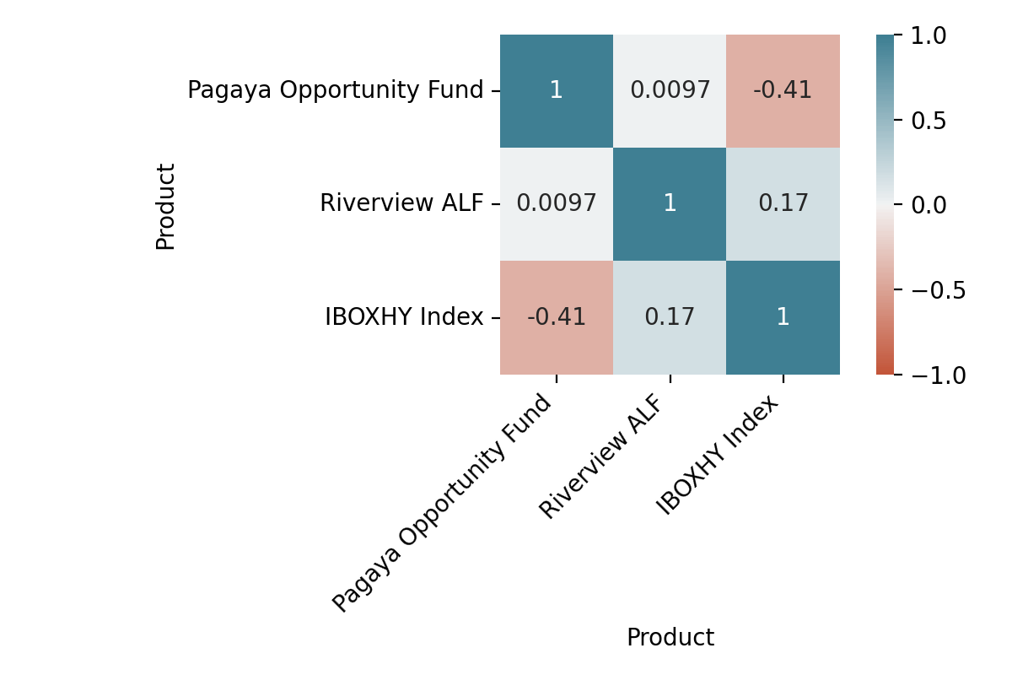
2018 | 0.0% | 0.0% | 0.0% | 0.0% | 0.0% | 0.0% | 0.0% | 0.0% | 0.1% | 0.6% | 0.6% | 0.5% | 1.8% | 1.8%
2019 | 0.5% | 0.6% | 0.5% | 1.9% | 0.7% | 1.7% | 0.7% | 0.8% | 0.5% | 1.0% | 0.5% | 0.5% | 10.5% | 12.5%
2020 | 1.0% | -5.4% | 0.1% | 1.3% | 2.7% | 1.5% | 1.4% | 1.1% | 1.6% | 1.5% | 4.6% | 3.7% | 15.7% | 30.1%
2021 | 2.6% | 8.8% | 0.1% | 2.1% | 2.1% | 0.0% | 0.0% | 0.0% | 0.0% | 0.0% | 0.0% | 0.0% | 16.3% | 51.4%
Spread do Retorno
Product | Pagaya Opportunity Fund_spread
Mes | Jan | Feb | Mar | Apr | May | Jun | Jul | Aug | Sep | Oct | Nov | Dec | Retorno YTD | Retorno ITD
Retorno
2018 | 0.0% | 0.0% | 0.0% | 0.0% | 0.0% | 0.0% | 0.0% | 0.0% | 0.3% | 1.9% | 1.5% | -1.3% | 2.4% | 2.4%
2019 | -1.0% | -0.3% | -0.6% | 0.7% | -0.7% | 0.2% | 0.2% | -0.1% | 0.3% | 0.6% | -1.3% | 0.1% | -1.9% | 0.5%
2020 | 0.3% | 1.9% | 10.4% | -1.3% | -0.9% | -0.6% | 0.6% | 0.4% | 0.5% | -1.6% | -0.9% | 0.3% | 9.0% | 9.5%
2021 | 0.1% | 1.0% | -0.4% | 0.3% | -0.4% | 0.0% | 0.0% | 0.0% | 0.0% | 0.0% | 0.0% | 0.0% | 0.7% | 10.3%
Spread do Retorno
Product | Riverview ALF_spread
Mes | Jan | Feb | Mar | Apr | May | Jun | Jul | Aug | Sep | Oct | Nov | Dec | Retorno YTD | Retorno ITD
Retorno
2018 | 0.0% | 0.0% | 0.0% | 0.0% | 0.0% | 0.0% | 0.0% | 0.0% | -0.2% | 1.8% | 1.4% | -1.5% | 1.5% | 1.5%
2019 | -1.1% | -0.4% | -0.8% | 1.8% | -0.5% | 1.3% | 0.2% | 0.2% | 0.1% | 1.0% | -1.4% | -0.1% | 0.4% | 1.8%
2020 | 0.6% | -4.2% | 7.7% | -1.2% | -0.4% | 0.1% | 0.7% | 0.9% | 1.4% | -0.9% | 2.9% | 3.1% | 10.6% | 12.6%
2021 | 2.0% | 9.3% | -0.9% | 1.8% | 1.0% | 0.0% | 0.0% | 0.0% | 0.0% | 0.0% | 0.0% | 0.0% | 13.5% | 27.8%

Correlacoes
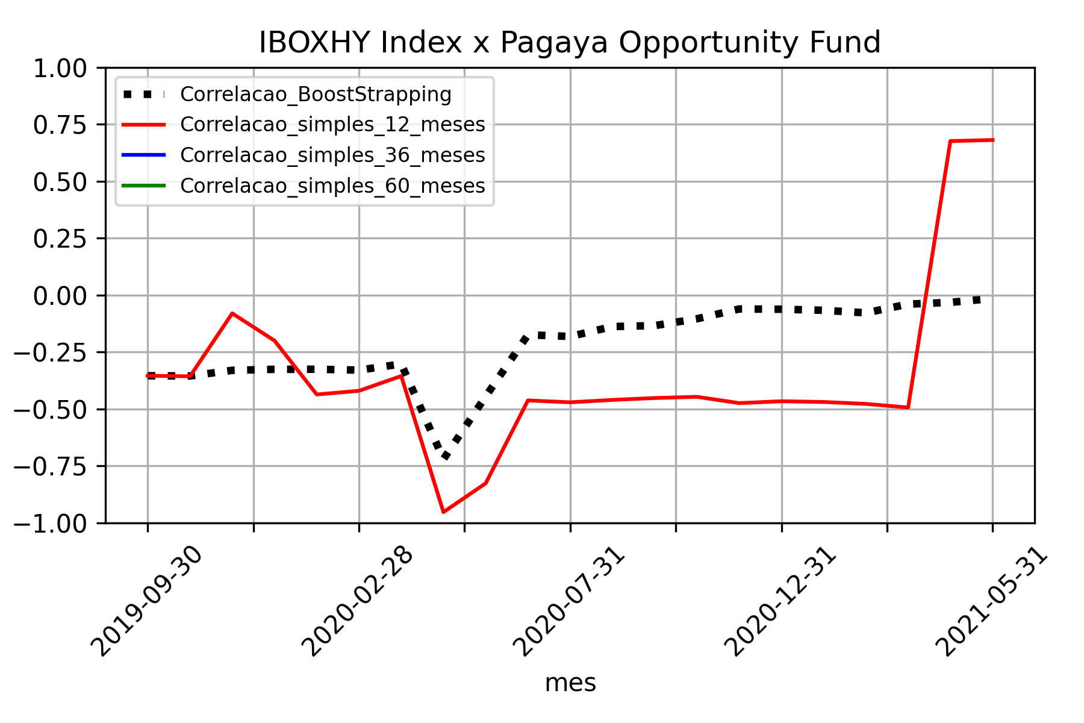
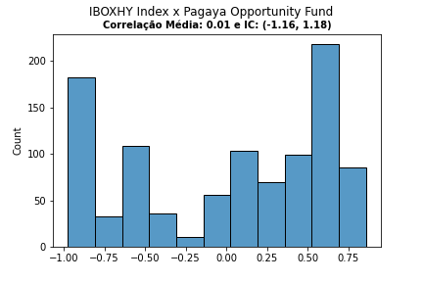

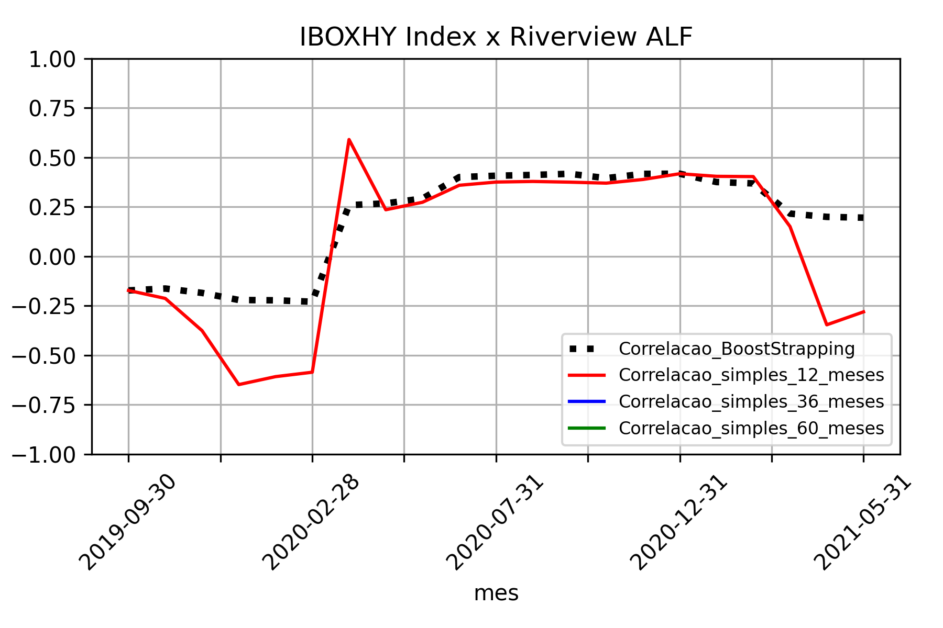
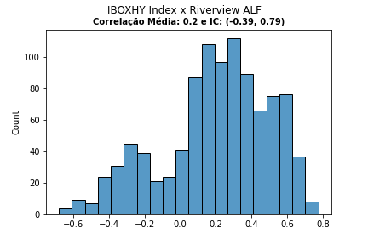

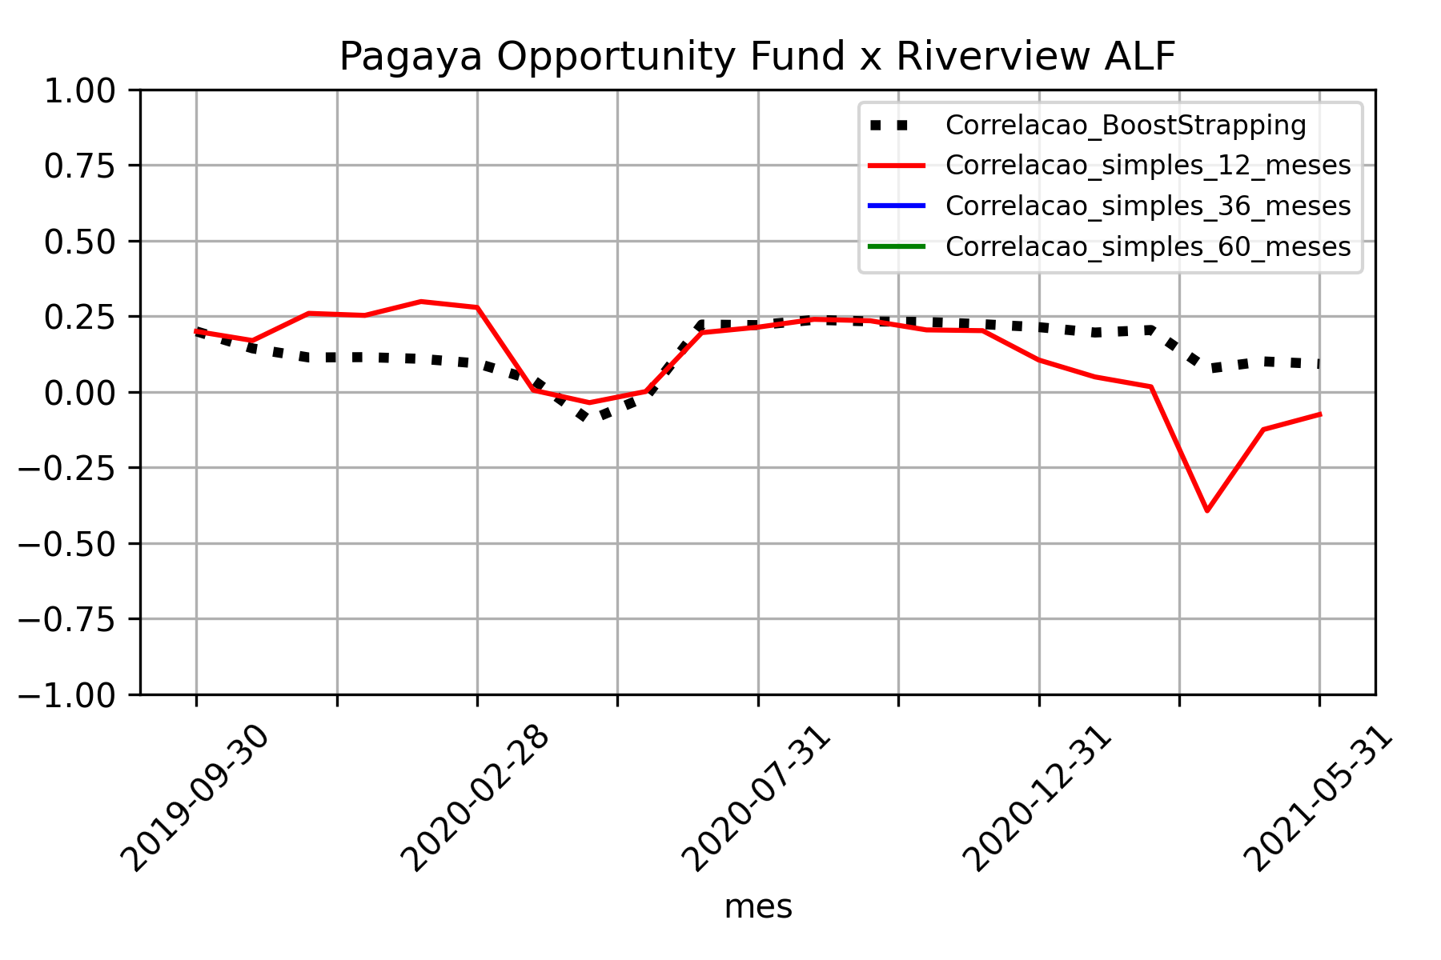
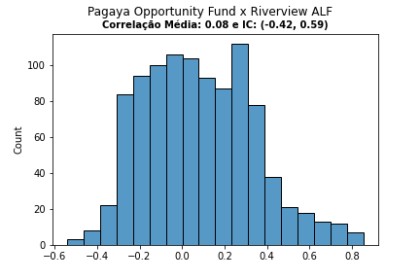

Volatilidade
