Relatorio
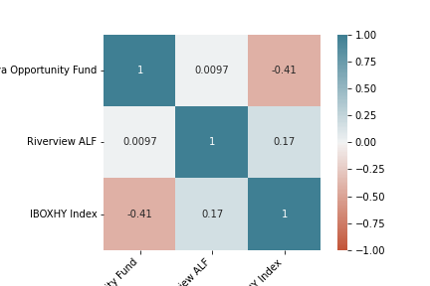
Relatório Estatístico
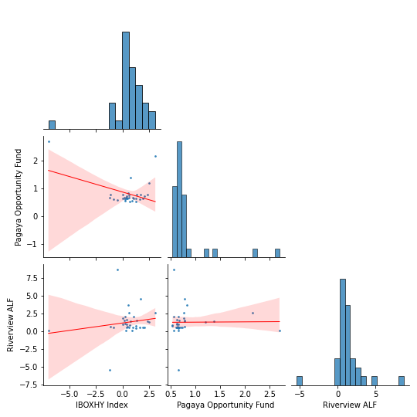

Product | Pagaya Opportunity Fund
Mes | Jan | Feb | Mar | Apr | May | Jun | Jul | Aug | Sep | Oct | Nov | Dec
Ano
2018 | 0 | 0 | 0 | 0 | 0 | 0 | 0 | 0 | 0.34 | 1.9 | 1.46 | -1.34
2019 | -1.01 | -0.3 | -0.64 | 0.72 | -0.71 | 0.22 | 0.2 | -0.14 | 0.34 | 0.56 | -1.29 | 0.07
2020 | 0.28 | 1.89 | 9.69 | -1.28 | -0.95 | -0.57 | 0.63 | 0.39 | 0.47 | -1.59 | -0.89 | 0.27
2021 | 0.13 | 1.03 | -0.38 | 0.29 | -0.42 | 0 | 0 | 0 | 0 | 0 | 0 | 0

Product | Riverview ALF
Mes | Jan | Feb | Mar | Apr | May | Jun | Jul | Aug | Sep | Oct | Nov | Dec
Ano
2018 | 0 | 0 | 0 | 0 | 0 | 0 | 0 | 0 | -0.2 | 1.73 | 1.4 | -1.51
2019 | -1.12 | -0.36 | -0.81 | 1.82 | -0.5 | 1.27 | 0.25 | 0.16 | 0.15 | 0.97 | -1.39 | -0.07
2020 | 0.64 | -4.17 | 7.12 | -1.23 | -0.46 | 0.14 | 0.68 | 0.88 | 1.37 | -0.93 | 2.93 | 3.1
2021 | 1.97 | 9.22 | -0.88 | 1.8 | 0.99 | 0 | 0 | 0 | 0 | 0 | 0 | 0

Product | IBOXHY Index
Mes | Jan | Feb | Mar | Apr | May | Jun | Jul | Aug | Sep | Oct | Nov | Dec
Ano
2018 | 0 | 0 | 0 | 0 | 0 | 0 | 0 | 0 | 0.32 | -1.12 | -0.84 | 2.05
2019 | 1.62 | 0.96 | 1.29 | 0.05 | 1.25 | 0.41 | 0.44 | 0.68 | 0.39 | 0.07 | 1.92 | 0.6
2020 | 0.38 | -1.23 | -6.99 | 2.49 | 3.11 | 1.36 | 0.75 | 0.23 | 0.2 | 2.38 | 1.68 | 0.56
2021 | 0.63 | -0.46 | 0.94 | 0.27 | 1.07 | 0 | 0 | 0 | 0 | 0 | 0 | 0

 | IBOXHY Index | Pagaya Opportunity Fund | Riverview ALF
count | 45 | 33 | 33
max | 3.11 | 2.7 | 8.75
min | -6.99 | 0.54 | -5.39
mean | 0.48 | 0.81 | 1.28
Volatilidade Anualizada | 5.07 | 1.58 | 7.06
Dias_Negativos | 8 | 0 | 1
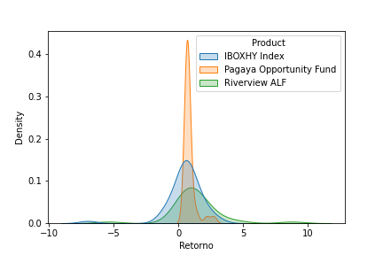
Dias_Positivos | 37 | 33 | 32
Retorno Total | 23.28 | 30.59 | 51.38
Retorno Anualizado | 5.74 | 10.19 | 16.27
Sharpe | 1.13 | 6.45 | 2.31
Maximo Drawdown | -8.14 | 0 | -5.39

 | Pagaya Opportunity Fund | Riverview ALF
Beta | -0.11 | 0.21
Alpha | 0.87 | 1.17
R^2 | 0.17 | 0.03
Tracking Error | 1.87 | 2.37

