Sumario
Sumário Estatístico

Retorno do fundo - Retorno do benchmarck
Retorno
Product | AUD Curncy |  |  |  |  |  |  |  |  |  |  |  |  |  | Mar-2010 a Oct-2021 | AUD Curncy | BRL Curncy | CAD Curncy | DXY Index | JPEIGLSP Index
Mes | Jan | Feb | Mar | Apr | May | Jun | Jul | Aug | Sep | Oct | Nov | Dec | Retorno YTD | Retorno ITD | Retorno Mensal Máximo | 6.0% | 17.2% | 8.4% | 5.8% | 87.2%
Retorno |  |  |  |  |  |  |  |  |  |  |  |  |  |  | Retorno Mensal Minimo | -5.8% | -8.8% | -3.8% | -5.4% | -18.0%
2010 | 0.0% | 0.0% | 1.7% | -1.0% | -5.4% | 3.0% | 1.7% | 5.6% | 2.5% | 2.2% | 0.2% | 0.5% | 11.3% | 11.3% | Média dos Retornos Mensais | -0.1% | 0.9% | 0.2% | 0.1% | 0.7%
2011 | -0.5% | 1.5% | 5.8% | 0.4% | -2.3% | 2.8% | -0.2% | -2.5% | 0.1% | -1.9% | -2.2% | 3.5% | 4.2% | 15.9% | Volatilidade Anualizada | 7.8% | 15.3% | 6.8% | 6.1% | 38.6%
2012 | 1.4% | 0.0% | -3.1% | -0.4% | -2.3% | 3.0% | 0.7% | -0.3% | -1.6% | 0.9% | 0.9% | 0.3% | -0.6% | 15.2% | Meses Negativos | 68 | 69 | 68 | 61 | 79
2013 | -1.5% | 0.5% | 0.6% | -1.7% | -5.8% | -4.9% | -1.0% | 3.4% | 2.0% | -1.9% | -3.9% | -1.1% | -14.6% | -1.6% | Meses Positivos | 71 | 70 | 71 | 78 | 60
2014 | -0.2% | 2.4% | 1.8% | -0.5% | 0.5% | 0.7% | -1.5% | 0.2% | -5.6% | -0.7% | -3.3% | -3.3% | -9.2% | -10.6% | Retorno Total | -18.7% | 207.0% | 23.5% | 15.1% | 27.4%
2015 | -4.1% | -0.1% | 1.8% | 1.1% | -3.9% | -1.2% | -3.7% | -3.0% | 2.3% | -1.4% | 1.2% | -0.5% | -11.2% | -20.6% | Retorno Anualizado | -1.8% | 10.2% | 1.8% | 1.2% | 2.1%
2016 | -0.9% | 6.0% | 1.9% | -1.9% | -0.7% | 0.2% | 0.9% | -0.1% | 0.4% | 0.5% | -3.4% | 1.1% | 3.8% | -17.5% | Sharpe | -0.23 | 0.66 | 0.27 | 0.2 | 0.05
2017 | 1.7% | 0.2% | -1.3% | -1.2% | 2.0% | 4.2% | -0.0% | 0.7% | -2.1% | -2.2% | 1.1% | 4.1% | 6.9% | -11.8% | Maximo Drawdown | -40.5% | -25.1% | -15.6% | -15.0% | -52.8%
2018 | -0.7% | -2.2% | -1.2% | -2.6% | 1.1% | -2.6% | -0.5% | -1.9% | -0.9% | 1.5% | 0.4% | -1.5% | -10.6% | -21.2%
2019 | 0.3% | -1.9% | 0.6% | -1.8% | -0.6% | 0.9% | -3.3% | 0.5% | 0.3% | 0.0% | 1.3% | 0.4% | -3.1% | -23.7% |  | JPEIGLSP Index | BRL Curncy | CAD Curncy | AUD Curncy
2020 | -3.9% | -1.6% | -1.2% | 1.5% | 5.5% | 2.5% | 2.4% | 0.1% | -1.8% | 2.0% | 4.0% | 1.5% | 11.1% | -15.2% | Beta | 1.53 | 0.92 | 0.53 | -0.47
2021 | 2.1% | -1.9% | -0.3% | 0.6% | -1.1% | -2.9% | -1.7% | 0.7% | 0.2% | 0.0% | 0.0% | 0.0% | -4.2% | -18.7% | Alpha | 0 | 0.01 | 0 | 0
Retorno
 |  |  |  |  |  |  |  |  |  |  |  |  |  |  | Tracking Error | 10.8% | 4.1% | 1.9% | 3.3%
Product | BRL Curncy
Mes | Jan | Feb | Mar | Apr | May | Jun | Jul | Aug | Sep | Oct | Nov | Dec | Retorno YTD | Retorno ITD
Retorno
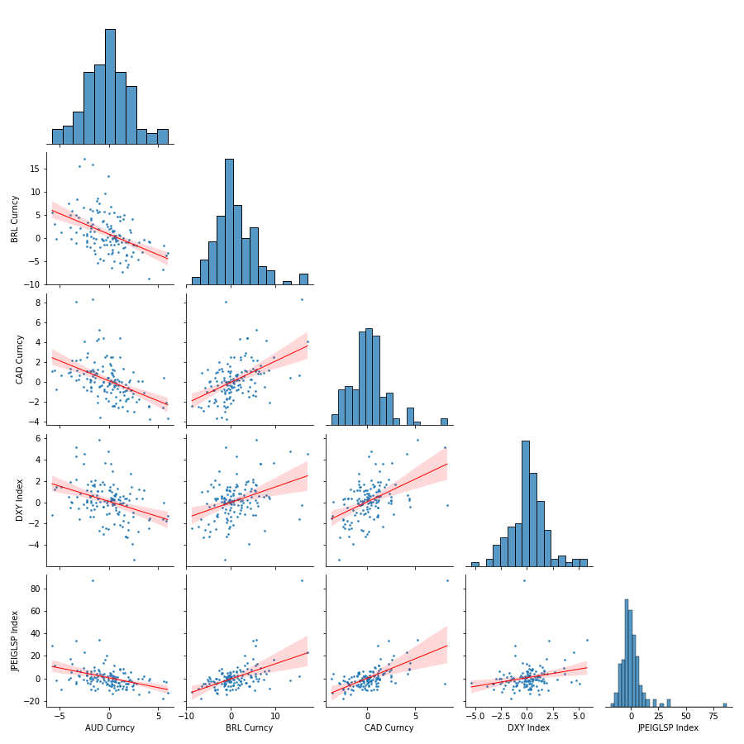
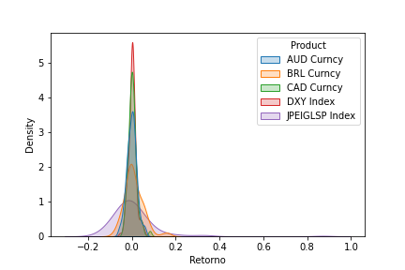
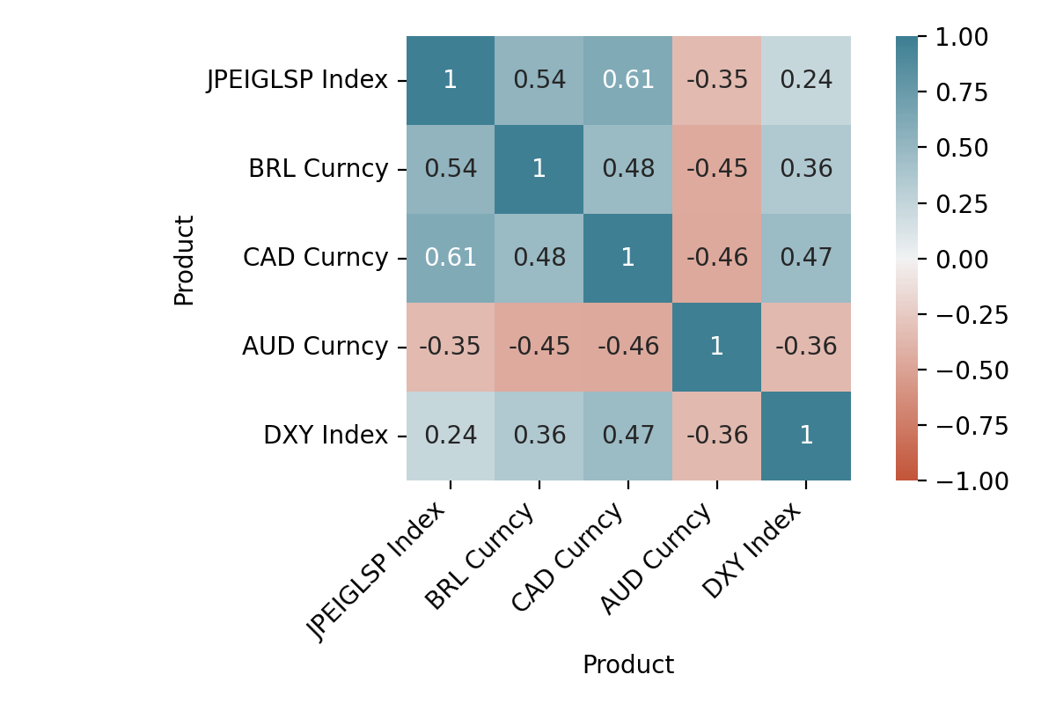
2010 | 0.0% | 0.0% | -2.1% | 5.7% | -0.2% | -4.6% | -1.0% | -1.6% | -1.4% | 1.2% | -1.6% | -1.5% | -7.1% | -7.1%
2011 | -0.6% | -0.1% | -3.8% | 1.4% | -1.9% | -1.6% | 3.0% | 17.2% | -0.8% | 0.4% | -1.0% | -0.5% | 10.8% | 2.9%
2012 | -7.3% | 5.3% | 4.5% | 9.6% | -0.6% | -1.0% | -0.3% | -0.4% | 0.0% | 4.6% | -0.6% | -3.4% | 9.6% | 12.8%
2013 | -2.7% | 1.3% | 0.1% | 5.8% | 5.4% | 1.1% | 7.5% | -3.1% | -5.8% | 4.3% | 2.3% | 2.0% | 18.8% | 34.0%
2014 | 0.1% | -3.1% | -3.6% | -1.6% | 1.6% | -0.7% | 1.4% | 6.6% | 3.0% | 3.5% | 5.0% | -1.2% | 11.0% | 48.8%
2015 | 7.4% | 13.3% | -3.9% | 0.4% | -0.3% | 8.0% | 5.8% | 15.4% | -4.0% | -3.5% | 3.7% | 3.6% | 53.6% | 128.4%
2016 | -2.1% | -3.3% | -6.2% | -2.1% | -0.3% | -6.5% | -3.0% | 2.4% | -2.6% | 5.4% | 1.2% | -5.5% | -20.9% | 80.6%
2017 | -4.8% | 2.1% | -0.3% | 6.0% | -1.0% | -1.0% | -3.5% | -0.0% | 3.3% | 0.5% | 0.7% | -0.8% | 0.8% | 82.1%
2018 | -0.3% | 0.8% | 5.4% | 6.6% | 4.5% | 0.6% | 5.6% | 1.4% | -4.5% | -2.2% | -0.1% | -1.2% | 17.2% | 113.4%
2019 | -3.0% | 6.2% | -0.1% | 2.7% | -4.9% | -1.3% | 8.4% | 0.4% | -0.2% | 1.9% | -1.0% | 1.6% | 10.3% | 135.4%
2020 | 4.9% | 15.9% | 8.6% | 4.1% | -6.8% | -1.5% | 4.0% | 0.7% | 2.1% | -0.5% | -8.8% | 4.9% | 28.5% | 202.6%
2021 | 1.8% | 3.8% | -1.4% | -5.1% | -5.4% | 2.1% | 2.9% | 0.5% | 2.6% | 0.0% | 0.0% | 0.0% | 1.5% | 207.0%
Retorno
Product | CAD Curncy
Mes | Jan | Feb | Mar | Apr | May | Jun | Jul | Aug | Sep | Oct | Nov | Dec | Retorno YTD | Retorno ITD
Retorno
2010 | 0.0% | 0.0% | -0.9% | 5.2% | -0.8% | 0.1% | -0.2% | 0.4% | -3.0% | -0.9% | 0.2% | -2.4% | -2.5% | -2.5%
2011 | -0.0% | -1.0% | -2.1% | 0.8% | 1.1% | -2.0% | 2.7% | 4.1% | 1.8% | -0.6% | -0.8% | -1.1% | 2.7% | 0.2%
2012 | -2.5% | -0.1% | 0.3% | 2.5% | 1.1% | -1.8% | -1.5% | -1.7% | 1.1% | 0.3% | -0.7% | 0.9% | -2.1% | -2.0%
2013 | 2.0% | 0.6% | -0.5% | 1.3% | 1.1% | 0.6% | -0.5% | 0.1% | -0.6% | 1.1% | 1.0% | 4.3% | 11.0% | 8.8%
2014 | -0.4% | 1.0% | -1.7% | -0.7% | -0.3% | -0.3% | 0.7% | 1.6% | 1.2% | 1.1% | 2.2% | 8.1% | 12.9% | 22.9%
2015 | 0.9% | 0.4% | -0.8% | -1.8% | 0.6% | 4.2% | 2.2% | 0.6% | -0.8% | 0.4% | 4.4% | 4.4% | 15.6% | 42.0%
2016 | -3.6% | -3.7% | -2.9% | -0.0% | -0.4% | 0.9% | -0.3% | 0.4% | 1.3% | 1.2% | 0.1% | -1.0% | -7.8% | 30.9%
2017 | -1.9% | 2.5% | 0.9% | 0.9% | -1.7% | -3.8% | -1.9% | -2.2% | 2.9% | 0.3% | 0.1% | -2.5% | -6.5% | 22.4%
2018 | 1.6% | 2.5% | -1.4% | 0.8% | 2.5% | -0.5% | -0.9% | 0.3% | -0.4% | 1.3% | 2.5% | -0.0% | 8.5% | 32.8%
2019 | -2.4% | 1.1% | 0.3% | 0.2% | -0.0% | -2.6% | 1.2% | 0.1% | 0.0% | -0.2% | 0.0% | -0.7% | -3.1% | 28.6%
2020 | 1.4% | 8.4% | -2.1% | -0.5% | -2.6% | -1.2% | -1.5% | -0.2% | -0.5% | -0.0% | -2.4% | -1.3% | -2.9% | 25.0%
2021 | 0.2% | -0.9% | -1.0% | -2.4% | 1.3% | 2.3% | 0.6% | -0.0% | -1.1% | 0.0% | 0.0% | 0.0% | -1.2% | 23.5%
Retorno
Product | DXY Index
Mes | Jan | Feb | Mar | Apr | May | Jun | Jul | Aug | Sep | Oct | Nov | Dec | Retorno YTD | Retorno ITD
Retorno
2010 | 0.0% | 0.0% | 0.3% | 5.8% | 1.4% | -2.7% | -3.2% | -0.1% | -5.4% | 2.7% | 0.4% | -0.2% | -1.3% | -1.3%
2011 | -3.0% | -1.7% | -1.8% | 0.3% | -0.5% | 0.3% | -1.1% | 4.5% | 1.4% | 0.1% | 1.1% | 1.1% | 0.6% | -0.7%
2012 | -2.3% | 1.1% | -0.6% | 3.7% | 0.0% | 1.2% | -0.8% | -2.5% | -1.3% | 1.3% | -1.0% | 0.2% | -1.2% | -1.9%
2013 | 1.6% | 1.7% | -0.2% | 1.6% | -1.2% | 1.4% | -2.7% | 0.4% | -2.6% | 1.0% | -0.5% | 0.4% | 0.8% | -1.1%
2014 | 0.1% | -1.4% | 0.4% | 0.1% | 0.3% | 0.8% | 1.5% | 3.6% | 1.2% | 1.9% | 2.1% | 5.1% | 16.7% | 15.4%
2015 | 0.5% | 4.7% | -0.3% | -2.1% | 0.0% | 0.7% | -0.1% | -1.6% | 1.4% | 2.1% | 0.2% | -0.4% | 5.0% | 21.3%
2016 | 0.0% | -1.3% | -3.3% | 0.5% | 1.0% | 1.0% | -1.1% | -0.3% | 2.9% | 0.2% | 4.3% | -0.1% | 3.7% | 25.7%
2017 | -3.2% | 0.1% | -0.0% | -0.3% | -1.9% | -1.5% | -2.5% | -0.5% | 1.7% | 0.0% | -0.9% | -1.7% | -10.3% | 12.7%
2018 | -2.3% | 0.2% | 1.0% | 3.6% | 0.5% | -0.2% | 1.6% | -1.3% | 1.6% | 0.5% | -0.1% | -0.6% | 4.6% | 17.9%
2019 | 0.3% | 0.6% | 0.5% | -0.1% | -0.4% | 0.3% | 0.5% | 0.6% | 0.2% | -1.0% | -0.1% | -0.3% | 1.2% | 19.4%
2020 | 1.9% | -0.3% | 0.4% | -0.0% | -1.6% | -1.0% | -3.9% | 1.1% | -0.7% | 0.2% | -2.4% | -1.2% | -7.4% | 10.5%
2021 | 0.8% | 1.9% | -0.1% | -2.1% | 1.0% | 0.8% | 0.6% | 0.8% | 0.2% | 0.0% | 0.0% | 0.0% | 4.1% | 15.1%
Retorno
Product | JPEIGLSP Index
Mes | Jan | Feb | Mar | Apr | May | Jun | Jul | Aug | Sep | Oct | Nov | Dec | Retorno YTD | Retorno ITD
Retorno
2010 | 0.0% | 0.0% | 5.0% | 34.7% | -1.7% | -0.0% | -10.3% | -2.6% | -3.9% | 5.5% | -6.7% | 1.7% | 16.8% | 16.8%
2011 | -0.5% | 4.8% | -3.2% | 2.5% | 4.9% | -4.6% | 20.3% | 23.1% | 4.7% | -9.7% | -2.2% | 1.9% | 44.4% | 68.7%
2012 | -8.9% | -10.9% | 2.7% | 16.8% | 2.7% | -14.3% | -10.6% | -3.7% | -6.7% | 1.1% | -7.3% | -4.9% | -38.6% | 3.6%
2013 | 7.3% | 5.9% | 0.1% | -0.4% | 28.8% | -9.9% | 6.0% | -0.7% | -4.7% | 1.0% | 0.1% | 7.9% | 44.0% | 49.2%
2014 | 1.7% | -9.7% | -9.8% | -1.8% | -8.8% | 0.8% | 10.3% | 3.7% | 11.5% | -3.7% | 33.3% | -4.8% | 16.7% | 74.0%
2015 | -1.3% | -1.6% | -7.7% | -6.5% | 5.2% | 4.4% | 13.2% | 2.0% | -2.8% | -10.4% | 8.6% | 13.5% | 14.1% | 98.6%
2016 | 3.7% | -12.9% | -4.9% | -4.5% | 2.0% | -7.0% | -3.8% | -4.6% | -1.4% | 11.3% | -3.4% | -7.0% | -29.6% | 39.8%
2017 | -4.7% | -2.8% | 0.1% | -2.3% | 1.2% | -0.2% | -0.1% | -3.6% | -3.8% | 6.5% | -3.8% | -2.0% | -14.9% | 19.0%
2018 | 3.6% | 2.3% | 1.7% | 9.5% | 7.5% | -1.3% | 4.0% | 0.6% | -2.8% | 8.7% | 1.1% | 1.4% | 41.7% | 68.6%
2019 | -13.6% | -0.0% | -2.6% | 5.9% | 1.4% | -9.6% | 7.4% | -6.6% | -2.5% | -6.2% | -2.8% | -5.7% | -31.4% | 15.6%
2020 | 17.0% | 87.2% | -9.5% | -6.8% | -18.0% | -6.4% | -7.3% | 2.9% | -2.8% | -1.9% | -12.5% | -2.5% | 10.0% | 27.2%
2021 | -1.1% | 4.0% | -5.2% | -2.3% | -1.3% | 6.2% | -1.3% | -0.9% | 2.7% | 0.0% | 0.0% | 0.0% | 0.2% | 27.4%
Spread do Retorno
Product | JPEIGLSP Index_spread
Mes | Jan | Feb | Mar | Apr | May | Jun | Jul | Aug | Sep | Oct | Nov | Dec | Retorno YTD | Retorno ITD
Retorno
2010 | 0.0% | 0.0% | 4.7% | 27.3% | -3.1% | 2.7% | -7.3% | -2.5% | 1.6% | 2.8% | -7.1% | 1.9% | 18.4% | 18.4%
2011 | 2.5% | 6.6% | -1.5% | 2.2% | 5.4% | -4.9% | 21.6% | 17.8% | 3.3% | -9.8% | -3.3% | 0.7% | 43.5% | 69.9%
2012 | -6.8% | -11.9% | 3.3% | 12.6% | 2.7% | -15.2% | -9.9% | -1.2% | -5.4% | -0.2% | -6.3% | -5.0% | -37.9% | 5.6%
2013 | 5.6% | 4.2% | 0.3% | -1.9% | 30.3% | -11.2% | 8.9% | -1.0% | -2.2% | 0.0% | 0.6% | 7.5% | 42.8% | 50.8%
2014 | 1.6% | -8.5% | -10.1% | -1.9% | -9.1% | 0.0% | 8.6% | 0.1% | 10.2% | -5.5% | 30.5% | -9.4% | -0.0% | 50.8%
2015 | -1.8% | -6.0% | -7.4% | -4.4% | 5.2% | 3.7% | 13.3% | 3.6% | -4.2% | -12.2% | 8.4% | 14.0% | 8.7% | 63.8%
2016 | 3.7% | -11.8% | -1.7% | -4.9% | 1.0% | -7.9% | -2.7% | -4.3% | -4.2% | 11.1% | -7.4% | -6.9% | -32.1% | 11.2%
2017 | -1.6% | -2.9% | 0.1% | -2.0% | 3.1% | 1.3% | 2.5% | -3.1% | -5.3% | 6.5% | -2.9% | -0.3% | -5.1% | 5.6%
2018 | 6.0% | 2.1% | 0.6% | 5.7% | 7.0% | -1.2% | 2.3% | 1.9% | -4.4% | 8.1% | 1.2% | 2.0% | 35.4% | 43.0%
2019 | -13.9% | -0.6% | -3.1% | 6.0% | 1.8% | -9.9% | 6.9% | -7.2% | -2.8% | -5.3% | -2.8% | -5.4% | -32.3% | -3.1%
2020 | 14.8% | 87.7% | -9.9% | -6.7% | -16.7% | -5.5% | -3.5% | 1.8% | -2.1% | -2.1% | -10.3% | -1.4% | 18.8% | 15.1%
2021 | -2.0% | 2.0% | -5.1% | -0.3% | -2.3% | 5.3% | -2.0% | -1.7% | 2.5% | 0.0% | 0.0% | 0.0% | -3.8% | 10.7%
Spread do Retorno
Product | BRL Curncy_spread
Mes | Jan | Feb | Mar | Apr | May | Jun | Jul | Aug | Sep | Oct | Nov | Dec | Retorno YTD | Retorno ITD
Retorno
2010 | 0.0% | 0.0% | -2.4% | -0.1% | -1.6% | -2.0% | 2.3% | -1.6% | 4.2% | -1.5% | -2.0% | -1.2% | -5.9% | -5.9%
2011 | 2.5% | 1.6% | -2.1% | 1.1% | -1.5% | -1.9% | 4.2% | 12.1% | -2.1% | 0.3% | -2.1% | -1.6% | 10.1% | 3.6%
2012 | -5.2% | 4.2% | 5.1% | 5.7% | -0.6% | -2.1% | 0.4% | 2.1% | 1.4% | 3.3% | 0.5% | -3.6% | 10.9% | 15.0%
2013 | -4.3% | -0.3% | 0.3% | 4.1% | 6.7% | -0.3% | 10.5% | -3.5% | -3.3% | 3.2% | 2.8% | 1.6% | 17.8% | 35.5%
2014 | 0.0% | -1.8% | -3.9% | -1.7% | 1.3% | -1.5% | -0.1% | 2.9% | 1.7% | 1.6% | 2.8% | -6.0% | -4.9% | 28.9%
2015 | 6.8% | 8.2% | -3.6% | 2.6% | -0.3% | 7.3% | 5.9% | 17.3% | -5.4% | -5.5% | 3.5% | 4.0% | 46.2% | 88.4%
2016 | -2.1% | -2.0% | -3.0% | -2.6% | -1.3% | -7.4% | -2.0% | 2.7% | -5.3% | 5.2% | -2.9% | -5.4% | -23.7% | 43.7%
2017 | -1.7% | 2.0% | -0.2% | 6.3% | 1.0% | 0.5% | -1.0% | 0.5% | 1.6% | 0.5% | 1.6% | 0.9% | 12.4% | 61.6%
2018 | 2.0% | 0.6% | 4.3% | 2.9% | 4.0% | 0.8% | 3.9% | 2.7% | -6.0% | -2.7% | -0.0% | -0.5% | 12.0% | 81.0%
2019 | -3.4% | 5.6% | -0.6% | 2.7% | -4.6% | -1.6% | 7.9% | -0.2% | -0.4% | 3.0% | -0.9% | 1.8% | 9.0% | 97.2%
2020 | 2.9% | 16.2% | 8.2% | 4.2% | -5.3% | -0.5% | 8.2% | -0.4% | 2.8% | -0.7% | -6.5% | 6.2% | 38.8% | 173.8%
2021 | 0.9% | 1.9% | -1.3% | -3.1% | -6.3% | 1.3% | 2.3% | -0.3% | 2.4% | 0.0% | 0.0% | 0.0% | -2.6% | 166.7%
Spread do Retorno
Product | CAD Curncy_spread
Mes | Jan | Feb | Mar | Apr | May | Jun | Jul | Aug | Sep | Oct | Nov | Dec | Retorno YTD | Retorno ITD
Retorno
2010 | 0.0% | 0.0% | -1.2% | -0.5% | -2.2% | 2.9% | 3.1% | 0.5% | 2.5% | -3.5% | -0.3% | -2.2% | -1.1% | -1.1%
2011 | 3.0% | 0.8% | -0.3% | 0.5% | 1.6% | -2.3% | 3.9% | -0.4% | 0.4% | -0.7% | -2.0% | -2.2% | 2.1% | 0.9%
2012 | -0.3% | -1.2% | 0.9% | -1.1% | 1.0% | -2.9% | -0.7% | 0.8% | 2.4% | -1.0% | 0.4% | 0.7% | -1.0% | -0.1%
2013 | 0.3% | -1.1% | -0.3% | -0.3% | 2.3% | -0.8% | 2.2% | -0.2% | 2.0% | 0.1% | 1.5% | 4.0% | 10.1% | 10.0%
2014 | -0.5% | 2.5% | -2.1% | -0.8% | -0.6% | -1.1% | -0.7% | -1.9% | -0.0% | -0.7% | 0.0% | 2.8% | -3.2% | 6.4%
2015 | 0.4% | -4.1% | -0.5% | 0.3% | 0.5% | 3.5% | 2.3% | 2.3% | -2.2% | -1.6% | 4.2% | 4.9% | 10.0% | 17.1%
2016 | -3.6% | -2.4% | 0.4% | -0.5% | -1.4% | -0.0% | 0.8% | 0.7% | -1.6% | 1.0% | -4.0% | -0.9% | -11.0% | 4.2%
2017 | 1.3% | 2.4% | 0.9% | 1.2% | 0.2% | -2.3% | 0.6% | -1.6% | 1.2% | 0.3% | 1.0% | -0.9% | 4.3% | 8.7%
2018 | 4.0% | 2.3% | -2.4% | -2.7% | 2.0% | -0.4% | -2.5% | 1.6% | -2.0% | 0.8% | 2.6% | 0.6% | 3.7% | 12.6%
2019 | -2.7% | 0.5% | -0.3% | 0.3% | 0.4% | -2.9% | 0.7% | -0.5% | -0.2% | 0.8% | 0.1% | -0.5% | -4.3% | 7.8%
2020 | -0.5% | 8.7% | -2.4% | -0.4% | -1.0% | -0.2% | 2.5% | -1.2% | 0.3% | -0.2% | -0.0% | -0.1% | 4.9% | 13.0%
2021 | -0.7% | -2.8% | -0.9% | -0.3% | 0.3% | 1.5% | -0.0% | -0.9% | -1.3% | 0.0% | 0.0% | 0.0% | -5.1% | 7.3%
Spread do Retorno
Product | AUD Curncy_spread
Mes | Jan | Feb | Mar | Apr | May | Jun | Jul | Aug | Sep | Oct | Nov | Dec | Retorno YTD | Retorno ITD
Retorno
2010 | 0.0% | 0.0% | 1.4% | -6.4% | -6.7% | 5.8% | 5.1% | 5.7% | 8.4% | -0.5% | -0.2% | 0.8% | 12.8% | 12.8%
2011 | 2.5% | 3.3% | 7.7% | 0.1% | -1.8% | 2.5% | 0.9% | -6.7% | -1.3% | -2.0% | -3.3% | 2.4% | 3.5% | 16.7%
2012 | 3.8% | -1.1% | -2.5% | -3.9% | -2.3% | 1.9% | 1.5% | 2.2% | -0.3% | -0.4% | 1.9% | 0.1% | 0.6% | 17.5%
2013 | -3.1% | -1.2% | 0.8% | -3.2% | -4.7% | -6.2% | 1.7% | 3.0% | 4.7% | -2.9% | -3.5% | -1.4% | -15.3% | -0.5%
2014 | -0.3% | 3.9% | 1.4% | -0.6% | 0.2% | -0.0% | -2.9% | -3.3% | -6.7% | -2.5% | -5.3% | -8.0% | -22.2% | -22.6%
2015 | -4.6% | -4.6% | 2.1% | 3.3% | -3.9% | -1.8% | -3.7% | -1.4% | 0.9% | -3.4% | 1.0% | -0.1% | -15.4% | -34.5%
2016 | -0.9% | 7.4% | 5.3% | -2.3% | -1.7% | -0.7% | 2.0% | 0.2% | -2.4% | 0.3% | -7.3% | 1.2% | 0.2% | -34.4%
2017 | 5.1% | 0.1% | -1.3% | -0.9% | 3.9% | 5.8% | 2.6% | 1.2% | -3.7% | -2.2% | 2.0% | 5.8% | 19.3% | -21.7%
2018 | 1.6% | -2.4% | -2.2% | -5.9% | 0.6% | -2.5% | -2.1% | -0.5% | -2.5% | 0.9% | 0.5% | -0.9% | -14.6% | -33.2%
2019 | 0.0% | -2.4% | 0.1% | -1.8% | -0.2% | 0.6% | -3.7% | -0.1% | 0.1% | 1.0% | 1.4% | 0.6% | -4.3% | -36.0%
2020 | -5.7% | -1.3% | -1.6% | 1.5% | 7.2% | 3.5% | 6.5% | -0.9% | -1.1% | 1.8% | 6.6% | 2.7% | 20.0% | -23.3%
2021 | 1.3% | -3.7% | -0.2% | 2.7% | -2.1% | -3.7% | -2.3% | -0.1% | -0.0% | 0.0% | 0.0% | 0.0% | -8.0% | -29.4%

Correlacoes
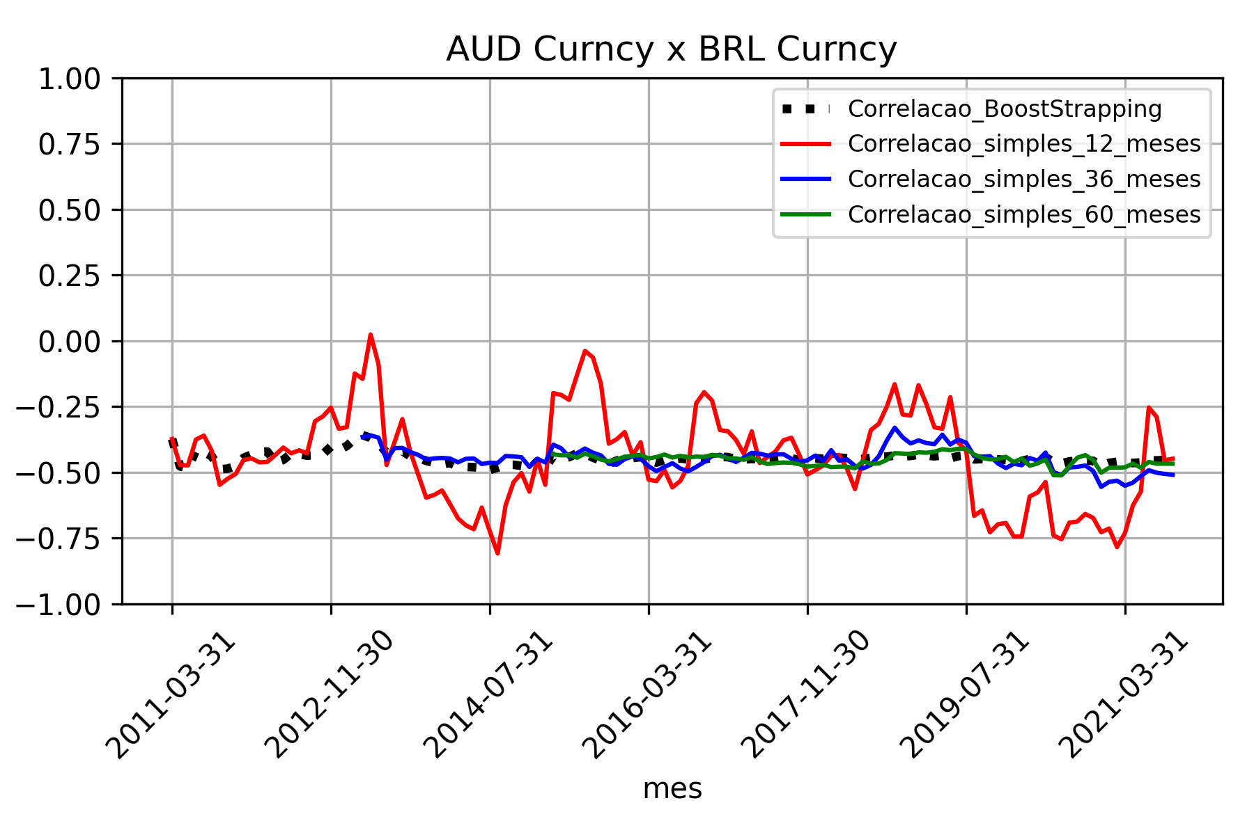
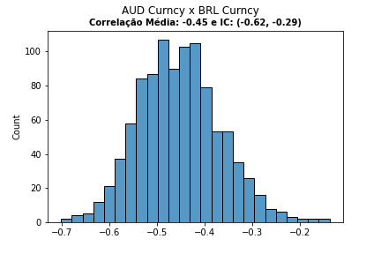
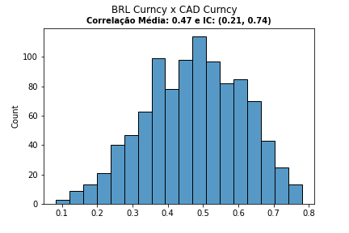

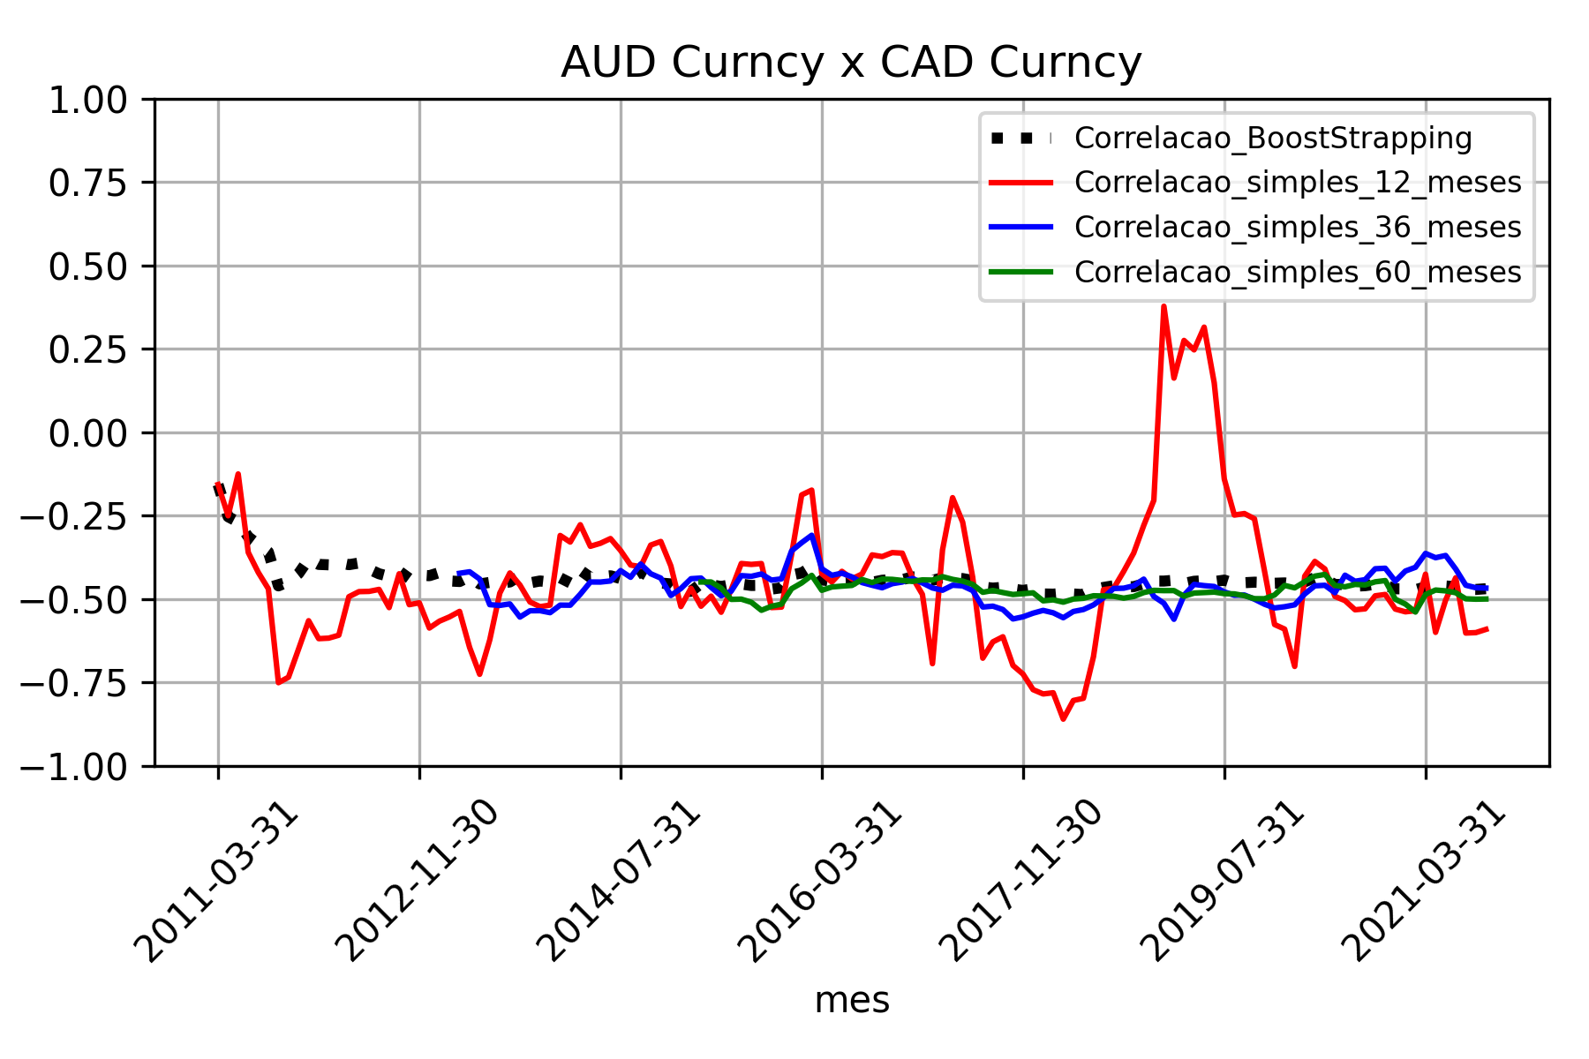
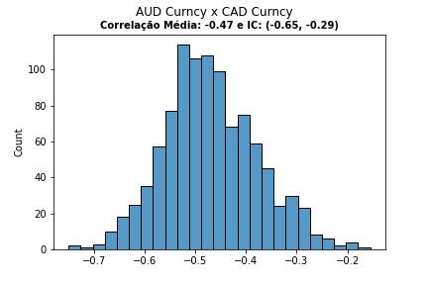

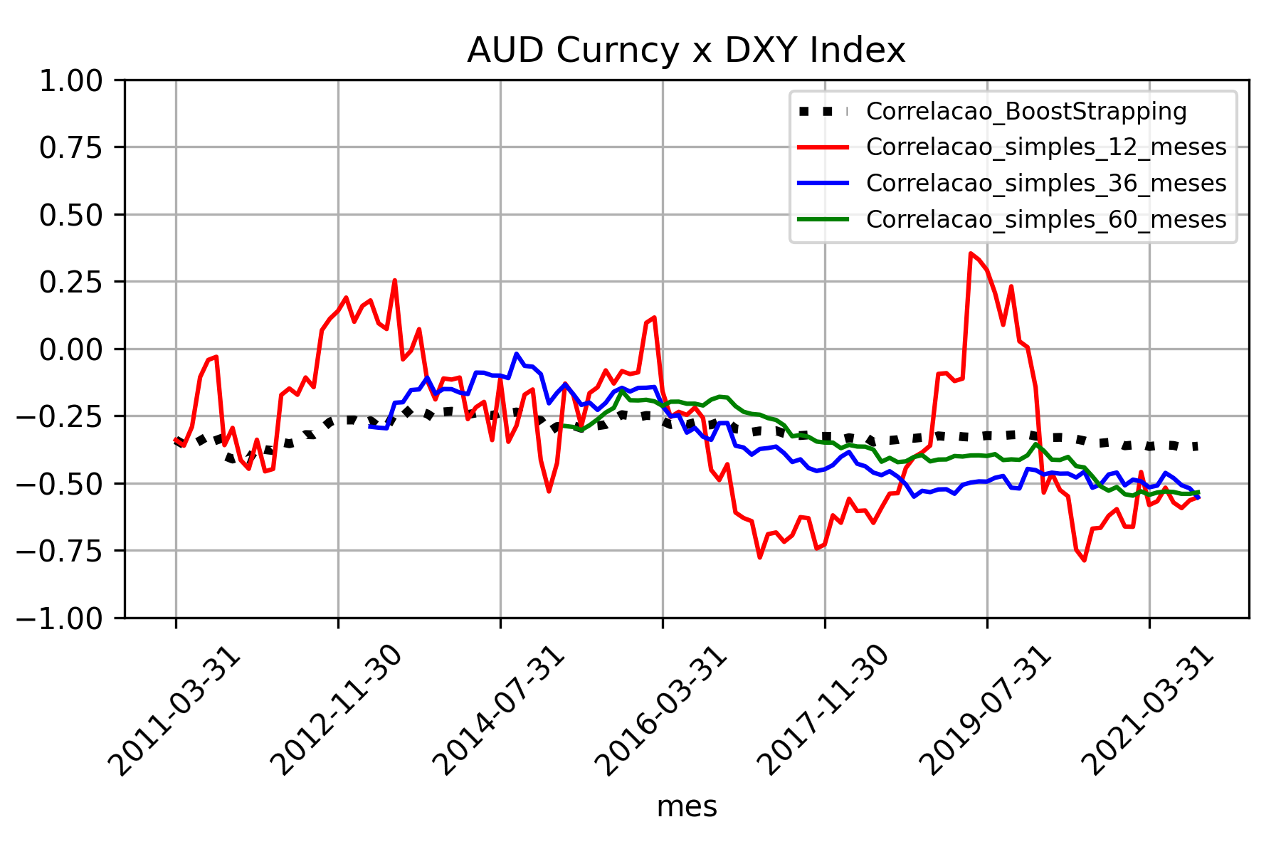
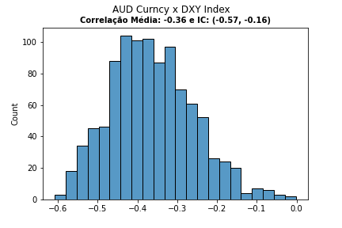

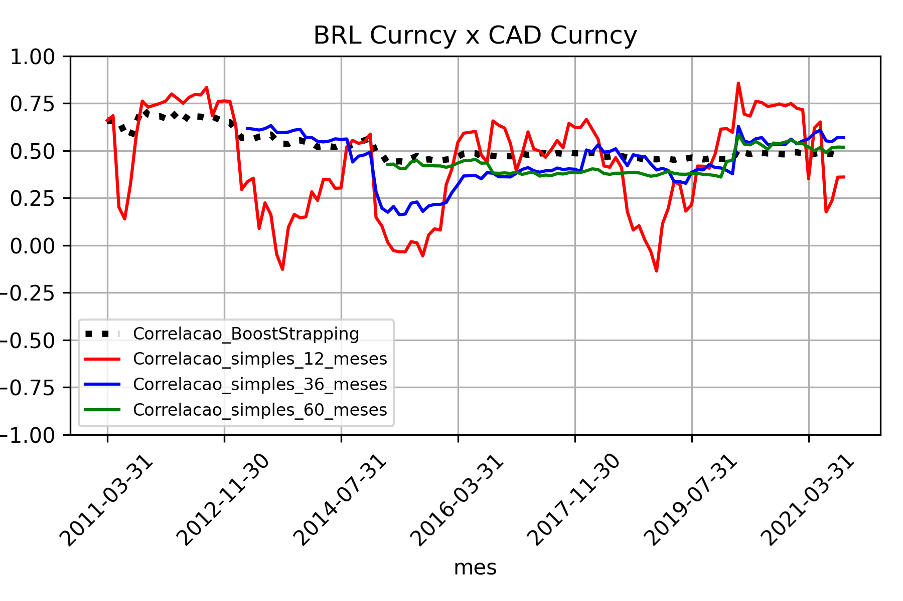

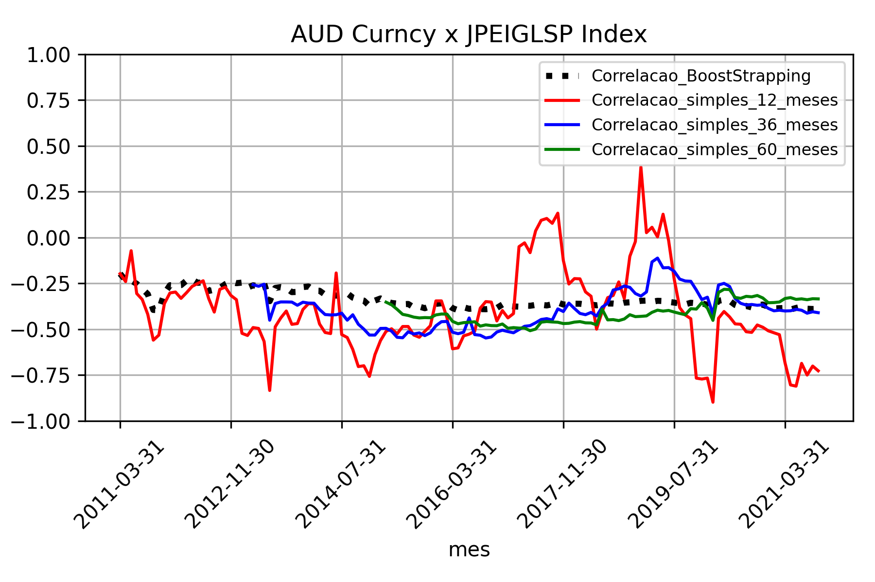
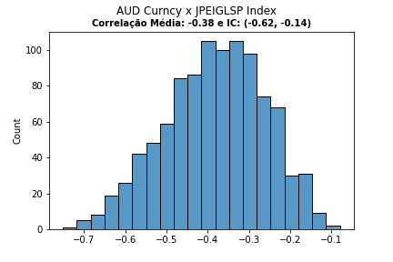

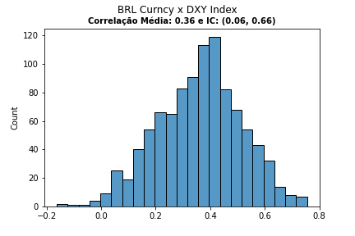

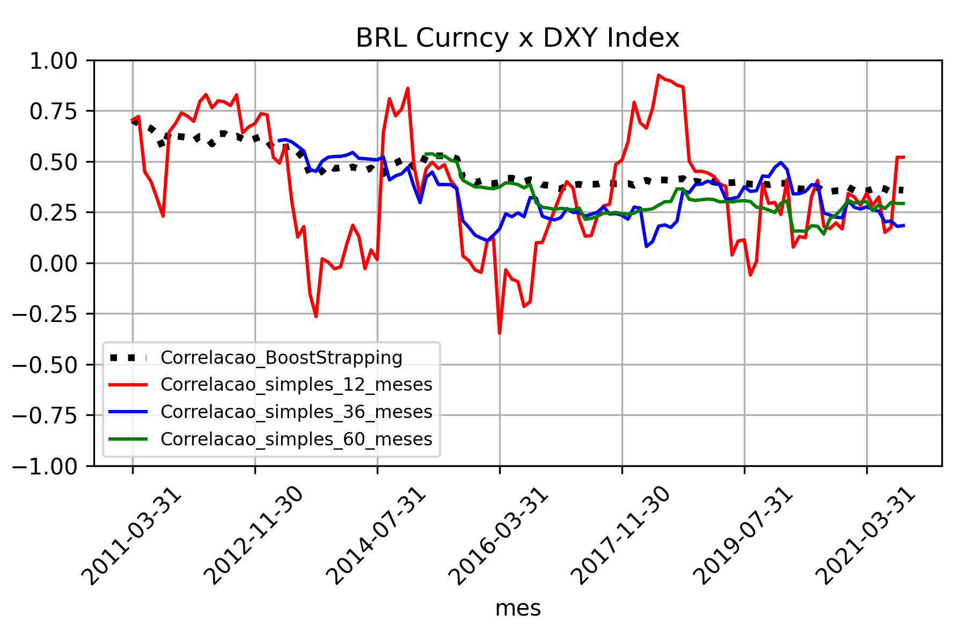

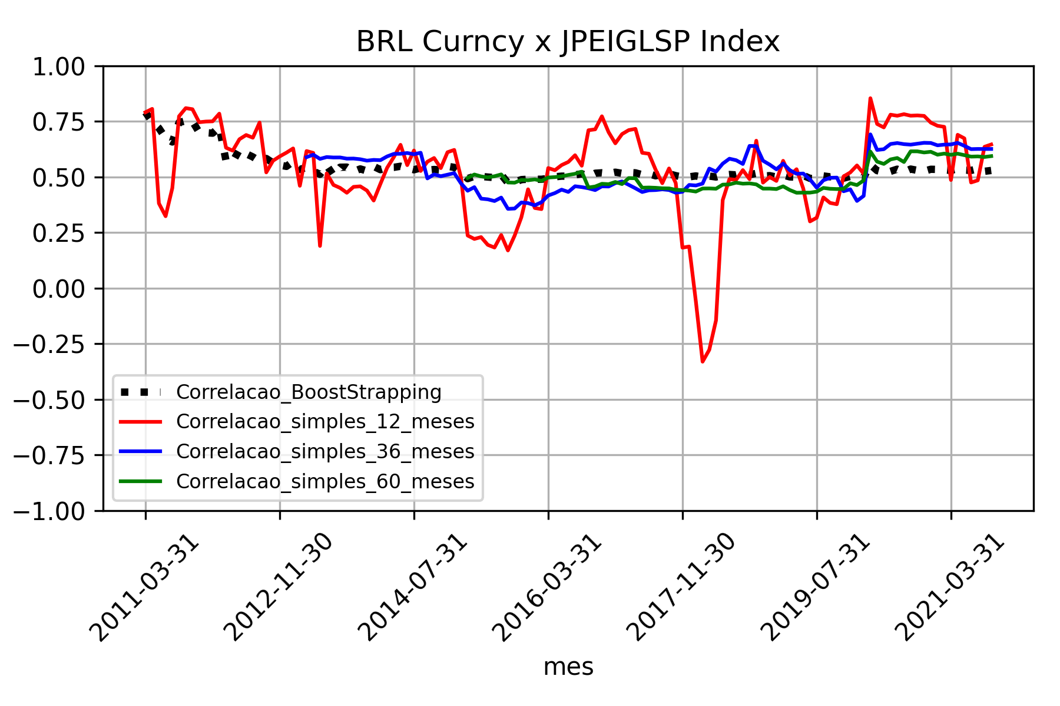

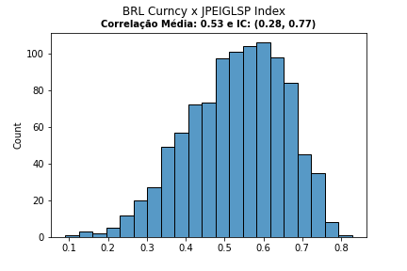

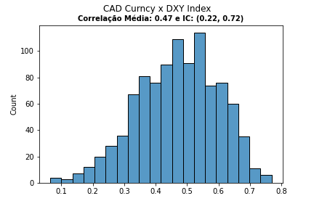

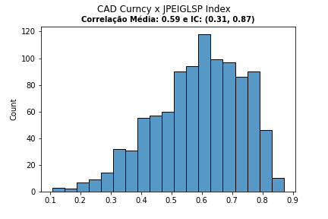

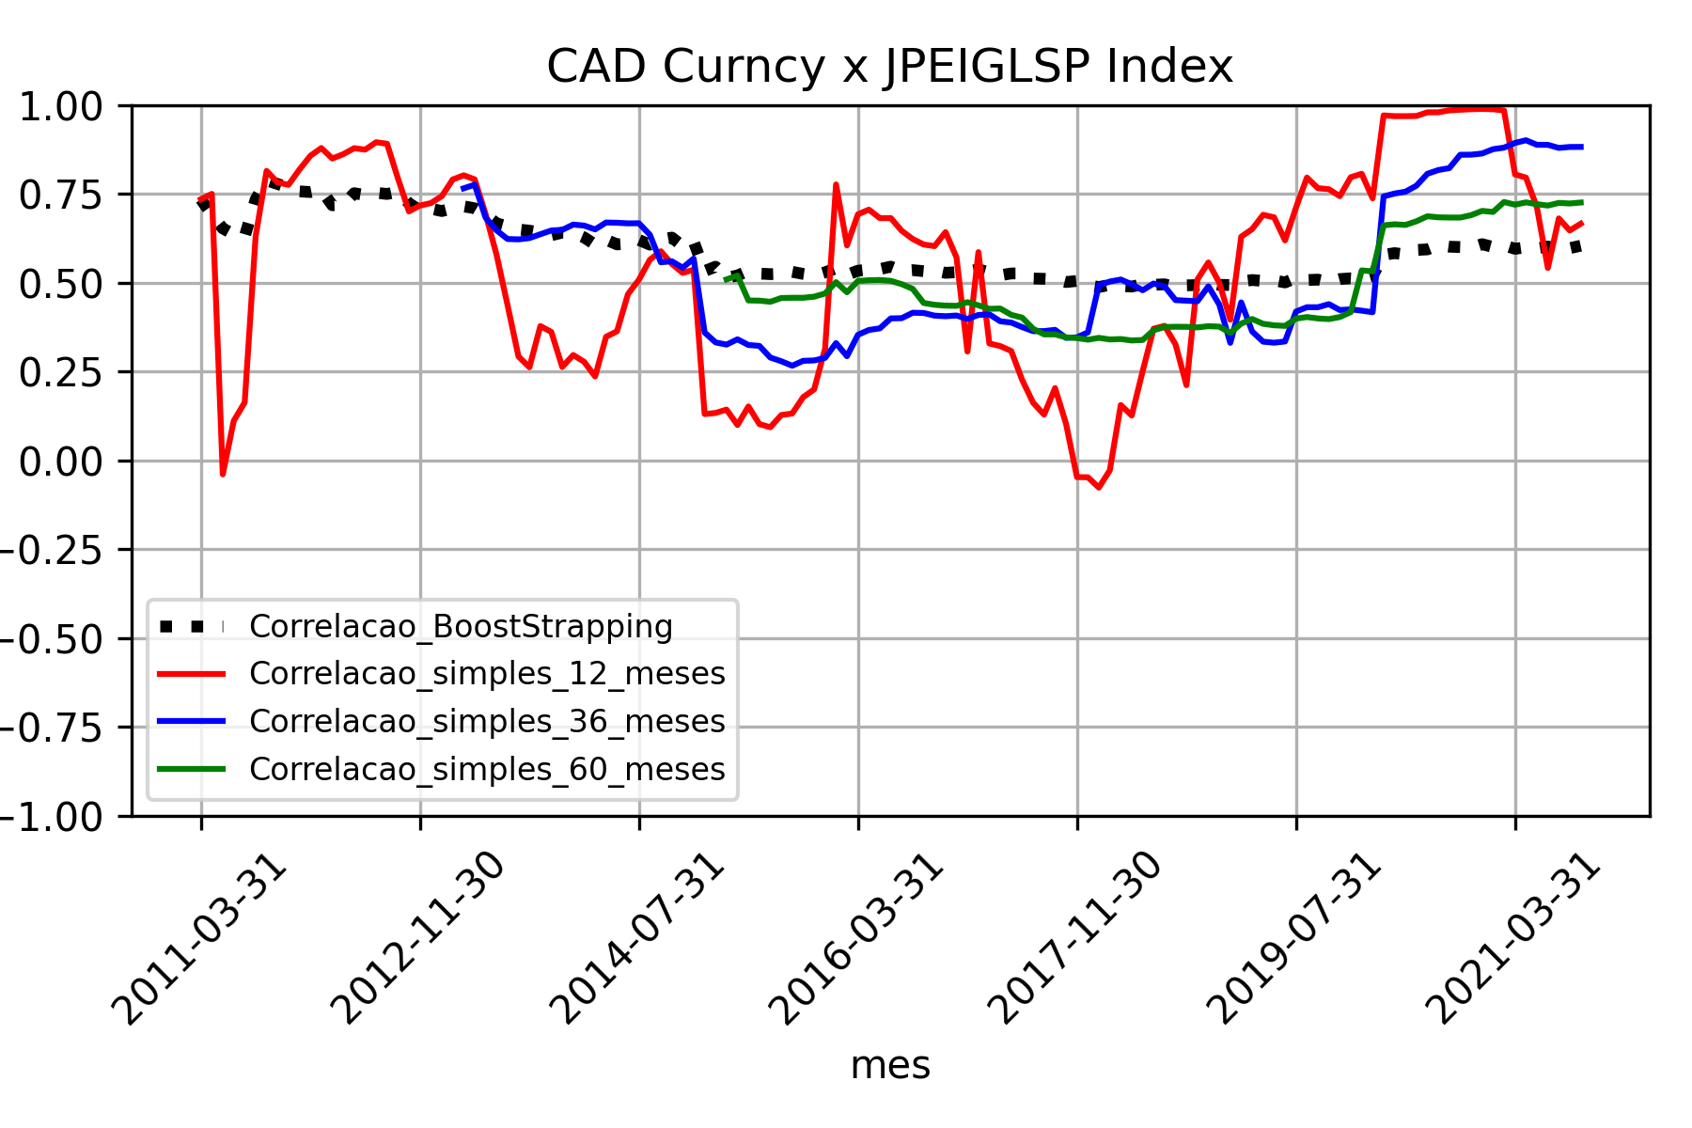

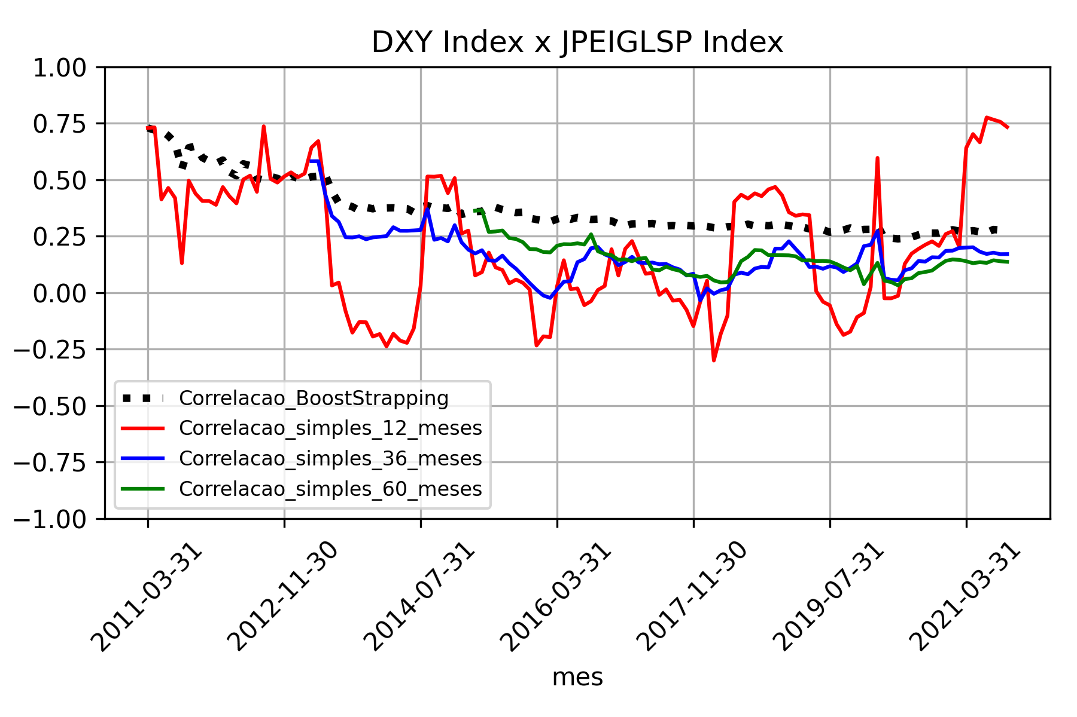
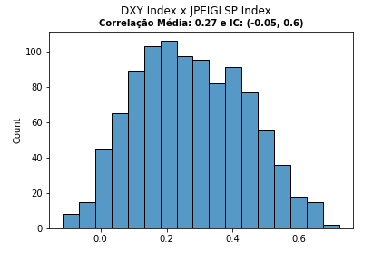

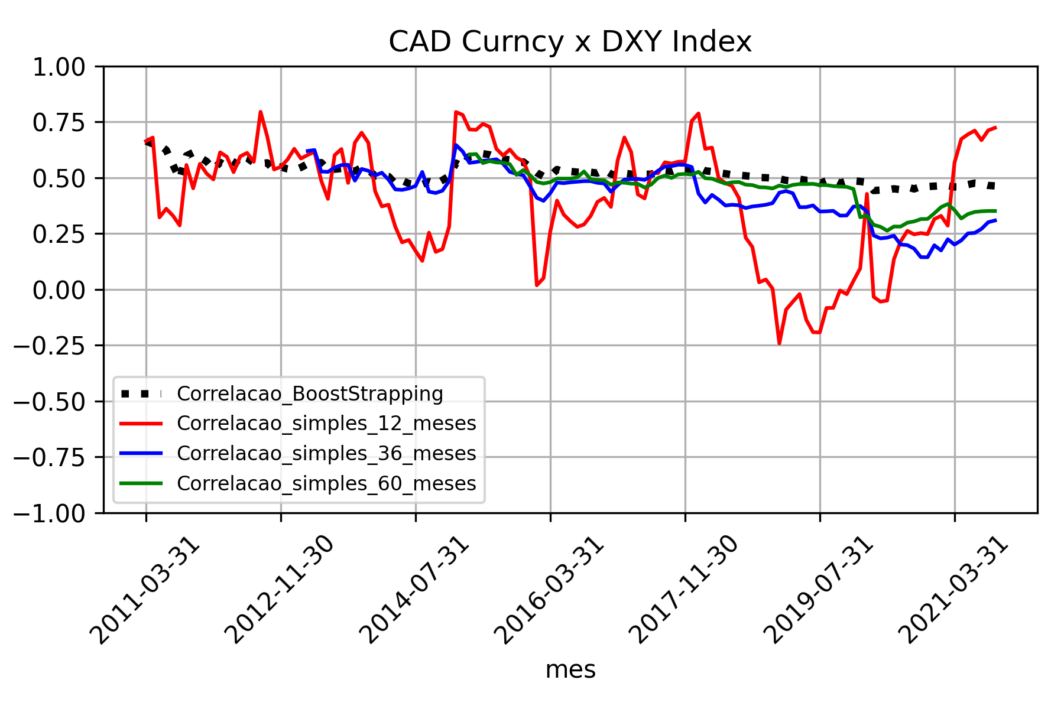

Volatilidade
