Relatorio
Relatório Estatístico

Retorno do fundo - Retorno do benchmarck
Retorno
Product | IBOXHY Index |  |  |  |  |  |  |  |  |  |  |  |  |  |  | Sob Retorno (%) | IBOXHY Index | Pagaya Opportunity Fund | Riverview ALF
Mes | Jan | Feb | Mar | Apr | May | Jun | Jul | Aug | Sep | Oct | Nov | Dec | Retorno YDT | Retorno IDT |  | Pontos | 33 | 33 | 33 | Cortar fora
Retorno |  |  |  |  |  |  |  |  |  |  |  |  |  |  |  | Retorno Mensal Máximo | 3.1% | 2.7% | 8.8% | Formatar
2018 | 0.0% | 0.0% | 0.0% | 0.0% | 0.0% | 0.0% | 0.0% | 0.0% | 0.3% | -1.1% | -0.8% | 2.1% | 0.4% | 0.4% |  | Retorno Mensal Minimo | -7.0% | 0.5% | -5.4%
2019 | 1.6% | 1.0% | 1.3% | 0.1% | 1.3% | 0.4% | 0.4% | 0.7% | 0.4% | 0.1% | 1.9% | 0.6% | 10.1% | 10.5% |  | Média dos Retornos Mensais | 0.53 | 0.81 | 1.28
2020 | 0.4% | -1.2% | -7.0% | 2.5% | 3.1% | 1.4% | 0.8% | 0.2% | 0.2% | 2.4% | 1.7% | 0.6% | 4.6% | 15.6% |  | Volatilidade Anualizada | 5.79 | 1.58 | 7.06 | Porcentagem | *
2021 | 0.6% | -0.5% | 0.9% | 0.3% | 1.1% | 0.0% | 0.0% | 0.0% | 0.0% | 0.0% | 0.0% | 0.0% | 2.5% | 18.5% | Queremos mostrar para os nossos clientes | Meses Negativos | 5 | 0 | 1
Retorno
 |  |  |  |  |  |  |  |  |  |  |  |  |  |  | "Meses" é melhor que "pontos | Meses Positivos | 28 | 33 | 32
Product | Pagaya Opportunity Fund |  |  |  |  |  |  |  |  |  |  |  |  |  | "L" TD | Retorno Acumulado ITD | 18.45 | 30.59 | 51.38 | Porcentagem
Mes | Jan | Feb | Mar | Apr | May | Jun | Jul | Aug | Sep | Oct | Nov | Dec | Retorno YDT | Retorno IDT |  | Retorno Anualizado | 6.35 | 10.19 | 16.27 |  | *
Retorno |  |  |  |  |  |  |  |  |  |  |  |  |  |  |  | Sharpe | 1.1 | 6.45 | 2.31 |  | *
2018 | 0.0% | 0.0% | 0.0% | 0.0% | 0.0% | 0.0% | 0.0% | 0.0% | 0.7% | 0.8% | 0.6% | 0.7% | 2.8% | 2.8% |  | Maximo Drawdown | -8.14 | 0 | -5.39 | Porcentagem
2019 | 0.6% | 0.7% | 0.7% | 0.8% | 0.5% | 0.6% | 0.6% | 0.5% | 0.7% | 0.6% | 0.6% | 0.7% | 8.0% | 11.0% |  | Perido | De Aug-19 a Mar-20 | De Set-19 a Fev -20 |  | Incluir
2020 | 0.7% | 0.7% | 2.7% | 1.2% | 2.2% | 0.8% | 1.4% | 0.6% | 0.7% | 0.8% | 0.8% | 0.8% | 14.1% | 26.6%
2021 | 0.8% | 0.6% | 0.6% | 0.6% | 0.7% | 0.0% | 0.0% | 0.0% | 0.0% | 0.0% | 0.0% | 0.0% | 3.1% | 30.6% |  | Sob Retorno (%) | Pagaya Opportunity Fund | Riverview ALF
Retorno
 |  |  |  |  |  |  |  |  |  |  |  |  |  |  |  | Beta | -0.11 | 0.21 |  |  | *
Product | Riverview ALF |  |  |  |  |  |  |  |  |  |  |  |  |  |  | Alpha | 0.87 | 1.17 |  |  | *
Mes | Jan | Feb | Mar | Apr | May | Jun | Jul | Aug | Sep | Oct | Nov | Dec | Retorno YDT | Retorno IDT |  | Tracking Error | 1.98 | 2.41 | Formatar (%) |  | *
Retorno
2018 | 0.0% | 0.0% | 0.0% | 0.0% | 0.0% | 0.0% | 0.0% | 0.0% | 0.1% | 0.6% | 0.6% | 0.5% | 1.8% | 1.8%
2019 | 0.5% | 0.6% | 0.5% | 1.9% | 0.7% | 1.7% | 0.7% | 0.9% | 0.5% | 1.0% | 0.5% | 0.5% | 10.5% | 12.5% |  |  |  |  |  |  | Graficos com 12, 36 e 60 meses
2020 | 1.0% | -5.4% | 0.1% | 1.3% | 2.7% | 1.5% | 1.4% | 1.1% | 1.6% | 1.5% | 4.6% | 3.7% | 15.7% | 30.2% |  |  |  |  |  |  | Pode colocar os 3 periodos num mesmo gráfico
2021 | 2.6% | 8.8% | 0.1% | 2.1% | 2.1% | 0.0% | 0.0% | 0.0% | 0.0% | 0.0% | 0.0% | 0.0% | 16.3% | 51.4% |  |  |  |  |  |  | Exemplo
Spread do Retorno
Product | Pagaya Opportunity Fund_spread
Mes | Jan | Feb | Mar | Apr | May | Jun | Jul | Aug | Sep | Oct | Nov | Dec | Retorno YDT | Retorno IDT
Retorno |  |  |  |  |  |  |  |  |  |  |  |  |  |  |  |  | Alpha (12 meses) | Alpha (36 meses) | Alpha (60 meses)
Roling Alpha
 | Alpha (12 meses) | Alpha (36 meses)
1/1/2015 | 0.10%
2/1/2015 | 0.10%
3/1/2015 | 0.11%
4/1/2015 | 0.12%
5/1/2015 | 0.13% | 0.002
6/1/2015 | 0.12% | 0.0021
7/1/2015 | 0.11% | 0.0022
8/1/2015 | 0.10% | 0.0023
9/1/2015 | 0.09% | 0.0023
10/1/2015 | 0.08% | 0.0023
11/1/2015 | 0.07% | 0.0024
12/1/2015 | 0.06% | 0.0024
1/1/2016 | 0.05% | 0.0023
2/1/2016 | 0.06% | 0.0023
3/1/2016 | 0.07% | 0.0023
4/1/2016 | 0.08% | 0.0024
5/1/2016 | 0.09% | 0.0023
6/1/2016 | 0.10% | 0.0022
7/1/2016 | 0.10% | 0.0021
8/1/2016 | 0.10% | 0.002
9/1/2016 | 0.11% | 0.0021
10/1/2016 | 0.12% | 0.0022
11/1/2016 | 0.13% | 0.0023
12/1/2016 | 0.12% | 0.0023
1/1/2017 | 0.11% | 0.0023
2/1/2017 | 0.10% | 0.0024
3/1/2017 | 0.09% | 0.0024
4/1/2017 | 0.08% | 0.0023
5/1/2017 | 0.07% | 0.0023
6/1/2017 | 0.06% | 0.0023
7/1/2017 | 0.05% | 0.0024
8/1/2017 | 0.06% | 0.0023
9/1/2017 | 0.07% | 0.0022
10/1/2017 | 0.08% | 0.0021
11/1/2017 | 0.09% | 0.002
12/1/2017 | 0.10% | 0.0021
1/1/2018 | 0.10% | 0.0022
2/1/2018 | 0.10% | 0.0023
3/1/2018 | 0.11% | 0.0023
4/1/2018 | 0.12% | 0.0023
5/1/2018 | 0.13% | 0.0024
6/1/2018 | 0.12% | 0.0024
7/1/2018 | 0.11% | 0.0023
8/1/2018 | 0.10% | 0.0023 | 0.002
9/1/2018 | 0.09% | 0.0023 | 0.002
10/1/2018 | 0.08% | 0.0024 | 0.002
11/1/2018 | 0.07% | 0.0023 | 0.002
12/1/2018 | 0.06% | 0.0022 | 0.002
1/1/2019 | 0.05% | 0.0021 | 0.002
2/1/2019 | 0.06% | 0.002 | 0.002
...
2018 | 0.0% | 0.0% | 0.0% | 0.0% | 0.0% | 0.0% | 0.0% | 0.0% | 0.3% | 1.9% | 1.5% | -1.3% | 2.4% | 2.4% |  | 2015-01-01 | 0.10%
2019 | -1.0% | -0.3% | -0.6% | 0.7% | -0.7% | 0.2% | 0.2% | -0.1% | 0.3% | 0.6% | -1.3% | 0.1% | -1.9% | 0.5% |  | 2015-02-01 | 0.10%
2020 | 0.3% | 1.9% | 10.4% | -1.3% | -0.9% | -0.6% | 0.6% | 0.4% | 0.5% | -1.6% | -0.9% | 0.3% | 9.0% | 9.5% |  | 2015-03-01 | 0.11%
2021 | 0.1% | 1.0% | -0.4% | 0.3% | -0.4% | 0.0% | 0.0% | 0.0% | 0.0% | 0.0% | 0.0% | 0.0% | 0.7% | 10.3% |  | 2015-04-01 | 0.12%
Spread do Retorno
 |  |  |  |  |  |  |  |  |  |  |  |  |  |  |  | 2015-05-01 | 0.13% | 0.20%
Product | Riverview ALF_spread |  |  |  |  |  |  |  |  |  |  |  |  |  |  | 2015-06-01 | 0.12% | 0.21%
Mes | Jan | Feb | Mar | Apr | May | Jun | Jul | Aug | Sep | Oct | Nov | Dec | Retorno YDT | Retorno IDT |  | 2015-07-01 | 0.11% | 0.22%
Retorno |  |  |  |  |  |  |  |  |  |  |  |  |  |  |  | 2015-08-01 | 0.10% | 0.23%
2018 | 0.0% | 0.0% | 0.0% | 0.0% | 0.0% | 0.0% | 0.0% | 0.0% | -0.2% | 1.8% | 1.4% | -1.5% | 1.5% | 1.5% |  | 2015-09-01 | 0.09% | 0.23%
2019 | -1.1% | -0.4% | -0.8% | 1.8% | -0.5% | 1.3% | 0.3% | 0.2% | 0.2% | 1.0% | -1.4% | -0.1% | 0.4% | 1.8% |  | 2015-10-01 | 0.08% | 0.23%
2020 | 0.6% | -4.2% | 7.7% | -1.2% | -0.4% | 0.1% | 0.7% | 0.9% | 1.4% | -0.9% | 2.9% | 3.1% | 10.6% | 12.6% |  | 2015-11-01 | 0.07% | 0.24%
2021 | 2.0% | 9.3% | -0.9% | 1.8% | 1.0% | 0.0% | 0.0% | 0.0% | 0.0% | 0.0% | 0.0% | 0.0% | 13.5% | 27.8% |  | 2015-12-01 | 0.06% | 0.24%
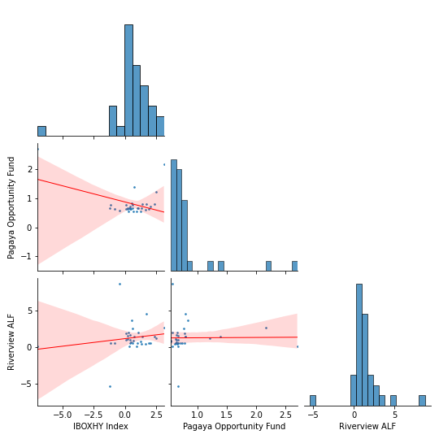
 |  |  |  |  |  |  |  |  |  |  |  |  |  |  |  | 2016-01-01 | 0.05% | 0.23%
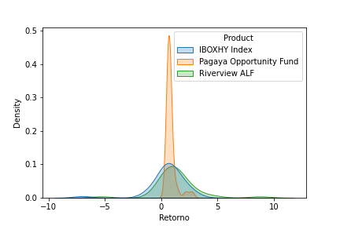
 |  |  |  |  |  |  |  |  |  |  |  |  |  |  |  | 2016-02-01 | 0.06% | 0.23%
 |  |  |  |  |  |  |  |  |  |  |  |  |  |  |  | 2016-03-01 | 0.07% | 0.23%
 |  |  |  |  |  |  |  |  |  |  |  |  |  |  |  | 2016-04-01 | 0.08% | 0.24%
 |  |  |  |  |  |  |  |  |  |  |  |  |  |  |  | 2016-05-01 | 0.09% | 0.23%
 |  |  |  |  |  |  |  |  |  |  |  |  |  |  |  | 2016-06-01 | 0.10% | 0.22%
 |  |  |  |  |  |  |  |  |  |  |  |  |  |  |  | 2016-07-01 | 0.10% | 0.21%
 |  |  |  |  |  |  |  |  |  |  |  |  |  |  |  | 2016-08-01 | 0.10% | 0.20%
 |  |  |  |  |  |  |  |  |  |  |  |  |  |  |  | 2016-09-01 | 0.11% | 0.21%
 |  |  |  |  |  |  |  |  |  |  |  |  |  |  |  | 2016-10-01 | 0.12% | 0.22%
 |  |  |  |  |  |  |  |  |  |  |  |  |  |  |  | 2016-11-01 | 0.13% | 0.23%
 |  |  |  |  |  |  |  |  |  |  |  |  |  |  |  | 2016-12-01 | 0.12% | 0.23%
 |  |  |  |  |  |  |  |  |  |  |  |  |  |  |  | 2017-01-01 | 0.11% | 0.23%
 |  |  |  |  |  |  |  |  |  |  |  |  |  |  |  | 2017-02-01 | 0.10% | 0.24%
 |  |  |  |  |  |  |  |  |  |  |  |  |  |  |  | 2017-03-01 | 0.09% | 0.24%
 |  |  |  |  |  |  |  |  |  |  |  |  |  |  |  | 2017-04-01 | 0.08% | 0.23%
 |  |  |  |  |  |  |  |  |  |  |  |  |  |  |  | 2017-05-01 | 0.07% | 0.23%
 |  |  |  |  |  |  |  |  |  |  |  |  |  |  |  | 2017-06-01 | 0.06% | 0.23%
 |  |  |  |  |  |  |  |  |  |  |  |  |  |  |  | 2017-07-01 | 0.05% | 0.24%
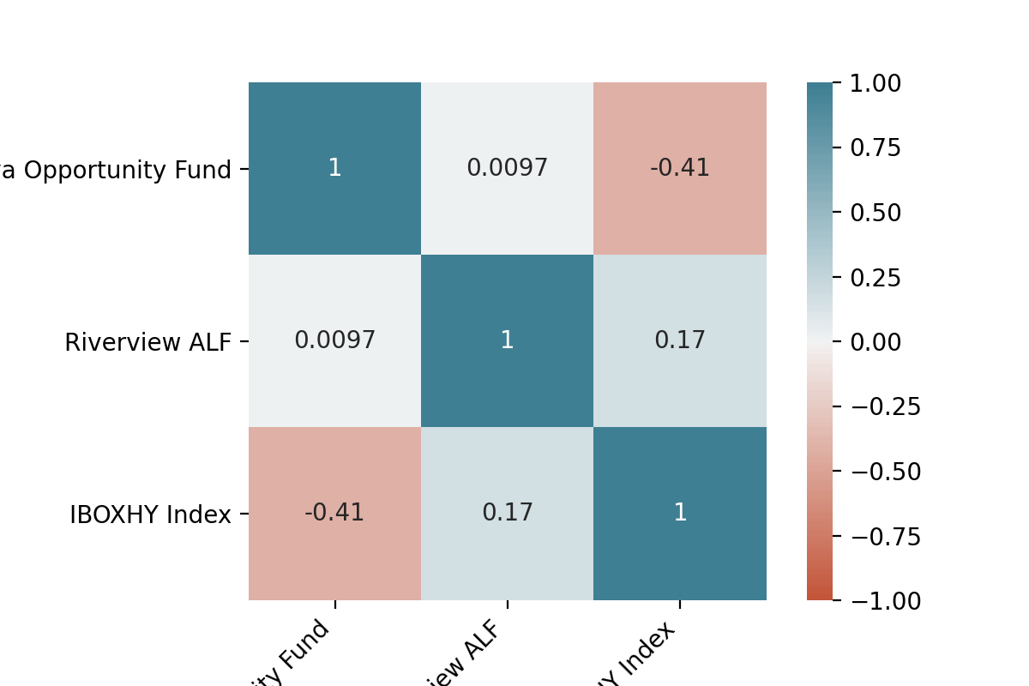
 |  |  |  |  |  |  |  |  |  |  |  |  |  |  |  | 2017-08-01 | 0.06% | 0.23%
 |  |  |  |  |  |  |  |  |  |  |  |  |  |  |  | 2017-09-01 | 0.07% | 0.22%
 |  |  |  |  |  |  |  |  |  |  |  |  |  |  |  | 2017-10-01 | 0.08% | 0.21%
 |  |  |  |  |  |  |  |  |  |  |  |  |  |  |  | 2017-11-01 | 0.09% | 0.20%
 |  |  |  |  |  |  |  |  |  |  |  |  |  |  |  | 2017-12-01 | 0.10% | 0.21%
 |  |  |  |  |  |  |  |  |  |  |  |  |  |  |  | 2018-01-01 | 0.10% | 0.22%
 |  |  |  |  |  |  |  |  |  |  |  |  |  |  |  | 2018-02-01 | 0.10% | 0.23%
 |  |  |  |  |  |  |  |  |  |  |  |  |  |  |  | 2018-03-01 | 0.11% | 0.23%
 |  |  |  |  |  |  |  |  |  |  |  |  |  |  |  | 2018-04-01 | 0.12% | 0.23%
 |  |  |  |  |  |  |  |  |  |  |  |  |  |  |  | 2018-05-01 | 0.13% | 0.24%
 |  |  |  |  |  |  |  |  |  |  |  |  |  |  |  | 2018-06-01 | 0.12% | 0.24%
 |  |  |  |  |  |  |  |  |  |  |  |  |  |  |  | 2018-07-01 | 0.11% | 0.23%
 |  |  |  |  |  |  |  |  |  |  |  |  |  |  |  | 2018-08-01 | 0.10% | 0.23% | 0.20%
 |  |  |  |  |  |  |  |  |  |  |  |  |  |  |  | 2018-09-01 | 0.09% | 0.23% | 0.20%
 |  |  |  |  |  |  |  |  |  |  |  |  |  |  |  | 2018-10-01 | 0.08% | 0.24% | 0.20%
 |  |  |  |  |  |  |  |  |  |  |  |  |  |  |  | 2018-11-01 | 0.07% | 0.23% | 0.20%
 |  |  |  |  |  |  |  |  |  |  |  |  |  |  |  | 2018-12-01 | 0.06% | 0.22% | 0.20%
 |  |  |  |  |  |  |  |  |  |  |  |  |  |  |  | 2019-01-01 | 0.05% | 0.21% | 0.20%
 |  |  |  |  |  |  |  |  |  |  |  |  |  |  |  | 2019-02-01 | 0.06% | 0.20% | 0.20%
 |  |  |  |  |  |  |  |  |  |  |  |  |  |  |  | 2019-03-01 | 0.07% | 0.21% | 0.21%
 |  |  |  |  |  |  |  |  |  |  |  |  |  |  |  | 2019-04-01 | 0.08% | 0.22% | 0.21%
 |  |  |  |  |  |  |  |  |  |  |  |  |  |  |  | 2019-05-01 | 0.09% | 0.23% | 0.21%
 |  |  |  |  |  |  |  |  |  |  |  |  |  |  |  | 2019-06-01 | 0.10% | 0.23% | 0.21%
 |  |  |  |  |  |  |  |  |  |  |  |  |  |  |  | 2019-07-01 | 0.10% | 0.23% | 0.21%
 |  |  |  |  |  |  |  |  |  |  |  |  |  |  |  | 2019-08-01 | 0.10% | 0.24% | 0.22%
 |  |  |  |  |  |  |  |  |  |  |  |  |  |  |  | 2019-09-01 | 0.11% | 0.24% | 0.22%
 |  |  |  |  |  |  |  |  |  |  |  |  |  |  |  | 2019-10-01 | 0.12% | 0.23% | 0.22%
 |  |  |  |  |  |  |  |  |  |  |  |  |  |  |  | 2019-11-01 | 0.13% | 0.23% | 0.22%
 |  |  |  |  |  |  |  |  |  |  |  |  |  |  |  | 2019-12-01 | 0.12% | 0.23% | 0.22%
 |  |  |  |  |  |  |  |  |  |  |  |  |  |  |  | 2020-01-01 | 0.11% | 0.24% | 0.22%
 |  |  |  |  |  |  |  |  |  |  |  |  |  |  |  | 2020-02-01 | 0.10% | 0.23% | 0.23%
 |  |  |  |  |  |  |  |  |  |  |  |  |  |  |  | 2020-03-01 | 0.09% | 0.22% | 0.23%
 |  |  |  |  |  |  |  |  |  |  |  |  |  |  |  | 2020-04-01 | 0.08% | 0.21% | 0.23%
 |  |  |  |  |  |  |  |  |  |  |  |  |  |  |  | 2020-05-01 | 0.07% | 0.20% | 0.23%
 |  |  |  |  |  |  |  |  |  |  |  |  |  |  |  | 2020-06-01 | 0.06% | 0.21% | 0.23%
 |  |  |  |  |  |  |  |  |  |  |  |  |  |  |  | 2020-07-01 | 0.05% | 0.22% | 0.22%
 |  |  |  |  |  |  |  |  |  |  |  |  |  |  |  | 2020-08-01 | 0.06% | 0.23% | 0.22%
 |  |  |  |  |  |  |  |  |  |  |  |  |  |  |  | 2020-09-01 | 0.07% | 0.23% | 0.22%
 |  |  |  |  |  |  |  |  |  |  |  |  |  |  |  | 2020-10-01 | 0.08% | 0.23% | 0.22%
 |  |  |  |  |  |  |  |  |  |  |  |  |  |  |  | 2020-11-01 | 0.09% | 0.24% | 0.23%
 |  |  |  |  |  |  |  |  |  |  |  |  |  |  |  | 2020-12-01 | 0.10% | 0.24% | 0.23%
 |  |  |  |  |  |  |  |  |  |  |  |  |  |  |  | 2021-01-01 | 0.10% | 0.23% | 0.22%
 |  |  |  |  |  |  |  |  |  |  |  |  |  |  |  | 2021-02-01 | 0.10% | 0.23% | 0.22%
 |  |  |  |  |  |  |  |  |  |  |  |  |  |  |  | 2021-03-01 | 0.11% | 0.23% | 0.22%
 |  |  |  |  |  |  |  |  |  |  |  |  |  |  |  | 2021-04-01 | 0.12% | 0.24% | 0.21%
 |  |  |  |  |  |  |  |  |  |  |  |  |  |  |  | 2021-05-01 | 0.13% | 0.23% | 0.21%
 |  |  |  |  |  |  |  |  |  |  |  |  |  |  |  | 2021-06-01 | 0.12% | 0.22% | 0.21%
 |  |  |  |  |  |  |  |  |  |  |  |  |  |  |  | 2021-07-01 | 0.11% | 0.21% | 0.20%
 |  |  |  |  |  |  |  |  |  |  |  |  |  |  |  | 2021-08-01 | 0.10% | 0.20% | 0.20%
 |  |  |  |  |  |  |  |  |  |  |  |  |  |  |  | 2021-09-01 | 0.09% | 0.21% | 0.20%
 |  |  |  |  |  |  |  |  |  |  |  |  |  |  |  | 2021-10-01 | 0.08% | 0.22% | 0.19%
 |  |  |  |  |  |  |  |  |  |  |  |  |  |  |  | 2021-11-01 | 0.07% | 0.23% | 0.19%
 |  |  |  |  |  |  |  |  |  |  |  |  |  |  |  | 2021-12-01 | 0.06% | 0.23% | 0.19%

