Sumario
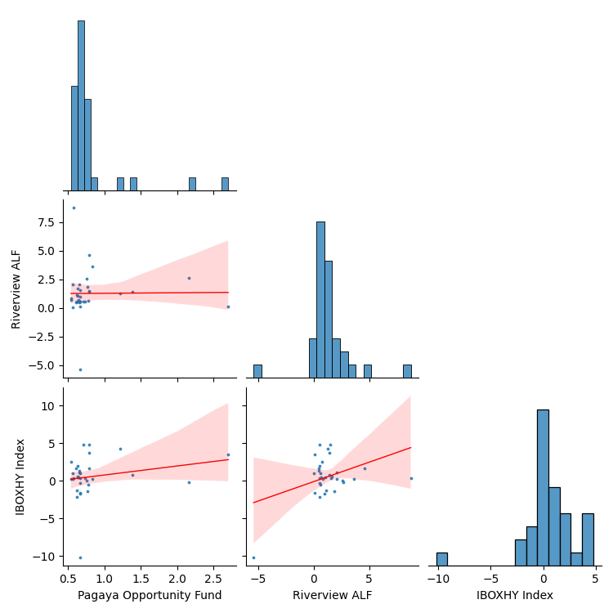
Lâmina

Retorno
Product | IBOXHY Index |  |  |  |  |  |  |  |  |  |  |  |  |  | Sep-2018 a Jun-2021 | Pagaya Opportunity Fund | Riverview ALF | IBOXHY Index
Mes | Jan | Feb | Mar | Apr | May | Jun | Jul | Aug | Sep | Oct | Nov | Dec | Retorno YTD | Retorno LTD | Retorno Mensal Máximo | 2.70% | 8.75% | 4.79%
Retorno |  |  |  |  |  |  |  |  |  |  |  |  |  |  | Retorno Mensal Minimo | 0.54% | -5.39% | -10.21%
2018 | 0.0% | 0.0% | 0.0% | 0.0% | 0.0% | 0.0% | 0.0% | 0.0% | -1.6% | -0.5% | -2.2% | 4.8% | 0.4% | 0.4% | Média dos Retornos Mensais | 0.81% | 1.28% | 0.55%
2019 | 1.6% | 1.0% | 1.3% | -1.4% | 2.5% | 0.6% | 0.4% | 0.3% | 0.4% | 0.4% | 1.9% | -0.3% | 9.1% | 9.5% | Volatilidade Anualizada | 1.58% | 7.06% | 9.10%
2020 | -1.7% | -10.2% | 3.6% | 4.2% | -0.2% | 4.8% | 0.7% | -1.2% | 0.3% | 3.8% | 1.7% | 0.2% | 5.3% | 15.2% | Meses Negativos | 0 | 1 | 9
2021 | 0.1% | 0.4% | 1.0% | 0.2% | 1.1% | 0.0% | 0.0% | 0.0% | 0.0% | 0.0% | 0.0% | 0.0% | 2.8% | 18.4% | Meses Positivos | 33 | 32 | 24
Retorno
 |  |  |  |  |  |  |  |  |  |  |  |  |  |  | Retorno Total | 30.59% | 51.38% | 18.45%
Product | Pagaya Opportunity Fund |  |  |  |  |  |  |  |  |  |  |  |  |  | Retorno Anualizado | 10.19% | 16.27% | 6.35%
Mes | Jan | Feb | Mar | Apr | May | Jun | Jul | Aug | Sep | Oct | Nov | Dec | Retorno YTD | Retorno LTD | Sharpe | 6.45 | 2.31 | 0.70
Retorno |  |  |  |  |  |  |  |  |  |  |  |  |  |  | Maximo Drawdown | 0.00% | -5.39% | -11.99%
2018 | 0.0% | 0.0% | 0.0% | 0.0% | 0.0% | 0.0% | 0.0% | 0.0% | 0.7% | 0.8% | 0.6% | 0.7% | 2.8% | 2.8% | Período do DrawDown |  | 02-2020 a 03-2020 | 12-2019 a 03-2020
2019 | 0.6% | 0.7% | 0.7% | 0.8% | 0.5% | 0.6% | 0.6% | 0.5% | 0.7% | 0.6% | 0.6% | 0.7% | 8.0% | 11.0%
2020 | 0.7% | 0.7% | 2.7% | 1.2% | 2.2% | 0.8% | 1.4% | 0.6% | 0.7% | 0.8% | 0.8% | 0.8% | 14.1% | 26.6% |  | Pagaya Opportunity Fund | Riverview ALF
2021 | 0.8% | 0.6% | 0.6% | 0.6% | 0.7% | 0.0% | 0.0% | 0.0% | 0.0% | 0.0% | 0.0% | 0.0% | 3.1% | 30.6% | Beta | 0.04 | 0.31
Retorno
 |  |  |  |  |  |  |  |  |  |  |  |  |  |  | Alpha | 0.79 | 1.11
Product | Riverview ALF |  |  |  |  |  |  |  |  |  |  |  |  |  | Tracking Error | 2.67% | 2.55%
Mes | Jan | Feb | Mar | Apr | May | Jun | Jul | Aug | Sep | Oct | Nov | Dec | Retorno YTD | Retorno LTD
Retorno
2018 | 0.0% | 0.0% | 0.0% | 0.0% | 0.0% | 0.0% | 0.0% | 0.0% | 0.1% | 0.6% | 0.6% | 0.5% | 1.8% | 1.8%
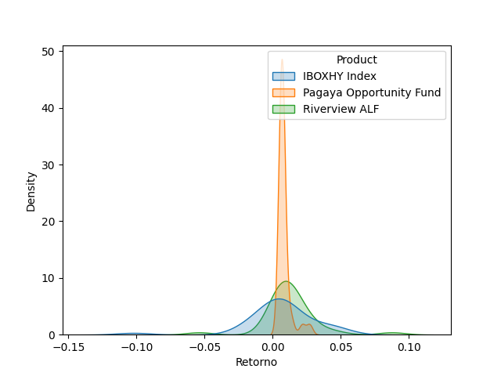
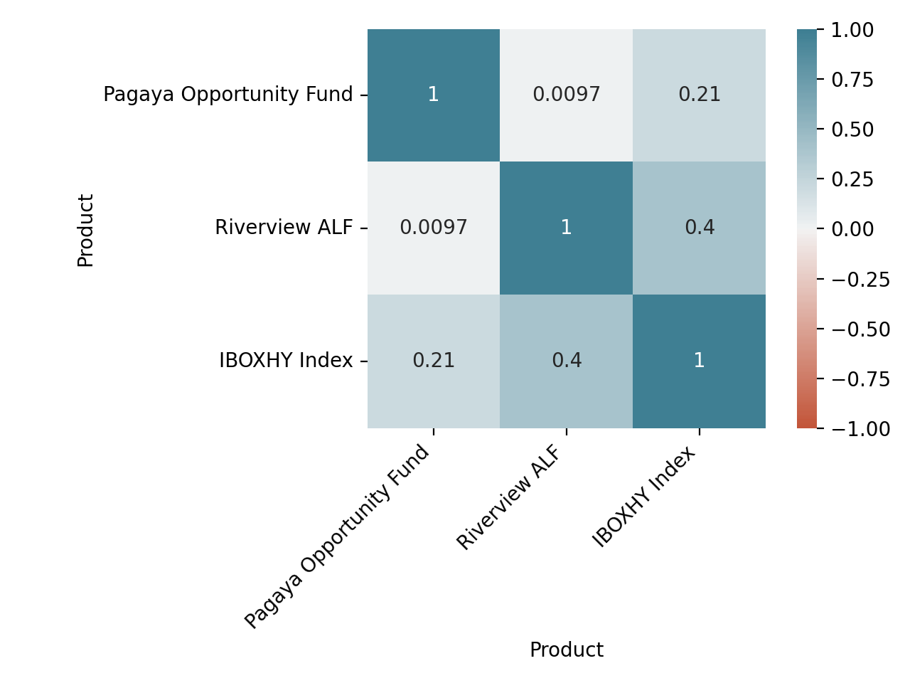
2019 | 0.5% | 0.6% | 0.5% | 1.9% | 0.7% | 1.7% | 0.7% | 0.8% | 0.5% | 1.0% | 0.5% | 0.5% | 10.5% | 12.5%
2020 | 1.0% | -5.4% | 0.1% | 1.3% | 2.7% | 1.5% | 1.4% | 1.1% | 1.6% | 1.5% | 4.6% | 3.7% | 15.7% | 30.2%
2021 | 2.6% | 8.8% | 0.1% | 2.1% | 2.1% | 0.0% | 0.0% | 0.0% | 0.0% | 0.0% | 0.0% | 0.0% | 16.3% | 51.4%
Spread do Retorno
Product | Pagaya Opportunity Fund_spread
Mes | Jan | Feb | Mar | Apr | May | Jun | Jul | Aug | Sep | Oct | Nov | Dec | Retorno YTD | Retorno LTD
Retorno
2018 | 0.0% | 0.0% | 0.0% | 0.0% | 0.0% | 0.0% | 0.0% | 0.0% | 2.3% | 1.3% | 2.8% | -3.9% | 2.4% | 2.4%
2019 | -1.0% | -0.3% | -0.6% | 2.2% | -2.0% | 0.0% | 0.2% | 0.2% | 0.3% | 0.2% | -1.3% | 1.0% | -1.0% | 1.4%
2020 | 2.4% | 12.1% | -0.8% | -2.9% | 2.3% | -3.8% | 0.6% | 1.9% | 0.3% | -2.9% | -0.9% | 0.6% | 8.4% | 9.9%
2021 | 0.7% | 0.2% | -0.4% | 0.3% | -0.5% | 0.0% | 0.0% | 0.0% | 0.0% | 0.0% | 0.0% | 0.0% | 0.3% | 10.3%
Spread do Retorno
Product | Riverview ALF_spread
Mes | Jan | Feb | Mar | Apr | May | Jun | Jul | Aug | Sep | Oct | Nov | Dec | Retorno YTD | Retorno LTD
Retorno
2018 | 0.0% | 0.0% | 0.0% | 0.0% | 0.0% | 0.0% | 0.0% | 0.0% | 1.8% | 1.1% | 2.8% | -4.1% | 1.5% | 1.5%
2019 | -1.1% | -0.4% | -0.8% | 3.3% | -1.8% | 1.1% | 0.2% | 0.5% | 0.1% | 0.6% | -1.4% | 0.9% | 1.3% | 2.8%
2020 | 2.7% | 5.4% | -3.3% | -2.8% | 2.8% | -3.1% | 0.7% | 2.4% | 1.2% | -2.2% | 2.9% | 3.4% | 9.9% | 13.0%
2021 | 2.5% | 8.3% | -0.9% | 1.8% | 0.9% | 0.0% | 0.0% | 0.0% | 0.0% | 0.0% | 0.0% | 0.0% | 13.1% | 27.8%

