vs. spx
Lâmina

Input |  |  |  |  |  |  |  |  |  |  |  |  |  |  |  |  |  |  |  | BENCHMARK
Nome dos fundos | Benchmarks
Retorno do fundo - Retorno do benchmarck
Retorno
 |  | Product | 3G SPECIAL SITUATIONS FUND IV SUB/RED |  |  |  |  |  |  |  |  |  |  |  |  |  | Aug-2016 a Aug-2021 | HPRFIC BZ Equity | KPZETAF BZ Equity | 3G SPECIAL SITUATIONS FUND IV SUB/RED
 |  | Mes | Jan | Feb | Mar | Apr | May | Jun | Jul | Aug | Sep | Oct | Nov | Dec | Retorno YTD | Retorno LTD | Retorno Mensal Máximo | 10380.6% | 10082.5% | 30.2%
 |  | Retorno |  |  |  |  |  |  |  |  |  |  |  |  |  |  | Retorno Mensal Minimo | -99.1% | -99.0% | -24.5%
 |  | 2016 | 0.0% | 0.0% | 0.0% | 0.0% | 0.0% | 0.0% | 0.0% | 0.0% | 0.9% | 0.0% | -2.3% | 0.0% | -1.5% | -1.5% | Média dos Retornos Mensais | 168.8% | 137.4% | -0.7%
 |  | 2017 | 0.0% | 0.0% | 0.0% | 0.0% | -4.3% | 0.0% | 0.0% | -8.4% | 0.0% | 0.0% | 0.0% | 0.0% | -12.3% | -13.6% | Volatilidade Anualizada | 3652.2% | 2872.5% | 28.1%
 |  | 2018 | 0.0 | -0.2 | 0.0 | 0.0 | 0.0 | 0.0 | 0.0 | -0.1 | 0.0 | 0.0 | -0.2 | 0.0 | -0.4 | -0.5 | Meses Negativos | 483.0 | 521.0 | 13.0
 |  | 2019 | 0.0 | 0.0 | -0.2 | 0.0 | 0.0 | 0.0 | 0.0 | -0.1 | 0.0 | 0.0 | 0.2 | 0.0 | -0.2 | -0.6 | Meses Positivos | 723.0 | 685.0 | 46.0
 |  | 2020 | 0.0% | -22.7% | 0.0% | 0.0% | 30.2% | 0.0% | 0.0% | -6.4% | 0.0% | 0.0% | 0.0% | 14.2% | 7.5% | -56.8% | Retorno Total | 97.6% | 89.7% | -47.2%
 |  | 2021 | 0.0% | 14.2% | 0.0% | 0.0% | 0.0% | 3.5% | 0.0% | 0.0% | 0.0% | 0.0% | 0.0% | 0.0% | 18.2% | -48.9% | Retorno Anualizado | 0.7% | 0.6% | -12.2%
Retorno
 |  |  |  |  |  |  |  |  |  |  |  |  |  |  |  |  | Sharpe | 0.0 | 0.0 | -0.4
 | Data incial | Product | HPRFIC BZ Equity |  |  |  |  |  |  |  |  |  |  |  |  |  | Maximo Drawdown | -99.2% | -99.1% | -68.5%
 | Data final | Mes | Jan | Feb | Mar | Apr | May | Jun | Jul | Aug | Sep | Oct | Nov | Dec | Retorno YTD | Retorno LTD
 |  | Retorno |  |  |  |  |  |  |  |  |  |  |  |  |  |  | vs. SPX Index | HPRFIC BZ Equity | KPZETAF BZ Equity
 |  | 2016 | 0.0 | 0.0 | 0.0 | 0.0 | 0.0 | 0.0 | 0.0 | 0.0 | 0.0 | 0.0 | -0.1 | 9.3 | 8.6 | 8.6 | Beta | -5.7 | 0.1
 |  | 2017 | 8.7 | 0.0 | -0.1 | -0.1 | 0.0 | 0.0 | 0.0 | 0.0 | -0.1 | -0.1 | -0.9 | 9.2 | 5.3 | 59.3 | Alpha | 62.8 | 241.3
 |  | 2018 | -1.8% | -2.9% | -90.4% | -4.2% | 0.0% | -9.0% | -9.5% | -10.5% | -10.1% | -91.3% | -12.3% | 1.7% | -99.5% | -72.7% | Tracking Error | 272.1% | 1218.6%
 |  | 2019 | -1.3% | 0.7% | 0.1% | 0.4% | -0.5% | -4.6% | -5.2% | -6.9% | -6.7% | -8.3% | -9.7% | 11.8% | -27.7% | -80.3%
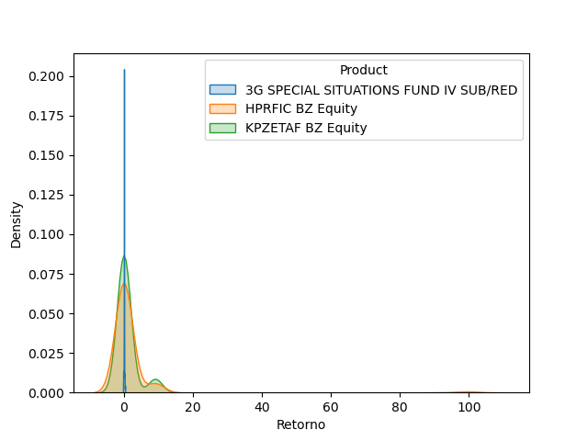
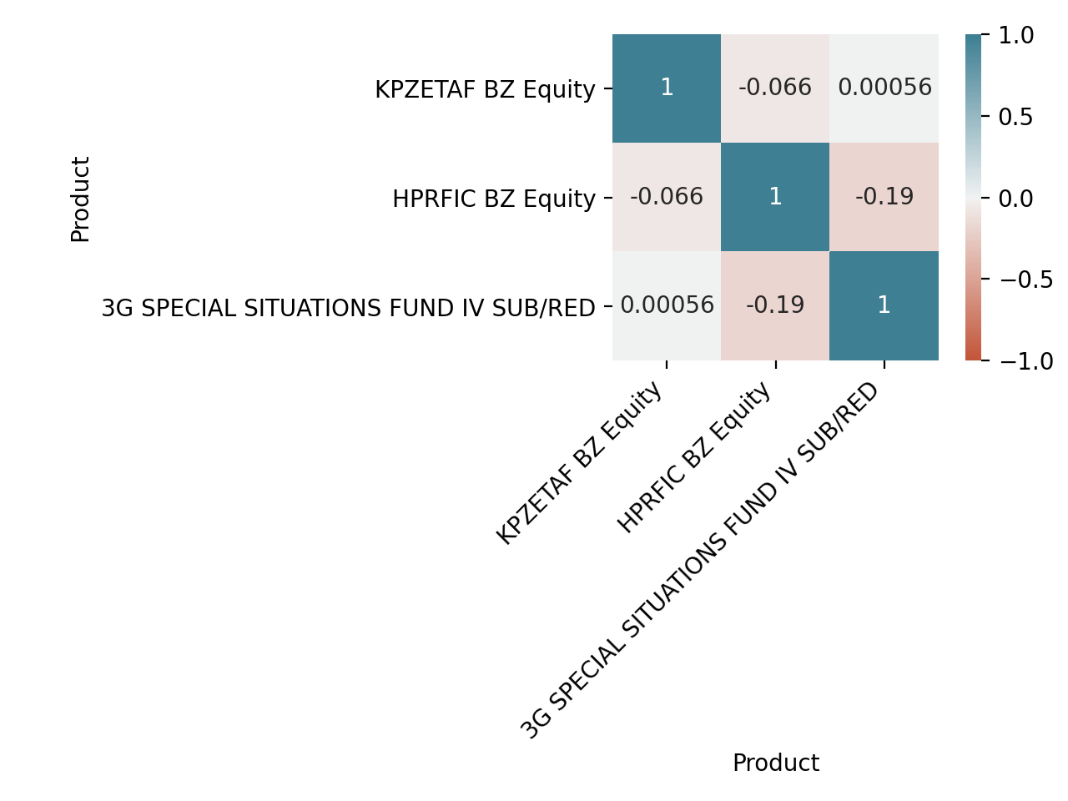
 |  | 2020 | -0.1% | 883.9% | -9.8% | -11.3% | -11.6% | -13.3% | -14.0% | 746.6% | -14.5% | -14.8% | -14.6% | -0.8% | 2607.9% | 434.3%
 |  | 2021 | 0.4% | 0.9% | 0.5% | 0.8% | 0.2% | -1.9% | 0.0% | 0.0% | 0.0% | 0.0% | 0.0% | 0.0% | 1.0% | 439.6%
Retorno
 |  | Product | KPZETAF BZ Equity
 |  | Mes | Jan | Feb | Mar | Apr | May | Jun | Jul | Aug | Sep | Oct | Nov | Dec | Retorno YTD | Retorno LTD
 |  | Retorno
 |  | 2016 | 0.0% | 0.0% | 0.0% | 0.0% | 0.0% | 0.0% | 0.0% | 0.6% | 2.2% | -4.1% | -6.5% | -89.5% | -90.3% | -90.3%
 |  | 2017 | -4.9% | 0.0% | 809.5% | 9107.8% | -5.6% | -2.7% | -6.4% | -13.6% | -17.2% | -16.0% | -14.9% | -89.4% | 3610.4% | 260.3%
 |  | 2018 | -2.7% | -6.1% | -90.9% | -12.0% | 0.0% | -8.4% | -13.2% | -13.1% | -15.3% | -17.5% | 749.3% | -89.6% | -96.9% | -88.7%
 |  | 2019 | -2.8% | -3.5% | -2.7% | -0.1% | -90.0% | -6.1% | -5.0% | -4.4% | -90.6% | -8.9% | -7.2% | -15.0% | -99.5% | -99.9%
 |  | 2020 | 930.1% | 5.4% | 17.1% | 1057.3% | 12.5% | 12.9% | 10.2% | 9.4% | 13.3% | 13.0% | 6.5% | -0.7% | 30404.6% | -81.9%
 |  | 2021 | 2.4% | 3.4% | 902.8% | -1.8% | 0.0% | 864.6% | 0.0% | 0.0% | 0.0% | 0.0% | 0.0% | 0.0% | 9965.9% | 1718.5%
Spread do Retorno
 |  | Product | KPZETAF BZ vs. Benchmark
 |  | Mes | Jan | Feb | Mar | Apr | May | Jun | Jul | Aug | Sep | Oct | Nov | Dec | Retorno YTD | Retorno LTD
 |  | Retorno
 |  | 2016 | 0.0% | 0.0% | 0.0% | 0.0% | 0.0% | 0.0% | 0.0% | 0.6% | 1.3% | -4.1% | -4.3% | -89.5% | -90.1% | -90.1%
 |  | 2017 | -4.9% | 0.0% | 809.5% | 9107.8% | -1.3% | -2.7% | -6.4% | -5.7% | -17.2% | -16.0% | -14.9% | -89.4% | 4132.7% | 317.2%
 |  | 2018 | -2.7% | 13.6% | -90.9% | -12.0% | 0.0% | -10.0% | -13.2% | -3.0% | -15.3% | -17.5% | 962.0% | -89.6% | -94.8% | -78.3%
 |  | 2019 | -2.8% | -3.5% | 28.9% | -0.1% | -89.7% | -6.1% | -5.0% | 6.8% | -90.6% | -8.9% | -21.3% | -15.0% | -99.3% | -99.9%
 |  | 2020 | 930.1% | 36.4% | 17.1% | 1057.3% | -13.6% | 12.9% | 10.2% | 16.9% | 13.3% | 13.0% | 6.5% | -13.0% | 28269.8% | -58.2%
 |  | 2021 | 2.4% | -9.4% | 902.8% | -1.8% | 0.0% | 831.6% | 0.0% | 0.0% | 0.0% | 0.0% | 0.0% | 0.0% | 8412.8% | 3457.5%
Spread do Retorno
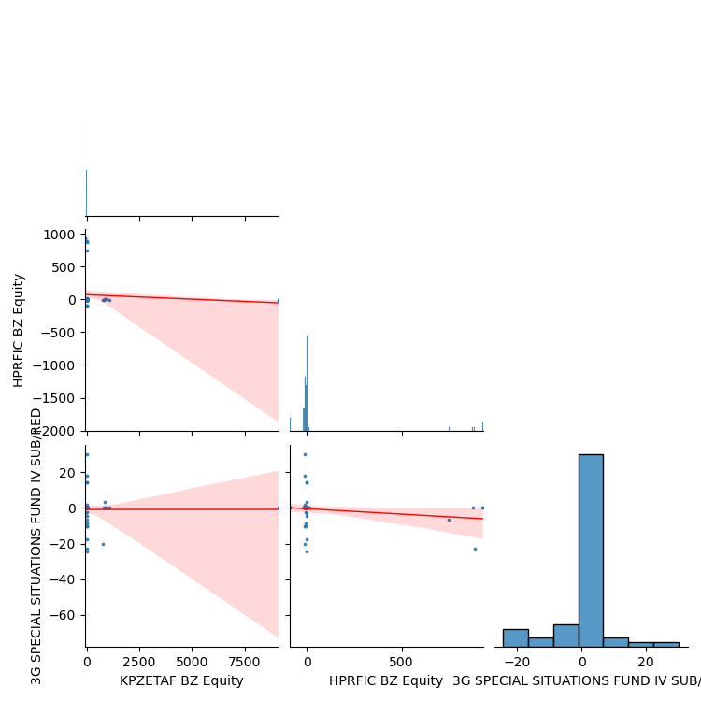
 |  | Product | HPRFIC BZ vs. SPX Index
 |  | Mes | Jan | Feb | Mar | Apr | May | Jun | Jul | Aug | Sep | Oct | Nov | Dec | Retorno YTD | Retorno LTD
 |  | Retorno
 |  | 2016 | 0.0% | 0.0% | 0.0% | 0.0% | 0.0% | 0.0% | 0.0% | 1.1% | 0.4% | -1.7% | -4.8% | 928.6% | 876.6% | 876.6%
 |  | 2017 | 874.4% | 0.0% | -5.8% | -5.9% | 2.6% | 0.0% | -1.2% | 4.1% | -8.4% | -8.5% | -90.9% | 924.1% | 614.6% | 6879.0%
 |  | 2018 | -1.8% | 17.6% | -90.4% | -4.2% | 0.0% | -10.5% | -9.5% | -0.1% | -10.1% | -91.3% | 9.7% | 1.7% | -99.2% | -47.5%
 |  | 2019 | -1.3% | 0.7% | 32.6% | 0.4% | 2.4% | -4.6% | -5.2% | 4.1% | -6.7% | -8.3% | -23.4% | 11.8% | -6.6% | -50.9%
 |  | 2020 | -0.1% | 1173.5% | -9.8% | -11.3% | -32.1% | -13.3% | -14.0% | 804.8% | -14.5% | -14.8% | -14.6% | -13.1% | 2418.4% | 1136.0%
 |  | 2021 | 0.4% | -11.6% | 0.5% | 0.8% | 0.2% | -5.2% | 0.0% | 0.0% | 0.0% | 0.0% | 0.0% | 0.0% | -14.6% | 955.7%

