Sumario
Lâmina

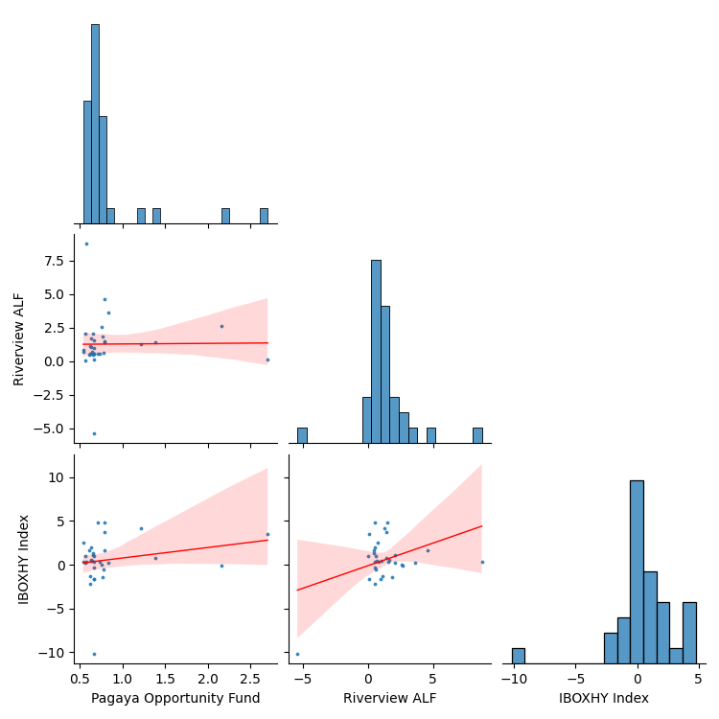
Retorno
 |  |  |  | Product | IBOXHY Index
 |  |  |  | Mes | Jan | Feb | Mar | Apr | May | Jun | Jul | Aug | Sep | Oct | Nov | Dec | Retorno YTD | Retorno LTD
 |  |  |  | Retorno
 |  |  |  | 2018 | 0.0% | 0.0% | 0.0% | 0.0% | 0.0% | 0.0% | 0.0% | 0.0% | -1.6% | -0.5% | -2.2% | 4.8% | 0.4% | 0.4%
 |  |  |  | 2019 | 1.6% | 1.0% | 1.3% | -1.4% | 2.5% | 0.6% | 0.4% | 0.3% | 0.4% | 0.4% | 1.9% | -0.3% | 9.1% | 9.5%
 |  |  |  | 2020 | -1.7% | -10.2% | 3.6% | 4.2% | -0.2% | 4.8% | 0.7% | -1.2% | 0.3% | 3.8% | 1.7% | 0.2% | 5.3% | 15.2%
 |  |  |  | 2021 | 0.1% | 0.4% | 1.0% | 0.2% | 1.1% | 0.0% | 0.0% | 0.0% | 0.0% | 0.0% | 0.0% | 0.0% | 2.8% | 18.4%
Retorno
 |  |  |  | Product | Pagaya Opportunity Fund
 |  |  |  | Mes | Jan | Feb | Mar | Apr | May | Jun | Jul | Aug | Sep | Oct | Nov | Dec | Retorno YTD | Retorno LTD
 |  |  |  | Retorno
 |  |  |  | 2018 | 0.0% | 0.0% | 0.0% | 0.0% | 0.0% | 0.0% | 0.0% | 0.0% | 0.7% | 0.8% | 0.6% | 0.7% | 2.8% | 2.8%
 |  |  |  | 2019 | 0.6% | 0.7% | 0.7% | 0.8% | 0.5% | 0.6% | 0.6% | 0.5% | 0.7% | 0.6% | 0.6% | 0.7% | 8.0% | 11.0%
 |  |  |  | 2020 | 0.7% | 0.7% | 2.7% | 1.2% | 2.2% | 0.8% | 1.4% | 0.6% | 0.7% | 0.8% | 0.8% | 0.8% | 14.1% | 26.6%
 |  |  |  | 2021 | 0.8% | 0.6% | 0.6% | 0.6% | 0.7% | 0.0% | 0.0% | 0.0% | 0.0% | 0.0% | 0.0% | 0.0% | 3.1% | 30.6%
Retorno
 |  |  |  | Product | Riverview ALF
 |  |  |  | Mes | Jan | Feb | Mar | Apr | May | Jun | Jul | Aug | Sep | Oct | Nov | Dec | Retorno YTD | Retorno LTD
 |  |  |  | Retorno
 |  |  |  | 2018 | 0.0% | 0.0% | 0.0% | 0.0% | 0.0% | 0.0% | 0.0% | 0.0% | 0.1% | 0.6% | 0.6% | 0.5% | 1.8% | 1.8%
 |  |  |  | 2019 | 0.5% | 0.6% | 0.5% | 1.9% | 0.7% | 1.7% | 0.7% | 0.8% | 0.5% | 1.0% | 0.5% | 0.5% | 10.5% | 12.5%
 |  |  |  | 2020 | 1.0% | -5.4% | 0.1% | 1.3% | 2.7% | 1.5% | 1.4% | 1.1% | 1.6% | 1.5% | 4.6% | 3.7% | 15.7% | 30.2%
 |  |  |  | 2021 | 2.6% | 8.8% | 0.1% | 2.1% | 2.1% | 0.0% | 0.0% | 0.0% | 0.0% | 0.0% | 0.0% | 0.0% | 16.3% | 51.4%
Spread do Retorno
 |  |  |  | Product | Pagaya Opportunity Fund_spread
 |  |  |  | Mes | Jan | Feb | Mar | Apr | May | Jun | Jul | Aug | Sep | Oct | Nov | Dec | Retorno YTD | Retorno LTD
 |  |  |  | Retorno
 |  |  |  | 2018 | 0.0% | 0.0% | 0.0% | 0.0% | 0.0% | 0.0% | 0.0% | 0.0% | 2.3% | 1.3% | 2.8% | -3.9% | 2.4% | 2.4%
 |  |  |  | 2019 | -1.0% | -0.3% | -0.6% | 2.2% | -2.0% | 0.0% | 0.2% | 0.2% | 0.3% | 0.2% | -1.3% | 1.0% | -1.0% | 1.4%
 |  |  |  | 2020 | 2.4% | 12.1% | -0.8% | -2.9% | 2.3% | -3.8% | 0.6% | 1.9% | 0.3% | -2.9% | -0.9% | 0.6% | 8.4% | 9.9%
 |  |  |  | 2021 | 0.7% | 0.2% | -0.4% | 0.3% | -0.5% | 0.0% | 0.0% | 0.0% | 0.0% | 0.0% | 0.0% | 0.0% | 0.3% | 10.3%
Spread do Retorno
 |  |  |  | Product | Riverview ALF_spread
 |  |  |  | Mes | Jan | Feb | Mar | Apr | May | Jun | Jul | Aug | Sep | Oct | Nov | Dec | Retorno YTD | Retorno LTD
 |  |  |  | Retorno
 |  |  |  | 2018 | 0.0% | 0.0% | 0.0% | 0.0% | 0.0% | 0.0% | 0.0% | 0.0% | 1.8% | 1.1% | 2.8% | -4.1% | 1.5% | 1.5%
 |  |  |  | 2019 | -1.1% | -0.4% | -0.8% | 3.3% | -1.8% | 1.1% | 0.2% | 0.5% | 0.1% | 0.6% | -1.4% | 0.9% | 1.3% | 2.8%
 |  |  |  | 2020 | 2.7% | 5.4% | -3.3% | -2.8% | 2.8% | -3.1% | 0.7% | 2.4% | 1.2% | -2.2% | 2.9% | 3.4% | 9.9% | 13.0%
 |  |  |  | 2021 | 2.5% | 8.3% | -0.9% | 1.8% | 0.9% | 0.0% | 0.0% | 0.0% | 0.0% | 0.0% | 0.0% | 0.0% | 13.1% | 27.8%

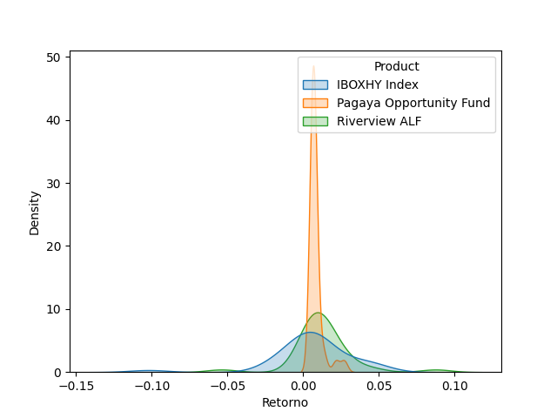
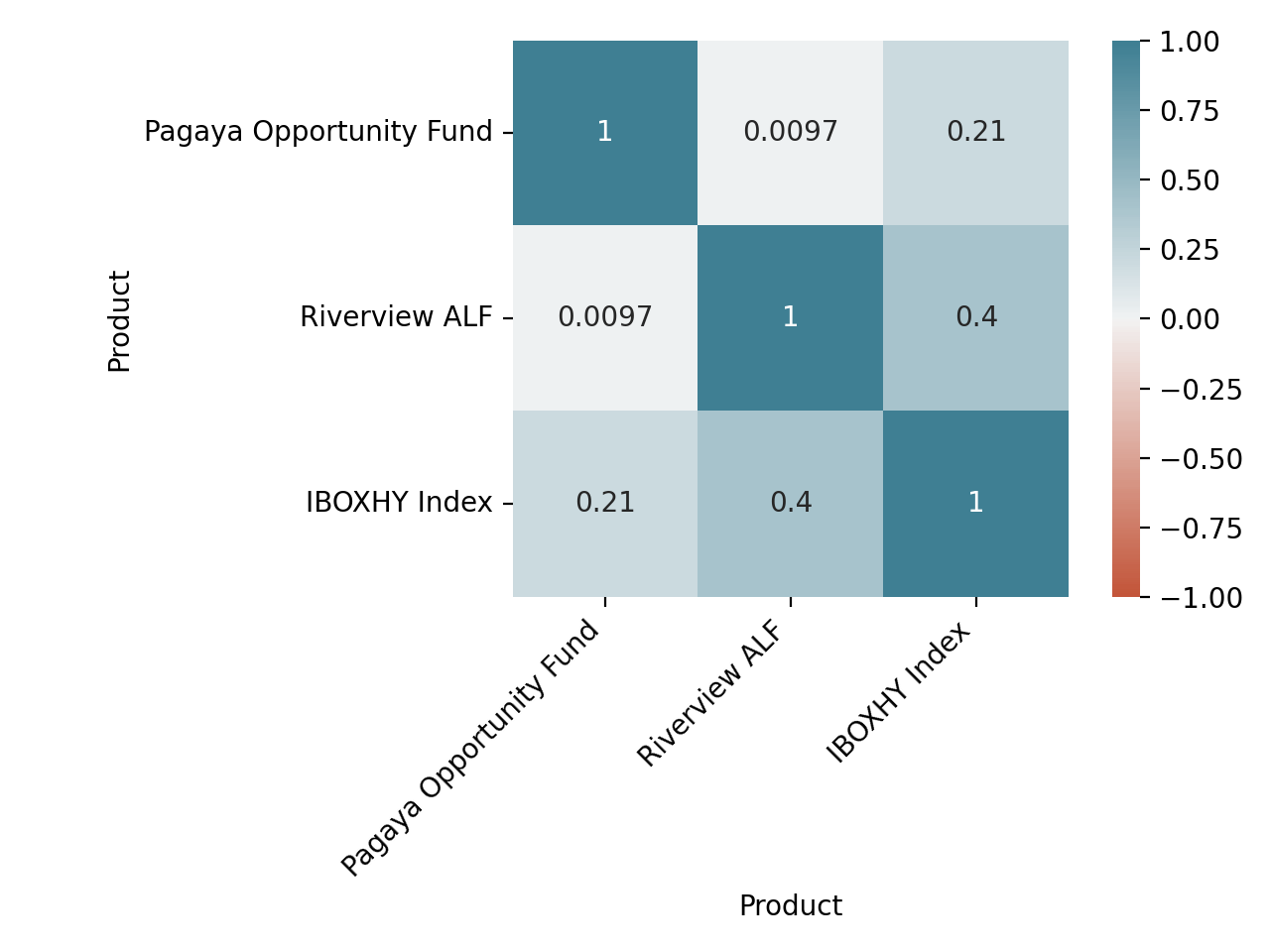

Sep-2018 a Jun-2021 | Pagaya Opportunity Fund | Riverview ALF | IBOXHY Index
Retorno Mensal Máximo | 0.026999950409 | 0.087545871735 | 0.047930836678
Retorno Mensal Minimo | 0.0053999423981 | -0.053937554359 | -0.10214835405
Média dos Retornos Mensais | 0.0081303082407 | 0.012840397656 | 0.0054876585491
Volatilidade Anualizada | 0.015790751204 | 0.070555761456 | 0.091027840972
Meses Negativos | 0 | 1 | 9
Meses Positivos | 33 | 32 | 24
Retorno Total | 0.30589818954 | 0.51377499104 | 0.18446874619
Retorno Anualizado | 0.10191690177 | 0.16272455454 | 0.063495986164
Sharpe | 6.4542150497 | 2.3063254356 | 0.69754469395
Maximo Drawdown | 0 | -0.053937554359 | -0.1199490428
Período do DrawDown | 02-2020 a 03-2020 | 12-2019 a 03-2020

 | Pagaya Opportunity Fund | Riverview ALF
Beta | 0.036072481424 | 0.31050634384
Alpha | 0.79323548079 | 1.1136444807
Tracking Error | 0.026692518964 | 0.025547798723

