Benchmark1
Descritivas Gerais

Retorno
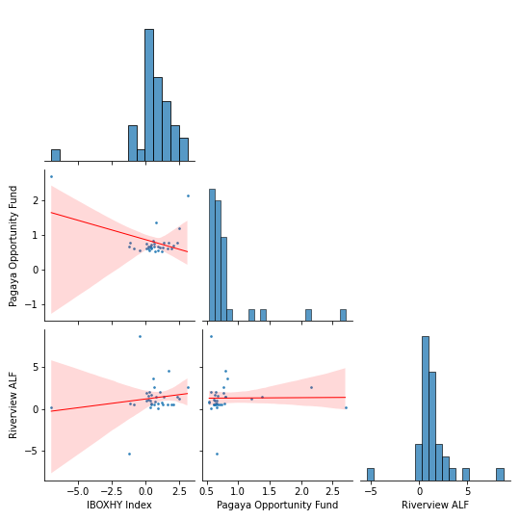
 |  |  |  | Product | IBOXHY Index
 |  |  |  | Mes | Jan | Feb | Mar | Apr | May | Jun | Jul | Aug | Sep | Oct | Nov | Dec | Retorno YTD | Retorno LTD
 |  |  |  | Retorno
 |  |  |  | 2018 | 0.0% | 0.0% | 0.0% | 0.0% | 0.0% | 0.0% | 0.0% | 0.0% | 0.3% | -1.1% | -0.8% | 2.0% | 0.4% | 0.4%
 |  |  |  | 2019 | 1.6% | 1.0% | 1.3% | 0.0% | 1.2% | 0.4% | 0.4% | 0.7% | 0.4% | 0.1% | 1.9% | 0.6% | 10.1% | 10.5%
 |  |  |  | 2020 | 0.4% | -1.2% | -7.0% | 2.5% | 3.1% | 1.4% | 0.7% | 0.2% | 0.2% | 2.4% | 1.7% | 0.6% | 4.6% | 15.6%
 |  |  |  | 2021 | 0.6% | -0.5% | 0.9% | 0.3% | 1.1% | 0.0% | 0.0% | 0.0% | 0.0% | 0.0% | 0.0% | 0.0% | 2.5% | 18.4%
Retorno
 |  |  |  | Product | Pagaya Opportunity Fund
 |  |  |  | Mes | Jan | Feb | Mar | Apr | May | Jun | Jul | Aug | Sep | Oct | Nov | Dec | Retorno YTD | Retorno LTD
 |  |  |  | Retorno
 |  |  |  | 2018 | 0.0% | 0.0% | 0.0% | 0.0% | 0.0% | 0.0% | 0.0% | 0.0% | 0.7% | 0.8% | 0.6% | 0.7% | 2.8% | 2.8%
 |  |  |  | 2019 | 0.6% | 0.7% | 0.6% | 0.8% | 0.5% | 0.6% | 0.6% | 0.5% | 0.7% | 0.6% | 0.6% | 0.7% | 8.0% | 11.0%
 |  |  |  | 2020 | 0.7% | 0.7% | 2.7% | 1.2% | 2.2% | 0.8% | 1.4% | 0.6% | 0.7% | 0.8% | 0.8% | 0.8% | 14.1% | 26.6%
 |  |  |  | 2021 | 0.8% | 0.6% | 0.6% | 0.6% | 0.6% | 0.0% | 0.0% | 0.0% | 0.0% | 0.0% | 0.0% | 0.0% | 3.1% | 30.6%
Retorno
 |  |  |  | Product | Riverview ALF
 |  |  |  | Mes | Jan | Feb | Mar | Apr | May | Jun | Jul | Aug | Sep | Oct | Nov | Dec | Retorno YTD | Retorno LTD
 |  |  |  | Retorno
 |  |  |  | 2018 | 0.0% | 0.0% | 0.0% | 0.0% | 0.0% | 0.0% | 0.0% | 0.0% | 0.1% | 0.6% | 0.6% | 0.5% | 1.8% | 1.8%
 |  |  |  | 2019 | 0.5% | 0.6% | 0.5% | 1.9% | 0.7% | 1.7% | 0.7% | 0.8% | 0.5% | 1.0% | 0.5% | 0.5% | 10.5% | 12.5%
 |  |  |  | 2020 | 1.0% | -5.4% | 0.1% | 1.3% | 2.7% | 1.5% | 1.4% | 1.1% | 1.6% | 1.5% | 4.6% | 3.7% | 15.7% | 30.1%
 |  |  |  | 2021 | 2.6% | 8.8% | 0.1% | 2.1% | 2.1% | 0.0% | 0.0% | 0.0% | 0.0% | 0.0% | 0.0% | 0.0% | 16.3% | 51.4%
Spread do Retorno
 |  |  |  | Product | Pagaya Opportunity Fund_spread
 |  |  |  | Mes | Jan | Feb | Mar | Apr | May | Jun | Jul | Aug | Sep | Oct | Nov | Dec | Retorno YTD | Retorno LTD
 |  |  |  | Retorno
 |  |  |  | 2018 | 0.0% | 0.0% | 0.0% | 0.0% | 0.0% | 0.0% | 0.0% | 0.0% | 0.3% | 1.9% | 1.5% | -1.3% | 2.4% | 2.4%
 |  |  |  | 2019 | -1.0% | -0.3% | -0.6% | 0.7% | -0.7% | 0.2% | 0.2% | -0.1% | 0.3% | 0.6% | -1.3% | 0.1% | -1.9% | 0.5%
 |  |  |  | 2020 | 0.3% | 1.9% | 10.4% | -1.3% | -0.9% | -0.6% | 0.6% | 0.4% | 0.5% | -1.6% | -0.9% | 0.3% | 9.0% | 9.5%
 |  |  |  | 2021 | 0.1% | 1.0% | -0.4% | 0.3% | -0.4% | 0.0% | 0.0% | 0.0% | 0.0% | 0.0% | 0.0% | 0.0% | 0.7% | 10.3%
Spread do Retorno
 |  |  |  | Product | Riverview ALF_spread
 |  |  |  | Mes | Jan | Feb | Mar | Apr | May | Jun | Jul | Aug | Sep | Oct | Nov | Dec | Retorno YTD | Retorno LTD
 |  |  |  | Retorno
 |  |  |  | 2018 | 0.0% | 0.0% | 0.0% | 0.0% | 0.0% | 0.0% | 0.0% | 0.0% | -0.2% | 1.8% | 1.4% | -1.5% | 1.5% | 1.5%
 |  |  |  | 2019 | -1.1% | -0.4% | -0.8% | 1.8% | -0.5% | 1.3% | 0.2% | 0.2% | 0.1% | 1.0% | -1.4% | -0.1% | 0.4% | 1.8%
 |  |  |  | 2020 | 0.6% | -4.2% | 7.7% | -1.2% | -0.4% | 0.1% | 0.7% | 0.9% | 1.4% | -0.9% | 2.9% | 3.1% | 10.6% | 12.6%
 |  |  |  | 2021 | 2.0% | 9.3% | -0.9% | 1.8% | 1.0% | 0.0% | 0.0% | 0.0% | 0.0% | 0.0% | 0.0% | 0.0% | 13.5% | 27.8%

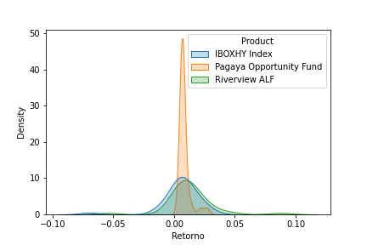
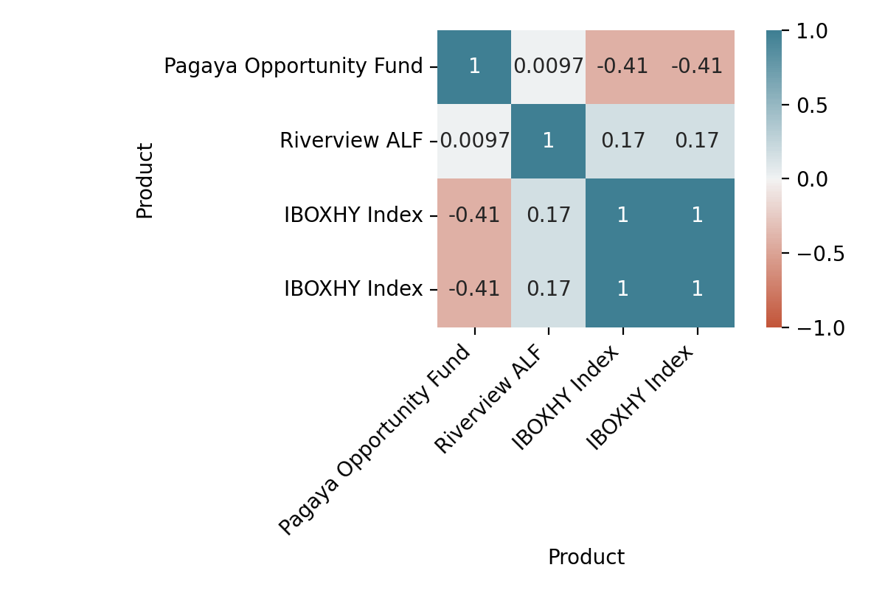
Sep-2018 a Jun-2021 | IBOXHY Index | Pagaya Opportunity Fund | Riverview ALF
Retorno Mensal Máximo | 0.0311 | 0.027 | 0.0875
Retorno Mensal Minimo | -0.0699 | 0.0054 | -0.0539
Média dos Retornos Mensais | 0.0053 | 0.0081 | 0.0128
Volatilidade Anualizada | 0.0579 | 0.0158 | 0.0706
Meses Negativos | 5 | 0 | 1
Meses Positivos | 28 | 33 | 32
Retorno Total | 0.1845 | 0.3059 | 0.5138
Retorno Anualizado | 0.0635 | 0.1019 | 0.1627
Sharpe | 1.0973 | 6.4542 | 2.3063
Maximo Drawdown | -0.0814 | 0 | -0.0539
Período do DrawDown |  | 02-2020 a 03-2020 | 02-2020 a 04-2020

 | Pagaya Opportunity Fund | Riverview ALF
Beta | -0.1115 | 0.2087
Alpha | 0.872 | 1.1738
Tracking Error | 0.0198 | 0.0241

Correlacoes
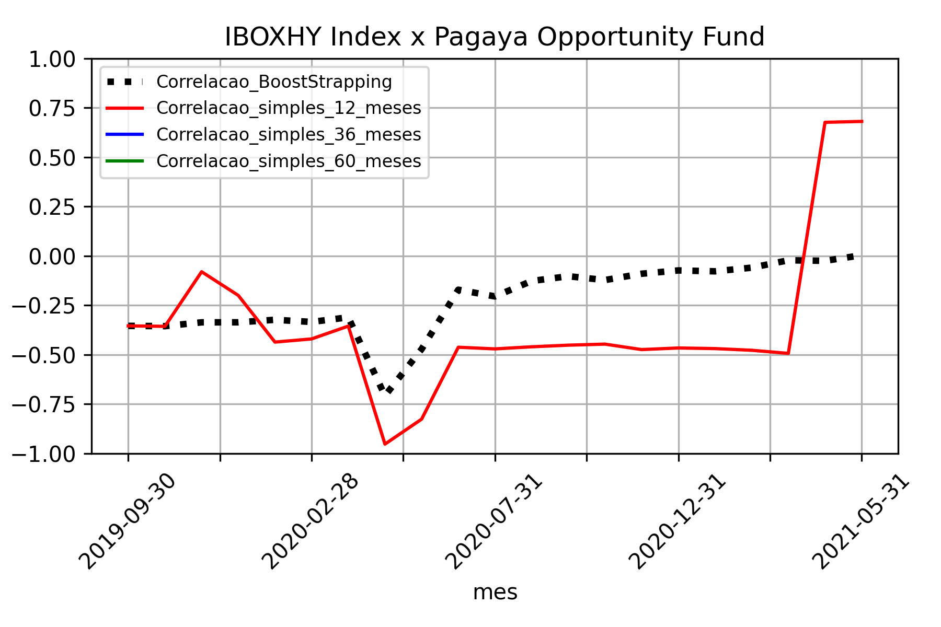
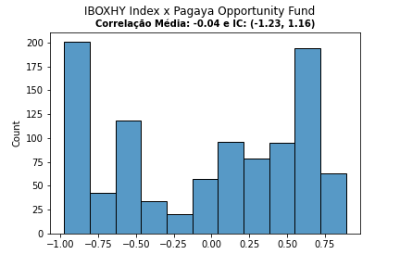

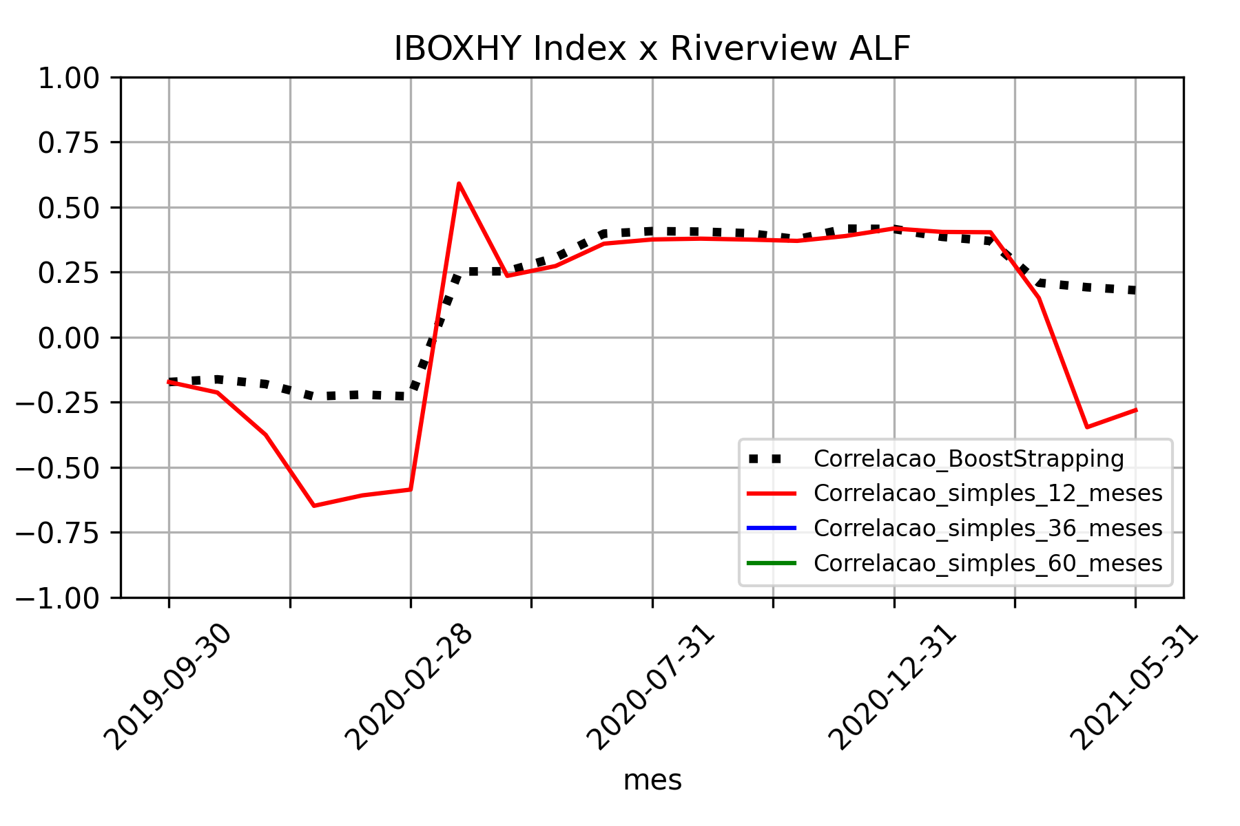
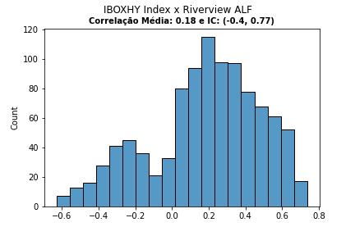

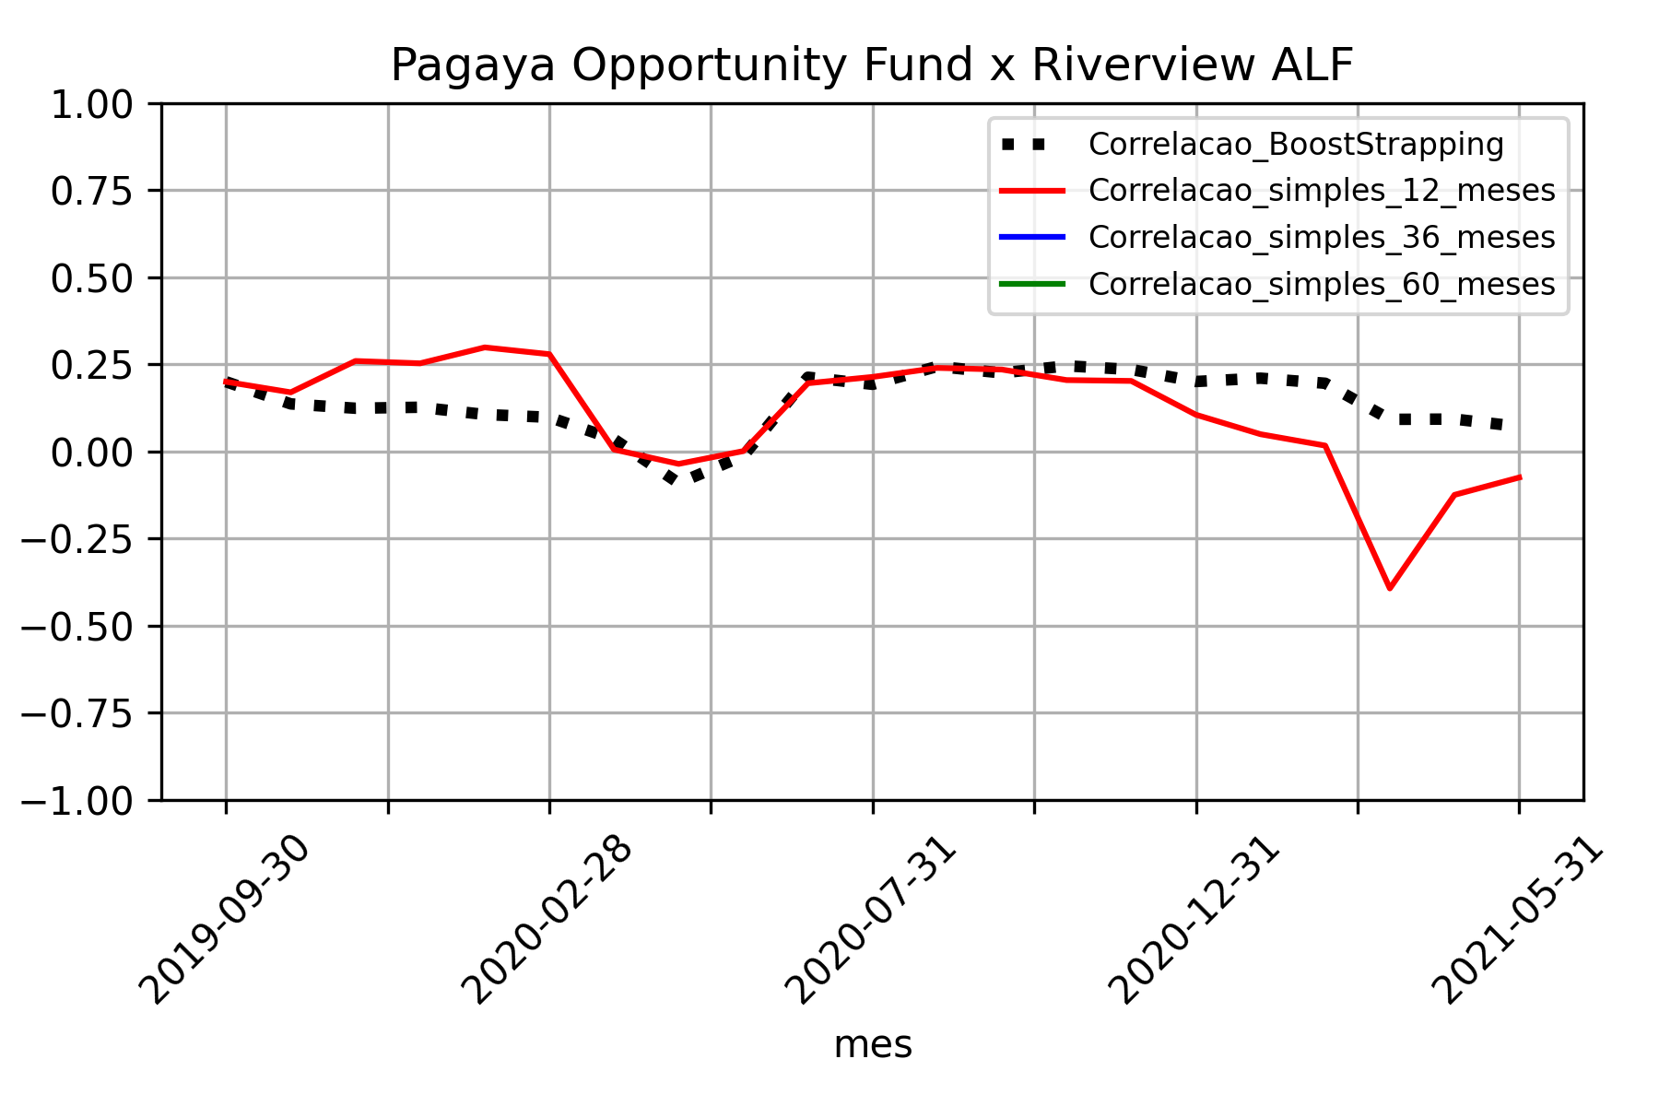
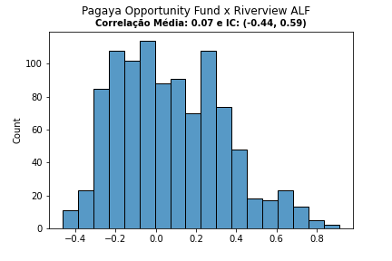

Volatilidade
