Sheet1
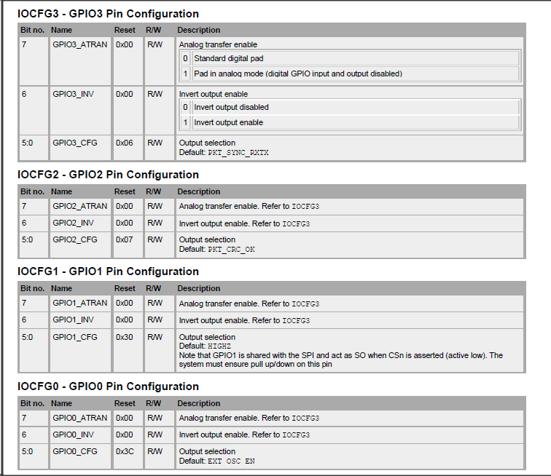
SmartStudio Packet TX | SmartStudio Packet RX | Manual Config | default | value | notes
static const registerSetting_t preferredSettings[]= | static const registerSetting_t preferredSettings[]= | static const registerSetting_t preferredSettings[]=
{ | { | {
{CC1120_IOCFG3, 0xB0}, | {CC1120_IOCFG3, 0xB0}, | {CC112X_IOCFG3, 0xB0}, | 0x06 | GPIO3_ATRAN=01,GPIO3_INV=00,GPIO3_CFG=30 | GPIOx_CFG=48 / HIGHZ
{CC1120_IOCFG2, 0x06}, | {CC1120_IOCFG2, 0x06}, | {CC112X_IOCFG2, 0x00}, | 0x07 | GPIO2_ATRAN=00,GPIO2_INV=00,GPIO2_CFG=06 | GPIOx_CFG=00 / RXFIFO_THR
{CC1120_IOCFG1, 0xB0}, | {CC1120_IOCFG1, 0xB0}, | {CC112X_IOCFG1, 0xB0}, | 0x30 | GPIO1_ATRAN=01,GPIO1_INV=00,GPIO1_CFG=30 | GPIOx_CFG=48 / HIGHZ
{CC1120_IOCFG0, 0x40}, | {CC1120_IOCFG0, 0x40}, | {CC112X_IOCFG0, 0x06}, | 0x3C | GPIO0_ATRAN=00,GPIO0_INV=01,GPIO0_CFG=00 | GPIOx_CFG=06 / PKT_SYNC_RXTX
{CC1120_SYNC_CFG1, 0x0B}, | {CC1120_SYNC_CFG1, 0x0B}, | {CC112X_SYNC_CFG1, 0x0B},
{CC1120_DCFILT_CFG, 0x1C}, | {CC1120_DCFILT_CFG, 0x1C}, | {CC112X_DCFILT_CFG, 0x1C},
{CC1120_PREAMBLE_CFG1, 0x18}, | {CC1120_PREAMBLE_CFG1, 0x18}, | {CC112X_PREAMBLE_CFG1, 0x18},
{CC1120_IQIC, 0xC6}, | {CC1120_IQIC, 0xC6}, | {CC112X_IQIC, 0xC6},
{CC1120_CHAN_BW, 0x08}, | {CC1120_CHAN_BW, 0x08}, | {CC112X_CHAN_BW, 0x08},
{CC1120_MDMCFG0, 0x05}, | {CC1120_MDMCFG0, 0x05}, | {CC112X_MDMCFG0, 0x05},
{CC1120_AGC_REF, 0x20}, | {CC1120_AGC_REF, 0x20}, | {CC112X_AGC_REF, 0x20},
{CC1120_AGC_CS_THR, 0x19}, | {CC1120_AGC_CS_THR, 0x19}, | {CC112X_AGC_CS_THR, 0x19},
{CC1120_AGC_CFG1, 0xA9}, | {CC1120_AGC_CFG1, 0xA9}, | {CC112X_AGC_CFG1, 0xA9},
{CC1120_AGC_CFG0, 0xCF}, | {CC1120_AGC_CFG0, 0xCF}, | {CC112X_AGC_CFG0, 0xCF},
{CC1120_FIFO_CFG, 0x00}, | {CC1120_FIFO_CFG, 0x00}, | {CC112X_FIFO_CFG, 0x00}, | 0x80 | CRC_AUTOFLUSH=00,FIFO_THR=00
 |  | {CC112X_DEV_ADDR, 0x00}, | 0x00 |  | Address used for packet filtering in RX
{CC1120_SETTLING_CFG, 0x03}, | {CC1120_SETTLING_CFG, 0x03}, | {CC112X_SETTLING_CFG, 0x0B}, | 0x0B |  | SmartStudio setting > FS_AUTOCAL=00
{CC1120_FS_CFG, 0x14}, | {CC1120_FS_CFG, 0x14}, | {CC112X_FS_CFG, 0x14},
 |  | {CC112X_PKT_CFG2, 0x04}, | 0x04 | CCA_MODE=01 | Clear Channel Ind when RSSI below threshold
 |  | {CC112X_PKT_CFG1, 0x05}, | 0x05 | CRC_CFG=01, APPEND_STATUS=01 | No address check, CRC calc active, append STATUS bytes x2 after DATA to RX FIFO status byte 1 = RSSI[7:0] status byte 2 = CRF[7],LQI[6:0]
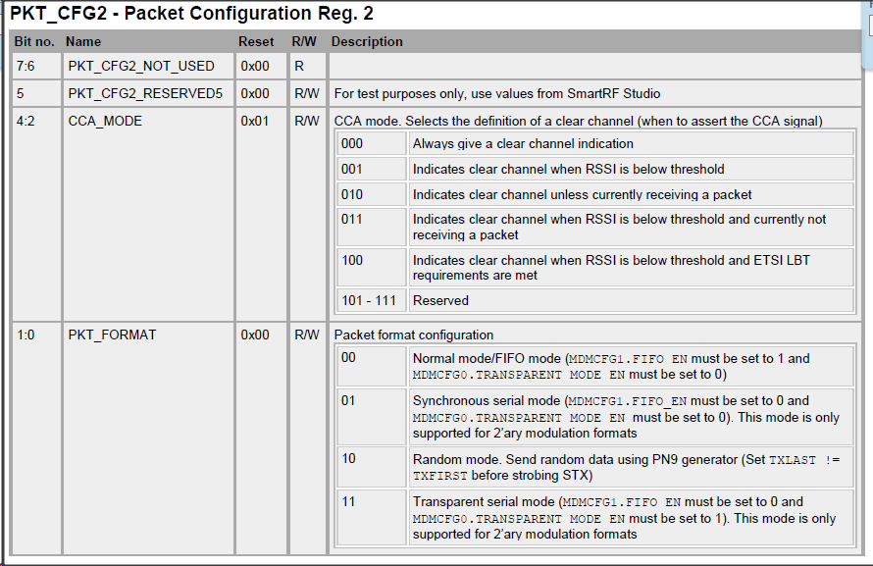
{CC1120_PKT_CFG0, 0x20}, | {CC1120_PKT_CFG0, 0x20}, | {CC112X_PKT_CFG0, 0x20}, | 0x00 | LENGTH_CONFIG=01 | Variable packet length mode Packet length configured by the first byte received after sync word
{CC1120_PKT_LEN, 0xFF}, | {CC1120_PKT_LEN, 0xFF}, | {CC112X_PKT_LEN, 0xFF}, | 0x03 | PACKET_LENGTH=FF (255 bytes) | In fixed length mode this field indicates the packet length, (0 indicates 256 bytes). In variable length packet mode, this value indicates the maximum allowed length packets
 |  | {CC112X_PA_CFG2, 0x74}, | 0x7F | PA_POWER_RAMP=34 | PA power 10dBm (default 15dBm)
{CC1120_IF_MIX_CFG, 0x00}, | {CC1120_IF_MIX_CFG, 0x00}, | {CC112X_IF_MIX_CFG, 0x00},
{CC1120_FREQOFF_CFG, 0x22}, | {CC1120_FREQOFF_CFG, 0x22}, | {CC112X_FREQOFF_CFG, 0x22},
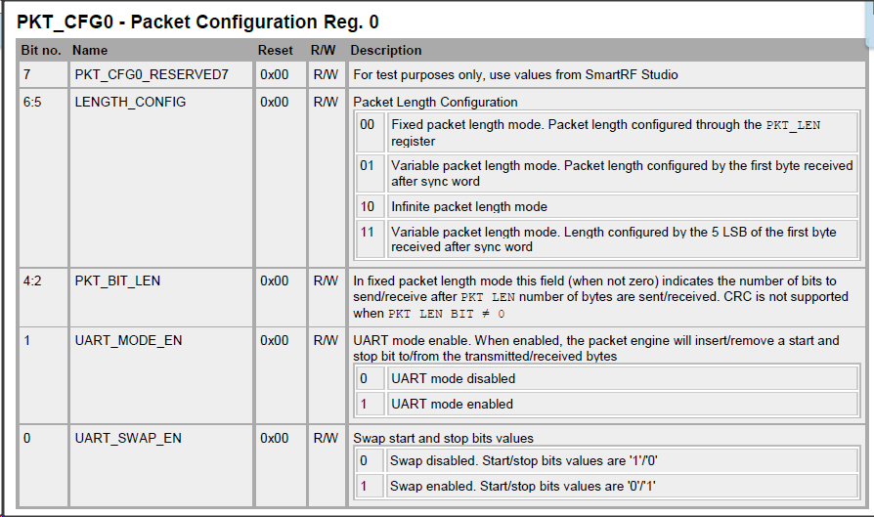
{CC1120_FREQ2, 0x6C}, | {CC1120_FREQ2, 0x6C}, | {CC112X_FREQ2, 0x6C},
{CC1120_FREQ1, 0x80}, | {CC1120_FREQ1, 0x80}, | {CC112X_FREQ1, 0x80},
{CC1120_FS_DIG1, 0x00}, | {CC1120_FS_DIG1, 0x00}, | {CC112X_FS_DIG1, 0x00},
{CC1120_FS_DIG0, 0x5F}, | {CC1120_FS_DIG0, 0x5F}, | {CC112X_FS_DIG0, 0x5F},
{CC1120_FS_CAL1, 0x40}, | {CC1120_FS_CAL1, 0x40}, | {CC112X_FS_CAL1, 0x40},
{CC1120_FS_CAL0, 0x0E}, | {CC1120_FS_CAL0, 0x0E}, | {CC112X_FS_CAL0, 0x0E},
{CC1120_FS_DIVTWO, 0x03}, | {CC1120_FS_DIVTWO, 0x03}, | {CC112X_FS_DIVTWO, 0x03},
{CC1120_FS_DSM0, 0x33}, | {CC1120_FS_DSM0, 0x33}, | {CC112X_FS_DSM0, 0x33},
{CC1120_FS_DVC0, 0x17}, | {CC1120_FS_DVC0, 0x17}, | {CC112X_FS_DVC0, 0x17},
{CC1120_FS_PFD, 0x50}, | {CC1120_FS_PFD, 0x50}, | {CC112X_FS_PFD, 0x50},
{CC1120_FS_PRE, 0x6E}, | {CC1120_FS_PRE, 0x6E}, | {CC112X_FS_PRE, 0x6E},
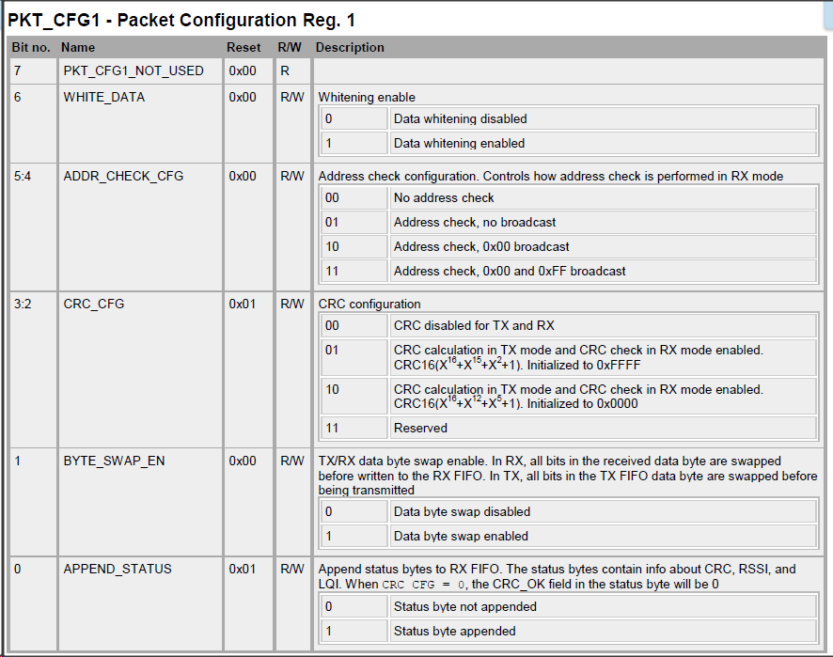
{CC1120_FS_REG_DIV_CML, 0x14}, | {CC1120_FS_REG_DIV_CML, 0x14}, | {CC112X_FS_REG_DIV_CML, 0x14},
{CC1120_FS_SPARE, 0xAC}, | {CC1120_FS_SPARE, 0xAC}, | {CC112X_FS_SPARE, 0xAC},
{CC1120_FS_VCO0, 0xB4}, | {CC1120_FS_VCO0, 0xB4}, | {CC112X_FS_VCO0, 0xB4},
{CC1120_XOSC5, 0x0E}, | {CC1120_XOSC5, 0x0E}, | {CC112X_XOSC5, 0x0E},
{CC1120_XOSC1, 0x03}, | {CC1120_XOSC1, 0x03}, | {CC112X_XOSC1, 0x03},
{CC1120_PARTNUMBER, 0x48}, | {CC1120_PARTNUMBER, 0x48}, | };
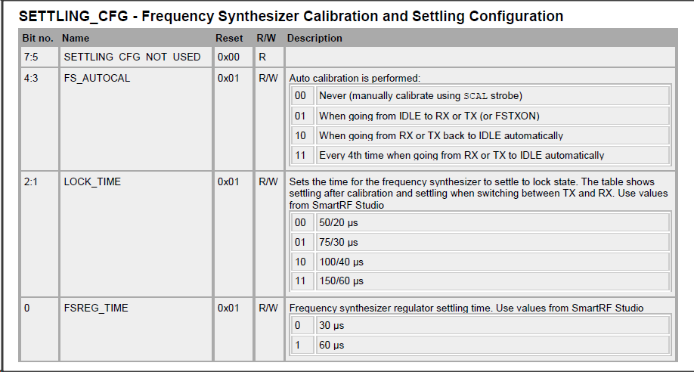
{CC1120_PARTVERSION, 0x21}, | {CC1120_PARTVERSION, 0x21},
{CC1120_MODEM_STATUS1, 0x10}, | {CC1120_MODEM_STATUS1, 0x10},
}; | };

 |  | // RX filter BW = 25.000000
 |  | // Address config = No address filtering
 |  | // Device address filtering = 0
 |  | // Packet length = 255 (fixed mode only)
 |  | // Packet length mode = Variable
 |  | // Packet length configured by the 1st byte received after sync word
 |  | // Symbol rate = 1.2
 |  | // PA ramping = true
 |  | // Performance mode = High Performance
 |  | // Carrier frequency = 434.000000
 |  | // Bit rate = 1.200 kbps
 |  | // Whitening = false
 |  | // Manchester enable = false
 |  | // Modulation format = 2-FSK
 |  | // TX power = 10dBm
 |  | // Deviation = 3.997803
 |  | // GPIO3 = HiZ
 |  | // GPIO2 = RXFIFO_THR active high
 |  | // GPIO1 = HiZ
 |  | // GPIO0 = PKT_SYNC_RXTX active high
 |  | // Status bytes appended after DATA to RX FIFO
 |  | // Status byte 1 = RSSI[7:0]
 |  | // Status byte 2 = CRF[7],LQI[6:0]

