Calculations
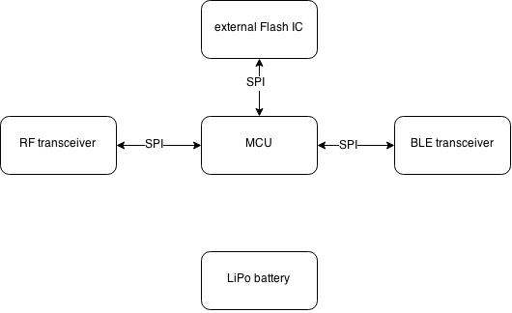
RF amplifier
TX power | 33.01 | dBm | 2.00 | W | MURS limit
transceiver power | 16.00 | dBm | 0.04 | W | CC1120
PA gain | 17.01 | dB | 50.24

Message
Character length | 8 | bits | Unicode UTF-8
Nb characters | 160 |  | Gotenna limit
Message size | 1280 | bits

Channel capacity w/ gaussian white noise |  | >> RF electronics B.Hagen
Bandwidth | 25,000.00 | Hz
signal | -90.00 | dBm | 1.00E-12 | W
receiver input noise | -123.00 | dBm | 5.01E-16 | W
max rate (Shannon–Hartley) | 274,077.14 | bit/sec

Antenna
frequency | 433 | MHz
lambda/4 | 17.32 | cm
lambda/4 on FR4 | 10.05 | cm

RF range | >> RF basics msp430 advanced conf 2006 TI
Tx power | 10 | dBm
Rx power | -123 | dBm | CC1120 sensitvity @1.2kbps
Link budget | 133 | dB
Tx antenna gain | 3 | dBi
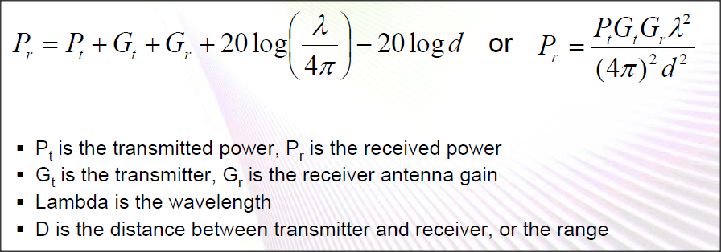
Rx antenna gain | 3 | dBi
frequency | 433 | MHz
free space range (Friis eq.) | 491.39 | km | Rule of Thumb
Tx Antenna height | 2 | m
Rx antenna height | 2 | m
LOS range | 10.09 | km | Sub-GHZ = LOS propagation only

CC1120 packet
bit rate | 1200 | bit/s
preamble word (4 byte) | 32 | bit | 26.67 | ms
sync word (2 byte) | 16 | bit | 13.33 | ms
PKT_SYNC_RXTX assert |  |  | 40.00 | ms
data payload | 512 | bit | 426.67 | ms
PKT_SYNC_RXTX deassert |  |  | 466.67 | ms

CC1120 Rx filter BW | >> http://processors.wiki.ti.com/index.php/Category:Sub-1GHz
bit rate | 1.2 | kbps
symbol per bit | 1 |  | 2GFSK=1, 4GFSK=2
symbol rate | 1.2 | ksps
frequency deviation max | 3.99 | kHz
GFSK OBW (Occupied BW) | 9.18 | kHz | Carson's bw rule
XTAL tolerance (TCXO preferred) | 5 | ppm | FB2PLL on
frequency RF | 433 | MHz
RX filter BW min | 17.84 | kHz

Launchpad

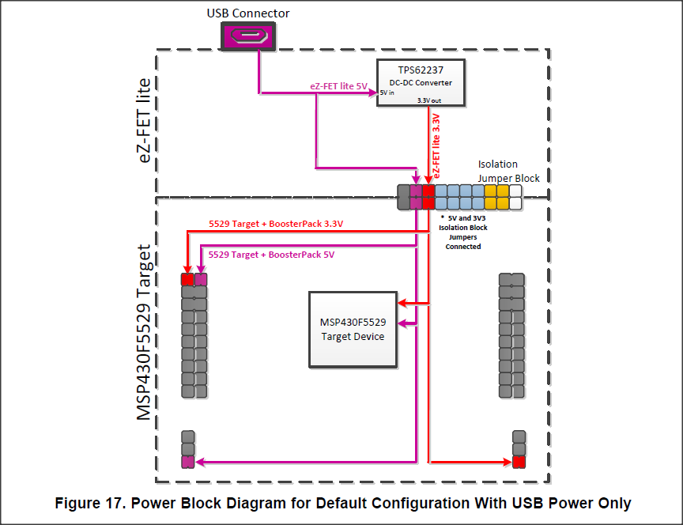
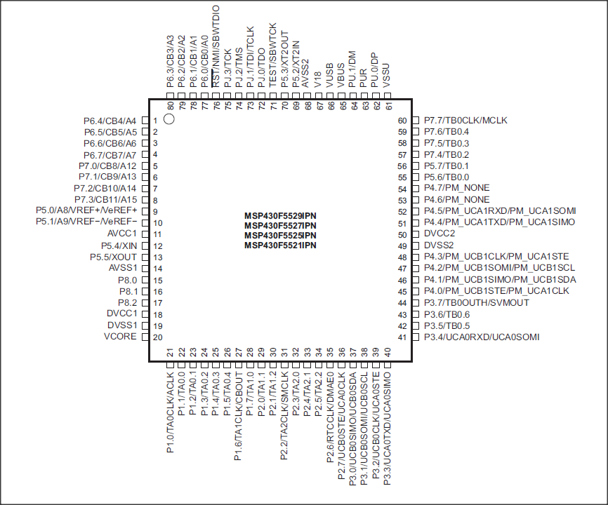
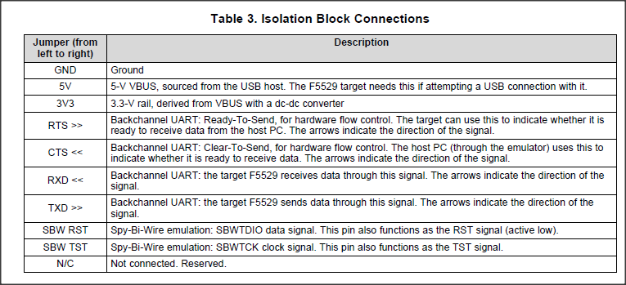
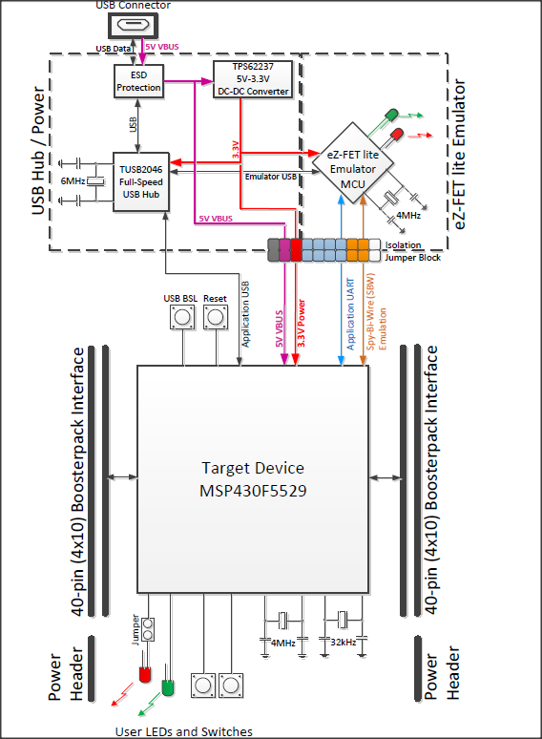
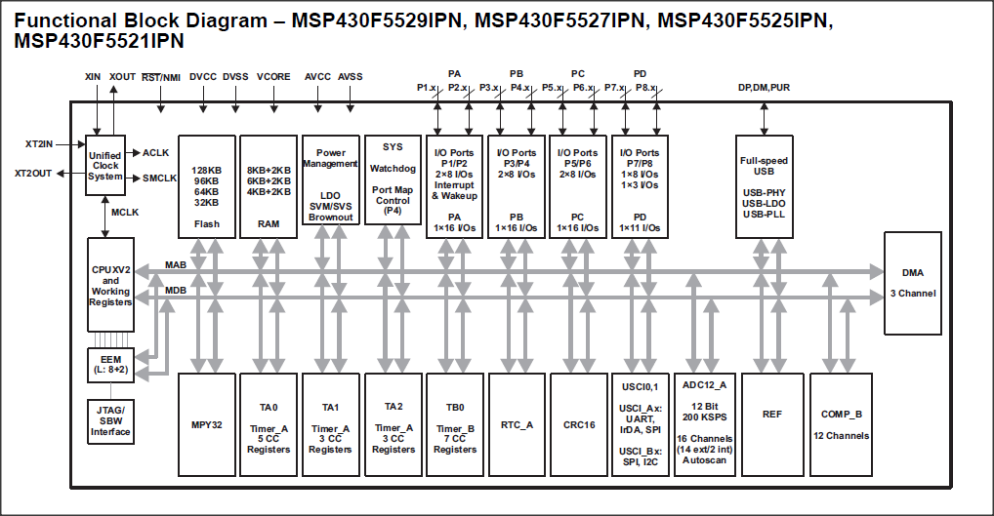
Launchpad F5529
pin | name | function | pin | name | function
1 | +3.3V | 3.3V power output | 20 | GND
2 | P6.5/CB5/A5 | GPIO/COMPB_IN/ADC | 19 | P2.0/TA1.1 | GPIO+INT/TA1_TIMER_CCR1
3 | P3.4/UCA0RXD/UCA0SOMI | GPIO/A0_UART_RX/A0_SPI_MISO | 18 | P2.2/TA2CLK/SMCLK | GPIO+INT/TA2_TIMER_CLK/SubMain CLK
4 | P3.3/UCA0TXD/UCA0SIMO | GPIO/A0_UART_TX/A0_SPI_MOSI | 17 | P7.4/TB0.2 | GPIO/TB0_TIMER_CCR2
5 | P1.6/TA1CLK/CBOUT(!) | GPIO+INT/TA1_TIMER_CLK /COMPB_OUT | 16 | RST/SBWTDIO | RESET_IN/SPIbyWIRE data
6 | P6.6/CB6/A6 | GPIO/COMPB_IN/ADC | 15 | P3.0/UCB0SIMO/UCB0SDA | GPIO/B0_SPI_MOSI/B0_I2C_SDA
7 | P3.2/UCB0CLK/UCA0STE | GPIO/B0_SPI_SCLK/A0_SPI_CS | 14 | P3.1/UCB0SOMI/UCB0SCL | GPIO/B0_SPI_MISO/B0_I2C_SCL
8 | P2.7/UCB0STE/UCA0CLK | GPIO+INT/B0_SPI_CS/A0_SPI_SCLK | 13 | P2.6/RTCCLK/DMAE0 | GPIO+INT/RTC_CLK_OUT/DMA_TRIG
9 | P4.2/PM_UCB1SOMI/PM_UCB1SCL | GPIO/B1_SPI_MISO/B1_I2C_SCL | 12 | P2.3/TA2.0 | GPIO+INT/TA2_TIMER_CCR0
10 | P4.1/PM_UCB1SIMO/PM_UCB1SDA | GPIO/B1_SPI_MOSI/B1_I2C_SDA | 11 | P8.1 | GPIO

 | P2.1 | button S1 connected to GND |  | LFXT1 | Low Freq CLK 32.768KHz
 | P1.1 | button S2 connected to GND |  | XT2 | USBCLK 4MHZ +/-2500ppm
 | P1.0 | LED1 connected to GND
 | P4.7 | LED2 connected to GND

Boosterpack CC1120

1 | VDD |  | 20 | GND
2 | GPIO2 | RXFIFO_THR active high | 19 | GPIO0 | PKT_SYNC_RXTX active high | interrupt MCU
3 |  |  | 18 | SPI_CS
4 |  |  | 17
5 |  |  | 16
6 |  |  | 15 | SPI_MOSI
7 | SPI_SCLK |  | 14 | SPI_MISO/GPIO1 | SPI_MISO active when SPI_CS is high
8 |  |  | 13 | RESET | RESET input
9 |  |  | 12
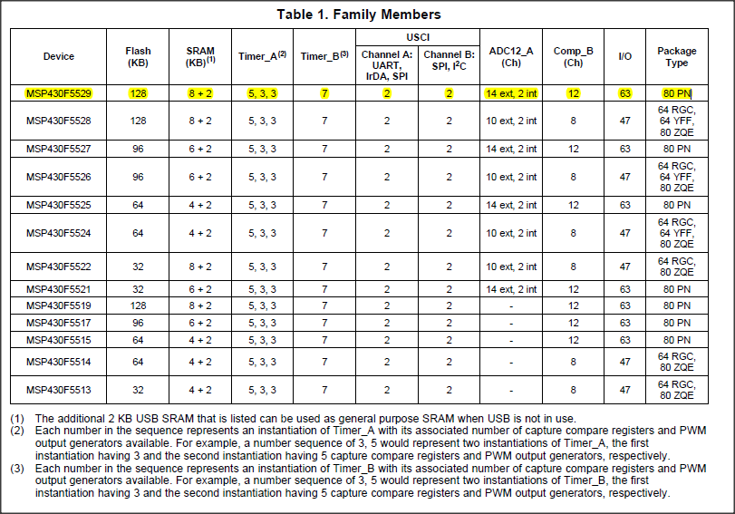
10 |  |  | 11 | GPIO3 | HiZ

