Chats
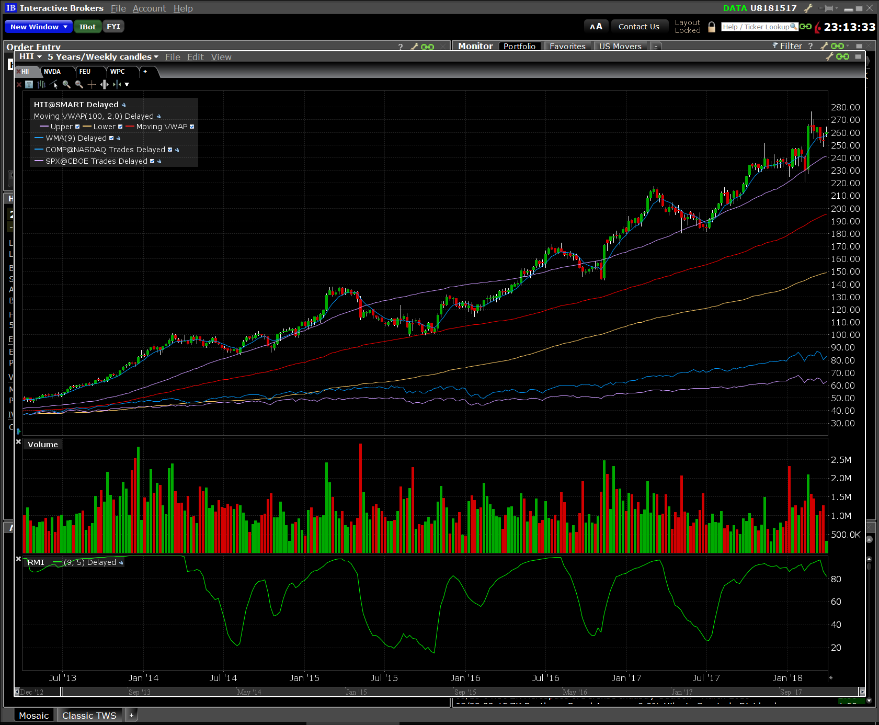
PL, NPEG, RPEG, PE, RoE, SPE, rEPS | ADS | Alliance Data Systems Corp | Industrials | Business Support Services
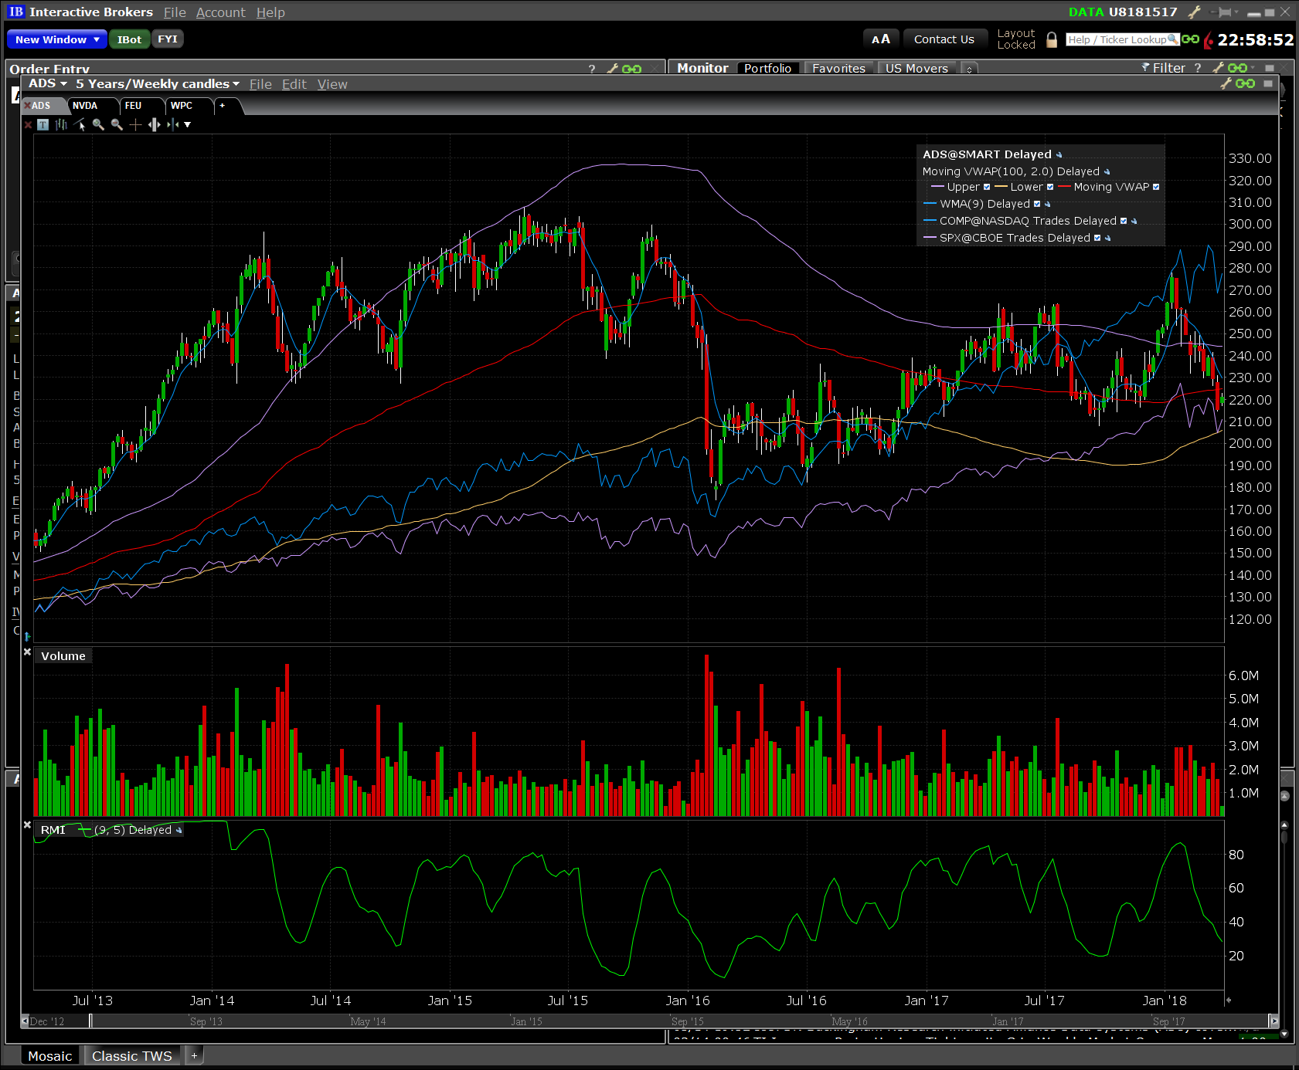

MF, NPEG, RPEG, PE, RoE, SPE, rEPS | MBUU | Malibu Boats Inc |  | Recreational Products
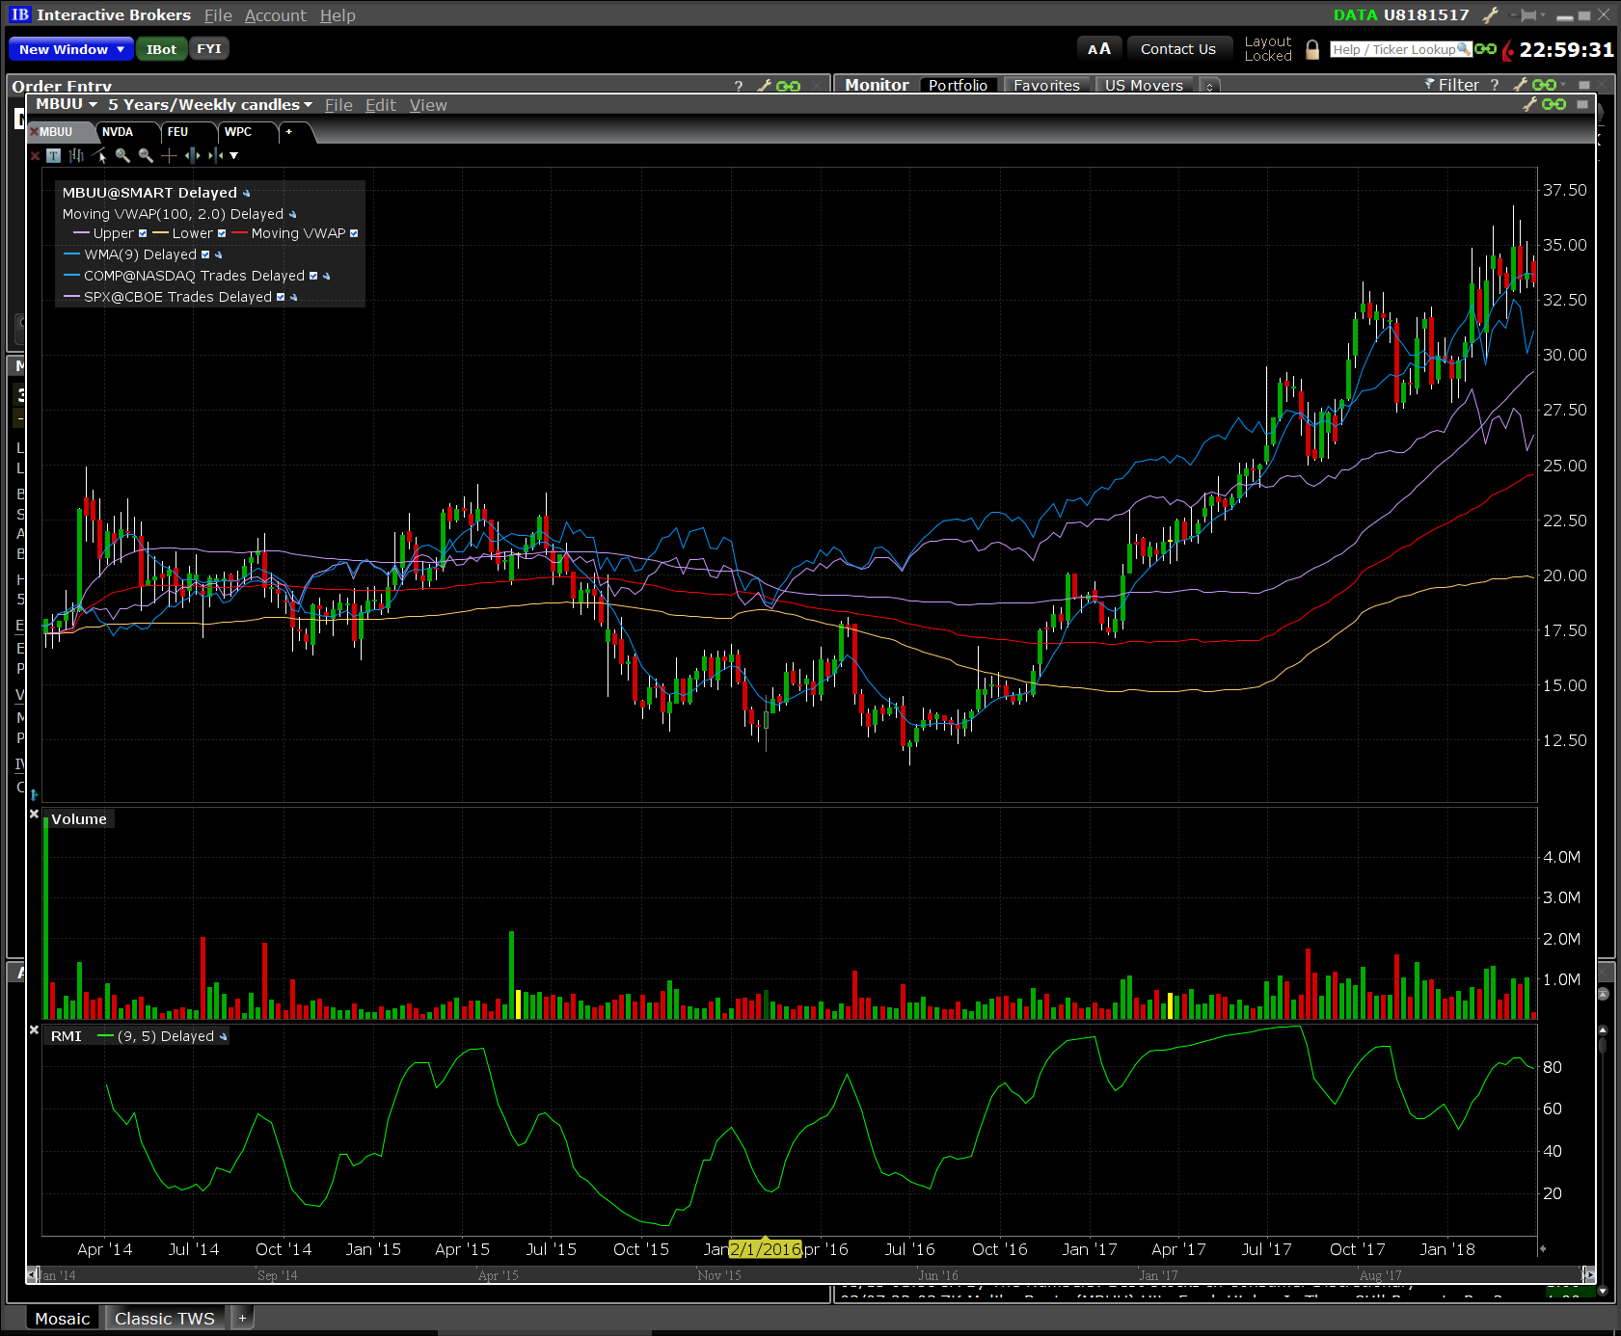

NPEG, RPEG, InT, nEps, rEPS | YNDX | Yandex NV | Technology | Internet Services
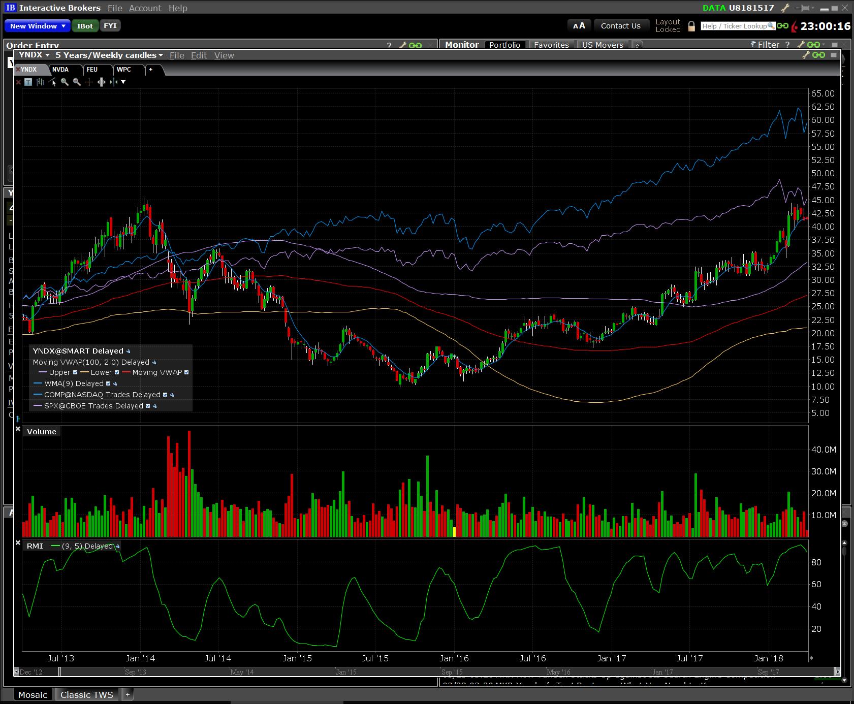

RPEG, InT, RoE, SPE, rEPS | WM | Waste Management Inc | Industrials | Environmental Services & Equipment
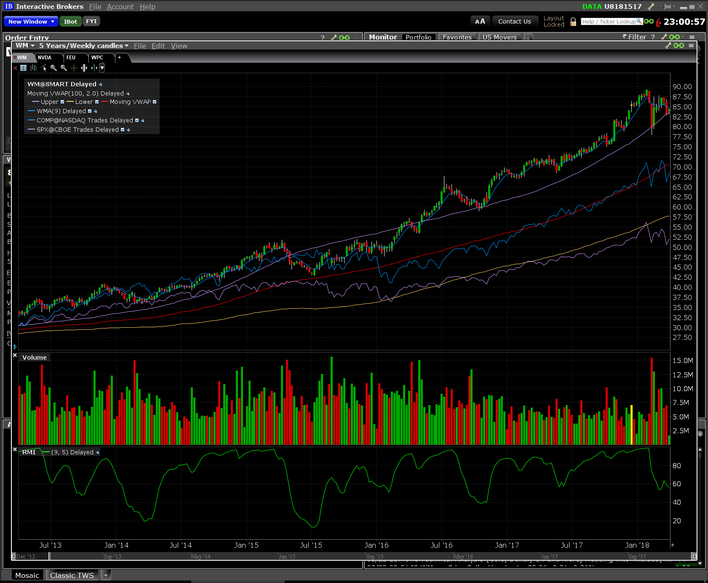

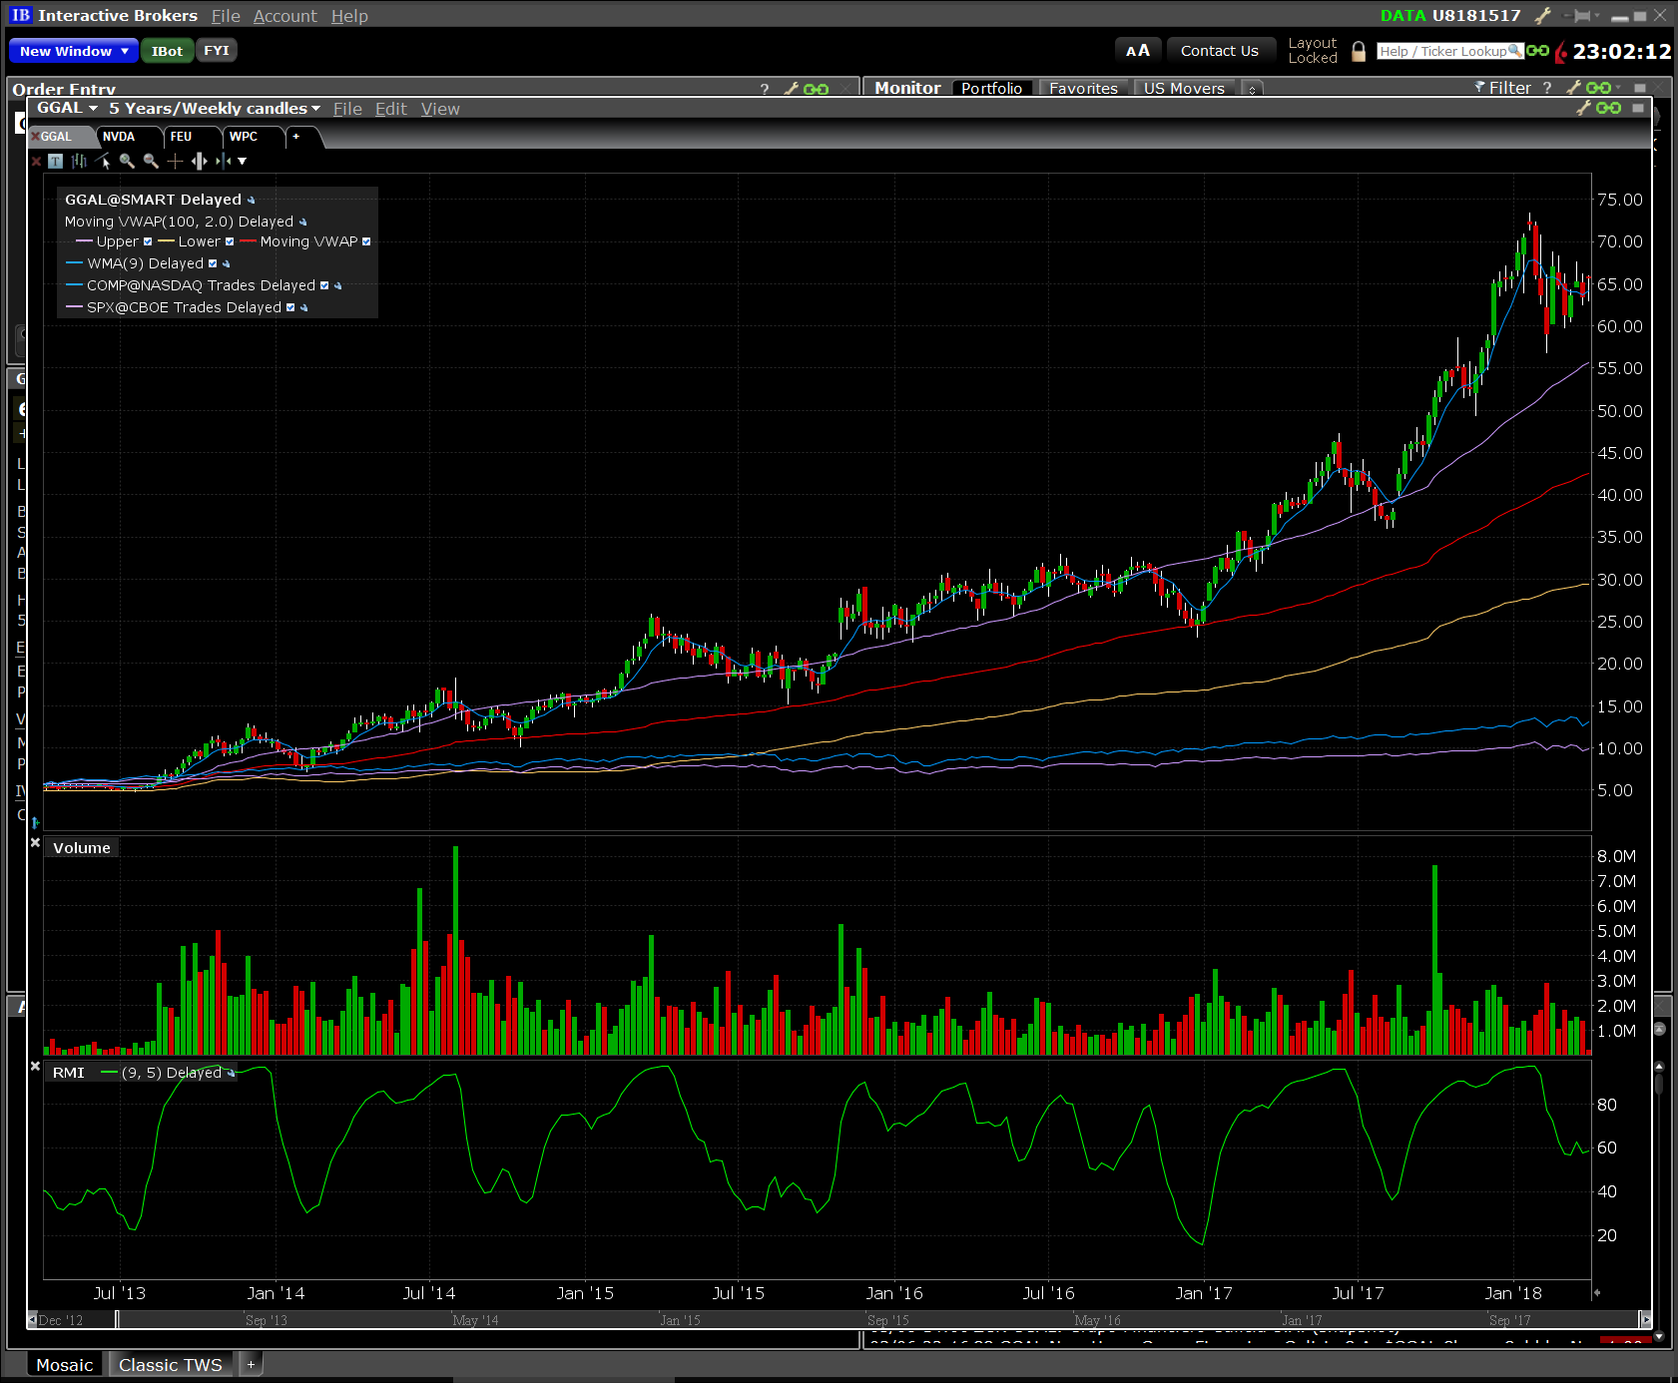
PL, MS, NPEG, RPEG, rEPS | GGAL | Grupo Financiero Galicia SA | Financials | Banks

PL, BG, NPEG, PE, SPE | KELYA | Kelly Services Inc | Industrials | Employment Services
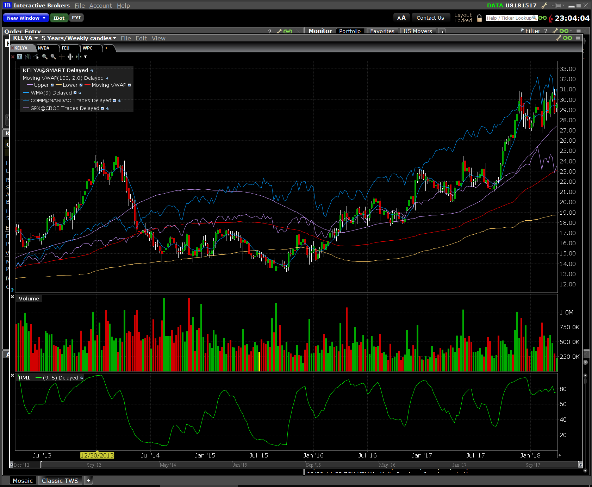

PL, NPEG, RPEG, PE, SPE | OZRK | Bank of the Ozarks | Financials | Banks
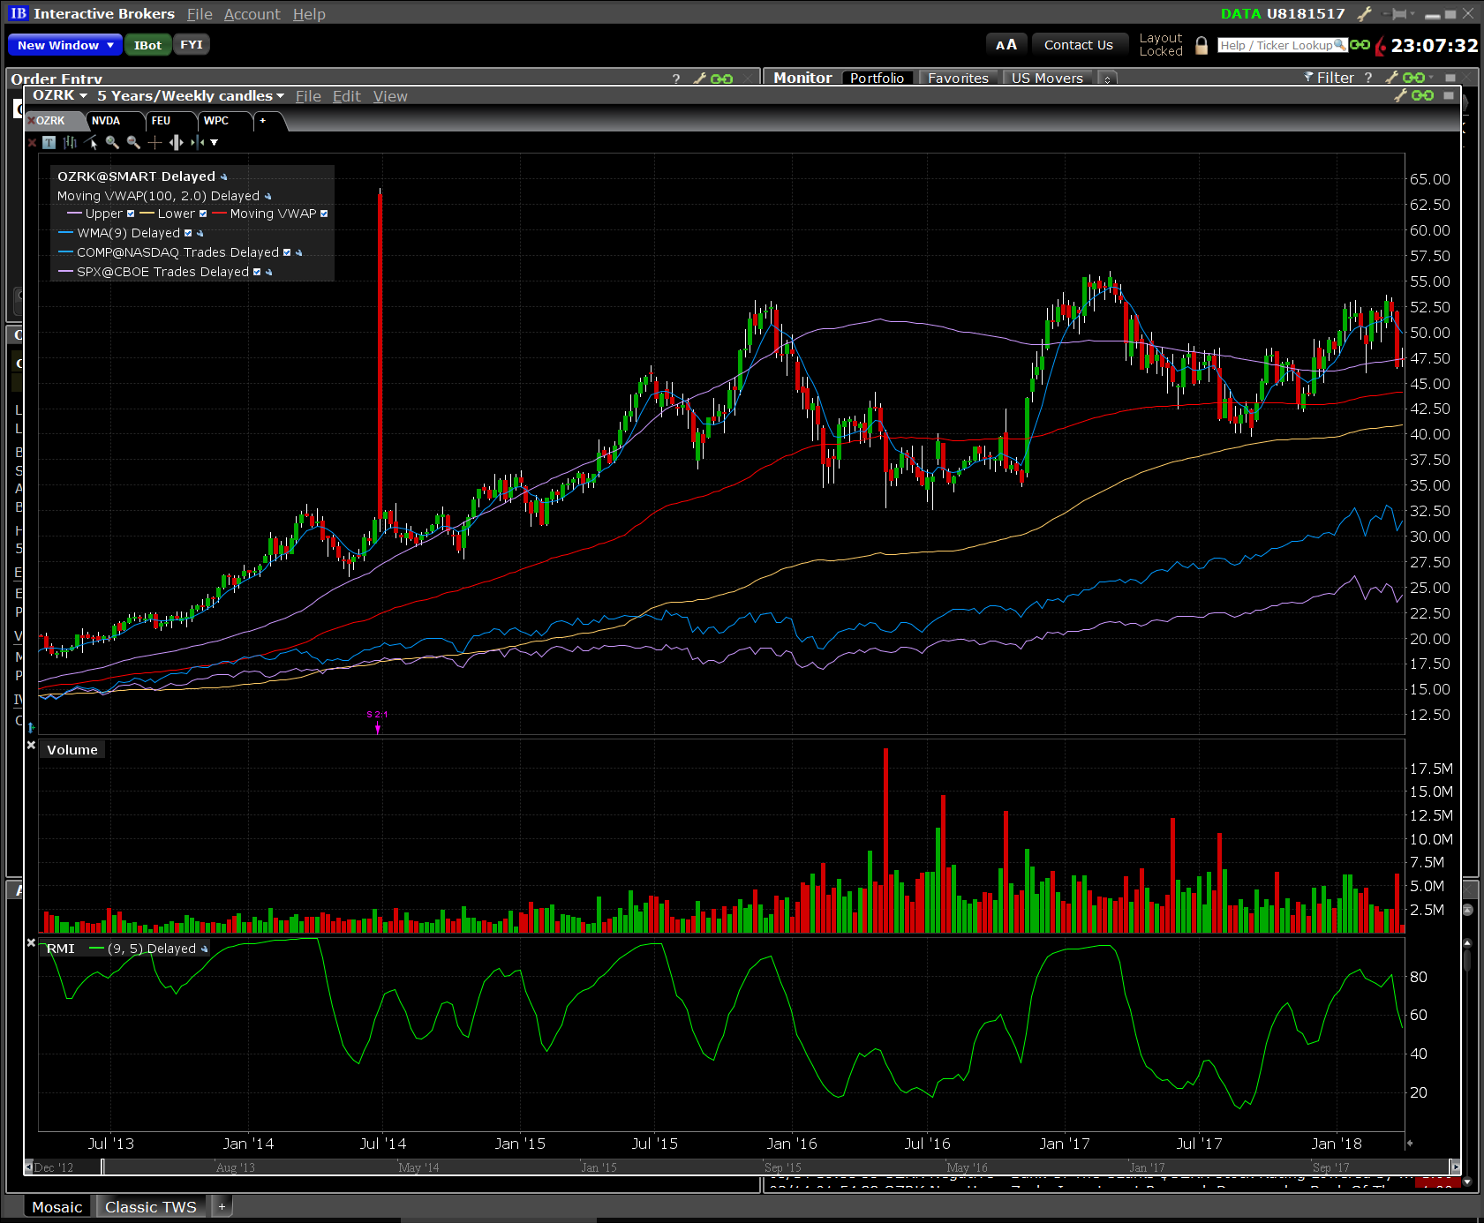

PL, RoE | HII | Huntington Ingalls Industries Inc | Industrials | AERO/DEF

