T7335A Datasheet
T7335A Thermistor Resistance-Temperature Curve
Honeywell T7335A Thermistor Temperature Sensor
 |  |  |  |  |  |  | Thermistor = R2
Temperature |  | Resistance |  | Temperature | Resistance Ω | Temperature | Vout | I (mA) | ADC | %Var
-20 | °C | 98.66 | kΩ | -20 | 98,660 | -20 | 4.53985 | 0.04602 | 929 | 0.00% | -9.2%
-10 | °C | 56.25 | kΩ | -10 | 56,250 | -10 | 4.24528 | 0.07547 | 869 | -6.46% | -15.1% | 63.8%
0 | °C | 33.21 | kΩ | 0 | 33,210 | 0 | 3.84286 | 0.11571 | 786 | -9.55% | -23.2% | 53.9%
10 | °C | 20.24 | kΩ | 10 | 20,240 | 10 | 3.34656 | 0.16534 | 685 | -12.85% | -33.0% | 42.6%
20 | °C | 12.71 | kΩ | 20 | 12,710 | 20 | 2.79833 | 0.22017 | 573 | -16.35% | -44.0% | 33.1%
25 | °C | 10.17 | kΩ | 25 | 10,170 | 25 | 2.52107 | 0.24789 | 516 | -9.95% | -49.6% | 12.7%
30 | °C | 8.19 | kΩ | 30 | 8,194 | 30 | 2.25184 | 0.27482 | 461 | -10.66% | -54.9% | 10.8%
40 | °C | 5.42 | kΩ | 40 | 5,416 | 40 | 1.75662 | 0.32434 | 359 | -22.13% | -64.9% | 18.1%
50 | °C | 3.66 | kΩ | 50 | 3,663 | 50 | 1.34048 | 0.36595 | 274 | -23.68% | -73.2% | 12.8%
60 | °C | 2.53 | kΩ | 60 | 2,530 | 60 | 1.00958 | 0.39904 | 207 | -24.45% | -79.8% | 8.9%
70 | °C | 1.78 | kΩ | 70 | 1,782 | 70 | 0.75624 | 0.42438 | 155 | -25.12% | -84.8% | 6.4%
80 | °C | 1.28 | kΩ | 80 | 1,278 | 80 | 0.56659 | 0.44334 | 116 | -25.16% | -88.7% | 4.5%
85 | °C | 1.09 | kΩ | 85 | 1,089 | 85 | 0.49103 | 0.45090 | 100 | -13.79% | -90.2% | 1.8%
90 | °C | 0.93 | kΩ | 90 | 932 | 90 | 0.42610 | 0.45739 | 87 | -13.00% | -91.5% | 1.4%
100 | °C | 0.69 | kΩ | 100 | 690 | 100 | 0.32273 | 0.46773 | 66 | -24.14% | -93.5% | 2.2%
110 | °C | 0.52 | kΩ | 110 | 519 | 110 | 0.24647 | 0.47535 | 50 | -24.24% | -95.1% | 1.7%
120 | °C | 0.40 | kΩ | 120 | 395 | 120 | 0.19000 | 0.48100 | 39 | -22.00% | -96.2% | 1.1%
125 | °C | 0.35 | kΩ | 125 | 346 | 125 | 0.16740 | 0.48326 | 34 | -12.82% | -96.7% | 0.5%
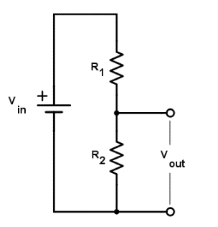
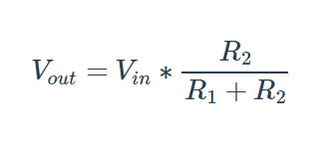

1K2
 |  |  |  |  |  | Temperature | Vout
 | R1 | 10,000 | Ω |  |  | -20 | 0.46015 |  | 94
 | Vin | 5 | V |  |  | -10 | 0.75472 |  | 154
 |  |  |  |  |  | 0 | 1.15714 |  | 237
 | ADC max |  |  |  |  | 10 | 1.65344 |  | 338
NTC Thermistor
 |  | 1023 |  |  |  | 20 | 2.20167 |  | 450
 |  |  |  |  |  | 25 | 2.47893 |  | 507
 | RL DHW (Orange) |  |  |  |  | 30 | 2.74816 |  | 562
 |  | 1,174 | Ω |  |  | 40 | 3.24338 |  | 664
 |  |  |  |  |  | 50 | 3.65952 |  | 749
 | RL CH (Gray) |  |  |  |  | 60 | 3.99042 |  | 816
 |  | 1,170 | Ω |  |  | 70 | 4.24376 |  | 868
 |  |  |  |  |  | 80 | 4.43341 |  | 907
 |  |  |  |  |  | 85 | 4.50897 |  | 923
 |  |  |  |  |  | 90 | 4.57390 |  | 936
 |  |  |  |  |  | 100 | 4.67727 |  | 957

Roca Repair Manual
NTC thermistor table
NTC Curve
Temperature |  | Resistance |  | Temperature | Resistance Ω | Temperature | Vout
-10 | °C | 55.2 | kΩ | -10 | 55.2 | -10 | 4.80836
0 | °C | 32.6 | kΩ | 0 | 32.6 | 0 | 4.68391
10 | °C | 19.9 | kΩ | 10 | 19.9 | 10 | 4.50226
20 | °C | 12.4 | kΩ | 20 | 12.4 | 20 | 4.24658
25 | °C | 10.0 | kΩ | 25 | 10.0 | 25 | 4.09836
30 | °C | 8.1 | kΩ | 30 | 8.1 | 30 | 3.92788
40 | °C | 5.3 | kΩ | 40 | 5.3 | 40 | 3.53918
50 | °C | 3.6 | kΩ | 50 | 3.6 | 50 | 3.10345
60 | °C | 2.5 | kΩ | 60 | 2.5 | 60 | 2.65458
70 | °C | 1.8 | kΩ | 70 | 1.8 | 70 | 2.21519
80 | °C | 1.3 | kΩ | 80 | 1.3 | 80 | 1.81159
90 | °C | 0.9 | kΩ | 90 | 0.9 | 90 | 1.46302
100 | °C | 0.7 | kΩ | 100 | 0.7 | 100 | 1.16725
110 | °C | 0.5 | kΩ | 110 | 0.5 | 110 | 0.94096

 | R1 | 2.2 | kΩ | Tester Temp Measurement
 | Vin | 5 | V | 17 °C | 14,3 kΩ

Power combinations
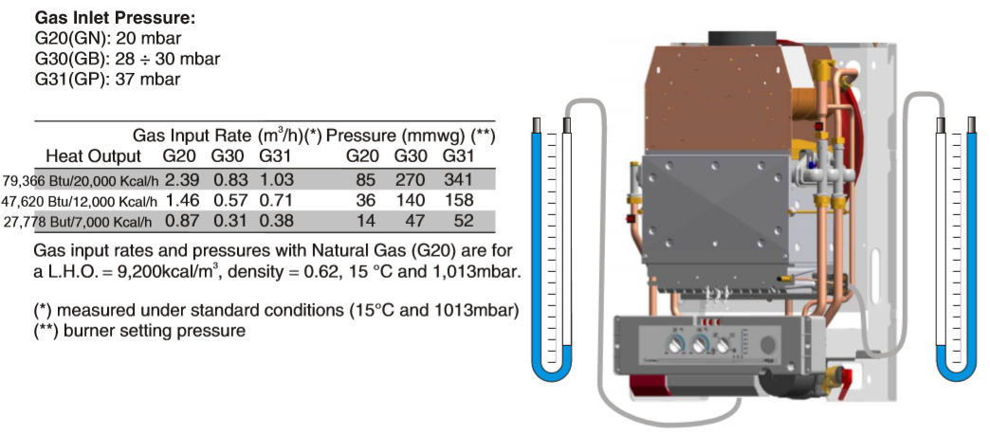
 | Combinations |  |  |  |  |  | Valve characteristics
Power | Valve-1 | Valve-2 | Valve3 | Total Kcal/h | Check | Temperature | Valve | Power | G20 m3/h
7,000 | 100% | 0% | 0% | 7,000 | 100% |  | Valve-1 | 7,000 | 0.87
7,500 | 90% | 10% | 0% | 7,500 | 100% |  | Valve-2 | 12,000 | 1.46
8,000 | 80% | 20% | 0% | 8,000 | 100% |  | Valve-3 | 20,000 | 2.39
8,500 | 70% | 30% | 0% | 8,500 | 100%
9,000 | 60% | 40% | 0% | 9,000 | 100%
9,500 | 50% | 50% | 0% | 9,500 | 100%
10,000 | 40% | 60% | 0% | 10,000 | 100%
10,500 | 30% | 70% | 0% | 10,500 | 100%
11,000 | 20% | 80% | 0% | 11,000 | 100%
11,500 | 10% | 90% | 0% | 11,500 | 100%
12,000 | 0% | 100% | 0% | 12,000 | 100%
12,500 | 40% | 30% | 30% | 12,400 | 100%
13,000 | 0% | 20% | 50% | 12,400 | 70%
13,500 | 0% | 0% | 0% | 0 | 0%
14,000 | 0% | 0% | 0% | 0 | 0%
14,500 | 0% | 0% | 0% | 0 | 0%
15,000 | 0% | 0% | 0% | 0 | 0%
15,500 | 0% | 0% | 0% | 0 | 0%
16,000 | 0% | 0% | 0% | 0 | 0%
16,500 | 0% | 0% | 0% | 0 | 0%
17,000 | 0% | 0% | 0% | 0 | 0%
17,500 | 0% | 0% | 0% | 0 | 0%
18,000 | 0% | 0% | 0% | 0 | 0%
18,500 | 0% | 0% | 0% | 0 | 0%
19,000 | 0% | 0% | 0% | 0 | 0%
19,500 | 0% | 5% | 95% | 19,600 | 100%
20,000 | 0% | 0% | 100% | 20,000 | 100%

