ImagePaste
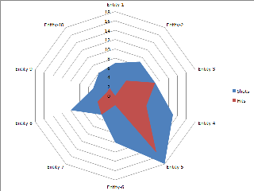

ColumnChart
Clustered Column
Entity | Shots | Hits
Entity-1 | 7 | 0
Entity-2 | 9 | 4
Entity-3 | 9 | 9
Entity-4 | 13 | 7
Entity-5 | 18 | 15
Entity-6 | 10 | 2
Entity-7 | 5 | 5
Entity-8 | 10 | 4
Entity-9 | 5 | 2
Entity-10 | 6 | 2

RadarChart
Entity | Shots | Hits
Entity-1 | 7 | 0
Entity-2 | 9 | 4
Entity-3 | 9 | 9
Entity-4 | 13 | 7
Entity-5 | 18 | 15
Entity-6 | 10 | 2
Entity-7 | 5 | 5
Entity-8 | 10 | 4
Entity-9 | 5 | 2
Entity-10 | 6 | 2

PointChart
MunitionDetonations
Time | Coord-1 | Coord-2 | Coord-3
0 | 12 | 12 | 13
0 | 13 | 13 | 14
0 | 14 | 14 | 15
0 | 15 | 15 | 16
0 | 16 | 16 | 17
1 | 17 | 17 | 18
1 | 18 | 18 | 19
1 | 19 | 19 | 20
1 | 20 | 20 | 21
1 | 21 | 21 | 22

MIN | 12 | 12 | 13
MAX | 21 | 21 | 22
AVERAGE | 16 | 17 | 17
STDEV | 3.0276503541 | 3.0276503541 | 3.0276503541

LineChart
All flight paths
Time | Coord-1 | Coord-2 | Coord-3
0 | 12 | 12 | 13
0 | 13 | 13 | 14
0 | 14 | 14 | 15
0 | 15 | 15 | 16
0 | 16 | 16 | 17
1 | 17 | 17 | 18
1 | 18 | 18 | 19
1 | 19 | 19 | 20
1 | 20 | 20 | 21
1 | 21 | 21 | 22

Some flight paths
MIN | 12 | 12 | 13
MAX | 21 | 21 | 22
AVERAGE | 16 | 17 | 17
STDEV | 3.0276503541 | 3.0276503541 | 3.0276503541

