Sheet1
Inhibitory
0 | 0
0.1 | -0.074887754401
0.2 | -0.14903326826
0.3 | -0.22244620902
0.4 | -0.29513488141
0.5 | -0.36710623912
0.6 | -0.438367791
0.7 | -0.50893128819
0.8 | -0.57880326486
0.9 | -0.64798916368
1 | -0.71649613915
1.1 | -0.78433768802
1.2 | -0.85151908812
1.3 | -0.91804415525
1.4 | -0.98391970734
1.5 | -1.0491603297
1.6 | -1.1137712058
1.7 | -1.1777540768
1.8 | -1.2411154409
1.9 | -1.3038700171
2 | -1.3660246616
2.1 | -1.4275782828
2.2 | -1.4885370751
2.3 | -1.5489146582
2.4 | -1.6087218935
2.5 | -1.6679538087
2.6 | -1.7266163096
2.7 | -1.7847204237
2.8 | -1.8422838777
2.9 | -1.8992964999
3 | -1.955763922
3.1 | -2.011692844
3.2 | -2.0671112111
3.3 | -2.1220020806
3.4 | -2.1763708234
3.5 | -2.2302227547
3.6 | -2.2835851393
3.7 | -2.3364471678
3.8 | -2.3888090591
3.9 | -2.4406758835
Excitatory |  |  |  | Inhibitory
weight | change in membrane potential (mV) |  |  | weight | change in membrane potential (mV)
0 | 0 |  |  | 0 | 0
Excitatory
0.5 | 0.16589349034 |  |  | 0.1 | -0.074887754401
1 | 0.33130411831 |  |  | 0.2 | -0.14903326826
1.5 | 0.49623333093 |  |  | 0.3 | -0.22244620902
2 | 0.66068257085 |  |  | 0.4 | -0.29513488141
2.5 | 0.82465327643 |  |  | 0.5 | -0.36710623912
3 | 0.98814782399 |  |  | 0.6 | -0.438367791
3.5 | 1.1511711899 |  |  | 0.7 | -0.50893128819
4 | 1.3137217914 |  |  | 0.8 | -0.57880326486
4.5 | 1.47580104 |  |  | 0.9 | -0.64798916368
5 | 1.6374103429 |  |  | 1 | -0.71649613915
5.5 | 1.7985511032 |  |  | 1.1 | -0.78433768802
6 | 1.9592247198 |  |  | 1.2 | -0.85151908812
6.5 | 2.1194325872 |  |  | 1.3 | -0.91804415525
7 | 2.2791760961 |  |  | 1.4 | -0.98391970734
7.5 | 2.4384566328 |  |  | 1.5 | -1.0491603297
8 | 2.5972755796 |  |  | 1.6 | -1.1137712058
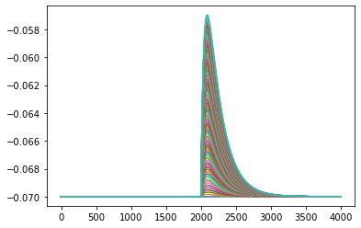
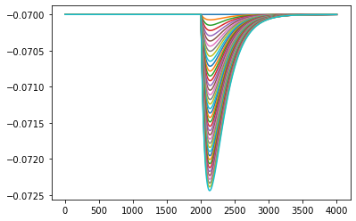
8.5 | 2.7556343144 |  |  | 1.7 | -1.1777540768
9 | 2.9135342115 |  |  | 1.8 | -1.2411154409
9.5 | 3.0709766405 |  |  | 1.9 | -1.3038700171
10 | 3.2279629674 |  |  | 2 | -1.3660246616
10.5 | 3.3844945537 |  |  | 2.1 | -1.4275782828
11 | 3.5405727573 | V |  | 2.2 | -1.4885370751
11.5 | 3.6961989316 |  |  | 2.3 | -1.5489146582
12 | 3.8513744263 |  |  | 2.4 | -1.6087218935
12.5 | 4.0061005868 |  |  | 2.5 | -1.6679538087
13 | 4.1603787546 |  |  | 2.6 | -1.7266163096
13.5 | 4.3142102673 |  |  | 2.7 | -1.7847204237
14 | 4.4675975824 |  |  | 2.8 | -1.8422838777
14.5 | 4.6205608525 |  | Frame | 2.9 | -1.8992964999
15 | 4.7730828124 |  |  | 3 | -1.955763922
15.5 | 4.9251647746 |  |  | 3.1 | -2.011692844
16 | 5.0768080478 |  |  | 3.2 | -2.0671112111
16.5 | 5.2280139368 |  |  | 3.3 | -2.1220020806
17 | 5.3787837423 |  |  | 3.4 | -2.1763708234
17.5 | 5.5291187613 |  |  | 3.5 | -2.2302227547
18 | 5.6790202871 |  |  | 3.6 | -2.2835851393
18.5 | 5.8284896087 |  |  | 3.7 | -2.3364471678
19 | 5.9775280118 |  |  | 3.8 | -2.3888090591
19.5 | 6.1261367778 |  |  | 3.9 | -2.4406758835
20 | 6.2743171847
20.5 | 6.4220705063
21 | 6.5693980129
21.5 | 6.716300971
22 | 6.8627806431
22.5 | 7.0088382882
23 | 7.1544751614
23.5 | 7.2996925142
24 | 7.4444915942
24.5 | 7.5888736455
25 | 7.7328399083
25.5 | 7.8764179159
26 | 8.0195929819
26.5 | 8.1623571904
27 | 8.3047117584
27.5 | 8.4466578996
28 | 8.5881968239
28.5 | 8.7293297377
29 | 8.8700578437
29.5 | 9.0103823414
30 | 9.1503044262
30.5 | 9.2898252903
31 | 9.4289461224
31.5 | 9.5676681075
32 | 9.7059924272
32.5 | 9.8439202596
33 | 9.9814527791
33.5 | 10.118591157
34 | 10.255336561
34.5 | 10.391690154
35 | 10.527653099
35.5 | 10.663226551
36 | 10.798411666
36.5 | 10.933221686
37 | 11.067683315
37.5 | 11.201761173
38 | 11.33545639
38.5 | 11.468770096
39 | 11.601703417
39.5 | 11.734257476
40 | 11.86643339
40.5 | 11.998232277
41 | 12.129655247
41.5 | 12.260703412
42 | 12.391377876
42.5 | 12.521679741
43 | 12.651610108
43.5 | 12.781170073
44 | 12.910360728
44.5 | 13.039183162

