Sheet1
1.轨道处资源(包括3,4,5轨)

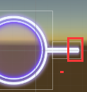
 |  | 轨道左右顶点 对应切图: op_area_wutai_02_moren_left op_area_wutai_02_moren_right

 |  |  |  | 点击球的连线 op_area_wutai_02_moren_line

 |  | Assets\resources\Art\UIEffects\xingdong\eff_ui_buff_yhsg.prefab

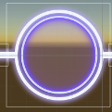
 |  | 点击球 op_area_wutai_02_moren_circle

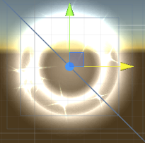
 |  | 短音符按下特效: eff_ui_shortnote_hit02

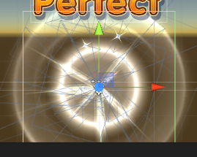
 |  | 长音符按下特效: eff_ui_longnote_hit02

 | 需要新增特效:点击球上的COMBO特效

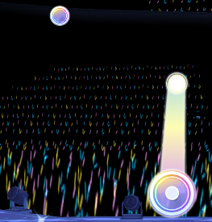
2.音符区 Breve Macron

 | 短音符 Assets\resources\Art\Note\mode_idol\Breve\Breve Flew.mat Assets\resources\Art\Note\mode_idol\textures\short_note_wutai_02_moren.png

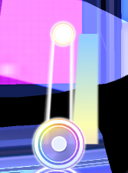
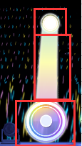
 |  | 长音符后面的球 Assets\resources\Art\Note\mode_idol\Macron\Macron Move End.mat Assets\resources\Art\Note\mode_idol\textures\back_diquan.png

 |  | 长音符条带 (边)Assets\resources\Art\Note\mode_idol\Macron\Macron Halo.mat Assets\resources\Art\Note\mode_idol\textures\TIAODAI2.png (彩色条)Assets\resources\Art\Note\mode_idol\Macron\Macron Ribbon.mat Assets\resources\Art\Note\mode_idol\textures\tiaodai.png |  |  | 只需要一条就行

 |  | 长音符前面的球 Assets\resources\Art\Note\mode_idol\Macron\Macron Move.mat Assets\resources\Art\Note\mode_idol\textures\long_note_wutai_02_moren.png

 |  | 音符球上面的闪烁光点 \Assets\StaticResources\art\UIEffects\common\textures\eff_ui_glow_01.png \Assets\StaticResources\art\UIEffects\common\textures\eff_ui_glow_01_add.mat

 |  |  | 短音符连线 note_line_wutai_02_more

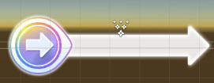
 |  | 滑动音符 Assets\resources\Art\Note\mode_idol\Slip\Slip Flew.mat Assets\resources\Art\Note\mode_idol\textures\slip_note_wutai_02_moren.png

 |  | 滑动箭头 Assets\resources\Art\Note\mode_idol\Slip\Slip Ribbon.mat Assets\resources\Art\Note\mode_idol\textures\back_huadong.png

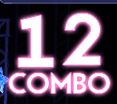
3.Combo区

 | combo文字 combo1 combo2 |  | 数字字体 Assets\StaticResources\Font\ComboNumPink.prefab Assets\StaticResources\Font\ComboNumGold.prefab

