Requirements Phase Defects
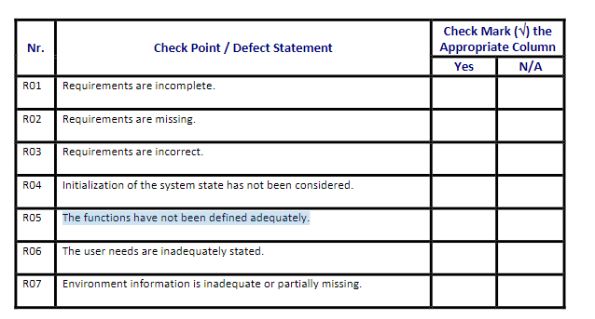
do not print this form |  |  |  | Echipa
Review Form. Requirements Defects |  |  |  |  | Numele si prenumele | Grupa
 |  |  |  | Student 1: | Casian Marincas | 234/2
 | Document Title: | Requirements Document |  | Student 2: | Andra Carmen Marginean | 234/2
 | Author Name: | Firicescu George |  | Student 3:
 | Reviewer Name:
 | Review date:

Crt. No. | Checked Item | Doc. page/line | Comments/ improvements
1 | R02 | Pag 1, linia 4 | Plasarea unei comenzi lipseste in feature-uri Notificarea chelnerului lipseste
2
3 | R05 | Linia 12 | Feature-ul de plata ofera o functionalitate neceruta de catre client
4 | R07 | Linia 18 | Interactiunea intre angajati si aplicatie nu este bine definitia: bucatarie, chelner, maestru pizzar, aplicatie
5
6
7
8
9
10
11
12
13
14
15
16

 | Effort to review document (hours): |  | 25 min

