9-10Sep2016
period | k | window_th | recent_weight | return |  | LAD=TRUE
1y+20/5/2007 | 10 | 0 | F | 17.20% |  | 25.60%
 |  | 0 | T | 16.50% |  | 32.20%
 |  | 20 | F | 22.80% |  | 29.60%
 |  | 20 | T | 25% |  | 32.50%
 | 5 | 0 | F | -4.30% |  | -3.70%
 |  | 0 | T | -2.50% |  | -3.70%
 |  | 20 | F | 8.30% |  | 9.30%
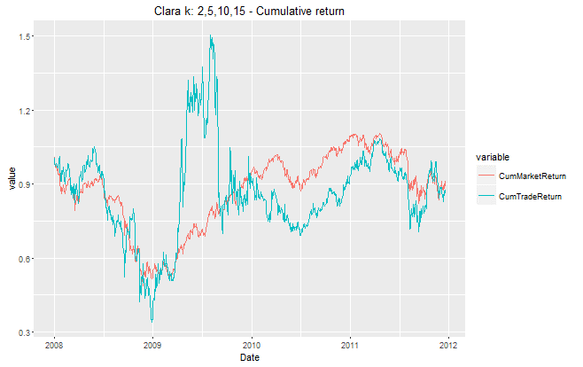
 |  | 20 | T | 11% |  | 9.30%
 | 5,10 | 0 | F | 3.80% |  | 8.00%
 |  | 0 | T | 4.00% |  | 12.90%
 |  | 20 | F | 12.80% |  | 17.10%
 |  | 20 | T | 14% |  | 19.10%
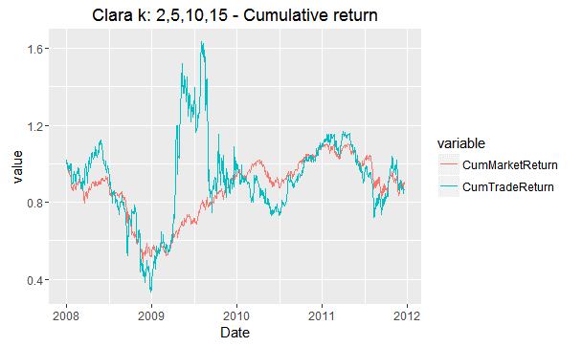
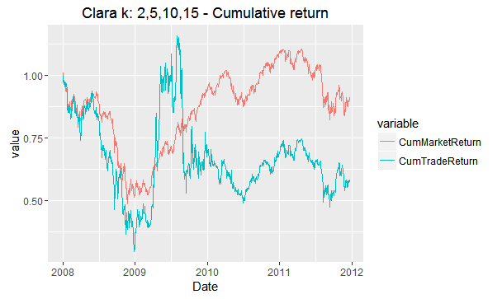
 | 2,5,10,15 | 0 | F | 15.30% |  | 21.70%
 |  | 0 | T | 10.00% |  | 19.00%
 |  | 20 | F | 20.20% |  | 28.10%
 |  | 20 | T | 18% |  | 24.70%
2y+20/12/2011 | 2,5,10,15 | 0 | T | -13.50% | -----> | -12.50% | ------------------------------------------------------------------------------------------------------------------------------------->

 |  | 20 | T |  |  | -41.80% | ----->

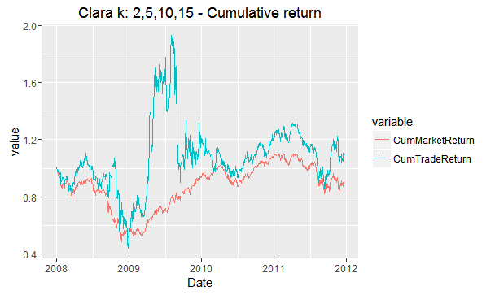

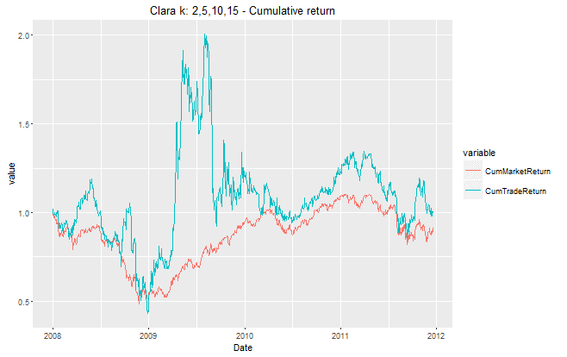
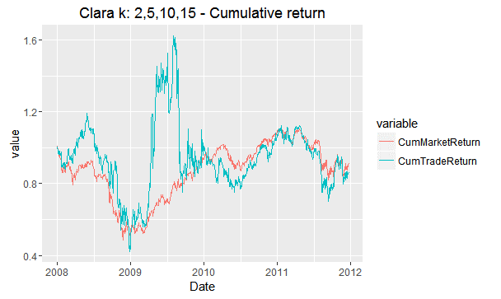
 |  | 0 | F | 0.10% | -----> | 10.20% | ------------------------------------------------------------------------------------------------------------------------------------->

 |  | 20 | F |  |  | -13.80% | ----->

11Sep2016
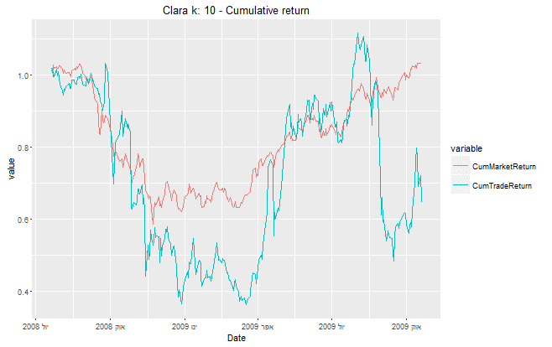
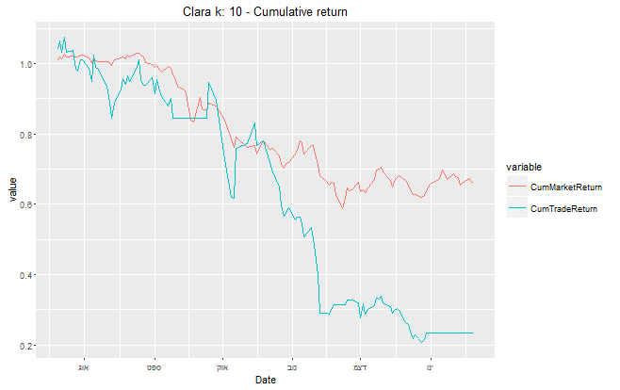
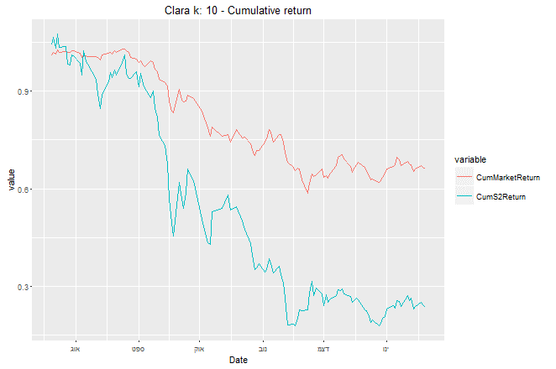
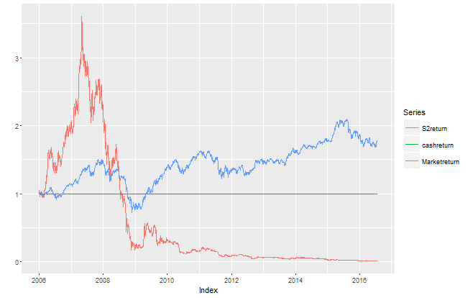
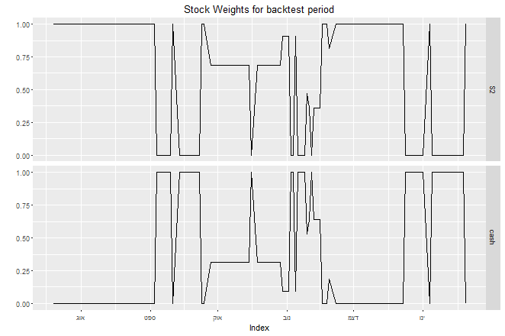

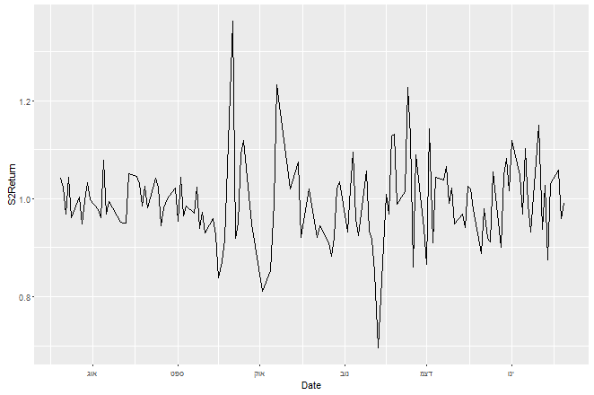
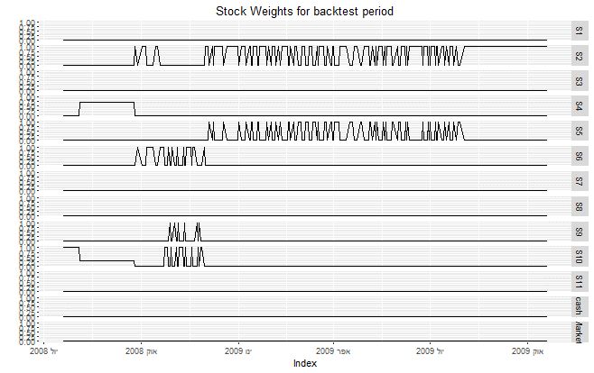
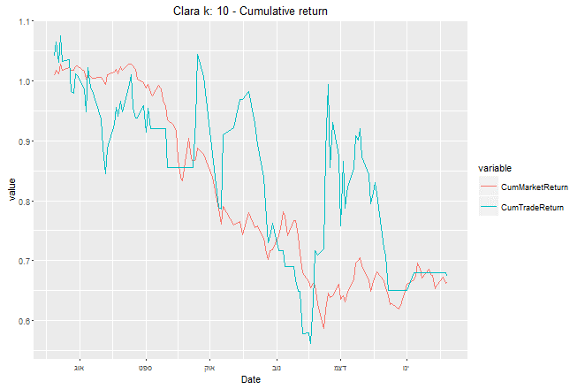
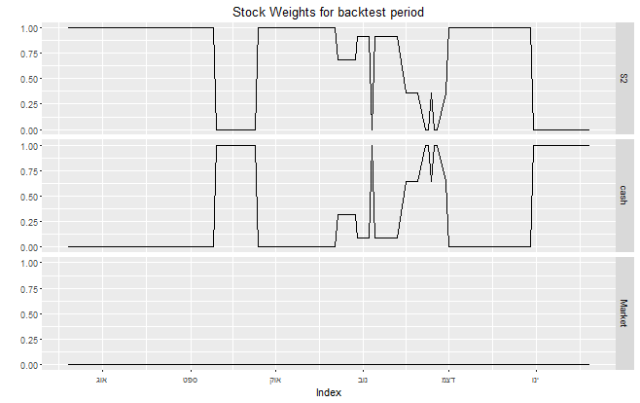
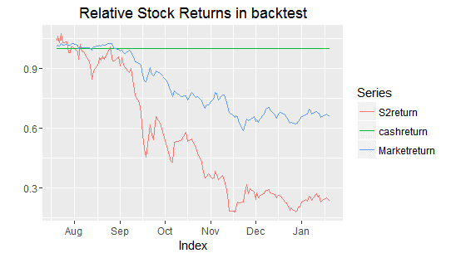

26Sep2016
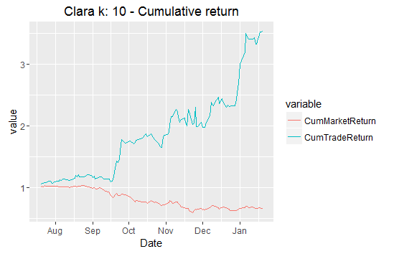
period | k | window_th | limited stocks | optimize_l | recent_weight | return
2008/7/20 - 2009/1/20 | 10 | 20 | 0 | 0 | F | 46.20%
 |  | 20 | 0 | 1 | F | -27.00%
 |  | 0 | 0 | 0 | F | 254.60% | ------>
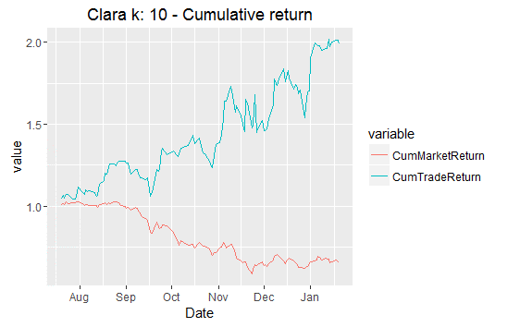
 |  | 0 | 0 | 1 | F | 98.80% | ------------------------------------------------------------------------------------------------------------------------------------------------------------------------->
 |  | 20 | 0 | 0 | T | -56.10%
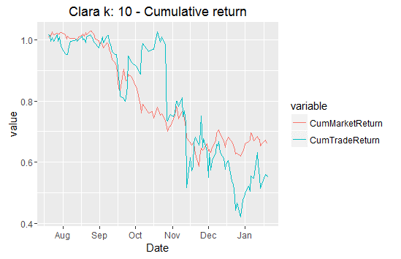
 |  | 20 | 0 | 1 | T | 19.40%
 |  | 0 | 0 | 0 | T | -45.10% | ------------------------------------------------------------------------------------------>
 |  | 0 | 0 | 1 | T | 0.80%
 | 5,10 | 20 | 0 | 0 | F | -14.80%
 |  | 20 | 0 | 1 | F | -39.40%
 |  | 0 | 0 | 0 | F | 309.30%
 |  | 0 | 0 | 1 | F | 90%
 | 5 | 20 | 0 | 0 | F | -9.70%
 |  | 20 | 0 | 1 | F | -35.20%
 |  | 0 | 0 | 0 | F | 271%
 |  | 0 | 0 | 1 | F | 59.10%
 | 10 | 20 | S2 | 0 | F | 103.80%
 |  | 20 | S2 | 1 | F | -20.00%
 |  | 0 | S2 | 0 | F | 153.50%
 |  | 0 | S2 | 1 | F | 89.40%
 |  | 20 | S2 | 0 | T | -73.70%
 |  | 20 | S2 | 1 | T | -21.00%
 |  | 0 | S2 | 0 | T | -26.00%
 |  | 0 | S2 | 1 | T | 9.50%

