Sheet1
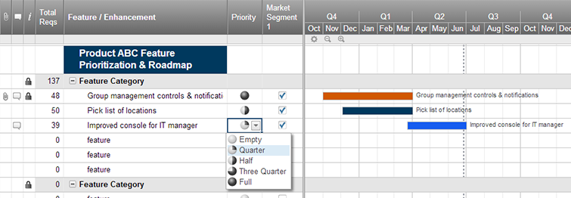
Agile Product Roadmap

<Company Name> | Q2 |  |  | Q3 |  |  | Q4
 | April | May | June | July | August | September | October | November | December
Stream 1

Product 1

Product 2

Product 3
Stream 2

Product 4

Product 5

Stream 3

Product 6

Product 7

Stream 4

Product 8

Product 9

Create an Agile Product Roadmap in Smartsheet

