Cover Page
Kane County 2012 General Election
2012-11-06
Election Data Analysis

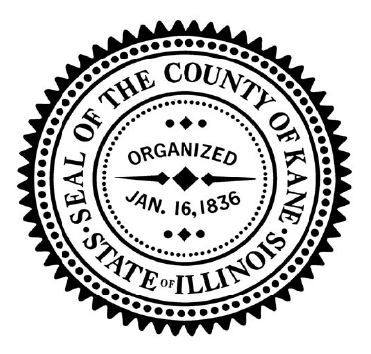

Dated: Tuesday, July 7, 2015
Issued by:

John A. Cunningham
Kane County Clerk

