C.1
Back to contents
 | Chart 1: Real GDP

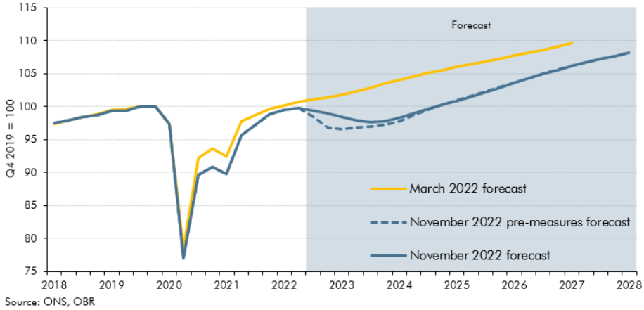

 | GDP (Q4 2019 = 100)
 |  | March 2022 forecast | November 2022 pre-measures forecast | November 2022 forecast
 | 2018Q1 | 97.3 | 97.4 | 97.4
 | 2018Q2 | 97.9 | 97.9 | 97.9
 | 2018Q3 | 98.5 | 98.4 | 98.4
 | 2018Q4 | 98.8 | 98.7 | 98.7
 | 2019Q1 | 99.5 | 99.3 | 99.3
 | 2019Q2 | 99.6 | 99.4 | 99.4
 | 2019Q3 | 100.0 | 100.0 | 100.0
 | 2019Q4 | 100.0 | 100.0 | 100.0
 | 2020Q1 | 97.4 | 97.4 | 97.4
 | 2020Q2 | 78.4 | 76.9 | 76.9
 | 2020Q3 | 92.2 | 89.7 | 89.7
 | 2020Q4 | 93.6 | 90.8 | 90.8
 | 2021Q1 | 92.5 | 89.7 | 89.7
 | 2021Q2 | 97.7 | 95.6 | 95.6
 | 2021Q3 | 98.7 | 97.3 | 97.3
 | 2021Q4 | 99.6 | 98.9 | 98.9
 | 2022Q1 | 100.1 | 99.5 | 99.5
 | 2022Q2 | 100.7 | 99.8 | 99.8
 | 2022Q3 | 101.1 | 98.5 | 99.3
 | 2022Q4 | 101.3 | 96.8 | 98.9
 | 2023Q1 | 101.7 | 96.6 | 98.4
 | 2023Q2 | 102.3 | 96.8 | 97.9
 | 2023Q3 | 102.9 | 97.0 | 97.7
 | 2023Q4 | 103.4 | 97.3 | 97.8
 | 2024Q1 | 104.0 | 97.8 | 98.2
 | 2024Q2 | 104.5 | 98.7 | 98.9
 | 2024Q3 | 105.0 | 99.5 | 99.6
 | 2024Q4 | 105.5 | 100.3 | 100.2
 | 2025Q1 | 106.0 | 101.0 | 100.9
 | 2025Q2 | 106.4 | 101.6 | 101.5
 | 2025Q3 | 106.8 | 102.3 | 102.2
 | 2025Q4 | 107.3 | 103.0 | 102.9
 | 2026Q1 | 107.7 | 103.7 | 103.6
 | 2026Q2 | 108.2 | 104.3 | 104.3
 | 2026Q3 | 108.6 | 105.0 | 104.9
 | 2026Q4 | 109.1 | 105.6 | 105.5
 | 2027Q1 | 109.6 | 106.2 | 106.1
 | 2027Q2 |  | 106.7 | 106.7
 | 2027Q3 |  | 107.2 | 107.2
 | 2027Q4 |  | 107.7 | 107.7
 | 2028Q1 |  | 108.1 | 108.1

C.2
Back to contents
 | Chart 2: Public sector net borrowing
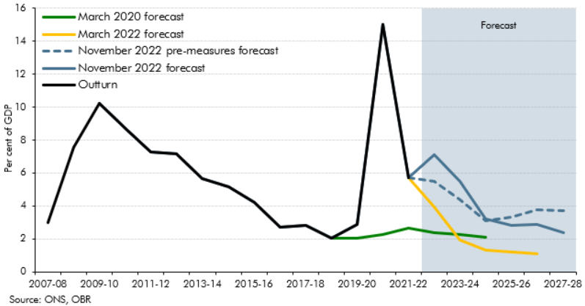

 |  | 2003-04 | 2004-05 | 2005-06 | 2006-07 | 2007-08 | 2008-09 | 2009-10 | 2012-11 | 2011-12 | 2012-13 | 2013-14 | 2014-15 | 2015-16 | 2016-17 | 2017-18 | 2018-19 | 2019-20 | 2020-21 | 2021-22 | 2022-23 | 2023-24 | 2024-25 | 2025-26 | 2026-27 | 2027-28
 | March 2020 forecast |  |  |  |  |  |  |  |  |  |  |  |  |  |  |  | 2.0 | 2.1 | 2.3 | 2.7 | 2.4 | 2.3 | 2.1
 | March 2022 forecast |  |  |  |  |  |  |  |  |  |  |  |  |  |  |  |  |  |  | 5.7 | 3.9 | 1.9 | 1.3 | 1.2 | 1.1
 | November 2022 forecast |  |  |  |  |  |  |  |  |  |  |  |  |  |  |  |  |  |  | 5.7 | 7.1 | 5.5 | 3.2 | 2.8 | 2.9 | 2.4
 | November 2022 Pre-measures forecast |  |  |  |  |  |  |  |  |  |  |  |  |  |  |  |  |  |  | 5.7 | 5.5 | 4.4 | 3.1 | 3.3 | 3.8 | 3.7
 | Outturn | 3.4 | 3.9 | 3.2 | 2.8 | 3.0 | 7.5 | 10.2 | 8.7 | 7.3 | 7.2 | 5.7 | 5.2 | 4.2 | 2.7 | 2.8 | 2.0 | 2.9 | 15.0 | 5.7

 |  |  |  |  |  |  |  |  |  |  |  |  |  |  |  |  |  |  |  |  |  |  |  |  | 1.8

C.3
Back to contents
 | Chart 3: Gas prices, the exchange rate, Bank Rate and gilt yields

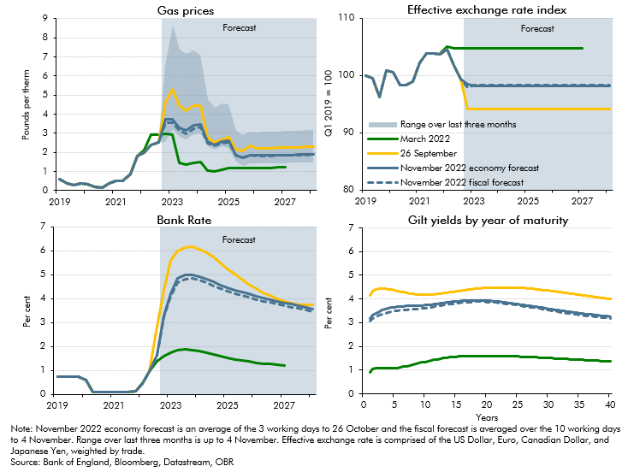

 | Gas prices |  |  |  |  |  | Bank rate |  |  |  | Exchange rates (Q1 2019 = 100) |  |  |  | Gilt yields by maturity year
 |  | March 2022 forecast | 26 September | November 2022 economy forecast | Range over last three months | November 2022 fiscal forecast | March 2022 forecast | 26 September | November 2022 economy forecast | November 2022 fiscal forecast | March 2022 forecast | 26 September | November 2022 economy forecast | November 2022 fiscal forecast |  | March 2022 forecast | 26 September | November 2022 economy forecast | November 2022 fiscal forecast
 | 2019Q1 | 0.6 | 0.6 | 0.6 |  | 0.6 | 0.8 | 0.8 | 0.8 | 0.8 | 100.0 | 100.0 | 100.0 | 100.0 | 1.0 | 0.9 | 4.2 | 3.2 | 3.1
 | 2019Q2 | 0.4 | 0.4 | 0.4 |  | 0.4 | 0.8 | 0.8 | 0.8 | 0.8 | 99.5 | 99.5 | 99.5 | 99.5 | 1.5 | 1.0 | 4.3 | 3.3 | 3.2
 | 2019Q3 | 0.3 | 0.3 | 0.3 |  | 0.3 | 0.8 | 0.8 | 0.8 | 0.8 | 96.2 | 96.2 | 96.2 | 96.2 | 2.0 | 1.1 | 4.4 | 3.4 | 3.2
 | 2019Q4 | 0.4 | 0.4 | 0.4 |  | 0.4 | 0.8 | 0.8 | 0.8 | 0.8 | 100.8 | 100.8 | 100.8 | 100.8 | 2.5 | 1.1 | 4.4 | 3.5 | 3.3
 | 2020Q1 | 0.3 | 0.3 | 0.3 |  | 0.3 | 0.6 | 0.6 | 0.6 | 0.6 | 100.6 | 100.6 | 100.6 | 100.6 | 3.0 | 1.1 | 4.4 | 3.5 | 3.4
 | 2020Q2 | 0.2 | 0.2 | 0.2 |  | 0.2 | 0.1 | 0.1 | 0.1 | 0.1 | 98.3 | 98.3 | 98.3 | 98.3 | 3.5 | 1.1 | 4.4 | 3.6 | 3.4
 | 2020Q3 | 0.1 | 0.1 | 0.1 |  | 0.1 | 0.1 | 0.1 | 0.1 | 0.1 | 98.4 | 98.4 | 98.4 | 98.4 | 4.0 | 1.1 | 4.4 | 3.6 | 3.4
 | 2020Q4 | 0.4 | 0.4 | 0.4 |  | 0.4 | 0.1 | 0.1 | 0.1 | 0.1 | 99.0 | 99.0 | 99.0 | 99.0 | 4.5 | 1.1 | 4.4 | 3.6 | 3.5
 | 2021Q1 | 0.5 | 0.5 | 0.5 |  | 0.5 | 0.1 | 0.1 | 0.1 | 0.1 | 102.2 | 102.2 | 102.2 | 102.2 | 5.0 | 1.1 | 4.4 | 3.7 | 3.5
 | 2021Q2 | 0.5 | 0.5 | 0.5 |  | 0.5 | 0.1 | 0.1 | 0.1 | 0.1 | 103.9 | 103.9 | 103.9 | 103.9 | 5.5 | 1.1 | 4.3 | 3.7 | 3.5
 | 2021Q3 | 0.9 | 0.9 | 0.9 |  | 0.9 | 0.1 | 0.1 | 0.1 | 0.1 | 103.9 | 103.9 | 103.9 | 103.9 | 6.0 | 1.1 | 4.3 | 3.7 | 3.5
 | 2021Q4 | 1.8 | 1.8 | 1.8 |  | 1.8 | 0.1 | 0.1 | 0.1 | 0.1 | 103.8 | 103.7 | 103.7 | 103.7 | 6.5 | 1.1 | 4.3 | 3.7 | 3.5
 | 2022Q1 | 2.1 | 2.0 | 2.0 |  | 2.0 | 0.5 | 0.5 | 0.5 | 0.5 | 105.1 | 104.6 | 104.6 | 104.6 | 7.0 | 1.2 | 4.3 | 3.7 | 3.6
 | 2022Q2 | 2.9 | 2.4 | 2.4 |  | 2.4 | 1.0 | 1.0 | 1.0 | 1.0 | 104.7 | 101.8 | 101.8 | 101.8 | 7.5 | 1.2 | 4.2 | 3.7 | 3.6
 | 2022Q3 | 2.9 | 2.5 | 2.5 |  | 2.5 | 1.4 | 2.8 | 1.6 | 1.6 | 104.7 | 99.3 | 99.4 | 99.4 | 8.0 | 1.2 | 4.2 | 3.7 | 3.6
 | 2022Q4 | 3.0 | 4.6 | 3.7 | 4.0 | 3.5 | 1.6 | 4.4 | 3.3 | 3.2 | 104.7 | 94.1 | 98.4 | 97.8 | 8.5 | 1.3 | 4.2 | 3.7 | 3.6
 | 2023Q1 | 2.9 | 5.3 | 3.7 | 5.5 | 3.5 | 1.7 | 5.6 | 4.2 | 4.1 | 104.7 | 94.1 | 98.2 | 98.2 | 9.0 | 1.3 | 4.2 | 3.7 | 3.6
 | 2023Q2 | 1.4 | 4.4 | 3.3 | 4.6 | 3.1 | 1.8 | 6.0 | 4.8 | 4.7 | 104.7 | 94.1 | 98.2 | 98.2 | 9.5 | 1.3 | 4.2 | 3.7 | 3.6
 | 2023Q3 | 1.3 | 4.2 | 3.2 | 4.5 | 3.0 | 1.9 | 6.1 | 5.0 | 4.8 | 104.7 | 94.1 | 98.2 | 98.2 | 10.0 | 1.4 | 4.2 | 3.7 | 3.6
 | 2023Q4 | 1.4 | 4.5 | 3.4 | 4.4 | 3.2 | 1.9 | 6.2 | 5.0 | 4.8 | 104.7 | 94.1 | 98.2 | 98.2 | 10.5 | 1.4 | 4.2 | 3.8 | 3.6
 | 2024Q1 | 1.5 | 4.5 | 3.5 | 4.1 | 3.3 | 1.8 | 6.1 | 4.9 | 4.8 | 104.7 | 94.1 | 98.2 | 98.2 | 11.0 | 1.4 | 4.2 | 3.8 | 3.7
 | 2024Q2 | 1.0 | 2.8 | 2.5 | 2.5 | 2.5 | 1.7 | 5.9 | 4.8 | 4.7 | 104.7 | 94.1 | 98.2 | 98.2 | 11.5 | 1.4 | 4.2 | 3.8 | 3.7
 | 2024Q3 | 1.0 | 2.5 | 2.4 | 2.2 | 2.3 | 1.7 | 5.7 | 4.7 | 4.5 | 104.7 | 94.1 | 98.2 | 98.2 | 12.0 | 1.5 | 4.2 | 3.8 | 3.7
 | 2024Q4 | 1.1 | 2.7 | 2.5 | 2.3 | 2.5 | 1.6 | 5.5 | 4.6 | 4.4 | 104.7 | 94.1 | 98.2 | 98.2 | 12.5 | 1.5 | 4.2 | 3.8 | 3.7
 | 2025Q1 | 1.2 | 2.8 | 2.6 | 2.3 | 2.5 | 1.5 | 5.3 | 4.5 | 4.3 | 104.7 | 94.1 | 98.2 | 98.2 | 13.0 | 1.5 | 4.2 | 3.8 | 3.7
 | 2025Q2 | 1.2 | 2.2 | 1.9 | 1.6 | 1.8 | 1.5 | 5.0 | 4.4 | 4.2 | 104.7 | 94.1 | 98.2 | 98.2 | 13.5 | 1.5 | 4.3 | 3.9 | 3.8
 | 2025Q3 | 1.2 | 2.1 | 1.7 | 1.6 | 1.7 | 1.4 | 4.8 | 4.3 | 4.1 | 104.7 | 94.1 | 98.2 | 98.2 | 14.0 | 1.5 | 4.3 | 3.9 | 3.8
 | 2025Q4 | 1.2 | 2.3 | 1.9 | 1.6 | 1.8 | 1.4 | 4.6 | 4.2 | 4.0 | 104.7 | 94.1 | 98.2 | 98.2 | 14.5 | 1.6 | 4.3 | 3.9 | 3.8
 | 2026Q1 | 1.2 | 2.2 | 1.8 | 1.6 | 1.8 | 1.3 | 4.4 | 4.1 | 4.0 | 104.7 | 94.1 | 98.2 | 98.2 | 15.0 | 1.6 | 4.3 | 3.9 | 3.8
 | 2026Q2 | 1.2 | 2.2 | 1.8 | 1.6 | 1.8 | 1.3 | 4.3 | 4.0 | 3.9 | 104.7 | 94.1 | 98.2 | 98.2 | 15.5 | 1.6 | 4.3 | 3.9 | 3.8
 | 2026Q3 | 1.2 | 2.2 | 1.8 | 1.7 | 1.8 | 1.3 | 4.1 | 4.0 | 3.8 | 104.7 | 94.1 | 98.2 | 98.2 | 16.0 | 1.6 | 4.4 | 3.9 | 3.9
 | 2026Q4 | 1.2 | 2.2 | 1.9 | 1.7 | 1.8 | 1.2 | 4.0 | 3.9 | 3.8 | 104.7 | 94.1 | 98.2 | 98.2 | 16.5 | 1.6 | 4.4 | 3.9 | 3.9
 | 2027Q1 | 1.2 | 2.2 | 1.9 | 1.7 | 1.8 | 1.2 | 3.9 | 3.8 | 3.7 | 104.7 | 94.1 | 98.2 | 98.2 | 17.0 | 1.6 | 4.4 | 3.9 | 3.9
 | 2027Q2 |  | 2.3 | 1.9 | 1.7 | 1.9 |  | 3.8 | 3.8 | 3.6 |  | 94.1 | 98.2 | 98.2 | 17.5 | 1.6 | 4.4 | 3.9 | 3.9
 | 2027Q3 |  | 2.3 | 1.9 | 1.7 | 1.9 |  | 3.7 | 3.7 | 3.6 |  | 94.1 | 98.2 | 98.2 | 18.0 | 1.6 | 4.4 | 3.9 | 3.9
 | 2027Q4 |  | 2.3 | 1.9 | 1.7 | 1.9 |  | 3.7 | 3.6 | 3.5 |  | 94.1 | 98.2 | 98.2 | 18.5 | 1.6 | 4.4 | 3.9 | 3.9
 | 2028Q1 |  | 2.3 | 1.9 | 1.7 | 1.9 |  | 3.7 | 3.6 | 3.5 |  | 94.1 | 98.2 | 98.2 | 19.0 | 1.6 | 4.5 | 3.9 | 3.9
 |  |  |  |  |  |  |  |  |  |  |  |  |  |  | 19.5 | 1.6 | 4.5 | 3.9 | 3.9
 |  |  |  |  |  |  |  |  |  |  |  |  |  |  | 20.0 | 1.6 | 4.5 | 3.9 | 3.9
 |  |  |  |  |  |  |  |  |  |  |  |  |  |  | 20.5 | 1.6 | 4.5 | 3.9 | 3.9
 |  |  |  |  |  |  |  |  |  |  |  |  |  |  | 21.0 | 1.6 | 4.5 | 3.9 | 3.9
 |  |  |  |  |  |  |  |  |  |  |  |  |  |  | 21.5 | 1.6 | 4.5 | 3.9 | 3.8
 |  |  |  |  |  |  |  |  |  |  |  |  |  |  | 22.0 | 1.6 | 4.5 | 3.9 | 3.8
 |  |  |  |  |  |  |  |  |  |  |  |  |  |  | 22.5 | 1.6 | 4.5 | 3.9 | 3.8
 |  |  |  |  |  |  |  |  |  |  |  |  |  |  | 23.0 | 1.6 | 4.5 | 3.9 | 3.8
 |  |  |  |  |  |  |  |  |  |  |  |  |  |  | 23.5 | 1.6 | 4.5 | 3.8 | 3.8
 |  |  |  |  |  |  |  |  |  |  |  |  |  |  | 24.0 | 1.6 | 4.5 | 3.8 | 3.8
 |  |  |  |  |  |  |  |  |  |  |  |  |  |  | 24.5 | 1.6 | 4.5 | 3.8 | 3.8
 |  |  |  |  |  |  |  |  |  |  |  |  |  |  | 25.0 | 1.6 | 4.5 | 3.8 | 3.7
 |  |  |  |  |  |  |  |  |  |  |  |  |  |  | 25.5 | 1.6 | 4.5 | 3.8 | 3.7
 |  |  |  |  |  |  |  |  |  |  |  |  |  |  | 26.0 | 1.6 | 4.5 | 3.7 | 3.7
 |  |  |  |  |  |  |  |  |  |  |  |  |  |  | 26.5 | 1.6 | 4.4 | 3.7 | 3.7
 |  |  |  |  |  |  |  |  |  |  |  |  |  |  | 27.0 | 1.6 | 4.4 | 3.7 | 3.7
 |  |  |  |  |  |  |  |  |  |  |  |  |  |  | 27.5 | 1.5 | 4.4 | 3.7 | 3.6
 |  |  |  |  |  |  |  |  |  |  |  |  |  |  | 28.0 | 1.5 | 4.4 | 3.7 | 3.6
 |  |  |  |  |  |  |  |  |  |  |  |  |  |  | 28.5 | 1.5 | 4.4 | 3.6 | 3.6
 |  |  |  |  |  |  |  |  |  |  |  |  |  |  | 29.0 | 1.5 | 4.4 | 3.6 | 3.6
 |  |  |  |  |  |  |  |  |  |  |  |  |  |  | 29.5 | 1.5 | 4.4 | 3.6 | 3.6
 |  |  |  |  |  |  |  |  |  |  |  |  |  |  | 30.0 | 1.5 | 4.4 | 3.6 | 3.5
 |  |  |  |  |  |  |  |  |  |  |  |  |  |  | 30.5 | 1.5 | 4.3 | 3.6 | 3.5
 |  |  |  |  |  |  |  |  |  |  |  |  |  |  | 31.0 | 1.5 | 4.3 | 3.5 | 3.5
 |  |  |  |  |  |  |  |  |  |  |  |  |  |  | 31.5 | 1.5 | 4.3 | 3.5 | 3.5
 |  |  |  |  |  |  |  |  |  |  |  |  |  |  | 32.0 | 1.5 | 4.3 | 3.5 | 3.4
 |  |  |  |  |  |  |  |  |  |  |  |  |  |  | 32.5 | 1.5 | 4.3 | 3.5 | 3.4
 |  |  |  |  |  |  |  |  |  |  |  |  |  |  | 33.0 | 1.5 | 4.3 | 3.5 | 3.4
 |  |  |  |  |  |  |  |  |  |  |  |  |  |  | 33.5 | 1.5 | 4.2 | 3.5 | 3.4
 |  |  |  |  |  |  |  |  |  |  |  |  |  |  | 34.0 | 1.5 | 4.2 | 3.4 | 3.4
 |  |  |  |  |  |  |  |  |  |  |  |  |  |  | 34.5 | 1.4 | 4.2 | 3.4 | 3.4
 |  |  |  |  |  |  |  |  |  |  |  |  |  |  | 35.0 | 1.4 | 4.2 | 3.4 | 3.3
 |  |  |  |  |  |  |  |  |  |  |  |  |  |  | 35.5 | 1.4 | 4.2 | 3.4 | 3.3
 |  |  |  |  |  |  |  |  |  |  |  |  |  |  | 36.0 | 1.4 | 4.1 | 3.4 | 3.3
 |  |  |  |  |  |  |  |  |  |  |  |  |  |  | 36.5 | 1.4 | 4.1 | 3.4 | 3.3
 |  |  |  |  |  |  |  |  |  |  |  |  |  |  | 37.0 | 1.4 | 4.1 | 3.3 | 3.3
 |  |  |  |  |  |  |  |  |  |  |  |  |  |  | 37.5 | 1.4 | 4.1 | 3.3 | 3.3
 |  |  |  |  |  |  |  |  |  |  |  |  |  |  | 38.0 | 1.4 | 4.1 | 3.3 | 3.2
 |  |  |  |  |  |  |  |  |  |  |  |  |  |  | 38.5 | 1.4 | 4.0 | 3.3 | 3.2
 |  |  |  |  |  |  |  |  |  |  |  |  |  |  | 39.0 | 1.4 | 4.0 | 3.3 | 3.2
 |  |  |  |  |  |  |  |  |  |  |  |  |  |  | 39.5 | 1.4 | 4.0 | 3.3 | 3.2
 |  |  |  |  |  |  |  |  |  |  |  |  |  |  | 40.0 | 1.4 | 4.0 | 3.3 | 3.2

C.4
Back to contents
 | Chart 4: Contributions to CPI inflation

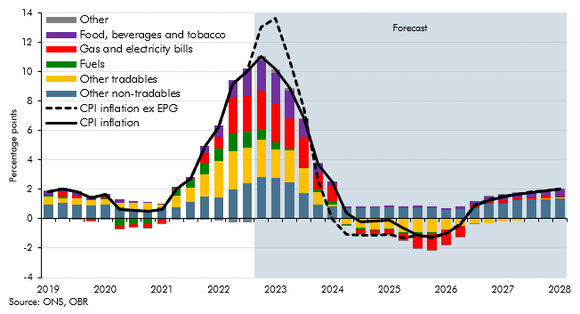

 |  | Food, beverages and tobacco | Gas and electricity bills | Fuels | Other tradables | Other non-tradables | Other | CPI inflation | CPI inflation ex EPG
 | 2019Q1 | 0.3 | 0.0 | 0.0 | 0.5 | 1.0 | 0.0 | 1.9 | 1.9
 | 2019Q2 | 0.3 | 0.3 | 0.1 | 0.3 | 1.1 | 0.0 | 2.0 | 2.0
 | 2019Q3 | 0.3 | 0.2 | 0.0 | 0.5 | 0.9 | 0.0 | 1.8 | 1.8
 | 2019Q4 | 0.3 | 0.0 | -0.1 | 0.4 | 0.9 | 0.0 | 1.4 | 1.4
 | 2020Q1 | 0.2 | 0.1 | 0.0 | 0.4 | 1.0 | 0.0 | 1.7 | 1.7
 | 2020Q2 | 0.2 | -0.2 | -0.5 | 0.3 | 0.8 | 0.0 | 0.6 | 0.6
 | 2020Q3 | 0.1 | -0.2 | -0.4 | 0.6 | 0.5 | 0.0 | 0.6 | 0.6
 | 2020Q4 | 0.0 | -0.3 | -0.3 | 0.5 | 0.6 | 0.0 | 0.5 | 0.5
 | 2021Q1 | 0.0 | -0.2 | -0.1 | 0.2 | 0.8 | 0.0 | 0.6 | 0.6
 | 2021Q2 | 0.0 | 0.1 | 0.5 | 0.7 | 0.8 | -0.1 | 2.1 | 2.1
 | 2021Q3 | 0.1 | 0.1 | 0.5 | 1.0 | 1.1 | 0.0 | 2.8 | 2.8
 | 2021Q4 | 0.5 | 0.7 | 0.8 | 1.6 | 1.5 | 0.0 | 4.9 | 4.9
 | 2022Q1 | 0.8 | 0.8 | 0.9 | 2.5 | 1.4 | -0.1 | 6.2 | 6.2
 | 2022Q2 | 1.2 | 2.4 | 1.2 | 2.6 | 2.0 | -0.2 | 9.2 | 9.2
 | 2022Q3 | 1.8 | 2.4 | 1.2 | 2.4 | 2.4 | -0.2 | 10.0 | 10.0
 | 2022Q4 | 2.0 | 2.7 | 0.7 | 2.5 | 2.8 | 0.3 | 11.1 | 13.0
 | 2023Q1 | 2.1 | 2.7 | 0.4 | 1.9 | 2.8 | 0.3 | 10.2 | 13.6
 | 2023Q2 | 1.9 | 2.0 | 0.2 | 2.1 | 2.5 | 0.2 | 8.9 | 10.8
 | 2023Q3 | 1.2 | 2.0 | 0.1 | 1.7 | 1.7 | 0.1 | 6.9 | 7.5
 | 2023Q4 | 0.6 | 1.1 | 0.2 | 0.8 | 1.0 | 0.0 | 3.8 | 2.6
 | 2024Q1 | 0.3 | 1.1 | 0.2 | 0.1 | 0.9 | 0.0 | 2.5 | -0.1
 | 2024Q2 | 0.1 | 0.0 | 0.0 | -0.4 | 0.7 | 0.0 | 0.4 | -1.1
 | 2024Q3 | 0.1 | -0.3 | -0.1 | -0.6 | 0.7 | 0.0 | -0.2 | -1.1
 | 2024Q4 | 0.1 | -0.2 | -0.1 | -0.7 | 0.8 | 0.0 | -0.1 | -1.1
 | 2025Q1 | 0.1 | -0.3 | -0.1 | -0.7 | 0.8 | 0.0 | -0.1 | -1.1
 | 2025Q2 | 0.1 | -0.5 | -0.1 | -0.9 | 0.7 | 0.0 | -0.6 | -1.3
 | 2025Q3 | 0.1 | -1.0 | -0.1 | -0.9 | 0.7 | 0.0 | -1.1 | -1.1
 | 2025Q4 | 0.1 | -1.1 | -0.1 | -0.9 | 0.7 | 0.0 | -1.3 | -1.3
 | 2026Q1 | 0.1 | -1.0 | -0.1 | -0.7 | 0.6 | 0.0 | -1.0 | -1.0
 | 2026Q2 | 0.2 | -0.7 | 0.0 | -0.5 | 0.6 | 0.0 | -0.4 | -0.3
 | 2026Q3 | 0.2 | 0.2 | 0.1 | -0.3 | 0.7 | 0.0 | 0.9 | 0.9
 | 2026Q4 | 0.3 | 0.2 | 0.1 | -0.3 | 1.0 | 0.0 | 1.2 | 1.3
 | 2027Q1 | 0.4 | 0.2 | 0.1 | -0.2 | 1.0 | 0.0 | 1.5 | 1.6
 | 2027Q2 | 0.3 | 0.1 | 0.0 | -0.1 | 1.3 | 0.0 | 1.7 | 1.7
 | 2027Q3 | 0.3 | 0.1 | 0.0 | 0.0 | 1.3 | 0.0 | 1.8 | 1.8
 | 2027Q4 | 0.3 | 0.1 | 0.0 | 0.0 | 1.3 | 0.0 | 1.9 | 1.9
 | 2028Q1 | 0.3 | 0.1 | 0.0 | 0.1 | 1.4 | 0.0 | 2.0 | 2.0

C.A
Back to contents
 | Chart A: Real household disposable income per person

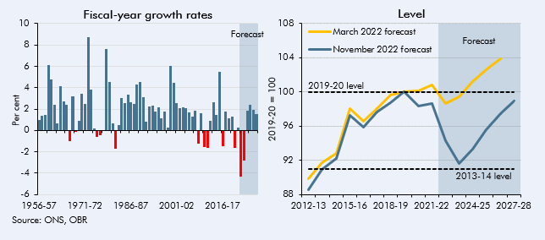

 | Fiscal-year growth rates |  | Fiscal-year levels
 |  | Annual growth | March 2022 forecast | November 2022 forecast
 | 1956-57 | 1.0
 | 1957-58 | 1.3
 | 1958-59 | 1.5
 | 1959-60 | 6.2
 | 1960-61 | 4.8
 | 1961-62 | 2.4
 | 1962-63 | 0.6
 | 1963-64 | 4.1
 | 1964-65 | 2.7
 | 1965-66 | 2.4
 | 1966-67 | -1.0
 | 1967-68 | 3.2
 | 1968-69 | -0.2
 | 1969-70 | 0.9
 | 1970-71 | 3.4
 | 1971-72 | 2.4
 | 1972-73 | 8.7
 | 1973-74 | 3.8
 | 1974-75 | 0.2
 | 1975-76 | -0.6
 | 1976-77 | -0.4
 | 1977-78 | 0.0
 | 1978-79 | 7.6
 | 1979-80 | 4.6
 | 1980-81 | 0.7
 | 1981-82 | -1.7
 | 1982-83 | 0.5
 | 1983-84 | 3.0
 | 1984-85 | 2.6
 | 1985-86 | 3.3
 | 1986-87 | 2.6
 | 1987-88 | 2.5
 | 1988-89 | 4.3
 | 1989-90 | 4.5
 | 1990-91 | 3.1
 | 1991-92 | 0.8
 | 1992-93 | 2.3
 | 1993-94 | 2.4
 | 1994-95 | 1.8
 | 1995-96 | 2.2
 | 1996-97 | 1.1
 | 1997-98 | 1.7
 | 1998-99 | 0.2
 | 1999-00 | 6.0
 | 2000-01 | 4.5
 | 2001-02 | 2.6
 | 2002-03 | 2.1
 | 2003-04 | 2.1
 | 2004-05 | 2.1
 | 2005-06 | 1.7
 | 2006-07 | 1.3
 | 2007-08 | 1.8
 | 2008-09 | -1.3
 | 2009-10 | 1.6
 | 2010-11 | -1.5
 | 2011-12 | -1.6
 | 2012-13 | 0.9 | 89.9 | 88.6
 | 2013-14 | 2.7 | 91.8 | 90.9
 | 2014-15 | 1.4 | 92.9 | 92.3
 | 2015-16 | 5.5 | 98.0 | 97.3
 | 2016-17 | -1.4 | 96.5 | 95.9
 | 2017-18 | 1.8 | 98.0 | 97.6
 | 2018-19 | 1.2 | 99.6 | 98.7
 | 2019-20 | 1.3 | 100.0 | 100.0
 | 2020-21 | -1.6 | 100.1 | 98.4
 | 2021-22 | 0.2 | 100.9 | 98.6
 | 2022-23 | -4.3 | 98.6 | 94.3
 | 2023-24 | -2.8 | 99.4 | 91.7
 | 2024-25 | 1.8 | 101.2 | 93.4
 | 2025-26 | 2.4 | 102.6 | 95.6
 | 2026-27 | 2.0 | 103.8 | 97.4
 | 2027-28 | 1.5 |  | 98.9

C.B
Back to contents
 | Chart B: Real household disposable income growth and net interest payments

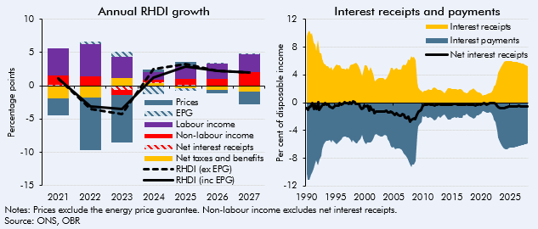

 | Contributions to annual RHDI growth
 |  | Labour income | Non-labour income | Net interest receipts | Net taxes and benefits | Prices | EPG | RHDI (ex EPG) | RHDI (inc EPG)
 | 2018 | 3.1 | 1.2 | 0.0 | -0.1 | -1.8 | 0.0 | 2.4 | 2.4
 | 2019 | 2.9 | 1.1 | 0.0 | -0.2 | -1.7 | 0.0 | 2.1 | 2.1
 | 2020 | 0.0 | -1.9 | 0.1 | 1.6 | -1.0 | 0.0 | -1.3 | -1.3
 | 2021 | 4.1 | 1.4 | 0.1 | -1.9 | -2.6 | 0.0 | 1.1 | 1.1
 | 2022 | 4.9 | 1.4 | -0.1 | -1.8 | -7.9 | 0.3 | -3.5 | -3.1
 | 2023 | 3.2 | -0.7 | -0.6 | 1.1 | -7.2 | 0.8 | -4.3 | -3.4
 | 2024 | 1.2 | 0.3 | 0.1 | 0.4 | 0.4 | -1.3 | 2.4 | 1.2
 | 2025 | 1.8 | 1.0 | 0.1 | -0.3 | 0.7 | -0.4 | 3.3 | 2.9
 | 2026 | 2.3 | 1.0 | 0.0 | -0.6 | -0.5 | 0.0 | 2.3 | 2.3
 | 2027 | 2.6 | 2.0 | -0.1 | -0.9 | -1.9 | 0.0 | 1.9 | 2.0

 | Interest as % HHDI
 |  | Interest receipts | Interest payments | Net interest receipts
 | 1990Q1 | 9.6 | -10.3 | -0.7
 | 1990Q2 | 10.0 | -11.1 | -1.0
 | 1990Q3 | 10.4 | -11.1 | -0.7
 | 1990Q4 | 9.8 | -10.4 | -0.6
 | 1991Q1 | 10.1 | -10.1 | 0.0
 | 1991Q2 | 8.6 | -9.5 | -0.9
 | 1991Q3 | 8.4 | -8.7 | -0.3
 | 1991Q4 | 7.4 | -8.3 | -0.9
 | 1992Q1 | 9.1 | -9.1 | 0.0
 | 1992Q2 | 7.2 | -8.2 | -1.0
 | 1992Q3 | 7.1 | -7.7 | -0.6
 | 1992Q4 | 6.3 | -6.7 | -0.3
 | 1993Q1 | 5.6 | -5.9 | -0.3
 | 1993Q2 | 5.5 | -5.6 | -0.1
 | 1993Q3 | 5.3 | -5.5 | -0.3
 | 1993Q4 | 5.3 | -5.4 | -0.1
 | 1994Q1 | 4.9 | -5.4 | -0.5
 | 1994Q2 | 5.1 | -5.7 | -0.6
 | 1994Q3 | 4.7 | -5.4 | -0.7
 | 1994Q4 | 5.0 | -5.6 | -0.6
 | 1995Q1 | 5.4 | -5.8 | -0.4
 | 1995Q2 | 5.5 | -6.0 | -0.4
 | 1995Q3 | 5.4 | -5.8 | -0.4
 | 1995Q4 | 5.4 | -5.5 | -0.1
 | 1996Q1 | 4.9 | -5.3 | -0.4
 | 1996Q2 | 4.9 | -5.1 | -0.2
 | 1996Q3 | 4.9 | -4.9 | 0.0
 | 1996Q4 | 4.8 | -4.8 | 0.0
 | 1997Q1 | 5.0 | -5.0 | 0.0
 | 1997Q2 | 4.8 | -5.0 | -0.1
 | 1997Q3 | 5.4 | -5.3 | 0.1
 | 1997Q4 | 5.5 | -5.7 | -0.2
 | 1998Q1 | 5.5 | -5.4 | 0.2
 | 1998Q2 | 5.7 | -5.6 | 0.1
 | 1998Q3 | 5.8 | -5.9 | -0.1
 | 1998Q4 | 5.7 | -5.9 | -0.2
 | 1999Q1 | 5.3 | -5.5 | -0.2
 | 1999Q2 | 4.6 | -5.2 | -0.6
 | 1999Q3 | 3.8 | -4.7 | -0.9
 | 1999Q4 | 4.3 | -5.1 | -0.8
 | 2000Q1 | 5.4 | -5.8 | -0.4
 | 2000Q2 | 5.4 | -5.9 | -0.5
 | 2000Q3 | 5.3 | -5.8 | -0.5
 | 2000Q4 | 4.6 | -5.7 | -1.2
 | 2001Q1 | 5.2 | -5.8 | -0.6
 | 2001Q2 | 4.5 | -5.5 | -1.0
 | 2001Q3 | 4.2 | -5.2 | -1.0
 | 2001Q4 | 3.1 | -4.6 | -1.5
 | 2002Q1 | 3.3 | -4.6 | -1.3
 | 2002Q2 | 3.4 | -4.7 | -1.3
 | 2002Q3 | 3.5 | -4.8 | -1.2
 | 2002Q4 | 3.6 | -4.9 | -1.3
 | 2003Q1 | 3.6 | -4.9 | -1.3
 | 2003Q2 | 3.6 | -4.8 | -1.2
 | 2003Q3 | 3.3 | -4.6 | -1.3
 | 2003Q4 | 3.6 | -4.7 | -1.1
 | 2004Q1 | 3.8 | -5.2 | -1.4
 | 2004Q2 | 4.3 | -5.6 | -1.4
 | 2004Q3 | 5.0 | -6.3 | -1.3
 | 2004Q4 | 5.1 | -6.5 | -1.4
 | 2005Q1 | 4.7 | -6.3 | -1.6
 | 2005Q2 | 4.9 | -6.7 | -1.8
 | 2005Q3 | 5.0 | -6.6 | -1.6
 | 2005Q4 | 4.8 | -6.6 | -1.8
 | 2006Q1 | 4.8 | -6.6 | -1.8
 | 2006Q2 | 4.8 | -6.7 | -1.9
 | 2006Q3 | 5.3 | -6.9 | -1.6
 | 2006Q4 | 5.5 | -7.3 | -1.8
 | 2007Q1 | 5.4 | -7.6 | -2.1
 | 2007Q2 | 5.8 | -8.0 | -2.2
 | 2007Q3 | 6.2 | -8.2 | -2.0
 | 2007Q4 | 6.1 | -8.9 | -2.8
 | 2008Q1 | 6.7 | -9.3 | -2.6
 | 2008Q2 | 6.5 | -8.9 | -2.4
 | 2008Q3 | 6.6 | -8.9 | -2.3
 | 2008Q4 | 6.1 | -8.5 | -2.4
 | 2009Q1 | 2.9 | -4.6 | -1.7
 | 2009Q2 | 2.2 | -3.4 | -1.2
 | 2009Q3 | 1.9 | -3.0 | -1.1
 | 2009Q4 | 1.8 | -2.8 | -1.0
 | 2010Q1 | 1.5 | -1.9 | -0.4
 | 2010Q2 | 1.7 | -2.0 | -0.3
 | 2010Q3 | 1.7 | -2.0 | -0.3
 | 2010Q4 | 1.9 | -2.2 | -0.3
 | 2011Q1 | 2.0 | -2.2 | -0.2
 | 2011Q2 | 1.9 | -2.1 | -0.3
 | 2011Q3 | 1.9 | -2.1 | -0.2
 | 2011Q4 | 2.1 | -2.4 | -0.3
 | 2012Q1 | 2.2 | -2.6 | -0.4
 | 2012Q2 | 2.1 | -2.4 | -0.3
 | 2012Q3 | 1.8 | -2.1 | -0.3
 | 2012Q4 | 1.8 | -2.0 | -0.2
 | 2013Q1 | 1.9 | -2.2 | -0.3
 | 2013Q2 | 1.7 | -2.0 | -0.3
 | 2013Q3 | 1.6 | -1.9 | -0.3
 | 2013Q4 | 1.4 | -1.7 | -0.3
 | 2014Q1 | 1.7 | -2.0 | -0.3
 | 2014Q2 | 2.0 | -2.4 | -0.3
 | 2014Q3 | 2.1 | -2.4 | -0.3
 | 2014Q4 | 2.1 | -2.4 | -0.3
 | 2015Q1 | 1.9 | -2.2 | -0.3
 | 2015Q2 | 2.0 | -2.2 | -0.2
 | 2015Q3 | 2.0 | -2.1 | -0.2
 | 2015Q4 | 2.0 | -2.2 | -0.2
 | 2016Q1 | 1.8 | -2.1 | -0.3
 | 2016Q2 | 2.0 | -2.2 | -0.3
 | 2016Q3 | 1.9 | -2.2 | -0.3
 | 2016Q4 | 1.9 | -2.2 | -0.3
 | 2017Q1 | 1.6 | -1.9 | -0.3
 | 2017Q2 | 1.5 | -1.8 | -0.3
 | 2017Q3 | 1.4 | -1.6 | -0.2
 | 2017Q4 | 1.5 | -1.8 | -0.3
 | 2018Q1 | 1.7 | -2.0 | -0.3
 | 2018Q2 | 1.8 | -2.1 | -0.3
 | 2018Q3 | 1.9 | -2.2 | -0.3
 | 2018Q4 | 2.0 | -2.3 | -0.3
 | 2019Q1 | 1.8 | -2.2 | -0.4
 | 2019Q2 | 1.6 | -1.9 | -0.3
 | 2019Q3 | 1.5 | -1.8 | -0.3
 | 2019Q4 | 1.5 | -1.7 | -0.2
 | 2020Q1 | 1.3 | -1.6 | -0.3
 | 2020Q2 | 1.0 | -1.2 | -0.2
 | 2020Q3 | 1.1 | -1.2 | -0.1
 | 2020Q4 | 1.1 | -1.3 | -0.2
 | 2021Q1 | 1.3 | -1.5 | -0.2
 | 2021Q2 | 1.3 | -1.5 | -0.1
 | 2021Q3 | 1.3 | -1.4 | -0.1
 | 2021Q4 | 1.5 | -1.5 | -0.1
 | 2022Q1 | 1.9 | -1.9 | 0.0
 | 2022Q2 | 2.3 | -2.4 | 0.0
 | 2022Q3 | 2.6 | -2.8 | -0.1
 | 2022Q4 | 3.6 | -4.1 | -0.5
 | 2023Q1 | 4.3 | -4.9 | -0.7
 | 2023Q2 | 4.8 | -5.7 | -0.8
 | 2023Q3 | 5.3 | -6.1 | -0.8
 | 2023Q4 | 5.6 | -6.4 | -0.8
 | 2024Q1 | 5.9 | -6.6 | -0.7
 | 2024Q2 | 6.0 | -6.7 | -0.7
 | 2024Q3 | 6.0 | -6.7 | -0.6
 | 2024Q4 | 6.0 | -6.6 | -0.6
 | 2025Q1 | 6.0 | -6.5 | -0.6
 | 2025Q2 | 5.9 | -6.5 | -0.6
 | 2025Q3 | 5.9 | -6.5 | -0.5
 | 2025Q4 | 5.9 | -6.4 | -0.5
 | 2026Q1 | 5.9 | -6.4 | -0.5
 | 2026Q2 | 5.8 | -6.3 | -0.5
 | 2026Q3 | 5.7 | -6.2 | -0.5
 | 2026Q4 | 5.7 | -6.2 | -0.5
 | 2027Q1 | 5.6 | -6.1 | -0.5
 | 2027Q2 | 5.6 | -6.1 | -0.5
 | 2027Q3 | 5.5 | -6.0 | -0.5
 | 2027Q4 | 5.4 | -6.0 | -0.6
 | 2028Q1 | 5.3 | -5.9 | -0.6

C.C
Back to contents
 | Chart C: Electricity and gas spending and household saving ratio

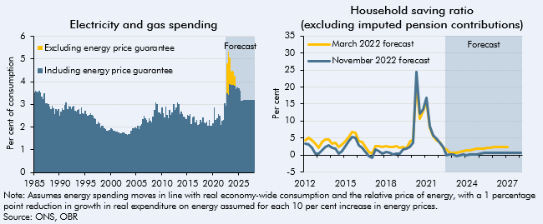

 | Electricity and gas spending |  |  | Household saving ratio
 |  | Including energy price guarantee | Excluding energy price guarantee |  | March 2022 forecast | November 2022 forecast
 | 1985Q1 | 3.5 |  | 2012Q1 | 4.4 | 3.3
 | 1985Q2 | 3.6 |  | 2012Q2 | 5.1 | 3.1
 | 1985Q3 | 3.6 |  | 2012Q3 | 4.5 | 2.2
 | 1985Q4 | 3.5 |  | 2012Q4 | 3.4 | 0.4
 | 1986Q1 | 3.6 |  | 2013Q1 | 2.0 | 0.3
 | 1986Q2 | 3.5 |  | 2013Q2 | 3.9 | 1.5
 | 1986Q3 | 3.3 |  | 2013Q3 | 4.7 | 2.4
 | 1986Q4 | 3.2 |  | 2013Q4 | 4.5 | 2.9
 | 1987Q1 | 3.5 |  | 2014Q1 | 3.3 | 2.1
 | 1987Q2 | 3.1 |  | 2014Q2 | 3.6 | 1.8
 | 1987Q3 | 3.1 |  | 2014Q3 | 2.5 | 0.4
 | 1987Q4 | 3.0 |  | 2014Q4 | 3.0 | 1.1
 | 1988Q1 | 2.9 |  | 2015Q1 | 4.0 | 2.5
 | 1988Q2 | 2.8 |  | 2015Q2 | 5.4 | 4.0
 | 1988Q3 | 2.9 |  | 2015Q3 | 6.9 | 5.3
 | 1988Q4 | 2.8 |  | 2015Q4 | 6.6 | 5.1
 | 1989Q1 | 2.6 |  | 2016Q1 | 4.0 | 2.9
 | 1989Q2 | 2.8 |  | 2016Q2 | 3.9 | 2.2
 | 1989Q3 | 2.7 |  | 2016Q3 | 2.3 | 0.8
 | 1989Q4 | 2.8 |  | 2016Q4 | 0.9 | -0.2
 | 1990Q1 | 2.5 |  | 2017Q1 | 0.5 | -0.9
 | 1990Q2 | 2.7 |  | 2017Q2 | 2.5 | 1.6
 | 1990Q3 | 2.8 |  | 2017Q3 | 2.7 | 1.0
 | 1990Q4 | 2.7 |  | 2017Q4 | 2.4 | 0.5
 | 1991Q1 | 3.0 |  | 2018Q1 | 2.5 | 0.8
 | 1991Q2 | 3.1 |  | 2018Q2 | 2.5 | 0.6
 | 1991Q3 | 2.8 |  | 2018Q3 | 2.3 | 0.3
 | 1991Q4 | 2.9 |  | 2018Q4 | 2.6 | 0.4
 | 1992Q1 | 2.9 |  | 2019Q1 | 2.2 | 0.4
 | 1992Q2 | 2.8 |  | 2019Q2 | 2.4 | 1.5
 | 1992Q3 | 2.9 |  | 2019Q3 | 1.9 | 1.8
 | 1992Q4 | 2.9 |  | 2019Q4 | 3.8 | 2.3
 | 1993Q1 | 2.7 |  | 2020Q1 | 4.5 | 3.6
 | 1993Q2 | 2.7 |  | 2020Q2 | 21.5 | 24.4
 | 1993Q3 | 2.8 |  | 2020Q3 | 10.8 | 12.2
 | 1993Q4 | 2.8 |  | 2020Q4 | 12.8 | 13.5
 | 1994Q1 | 2.6 |  | 2021Q1 | 15.9 | 16.8
 | 1994Q2 | 2.9 |  | 2021Q2 | 8.0 | 8.6
 | 1994Q3 | 2.6 |  | 2021Q3 | 5.5 | 5.8
 | 1994Q4 | 2.6 |  | 2021Q4 | 4.3 | 4.8
 | 1995Q1 | 2.7 |  | 2022Q1 | 3.9 | 3.7
 | 1995Q2 | 2.6 |  | 2022Q2 | 2.2 | 2.5
 | 1995Q3 | 2.5 |  | 2022Q3 | 1.6 | -0.1
 | 1995Q4 | 2.5 |  | 2022Q4 | 0.7 | 0.1
 | 1996Q1 | 2.6 |  | 2023Q1 | 0.7 | 0.2
 | 1996Q2 | 2.5 |  | 2023Q2 | 0.8 | -0.3
 | 1996Q3 | 2.5 |  | 2023Q3 | 1.0 | 0.0
 | 1996Q4 | 2.4 |  | 2023Q4 | 1.3 | 0.2
 | 1997Q1 | 2.3 |  | 2024Q1 | 1.4 | 0.1
 | 1997Q2 | 2.1 |  | 2024Q2 | 1.4 | 0.1
 | 1997Q3 | 2.2 |  | 2024Q3 | 1.6 | 0.2
 | 1997Q4 | 2.2 |  | 2024Q4 | 1.8 | 0.2
 | 1998Q1 | 2.0 |  | 2025Q1 | 1.9 | 0.4
 | 1998Q2 | 2.1 |  | 2025Q2 | 1.9 | 0.6
 | 1998Q3 | 2.1 |  | 2025Q3 | 2.1 | 0.6
 | 1998Q4 | 2.0 |  | 2025Q4 | 2.2 | 0.6
 | 1999Q1 | 1.9 |  | 2026Q1 | 2.3 | 0.6
 | 1999Q2 | 1.8 |  | 2026Q2 | 2.3 | 0.6
 | 1999Q3 | 1.8 |  | 2026Q3 | 2.3 | 0.6
 | 1999Q4 | 1.9 |  | 2026Q4 | 2.4 | 0.7
 | 2000Q1 | 1.9 |  | 2027Q1 | 2.4 | 0.7
 | 2000Q2 | 1.9 |  | 2027Q2 |  | 0.7
 | 2000Q3 | 1.8 |  | 2027Q3 |  | 0.7
 | 2000Q4 | 1.8 |  | 2027Q4 |  | 0.7
 | 2001Q1 | 1.8 |  | 2028Q1 |  | 0.7
 | 2001Q2 | 1.8
 | 2001Q3 | 1.8
 | 2001Q4 | 1.7
 | 2002Q1 | 1.7
 | 2002Q2 | 1.8
 | 2002Q3 | 1.8
 | 2002Q4 | 1.7
 | 2003Q1 | 1.7
 | 2003Q2 | 1.6
 | 2003Q3 | 1.7
 | 2003Q4 | 1.7
 | 2004Q1 | 1.8
 | 2004Q2 | 1.9
 | 2004Q3 | 1.9
 | 2004Q4 | 2.0
 | 2005Q1 | 2.0
 | 2005Q2 | 2.1
 | 2005Q3 | 1.9
 | 2005Q4 | 2.0
 | 2006Q1 | 2.1
 | 2006Q2 | 2.4
 | 2006Q3 | 2.5
 | 2006Q4 | 2.4
 | 2007Q1 | 2.3
 | 2007Q2 | 2.2
 | 2007Q3 | 2.4
 | 2007Q4 | 2.3
 | 2008Q1 | 2.2
 | 2008Q2 | 2.5
 | 2008Q3 | 2.8
 | 2008Q4 | 3.1
 | 2009Q1 | 3.0
 | 2009Q2 | 2.6
 | 2009Q3 | 2.6
 | 2009Q4 | 2.6
 | 2010Q1 | 2.9
 | 2010Q2 | 2.6
 | 2010Q3 | 2.4
 | 2010Q4 | 2.9
 | 2011Q1 | 2.5
 | 2011Q2 | 2.4
 | 2011Q3 | 2.8
 | 2011Q4 | 2.5
 | 2012Q1 | 2.6
 | 2012Q2 | 3.0
 | 2012Q3 | 2.7
 | 2012Q4 | 2.9
 | 2013Q1 | 3.1
 | 2013Q2 | 3.0
 | 2013Q3 | 2.6
 | 2013Q4 | 2.7
 | 2014Q1 | 2.6
 | 2014Q2 | 2.4
 | 2014Q3 | 2.4
 | 2014Q4 | 2.4
 | 2015Q1 | 2.5
 | 2015Q2 | 2.5
 | 2015Q3 | 2.6
 | 2015Q4 | 2.1
 | 2016Q1 | 2.4
 | 2016Q2 | 2.5
 | 2016Q3 | 2.2
 | 2016Q4 | 2.3
 | 2017Q1 | 2.1
 | 2017Q2 | 2.1
 | 2017Q3 | 2.3
 | 2017Q4 | 2.2
 | 2018Q1 | 2.4
 | 2018Q2 | 2.2
 | 2018Q3 | 2.2
 | 2018Q4 | 2.2
 | 2019Q1 | 2.1
 | 2019Q2 | 2.3
 | 2019Q3 | 2.0
 | 2019Q4 | 2.0
 | 2020Q1 | 2.2
 | 2020Q2 | 2.9
 | 2020Q3 | 2.3
 | 2020Q4 | 2.4
 | 2021Q1 | 2.6
 | 2021Q2 | 2.5
 | 2021Q3 | 2.1
 | 2021Q4 | 2.3
 | 2022Q1 | 2.3
 | 2022Q2 | 3.1
 | 2022Q3 | 3.0 | 0.0
 | 2022Q4 | 3.5 | 1.3
 | 2023Q1 | 3.4 | 1.9
 | 2023Q2 | 3.9 | 1.2
 | 2023Q3 | 3.9 | 0.6
 | 2023Q4 | 3.9 | 0.6
 | 2024Q1 | 3.9 | 0.6
 | 2024Q2 | 3.8 | 0.4
 | 2024Q3 | 3.7
 | 2024Q4 | 3.7
 | 2025Q1 | 3.7
 | 2025Q2 | 3.6
 | 2025Q3 | 3.2
 | 2025Q4 | 3.2
 | 2026Q1 | 3.2
 | 2026Q2 | 3.2
 | 2026Q3 | 3.2
 | 2026Q4 | 3.2
 | 2027Q1 | 3.2
 | 2027Q2 | 3.2
 | 2027Q3 | 3.2
 | 2027Q4 | 3.2
 | 2028Q1 | 3.2

C.5
Back to contents
 | Chart 5: Potential output growth

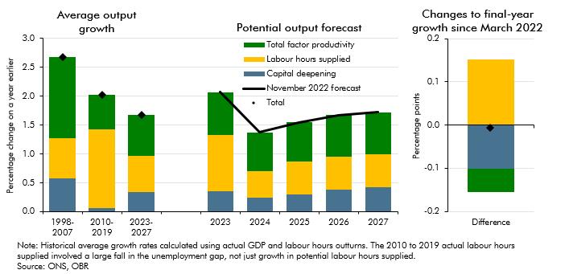

 |  | Labour hours supplied | Capital deepening | Total factor productivity | November 2022 forecast
 | 1998-2007 | 0.7 | 0.6 | 1.4
 | 2010-2019 | 1.4 | 0.1 | 0.6
 | 2023-2027 | 0.6 | 0.4 | 0.7
 | 2023 | 1.0 | 0.4 | 0.7 | 2.1
 | 2024 | 0.5 | 0.2 | 0.7 | 1.4
 | 2025 | 0.6 | 0.3 | 0.7 | 1.5
 | 2026 | 0.6 | 0.4 | 0.7 | 1.7
 | 2027 | 0.6 | 0.4 | 0.7 | 1.7
 | Difference since March | 0.2 | -0.1 | -0.1 | 0.0

C.6
Back to contents
 | Chart 6: Non-EU, non-visitor visas issued and net migration

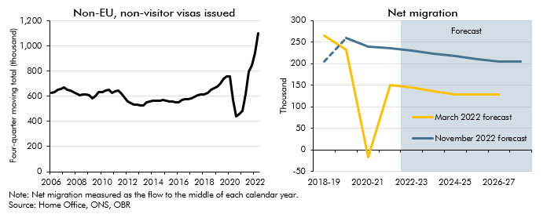

 | Non-visitor Visas issued (thousands) |  | Net migration (thousands)
 | 2006Q1 | 627 |  | March 2022 forecast | November 2022 forecast
 | 2006Q2 | 634 | 2018-19 | 265 | 206
 | 2006Q3 | 653 | 2019-20 | 232 | 260
 | 2006Q4 | 661 | 2020-21 | -17 | 239
 | 2007Q1 | 667 | 2021-22 | 151 | 237
 | 2007Q2 | 653 | 2022-23 | 144 | 231
 | 2007Q3 | 648 | 2023-24 | 136 | 224
 | 2007Q4 | 635 | 2024-25 | 129 | 217
 | 2008Q1 | 618 | 2025-26 | 129 | 212
 | 2008Q2 | 605 | 2026-27 | 129 | 205
 | 2008Q3 | 615 | 2027-28 |  | 205
 | 2008Q4 | 617
 | 2009Q1 | 611
 | 2009Q2 | 584
 | 2009Q3 | 603
 | 2009Q4 | 630
 | 2010Q1 | 636
 | 2010Q2 | 648
 | 2010Q3 | 649
 | 2010Q4 | 627
 | 2011Q1 | 639
 | 2011Q2 | 645
 | 2011Q3 | 623
 | 2011Q4 | 592
 | 2012Q1 | 557
 | 2012Q2 | 547
 | 2012Q3 | 534
 | 2012Q4 | 534
 | 2013Q1 | 525
 | 2013Q2 | 527
 | 2013Q3 | 553
 | 2013Q4 | 557
 | 2014Q1 | 563
 | 2014Q2 | 563
 | 2014Q3 | 567
 | 2014Q4 | 570
 | 2015Q1 | 566
 | 2015Q2 | 561
 | 2015Q3 | 557
 | 2015Q4 | 554
 | 2016Q1 | 551
 | 2016Q2 | 573
 | 2016Q3 | 578
 | 2016Q4 | 576
 | 2017Q1 | 583
 | 2017Q2 | 595
 | 2017Q3 | 607
 | 2017Q4 | 612
 | 2018Q1 | 613
 | 2018Q2 | 626
 | 2018Q3 | 653
 | 2018Q4 | 662
 | 2019Q1 | 678
 | 2019Q2 | 699
 | 2019Q3 | 736
 | 2019Q4 | 758
 | 2020Q1 | 754
 | 2020Q2 | 570
 | 2020Q3 | 437
 | 2020Q4 | 460
 | 2021Q1 | 480
 | 2021Q2 | 616
 | 2021Q3 | 797
 | 2021Q4 | 846
 | 2022Q1 | 943
 | 2022Q2 | 1098

C.7
Back to contents
 | Chart 7: Business investment

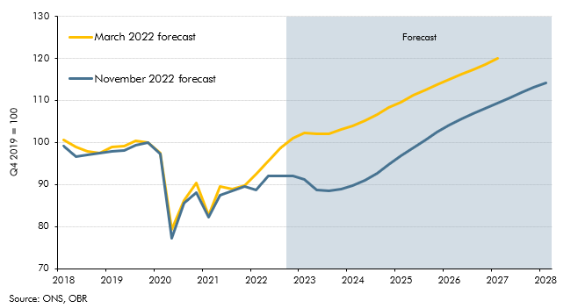

 |  | March 2022 forecast | November 2022 forecast
 | 2018Q1 | 100.6 | 99.1
 | 2018Q2 | 98.9 | 96.7
 | 2018Q3 | 97.8 | 96.9
 | 2018Q4 | 97.4 | 97.4
 | 2019Q1 | 99.0 | 97.8
 | 2019Q2 | 99.1 | 98.1
 | 2019Q3 | 100.3 | 99.2
 | 2019Q4 | 100.0 | 100.0
 | 2020Q1 | 97.4 | 97.3
 | 2020Q2 | 79.3 | 77.1
 | 2020Q3 | 86.1 | 85.6
 | 2020Q4 | 90.4 | 88.0
 | 2021Q1 | 82.6 | 82.3
 | 2021Q2 | 89.5 | 87.5
 | 2021Q3 | 88.8 | 88.5
 | 2021Q4 | 89.6 | 89.4
 | 2022Q1 | 92.5 | 88.8
 | 2022Q2 | 95.5 | 92.0
 | 2022Q3 | 98.6 | 92.1
 | 2022Q4 | 101.1 | 92.0
 | 2023Q1 | 102.3 | 91.1
 | 2023Q2 | 102.0 | 88.7
 | 2023Q3 | 102.1 | 88.4
 | 2023Q4 | 103.1 | 88.9
 | 2024Q1 | 104.0 | 89.7
 | 2024Q2 | 105.2 | 90.9
 | 2024Q3 | 106.7 | 92.8
 | 2024Q4 | 108.2 | 94.8
 | 2025Q1 | 109.7 | 96.7
 | 2025Q2 | 111.1 | 98.6
 | 2025Q3 | 112.6 | 100.5
 | 2025Q4 | 113.8 | 102.4
 | 2026Q1 | 115.0 | 104.2
 | 2026Q2 | 116.2 | 105.6
 | 2026Q3 | 117.4 | 106.9
 | 2026Q4 | 118.6 | 108.1
 | 2027Q1 | 119.9 | 109.3
 | 2027Q2 |  | 110.6
 | 2027Q3 |  | 111.9
 | 2027Q4 |  | 113.1
 | 2028Q1 |  | 114.2

C.8
Back to contents
 | Chart 8: Real GDP growth and the output gap

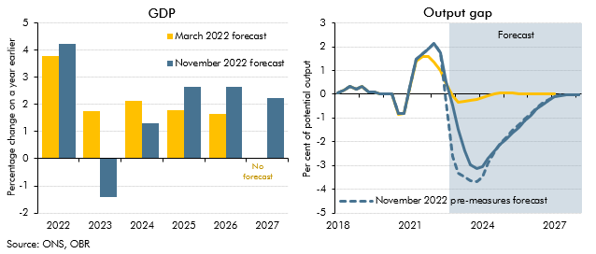

 | Real GDP growth |  |  | Output gap
 |  | March 2022 forecast | November 2022 forecast |  | March 2022 forecast | November 2022 forecast | November 2022 pre-measures forecast
 | 2022 | 3.8 | 4.2 | 2018Q1 | 0.1 | 0.1 | 0.1
 | 2023 | 1.8 | -1.4 | 2018Q2 | 0.2 | 0.2 | 0.2
 | 2024 | 2.1 | 1.3 | 2018Q3 | 0.3 | 0.3 | 0.3
 | 2025 | 1.8 | 2.6 | 2018Q4 | 0.2 | 0.2 | 0.2
 | 2026 | 1.7 | 2.7 | 2019Q1 | 0.3 | 0.3 | 0.3
 | 2027 |  | 2.2 | 2019Q2 | 0.1 | 0.1 | 0.1
 |  |  |  | 2019Q3 | 0.1 | 0.1 | 0.1
 |  |  |  | 2019Q4 | 0.0 | 0.0 | 0.0
 |  |  |  | 2020Q1 | 0.0 | 0.0 | 0.0
 |  |  |  | 2020Q2 | 0.0 | 0.0 | 0.0
 |  |  |  | 2020Q3 | -0.8 | -0.8 | -0.8
 |  |  |  | 2020Q4 | -0.8 | -0.8 | -0.8
 |  |  |  | 2021Q1 | 0.4 | 0.5 | 0.5
 |  |  |  | 2021Q2 | 1.4 | 1.5 | 1.5
 |  |  |  | 2021Q3 | 1.6 | 1.7 | 1.7
 |  |  |  | 2021Q4 | 1.6 | 1.9 | 1.9
 |  |  |  | 2022Q1 | 1.3 | 2.1 | 2.1
 |  |  |  | 2022Q2 | 1.0 | 1.7 | 1.7
 |  |  |  | 2022Q3 | 0.4 | 0.5 | -0.3
 |  |  |  | 2022Q4 | 0.0 | -0.5 | -2.6
 |  |  |  | 2023Q1 | -0.3 | -1.5 | -3.3
 |  |  |  | 2023Q2 | -0.3 | -2.4 | -3.5
 |  |  |  | 2023Q3 | -0.3 | -2.9 | -3.6
 |  |  |  | 2023Q4 | -0.2 | -3.1 | -3.7
 |  |  |  | 2024Q1 | -0.1 | -3.0 | -3.5
 |  |  |  | 2024Q2 | 0.0 | -2.7 | -2.9
 |  |  |  | 2024Q3 | 0.0 | -2.4 | -2.4
 |  |  |  | 2024Q4 | 0.1 | -2.1 | -2.1
 |  |  |  | 2025Q1 | 0.1 | -1.9 | -1.8
 |  |  |  | 2025Q2 | 0.0 | -1.6 | -1.5
 |  |  |  | 2025Q3 | 0.0 | -1.4 | -1.3
 |  |  |  | 2025Q4 | 0.0 | -1.1 | -1.0
 |  |  |  | 2026Q1 | 0.0 | -0.9 | -0.8
 |  |  |  | 2026Q2 | 0.0 | -0.6 | -0.6
 |  |  |  | 2026Q3 | 0.0 | -0.4 | -0.4
 |  |  |  | 2026Q4 | 0.0 | -0.3 | -0.2
 |  |  |  | 2027Q1 | 0.0 | -0.1 | -0.1
 |  |  |  | 2027Q2 |  | 0.0 | 0.0
 |  |  |  | 2027Q3 |  | 0.0 | 0.0
 |  |  |  | 2027Q4 |  | 0.0 | 0.0
 |  |  |  | 2028Q1 |  | 0.0 | 0.0

C.9
Back to contents
 | Chart 9: Cumulative contributions to change in GDP growth from March forecast

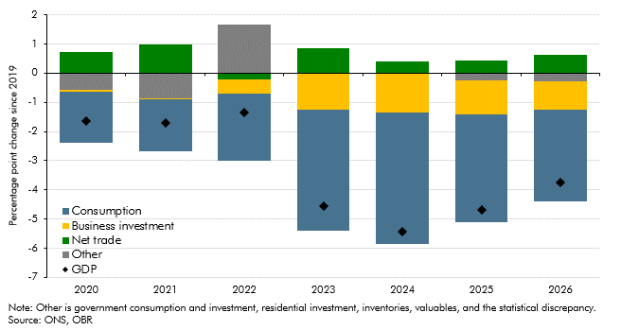

 | Difference in cumulative contributions
 |  | GDP | Consumption | Business investment | Net trade | Other
 | 2020 | -1.6 | -1.7 | -0.1 | 0.7 | -0.6
 | 2021 | -1.7 | -1.8 | 0.0 | 1.0 | -0.9
 | 2022 | -1.3 | -2.3 | -0.5 | -0.2 | 1.7
 | 2023 | -4.6 | -4.2 | -1.2 | 0.8 | 0.0
 | 2024 | -5.4 | -4.5 | -1.3 | 0.4 | 0.0
 | 2025 | -4.7 | -3.7 | -1.1 | 0.4 | -0.3
 | 2026 | -3.7 | -3.1 | -1.0 | 0.6 | -0.3

C.10
Back to contents
 | C10: Current account balance

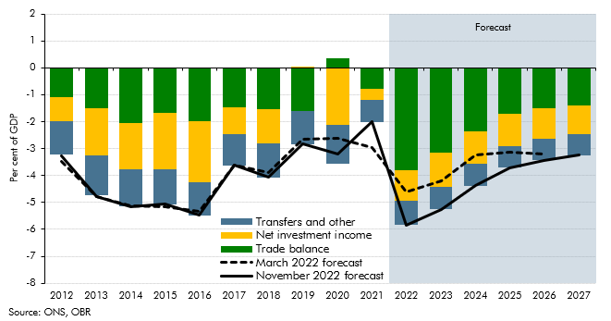

 | Per cent of GDP
 |  | Transfers and other | Net investment income | Trade balance | March 2022 forecast | November 2022 forecast
 | 2012 | -1.2 | -0.9 | -1.1 | -3.5 | -3.3
 | 2013 | -1.5 | -1.7 | -1.6 | -4.8 | -4.8
 | 2014 | -1.3 | -1.7 | -2.1 | -5.1 | -5.2
 | 2015 | -1.3 | -2.1 | -1.7 | -5.2 | -5.1
 | 2016 | -1.3 | -2.3 | -2.0 | -5.3 | -5.5
 | 2017 | -1.2 | -1.0 | -1.5 | -3.6 | -3.6
 | 2018 | -1.2 | -1.3 | -1.5 | -3.9 | -4.1
 | 2019 | -1.2 | 0.0 | -1.6 | -2.7 | -2.8
 | 2020 | -1.4 | -2.1 | 0.4 | -2.6 | -3.2
 | 2021 | -0.8 | -0.4 | -0.8 | -3.0 | -2.0
 | 2022 | -0.9 | -1.1 | -3.8 | -4.6 | -5.8
 | 2023 | -0.8 | -1.3 | -3.2 | -4.2 | -5.2
 | 2024 | -0.8 | -1.2 | -2.3 | -3.3 | -4.4
 | 2025 | -0.8 | -1.2 | -1.7 | -3.1 | -3.7
 | 2026 | -0.8 | -1.1 | -1.5 | -3.2 | -3.4
 | 2027 | -0.8 | -1.1 | -1.4 |  | -3.2

 | Correction on 24 Nov 2022: In the published Economic and fiscal outlook, the trade balance outturn data included in this chart were incorrectly linked.
 | The current account balance is unaffected by this error. We have made this correction to the chart and the highlighted cells above.

C.11
Back to contents
 | Chart 11: Unemployment rate

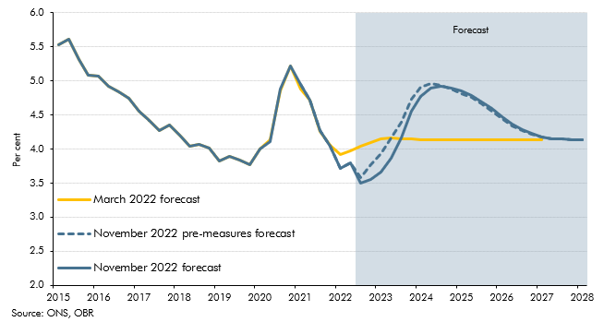

 |  | March 2022 forecast | November 2022 forecast | November 2022 pre-measures forecast
 | 2015Q1 | 5.5 | 5.5 | 5.5
 | 2015Q2 | 5.6 | 5.6 | 5.6
 | 2015Q3 | 5.3 | 5.3 | 5.3
 | 2015Q4 | 5.1 | 5.1 | 5.1
 | 2016Q1 | 5.1 | 5.1 | 5.1
 | 2016Q2 | 4.9 | 4.9 | 4.9
 | 2016Q3 | 4.8 | 4.8 | 4.8
 | 2016Q4 | 4.7 | 4.7 | 4.7
 | 2017Q1 | 4.6 | 4.6 | 4.6
 | 2017Q2 | 4.4 | 4.4 | 4.4
 | 2017Q3 | 4.3 | 4.3 | 4.3
 | 2017Q4 | 4.4 | 4.4 | 4.4
 | 2018Q1 | 4.2 | 4.2 | 4.2
 | 2018Q2 | 4.0 | 4.0 | 4.0
 | 2018Q3 | 4.1 | 4.1 | 4.1
 | 2018Q4 | 4.0 | 4.0 | 4.0
 | 2019Q1 | 3.8 | 3.8 | 3.8
 | 2019Q2 | 3.9 | 3.9 | 3.9
 | 2019Q3 | 3.8 | 3.8 | 3.8
 | 2019Q4 | 3.8 | 3.8 | 3.8
 | 2020Q1 | 4.0 | 4.0 | 4.0
 | 2020Q2 | 4.1 | 4.1 | 4.1
 | 2020Q3 | 4.8 | 4.9 | 4.9
 | 2020Q4 | 5.2 | 5.2 | 5.2
 | 2021Q1 | 4.9 | 4.9 | 4.9
 | 2021Q2 | 4.7 | 4.7 | 4.7
 | 2021Q3 | 4.3 | 4.3 | 4.3
 | 2021Q4 | 4.1 | 4.0 | 4.0
 | 2022Q1 | 3.9 | 3.7 | 3.7
 | 2022Q2 | 4.0 | 3.8 | 3.8
 | 2022Q3 | 4.0 | 3.5 | 3.6
 | 2022Q4 | 4.1 | 3.6 | 3.8
 | 2023Q1 | 4.2 | 3.7 | 3.9
 | 2023Q2 | 4.2 | 3.9 | 4.2
 | 2023Q3 | 4.2 | 4.2 | 4.4
 | 2023Q4 | 4.1 | 4.6 | 4.7
 | 2024Q1 | 4.1 | 4.8 | 4.9
 | 2024Q2 | 4.1 | 4.9 | 5.0
 | 2024Q3 | 4.1 | 4.9 | 4.9
 | 2024Q4 | 4.1 | 4.9 | 4.9
 | 2025Q1 | 4.1 | 4.8 | 4.8
 | 2025Q2 | 4.1 | 4.8 | 4.8
 | 2025Q3 | 4.1 | 4.7 | 4.7
 | 2025Q4 | 4.1 | 4.6 | 4.6
 | 2026Q1 | 4.1 | 4.5 | 4.4
 | 2026Q2 | 4.1 | 4.4 | 4.3
 | 2026Q3 | 4.1 | 4.3 | 4.3
 | 2026Q4 | 4.1 | 4.2 | 4.2
 | 2027Q1 | 4.1 | 4.2 | 4.2
 | 2027Q2 |  | 4.2 | 4.2
 | 2027Q3 |  | 4.1 | 4.1
 | 2027Q4 |  | 4.1 | 4.1
 | 2028Q1 |  | 4.1 | 4.1

C.12
Back to contents
 | Chart 12: Participation and change in activity

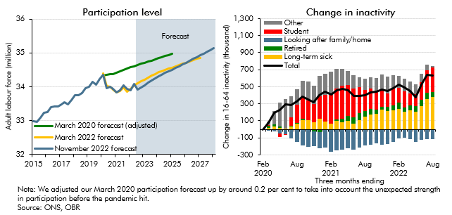

 | Participation level |  |  |  | Change in activity
 |  | March 2020 forecast (adjusted) | March 2022 forecast | November 2022 forecast |  | Total | Student | Looking after family/home | Long-term sick | Retired | Other
 | 2015Q1 | 33.0 | 33.0 | 33.0 | Feb 2020 | 0 | 0 | 0 | 0 | 0 | 0
 | 2015Q2 | 33.0 | 33.0 | 33.0 | Mar 2020 | 76.3 | 14.2 | -13.7 | 15.1 | 23.1 | 37.5
 | 2015Q3 | 33.1 | 33.1 | 33.1 | Apr 2020 | 195.9 | 2.7 | -23.0 | 36.2 | 23.3 | 156.6
 | 2015Q4 | 33.2 | 33.2 | 33.2 | May 2020 | 224.2 | -40.7 | -48.5 | 14.2 | 17.4 | 281.8
 | 2016Q1 | 33.3 | 33.3 | 33.3 | Jun 2020 | 290.2 | -4.3 | -48.8 | 10.8 | -10.4 | 342.9
 | 2016Q2 | 33.4 | 33.4 | 33.4 | Jul 2020 | 283.6 | 92.5 | -106.1 | 36.0 | 9.6 | 251.6
 | 2016Q3 | 33.4 | 33.4 | 33.4 | Aug 2020 | 328.1 | 207.4 | -144.8 | 64.2 | 14.5 | 186.6
 | 2016Q4 | 33.4 | 33.4 | 33.4 | Sep 2020 | 381.8 | 246.3 | -185.9 | 108.0 | 13.2 | 200.2
 | 2017Q1 | 33.5 | 33.5 | 33.5 | Oct 2020 | 348.5 | 226.4 | -209.1 | 106.0 | 5.5 | 219.7
 | 2017Q2 | 33.6 | 33.6 | 33.6 | Nov 2020 | 319.5 | 218.1 | -174.9 | 82.0 | -21.1 | 215.4
 | 2017Q3 | 33.5 | 33.5 | 33.5 | Dec 2020 | 403.2 | 266.0 | -192.3 | 120.7 | -29.9 | 238.8
 | 2017Q4 | 33.6 | 33.6 | 33.6 | Jan 2021 | 438.7 | 312.1 | -203.7 | 91.6 | -10.3 | 249.0
 | 2018Q1 | 33.8 | 33.8 | 33.8 | Feb 2021 | 411.9 | 339.4 | -254.0 | 67.5 | -6.9 | 265.8
 | 2018Q2 | 33.7 | 33.7 | 33.7 | Mar 2021 | 460.6 | 363.7 | -247.4 | 95.9 | 17.9 | 230.6
 | 2018Q3 | 33.8 | 33.8 | 33.8 | Apr 2021 | 470.8 | 390.7 | -241.2 | 84.7 | 35.9 | 200.7
 | 2018Q4 | 34.0 | 34.0 | 34.0 | May 2021 | 461.0 | 364.8 | -226.2 | 100.9 | 56.6 | 164.9
 | 2019Q1 | 34.0 | 34.0 | 34.0 | Jun 2021 | 394.0 | 341.2 | -240.8 | 70.0 | 67.8 | 155.7
 | 2019Q2 | 34.1 | 34.1 | 34.1 | Jul 2021 | 395.2 | 303.4 | -213.7 | 109.4 | 80.7 | 115.4
 | 2019Q3 | 34.1 | 34.1 | 34.1 | Aug 2021 | 403.2 | 254.9 | -192.2 | 149.6 | 61.2 | 129.7
 | 2019Q4 | 34.2 | 34.2 | 34.2 | Sep 2021 | 430.8 | 231.7 | -183.0 | 174.9 | 68.6 | 138.5
 | 2020Q1 | 34.3 | 34.4 | 34.4 | Oct 2021 | 442.8 | 210.2 | -161.9 | 182.1 | 45.9 | 166.4
 | 2020Q2 | 34.4 | 34.0 | 34.0 | Nov 2021 | 463.4 | 193.4 | -181.5 | 227.6 | 34.7 | 189.2
 | 2020Q3 | 34.4 | 34.0 | 34.0 | Dec 2021 | 447.8 | 160.3 | -169.1 | 214.7 | 50.0 | 191.8
 | 2020Q4 | 34.4 | 33.9 | 33.9 | Jan 2022 | 486.5 | 194.3 | -151.6 | 223.9 | 58.6 | 161.3
 | 2021Q1 | 34.4 | 33.8 | 33.8 | Feb 2022 | 522.1 | 172.8 | -106.4 | 237.6 | 77.2 | 140.8
 | 2021Q2 | 34.5 | 33.9 | 33.9 | Mar 2022 | 494.8 | 187.3 | -99.3 | 202.9 | 53.6 | 150.3
 | 2021Q3 | 34.5 | 34.0 | 34.0 | Apr 2022 | 447.3 | 140.7 | -115.9 | 225.1 | 57.9 | 139.5
 | 2021Q4 | 34.5 | 33.9 | 33.9 | May 2022 | 378.1 | 139.7 | -148.1 | 208.7 | 63.2 | 114.6
 | 2022Q1 | 34.6 | 33.9 | 33.9 | June 2022 | 521.2 | 206.6 | -127.1 | 273.9 | 74.0 | 93.8
 | 2022Q2 | 34.6 | 34.0 | 34.1 | July 2022 | 641.7 | 270.8 | -117.9 | 352.0 | 74.2 | 62.5
 | 2022Q3 | 34.6 | 34.1 | 33.9 | Aug 2022 | 629.7 | 288.8 | -113.5 | 377.7 | 59.3 | 17.4
 | 2022Q4 | 34.7 | 34.2 | 34.0
 | 2023Q1 | 34.7 | 34.2 | 34.0
 | 2023Q2 | 34.7 | 34.3 | 34.1
 | 2023Q3 | 34.8 | 34.3 | 34.2
 | 2023Q4 | 34.8 | 34.4 | 34.2
 | 2024Q1 | 34.8 | 34.4 | 34.3
 | 2024Q2 | 34.9 | 34.5 | 34.4
 | 2024Q3 | 34.9 | 34.5 | 34.4
 | 2024Q4 | 34.9 | 34.5 | 34.5
 | 2025Q1 | 35.0 | 34.6 | 34.5
 | 2025Q2 |  | 34.6 | 34.6
 | 2025Q3 |  | 34.6 | 34.6
 | 2025Q4 |  | 34.7 | 34.7
 | 2026Q1 |  | 34.7 | 34.7
 | 2026Q2 |  | 34.7 | 34.8
 | 2026Q3 |  | 34.8 | 34.8
 | 2026Q4 |  | 34.8 | 34.9
 | 2027Q1 |  | 34.9 | 34.9
 | 2027Q2 |  |  | 35.0
 | 2027Q3 |  |  | 35.0
 | 2027Q4 |  |  | 35.1
 | 2028Q1 |  |  | 35.1

C.13
Back to contents
 | Chart 13: Mortgage rates and house prices

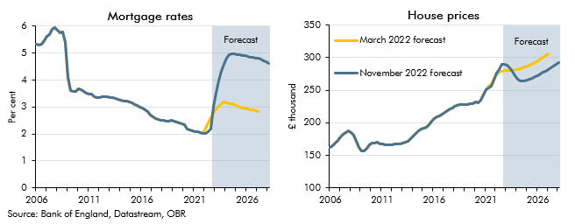

 | House prices |  |  | Mortgage rates
 |  | March 2022 forecast | November 2022 forecast | March 2022 forecast | November 2022 forecast
 | 2006Q1 | 161.5 | 161.5 | 5.3 | 5.3
 | 2006Q2 | 164.9 | 164.9 | 5.3 | 5.3
 | 2006Q3 | 168.2 | 168.2 | 5.3 | 5.3
 | 2006Q4 | 173.4 | 173.4 | 5.5 | 5.5
 | 2007Q1 | 178.6 | 178.6 | 5.6 | 5.6
 | 2007Q2 | 182.4 | 182.4 | 5.7 | 5.7
 | 2007Q3 | 185.5 | 185.5 | 5.9 | 5.9
 | 2007Q4 | 187.6 | 187.6 | 6.0 | 6.0
 | 2008Q1 | 185.3 | 185.3 | 5.9 | 5.9
 | 2008Q2 | 181.3 | 181.3 | 5.8 | 5.8
 | 2008Q3 | 172.1 | 172.1 | 5.8 | 5.8
 | 2008Q4 | 162.6 | 162.6 | 5.4 | 5.4
 | 2009Q1 | 156.6 | 156.6 | 4.1 | 4.1
 | 2009Q2 | 156.3 | 156.3 | 3.6 | 3.6
 | 2009Q3 | 160.3 | 160.3 | 3.6 | 3.6
 | 2009Q4 | 165.6 | 165.6 | 3.6 | 3.6
 | 2010Q1 | 168.6 | 168.6 | 3.7 | 3.7
 | 2010Q2 | 169.3 | 169.3 | 3.7 | 3.7
 | 2010Q3 | 169.5 | 169.5 | 3.6 | 3.6
 | 2010Q4 | 168.0 | 168.0 | 3.5 | 3.5
 | 2011Q1 | 167.2 | 167.2 | 3.5 | 3.5
 | 2011Q2 | 166.3 | 166.3 | 3.5 | 3.5
 | 2011Q3 | 166.1 | 166.1 | 3.4 | 3.4
 | 2011Q4 | 166.0 | 166.0 | 3.4 | 3.4
 | 2012Q1 | 166.4 | 166.4 | 3.4 | 3.4
 | 2012Q2 | 167.3 | 167.3 | 3.4 | 3.4
 | 2012Q3 | 167.0 | 167.0 | 3.4 | 3.4
 | 2012Q4 | 167.6 | 167.6 | 3.4 | 3.4
 | 2013Q1 | 168.5 | 168.5 | 3.4 | 3.4
 | 2013Q2 | 169.9 | 169.9 | 3.3 | 3.3
 | 2013Q3 | 171.9 | 171.9 | 3.3 | 3.3
 | 2013Q4 | 175.0 | 175.0 | 3.3 | 3.3
 | 2014Q1 | 179.3 | 179.3 | 3.3 | 3.3
 | 2014Q2 | 183.8 | 183.8 | 3.2 | 3.2
 | 2014Q3 | 187.2 | 187.2 | 3.2 | 3.2
 | 2014Q4 | 189.8 | 189.8 | 3.2 | 3.2
 | 2015Q1 | 191.4 | 191.4 | 3.2 | 3.2
 | 2015Q2 | 193.5 | 193.5 | 3.1 | 3.1
 | 2015Q3 | 197.5 | 197.5 | 3.1 | 3.1
 | 2015Q4 | 202.2 | 202.2 | 3.0 | 3.0
 | 2016Q1 | 206.5 | 206.5 | 3.0 | 3.0
 | 2016Q2 | 209.0 | 209.0 | 2.9 | 2.9
 | 2016Q3 | 210.8 | 210.8 | 2.8 | 2.8
 | 2016Q4 | 213.0 | 213.0 | 2.7 | 2.7
 | 2017Q1 | 215.6 | 215.6 | 2.6 | 2.6
 | 2017Q2 | 218.2 | 218.2 | 2.6 | 2.6
 | 2017Q3 | 220.9 | 220.9 | 2.5 | 2.5
 | 2017Q4 | 222.8 | 222.8 | 2.5 | 2.5
 | 2018Q1 | 224.6 | 224.6 | 2.5 | 2.5
 | 2018Q2 | 225.9 | 225.9 | 2.5 | 2.5
 | 2018Q3 | 227.4 | 227.4 | 2.5 | 2.5
 | 2018Q4 | 228.3 | 228.3 | 2.5 | 2.5
 | 2019Q1 | 228.1 | 228.1 | 2.5 | 2.5
 | 2019Q2 | 228.1 | 228.1 | 2.4 | 2.4
 | 2019Q3 | 229.2 | 229.2 | 2.4 | 2.4
 | 2019Q4 | 229.5 | 229.5 | 2.4 | 2.4
 | 2020Q1 | 231.7 | 231.7 | 2.4 | 2.4
 | 2020Q2 | 231.0 | 231.0 | 2.2 | 2.2
 | 2020Q3 | 235.0 | 235.0 | 2.1 | 2.1
 | 2020Q4 | 243.1 | 243.2 | 2.1 | 2.1
 | 2021Q1 | 251.1 | 250.8 | 2.1 | 2.1
 | 2021Q2 | 256.0 | 253.8 | 2.1 | 2.1
 | 2021Q3 | 258.9 | 256.3 | 2.1 | 2.1
 | 2021Q4 | 268.7 | 266.0 | 2.0 | 2.0
 | 2022Q1 | 274.0 | 275.7 | 2.2 | 2.0
 | 2022Q2 | 277.7 | 281.6 | 2.4 | 2.1
 | 2022Q3 | 278.8 | 289.7 | 2.6 | 2.2
 | 2022Q4 | 279.6 | 289.6 | 2.8 | 3.0
 | 2023Q1 | 279.9 | 288.2 | 2.9 | 3.5
 | 2023Q2 | 280.3 | 284.2 | 3.0 | 4.0
 | 2023Q3 | 280.8 | 278.3 | 3.1 | 4.3
 | 2023Q4 | 281.4 | 271.9 | 3.2 | 4.6
 | 2024Q1 | 282.2 | 266.9 | 3.2 | 4.8
 | 2024Q2 | 283.2 | 264.3 | 3.1 | 4.9
 | 2024Q3 | 284.3 | 263.6 | 3.1 | 5.0
 | 2024Q4 | 285.6 | 264.2 | 3.1 | 5.0
 | 2025Q1 | 287.2 | 265.4 | 3.0 | 4.9
 | 2025Q2 | 289.0 | 267.0 | 3.0 | 4.9
 | 2025Q3 | 291.0 | 268.8 | 3.0 | 4.9
 | 2025Q4 | 293.1 | 270.8 | 3.0 | 4.9
 | 2026Q1 | 295.3 | 272.8 | 2.9 | 4.9
 | 2026Q2 | 297.7 | 275.0 | 2.9 | 4.9
 | 2026Q3 | 300.1 | 277.2 | 2.9 | 4.8
 | 2026Q4 | 302.6 | 279.6 | 2.9 | 4.8
 | 2027Q1 | 305.2 | 282.1 | 2.8 | 4.8
 | 2027Q2 |  | 284.6 |  | 4.8
 | 2027Q3 |  | 287.1 |  | 4.7
 | 2027Q4 |  | 289.6 |  | 4.7
 | 2028Q1 |  | 292.1 |  | 4.6

C.14
Back to contents
 | Chart 14: Comparison of forecasts for CPI inflation and real GDP growth

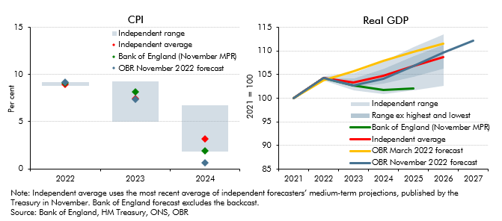

 | CPI |  |  |  | Real GDP
 |  | 2022 | 2023 | 2024 |  | OBR March 2022 forecast | OBR November 2022 forecast | Bank of England (November MPR) | Independent average | Lowest | Highest | Range of external forecasts | Range ex highest and lowest
 | Independent average | 10.4 | 5.0 | 3.2 | 2021 | 100.0 | 100.0 | 100.0 | 100.0 | 100.0 | 100.0 | 0.0 | 0.0
 | Highest | 11.2 | 7.4 | 6.7 | 2022 | 103.8 | 104.2 | 104.2 | 104.2 | 103.7 | 104.6 | 0.9 | 0.5
 | Lowest | 9.6 | 2.2 | 1.8 | 2023 | 105.6 | 102.7 | 102.6 | 103.3 | 101.6 | 105.3 | 3.7 | 1.9
 | Independent range | 1.6 | 5.2 | 4.9 | 2024 | 107.8 | 104.1 | 101.7 | 104.7 | 100.8 | 107.9 | 7.0 | 3.2
 | Bank of England (November MPR) | 9.1 | 8.1 | 1.9 | 2025 | 109.8 | 106.8 | 102.1 | 106.7 | 101.6 | 110.8 | 9.1 | 4.5
 | OBR November 2022 forecast | 9.1 | 7.4 | 0.6 | 2026 | 111.6 | 109.7 |  | 108.7 | 102.6 | 113.5 | 10.9 | 5.0
 |  |  |  |  | 2027 |  | 112.1

C.15
Back to contents
 | Chart 15: National Accounts taxes as a share of GDP
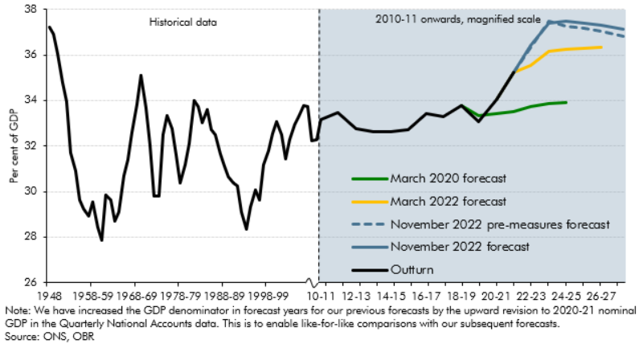

 |  | Outturn | November 2022 forecast | March 2022 forecast | March 2020 forecast | November 2022 pre-measures forecast
 | 1948 | 37.2
 | 1949 | 36.9
 | 1950 | 36.1
 | 1951 | 34.8
 | 1952 | 34.0
 | 1953 | 31.7
 | 1954 | 30.9
 | 1955-56 | 29.6
 | 1956-57 | 29.3
 | 1957-58 | 28.9
 | 1958-59 | 29.5
 | 1959-60 | 28.4
 | 1960-61 | 27.9
 | 1961-62 | 29.9
 | 1962-63 | 29.6
 | 1963-64 | 28.7
 | 1964-65 | 29.1
 | 1965-66 | 30.7
 | 1966-67 | 31.4
 | 1967-68 | 32.6
 | 1968-69 | 33.8
 | 1969-70 | 35.1
 | 1970-71 | 33.7
 | 1971-72 | 32.1
 | 1972-73 | 29.8
 | 1973-74 | 29.8
 | 1974-75 | 32.5
 | 1975-76 | 33.4
 | 1976-77 | 32.8
 | 1977-78 | 31.6
 | 1978-79 | 30.4
 | 1979-80 | 31.2
 | 1980-81 | 32.1
 | 1981-82 | 34.0
 | 1982-83 | 33.7
 | 1983-84 | 33.0
 | 1984-85 | 33.6
 | 1985-86 | 32.7
 | 1986-87 | 32.5
 | 1987-88 | 31.6
 | 1988-89 | 31.1
 | 1989-90 | 30.7
 | 1990-91 | 30.4
 | 1991-92 | 30.3
 | 1992-93 | 29.1
 | 1993-94 | 28.3
 | 1994-95 | 29.3
 | 1995-96 | 30.1
 | 1996-97 | 29.6
 | 1997-98 | 31.2
 | 1998-99 | 31.8
 | 1999-00 | 32.5
 | 2000-01 | 33.1
 | 2001-02 | 32.5
 | 2002-03 | 31.4
 | 2003-04 | 32.3
 | 2004-05 | 32.9
 | 2005-06 | 33.3
 | 2006-07 | 33.8
 | 2007-08 | 33.7
 | 2008-09 | 32.2
 | 2009-10 | 32.3
 | 2010-11 | 33.2

 | 2011-12 | 33.5

 | 2012-13 | 32.8

 | 2013-14 | 32.6

 | 2014-15 | 32.6

 | 2015-16 | 32.7

 | 2016-17 | 33.4

 | 2017-18 | 33.3

 | 2018-19 | 33.8 |  |  | 33.8

 | 2019-20 | 33.1 |  |  | 33.3

 | 2020-21 | 34.0 | 34.0 | 34.0 | 33.4

 | 2021-22 | 35.2 | 35.2 | 35.2 | 33.5 | 35.2

 | 2022-23 |  | 36.4 | 35.5 | 33.8 | 36.3

 | 2023-24 |  | 37.4 | 36.2 | 33.9 | 37.5

 | 2024-25 |  | 37.5 | 36.2 | 33.9 | 37.2

 | 2025-26 |  | 37.4 | 36.3 |  | 37.2

 | 2026-27 |  | 37.3 | 36.3 |  | 37.0

 | 2027-28 |  | 37.1 |  |  | 36.8

C.16
Back to contents
 | Chart 16: The rise in the tax-to-GDP ratio from 2019-20 and 2027-2028
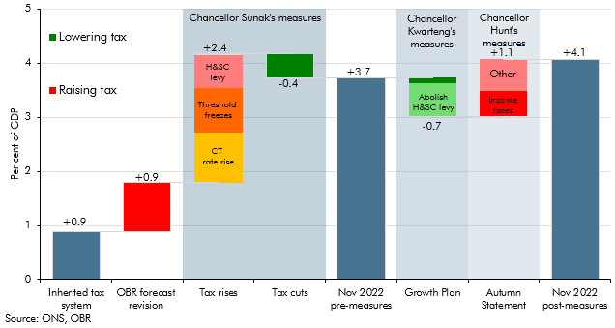

 |  | Change
 | Inherited tax system | 0.9
 | OBR forecast revision | 0.9
 | Tax rises | 2.4
 | of which:
 | CT rate rise | 0.9
 | Threshold freeze | 0.8
 | H&SC levy | 0.6
 | Tax cuts | 0.4
 | Nov 2022 pre-measures | 3.7
 | Growth Plan | -0.7
 | of which:
 | Abolish H&SC levy | -0.6
 | Other | -0.1
 | Autumn Statement | 1.1
 | of which:
 | Income taxes | 0.5
 | Other | 0.6
 | Nov 2022 post measures | 4.1

C.17
Back to contents
 | Chart 17: Public spending as a share of GDP
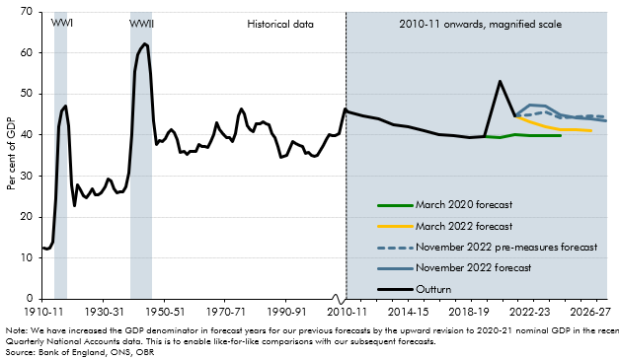

 | Year | Outturn | March 2020 forecast | March 2021 forecast | March 2022 forecast | November 2022 forecast | November 2022 pre-measures forecast
 | 1900-01 | 14.4
 | 1901-02 | 15.5
 | 1902-03 | 14.9
 | 1903-04 | 13.8
 | 1904-05 | 13.2
 | 1905-06 | 12.5
 | 1906-07 | 11.8
 | 1907-08 | 11.6
 | 1908-09 | 12.2
 | 1909-10 | 12.5
 | 1910-11 | 12.4
 | 1911-12 | 12.4
 | 1912-13 | 12.5
 | 1913-14 | 14.0
 | 1914-15 | 24.5
 | 1915-16 | 42.0
 | 1916-17 | 46.0
 | 1917-18 | 47.2
 | 1918-19 | 42.2
 | 1919-20 | 27.8
 | 1920-21 | 22.7
 | 1921-22 | 27.7
 | 1922-23 | 26.8
 | 1923-24 | 25.3
 | 1924-25 | 24.8
 | 1925-26 | 25.7
 | 1926-27 | 26.9
 | 1927-28 | 25.5
 | 1928-29 | 25.5
 | 1929-30 | 25.9
 | 1930-31 | 27.4
 | 1931-32 | 29.4
 | 1932-33 | 28.7
 | 1933-34 | 26.8
 | 1934-35 | 26.0
 | 1935-36 | 26.2
 | 1936-37 | 26.3
 | 1937-38 | 27.4
 | 1938-39 | 30.8
 | 1939-40 | 40.1
 | 1940-41 | 55.5
 | 1941-42 | 59.7
 | 1942-43 | 61.0
 | 1943-44 | 62.2
 | 1944-45 | 61.8
 | 1945-46 | 55.1
 | 1946-47 | 43.5
 | 1947-48 | 37.7
 | 1948-49 | 38.6
 | 1949-50 | 38.5
 | 1950-51 | 39.2
 | 1951-52 | 40.6
 | 1952-53 | 41.3
 | 1953-54 | 40.5
 | 1954-55 | 38.9
 | 1955-56 | 35.8
 | 1956-57 | 36.0
 | 1957-58 | 35.2
 | 1958-59 | 36.0
 | 1959-60 | 35.9
 | 1960-61 | 35.9
 | 1961-62 | 37.6
 | 1962-63 | 37.3
 | 1963-64 | 37.3
 | 1964-65 | 37.0
 | 1965-66 | 38.5
 | 1966-67 | 40.0
 | 1967-68 | 42.9
 | 1968-69 | 41.4
 | 1969-70 | 40.1
 | 1970-71 | 39.5
 | 1971-72 | 39.3
 | 1972-73 | 38.5
 | 1973-74 | 40.3
 | 1974-75 | 44.7
 | 1975-76 | 46.4
 | 1976-77 | 45.1
 | 1977-78 | 42.2
 | 1978-79 | 41.4
 | 1979-80 | 40.9
 | 1980-81 | 42.8
 | 1981-82 | 42.9
 | 1982-83 | 43.2
 | 1983-84 | 42.8
 | 1984-85 | 42.5
 | 1985-86 | 40.4
 | 1986-87 | 39.3
 | 1987-88 | 37.2
 | 1988-89 | 34.6
 | 1989-90 | 34.7
 | 1990-91 | 35.0
 | 1991-92 | 36.8
 | 1992-93 | 38.4
 | 1993-94 | 37.8
 | 1994-95 | 37.6
 | 1995-96 | 37.3
 | 1996-97 | 35.5
 | 1997-98 | 35.7
 | 1998-99 | 35.2
 | 1999-00 | 34.8
 | 2000-01 | 35.1
 | 2001-02 | 36.3
 | 2002-03 | 37.6
 | 2003-04 | 38.9
 | 2004-05 | 40.0
 | 2005-06 | 39.9
 | 2006-07 | 39.9
 | 2007-08 | 40.3
 | 2008-09 | 43.5
 | 2009-10 | 46.4
 | 2010-11 | 45.7

 | 2011-12 | 44.6

 | 2012-13 | 44.0

 | 2013-14 | 42.4

 | 2014-15 | 42.0

 | 2015-16 | 41.1

 | 2016-17 | 40.2

 | 2017-18 | 39.9

 | 2018-19 | 39.4

 | 2019-20 | 39.6 | 39.6 | 39.1

 | 2020-21 | 53.0 | 39.4

 | 2021-22 | 44.7 | 40.0 |  | 44.7 | 44.7 | 44.7

 | 2022-23 |  | 40.0 |  | 43.2 | 47.3 | 44.9

 | 2023-24 |  | 40.0 |  | 42.0 | 47.2 | 45.8

 | 2024-25 |  | 39.9 |  | 41.3 | 44.9 | 44.2

 | 2025-26 |  |  |  | 41.2 | 44.2 | 44.3

 | 2026-27 |  |  |  | 41.1 | 44.0 | 44.6

 | 2027-28 |  |  |  |  | 43.4 | 44.4

C.18
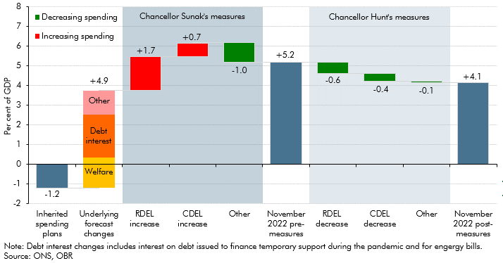
Back to contents
 | Chart 18: The rise in the spending-to-GDP ratio between 2019-20 and 2027-28

 |  | Change
 | Inherited spending plans | 1.2
 | Underlying forecast changes | 4.9
 | Of which
 | Welfare | 1.5
 | Debt interest | 2.2
 | Other | 1.2
 | RDEL increase | 1.7
 | CDEL increase | 0.7
 | Other | -1.0
 | November 2022 pre-measures | 5.2
 | RDEL decrease | -0.6
 | CDEL decrease | -0.4
 | Other | -0.1
 | November 2022 post-measures | 4.1

C.D
Back to contents
 | Chart D: Planned SR21 and implied post-SR21 breakdown of RDEL spending

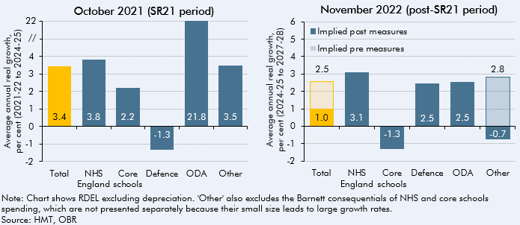

 | RDEL ex growth (average 20-21-24-25) | per cent | RDEL ex growth (average 24-25 to 27-28) | Implied post measures | Implied pre measures
 | Total | 3.4 | Total | 1.0 | 1.5
 | NHS England | 3.8 | NHS England | 3.1
 | Core schools | 2.2 | Core schools | -1.3
 | Defence | -1.3 | Defence | 2.5
 | ODA | 21.8 | ODA | 2.5
 | Other | 3.5 | Other | -0.7 | 2.8

C.19
Back to contents
 | Chart 19: Debt interest spending relative to GDP and revenues

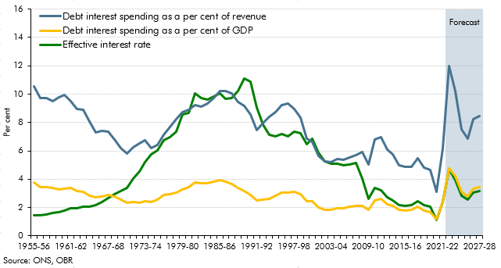

 |  | Debt interest spending as a per cent of GDP | Debt interest spending as a per cent of revenue | Effective interest rate
 | 1955-56 | 3.8 | 10.5 | 1.5
 | 1956-57 | 3.5 | 9.7 | 1.4
 | 1957-58 | 3.4 | 9.7 | 1.5
 | 1958-59 | 3.4 | 9.5 | 1.6
 | 1959-60 | 3.3 | 9.8 | 1.7
 | 1960-61 | 3.3 | 10.0 | 1.8
 | 1961-62 | 3.4 | 9.5 | 1.9
 | 1962-63 | 3.2 | 8.9 | 1.9
 | 1963-64 | 3.1 | 8.9 | 2.0
 | 1964-65 | 2.8 | 8.0 | 2.1
 | 1965-66 | 2.7 | 7.3 | 2.2
 | 1966-67 | 2.8 | 7.4 | 2.4
 | 1967-68 | 2.9 | 7.4 | 2.7
 | 1968-69 | 2.8 | 6.8 | 3.0
 | 1969-70 | 2.6 | 6.2 | 3.2
 | 1970-71 | 2.3 | 5.8 | 3.4
 | 1971-72 | 2.4 | 6.2 | 4.0
 | 1972-73 | 2.3 | 6.5 | 4.5
 | 1973-74 | 2.4 | 6.7 | 5.2
 | 1974-75 | 2.4 | 6.2 | 5.7
 | 1975-76 | 2.6 | 6.4 | 6.0
 | 1976-77 | 2.9 | 7.1 | 6.7
 | 1977-78 | 3.0 | 7.7 | 7.0
 | 1978-79 | 3.0 | 8.2 | 7.4
 | 1979-80 | 3.3 | 8.8 | 8.6
 | 1980-81 | 3.4 | 8.9 | 8.7
 | 1981-82 | 3.8 | 9.2 | 10.0
 | 1982-83 | 3.7 | 9.1 | 9.7
 | 1983-84 | 3.7 | 9.4 | 9.6
 | 1984-85 | 3.8 | 9.7 | 9.9
 | 1985-86 | 3.9 | 10.2 | 10.0
 | 1986-87 | 3.8 | 10.2 | 9.7
 | 1987-88 | 3.6 | 10.0 | 9.7
 | 1988-89 | 3.4 | 9.5 | 10.2
 | 1989-90 | 3.2 | 9.2 | 11.1
 | 1990-91 | 2.9 | 8.6 | 10.9
 | 1991-92 | 2.5 | 7.5 | 9.1
 | 1992-93 | 2.6 | 8.0 | 7.9
 | 1993-94 | 2.6 | 8.4 | 7.1
 | 1994-95 | 2.8 | 8.8 | 7.0
 | 1995-96 | 3.1 | 9.2 | 7.2
 | 1996-97 | 3.0 | 9.3 | 7.0
 | 1997-98 | 3.1 | 9.0 | 7.4
 | 1998-99 | 2.9 | 8.3 | 7.2
 | 1999-00 | 2.5 | 6.9 | 6.4
 | 2000-01 | 2.4 | 6.7 | 6.9
 | 2001-02 | 2.0 | 5.6 | 5.9
 | 2002-03 | 1.8 | 5.3 | 5.3
 | 2003-04 | 1.8 | 5.2 | 5.1
 | 2004-05 | 1.9 | 5.4 | 5.1
 | 2005-06 | 2.0 | 5.4 | 5.0
 | 2006-07 | 2.0 | 5.5 | 5.0
 | 2007-08 | 2.1 | 5.7 | 5.1
 | 2008-09 | 2.1 | 5.9 | 4.0
 | 2009-10 | 1.8 | 5.0 | 2.6
 | 2010-11 | 2.5 | 6.8 | 3.4
 | 2011-12 | 2.6 | 7.0 | 3.2
 | 2012-13 | 2.2 | 6.1 | 2.7
 | 2013-14 | 2.1 | 5.7 | 2.5
 | 2014-15 | 1.8 | 5.0 | 2.1
 | 2015-16 | 1.8 | 4.9 | 2.1
 | 2016-17 | 1.8 | 4.9 | 2.2
 | 2017-18 | 2.0 | 5.5 | 2.4
 | 2018-19 | 1.8 | 4.8 | 2.1
 | 2019-20 | 1.7 | 4.6 | 2.0
 | 2020-21 | 1.2 | 3.1 | 1.1
 | 2021-22 | 2.4 | 6.2 | 2.4
 | 2022-23 | 4.8 | 12.0 | 4.7
 | 2023-24 | 4.2 | 10.2 | 3.9
 | 2024-25 | 3.1 | 7.5 | 2.8
 | 2025-26 | 2.8 | 6.9 | 2.6
 | 2026-27 | 3.3 | 8.2 | 3.1
 | 2027-28 | 3.4 | 8.5 | 3.2

C.20
Back to contents
 | Chart 20: Public sector borrowing relative to March
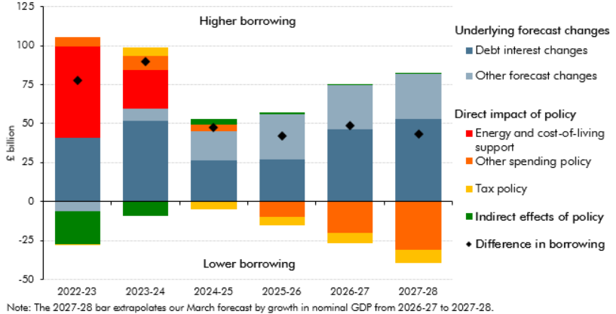

 |  | 2022-23 | 2023-24 | 2024-25 | 2025-26 | 2026-27 | 2027-28
 | Debt interest changes | 41.1 | 52.1 | 26.6 | 27.0 | 46.6 | 52.7
 | Other forecast changes | -6.0 | 7.3 | 18.6 | 28.8 | 28.2 | 29.3
 | Energy and cost-of-living support | 58.4 | 25.0 | 0.2 | 0.2 | 0.2 | 0.2
 | Other spending policy | 6.0 | 9.3 | 4.2 | -9.7 | -19.9 | -31.1
 | Tax policy | -0.2 | 5.5 | -5.0 | -5.4 | -6.8 | -8.5
 | Indirect effects of policy | -21.4 | -9.3 | 3.3 | 1.2 | 0.5 | 0.6
 | Difference in borrowing | 77.9 | 89.8 | 47.8 | 42.1 | 48.8 | 43.3

C.21
Back to contents
 | Chart 21: Public sector net debt
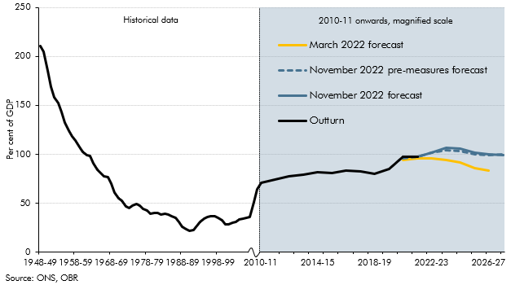

 |  | November 2022 forecast | November 2022 pre-measures forecast | March 2022 forecast
 | 1948-49 | 210.7
 | 1949-50 | 204.9
 | 1950-51 | 185.7
 | 1951-52 | 169.4
 | 1952-53 | 158.4
 | 1953-54 | 152.6
 | 1954-55 | 143.3
 | 1955-56 | 132.4
 | 1956-57 | 123.8
 | 1957-58 | 118.4
 | 1958-59 | 114.3
 | 1959-60 | 107.5
 | 1960-61 | 102.4
 | 1961-62 | 99.4
 | 1962-63 | 98.2
 | 1963-64 | 90.7
 | 1964-65 | 84.2
 | 1965-66 | 80.9
 | 1966-67 | 77.7
 | 1967-68 | 77.0
 | 1968-69 | 69.8
 | 1969-70 | 61.1
 | 1970-71 | 54.7
 | 1971-72 | 52.6
 | 1972-73 | 46.6
 | 1973-74 | 45.2
 | 1974-75 | 47.7
 | 1975-76 | 49.3
 | 1976-77 | 47.8
 | 1977-78 | 44.3
 | 1978-79 | 42.2
 | 1979-80 | 39.1
 | 1980-81 | 40.3
 | 1981-82 | 40.0
 | 1982-83 | 38.7
 | 1983-84 | 38.8
 | 1984-85 | 38.7
 | 1985-86 | 37.1
 | 1986-87 | 34.8
 | 1987-88 | 30.9
 | 1988-89 | 25.6
 | 1989-90 | 23.0
 | 1990-91 | 21.7
 | 1991-92 | 22.8
 | 1992-93 | 26.6
 | 1993-94 | 31.1
 | 1994-95 | 34.5
 | 1995-96 | 36.0
 | 1996-97 | 36.6
 | 1997-98 | 36.6
 | 1998-99 | 35.2
 | 1999-00 | 32.5
 | 2000-01 | 28.3
 | 2001-02 | 28.1
 | 2002-03 | 29.7
 | 2003-04 | 30.9
 | 2004-05 | 33.4
 | 2005-06 | 34.3
 | 2006-07 | 35.1
 | 2007-08 | 35.6
 | 2008-09 | 50.5
 | 2009-10 | 64.5
 | 2010-11 | 70.8
 | 2011-12 | 74.2
 | 2012-13 | 77.5
 | 2013-14 | 79.2
 | 2014-15 | 81.6
 | 2015-16 | 80.9
 | 2016-17 | 82.9
 | 2017-18 | 82.2
 | 2018-19 | 80.3
 | 2019-20 | 85.0
 | 2020-21 | 97.4 | 96.1 | 96.1
 | 2021-22 | 97.4 | 97.4 | 95.6
 | 2022-23 | 101.9 | 101.3 | 95.5
 | 2023-24 | 106.7 | 104.3 | 94.1
 | 2024-25 | 105.8 | 103.5 | 91.2
 | 2025-26 | 101.7 | 99.7 | 85.8
 | 2026-27 | 100.0 | 99.0 | 83.1
 | 2027-28 | 99.3 | 99.6

C.22
Back to contents
 | Chart 22: Four measures of the public sector balance sheet
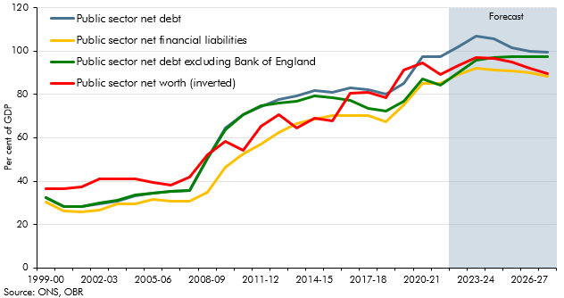

 |  | Public sector net debt excluding Bank of England | Public sector net financial liabilities | Public sector net debt | Public sector net worth (inverted)
 | 1999-00 | 32.6 | 30.3 | 32.5 | 36.5
 | 2000-01 | 28.4 | 26.2 | 28.3 | 36.7
 | 2001-02 | 28.2 | 26.0 | 28.1 | 37.5
 | 2002-03 | 29.8 | 26.7 | 29.7 | 40.9
 | 2003-04 | 31.0 | 29.6 | 30.9 | 41.2
 | 2004-05 | 33.5 | 29.5 | 33.4 | 40.9
 | 2005-06 | 34.4 | 31.4 | 34.3 | 39.3
 | 2006-07 | 35.2 | 30.8 | 35.1 | 38.3
 | 2007-08 | 35.8 | 30.9 | 35.6 | 41.7
 | 2008-09 | 50.5 | 34.8 | 50.5 | 52.2
 | 2009-10 | 63.7 | 46.3 | 64.5 | 58.3
 | 2010-11 | 70.5 | 52.4 | 70.8 | 54.4
 | 2011-12 | 74.6 | 57.0 | 74.2 | 65.2
 | 2012-13 | 76.2 | 62.5 | 77.5 | 70.8
 | 2013-14 | 76.9 | 66.5 | 79.2 | 64.6
 | 2014-15 | 79.1 | 68.4 | 81.6 | 69.0
 | 2015-16 | 78.6 | 70.3 | 80.9 | 67.6
 | 2016-17 | 77.2 | 70.3 | 82.9 | 80.4
 | 2017-18 | 73.6 | 70.2 | 82.2 | 81.1
 | 2018-19 | 72.3 | 67.4 | 80.3 | 78.5
 | 2019-20 | 76.8 | 75.1 | 85.0 | 91.2
 | 2020-21 | 87.0 | 85.1 | 97.4 | 94.4
 | 2021-22 | 84.3 | 84.9 | 97.4 | 89.0
 | 2022-23 | 89.9 | 89.0 | 101.9 | 93.4
 | 2023-24 | 95.9 | 92.1 | 106.7 | 97.2
 | 2024-25 | 97.2 | 91.4 | 105.8 | 96.8
 | 2025-26 | 97.6 | 90.8 | 101.7 | 94.8
 | 2026-27 | 97.6 | 89.8 | 100.0 | 92.2
 | 2027-28 | 97.3 | 88.4 | 99.3 | 89.4

C.23
Back to contents
 | Chart 23: Fan charts for PSND (ex BoE) and current budget deficit

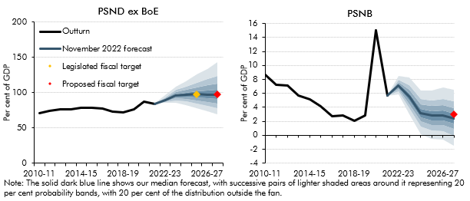

 |  | Public sector net debt (excluding Bank of England)
 |  | Percentile |  |  |  |  |  |  |  |  | November 2022 forecast | Proposed fiscal target | Legislated fiscal target
 |  | 10 | 20 | 30 | 40 | 50 | 60 | 70 | 80 | 90
 | 2010-11 | 70.5 |  |  |  |  |  |  |  |  | 70.5
 | 2011-12 | 74.6 |  |  |  |  |  |  |  |  | 74.6
 | 2012-13 | 76.2 |  |  |  |  |  |  |  |  | 76.2
 | 2013-14 | 76.9 |  |  |  |  |  |  |  |  | 76.9
 | 2014-15 | 79.1 |  |  |  |  |  |  |  |  | 79.1
 | 2015-16 | 78.6 |  |  |  |  |  |  |  |  | 78.6
 | 2016-17 | 77.2 |  |  |  |  |  |  |  |  | 77.2
 | 2017-18 | 73.6 |  |  |  |  |  |  |  |  | 73.6
 | 2018-19 | 72.3 |  |  |  |  |  |  |  |  | 72.3
 | 2019-20 | 76.8 |  |  |  |  |  |  |  |  | 76.8
 | 2020-21 | 87.0 |  |  |  |  |  |  |  |  | 87.0
 | 2021-22 | 84.3 |  |  |  |  |  |  |  |  | 84.3
 | 2022-23 | 85.2 | 1.6 | 1.1 | 1.0 | 1.0 | 1.1 | 1.2 | 1.6 | 2.6 | 89.9
 | 2023-24 | 85.8 | 3.3 | 2.6 | 2.2 | 1.9 | 2.2 | 2.4 | 3.1 | 4.7 | 95.9
 | 2024-25 | 82.9 | 4.7 | 3.5 | 3.2 | 2.9 | 3.0 | 3.7 | 4.7 | 7.9 | 97.2
 | 2025-26 | 78.3 | 6.1 | 4.8 | 4.4 | 4.0 | 4.4 | 5.3 | 6.6 | 11.5 | 97.6 |  | 97.2
 | 2026-27 | 73.6 | 7.6 | 5.7 | 5.3 | 5.3 | 5.8 | 6.9 | 9.0 | 14.4 | 97.6
 | 2027-28 | 68.8 | 8.8 | 7.1 | 6.1 | 6.5 | 7.1 | 8.4 | 11.3 | 19.0 | 97.3 | 97.6
 |  | Public sector net borrowing
 | 2010-11 | 8.7 |  |  |  |  |  |  |  |  | 8.7
 | 2011-12 | 7.3 |  |  |  |  |  |  |  |  | 7.3
 | 2012-13 | 7.2 |  |  |  |  |  |  |  |  | 7.2
 | 2013-14 | 5.7 |  |  |  |  |  |  |  |  | 5.7
 | 2014-15 | 5.2 |  |  |  |  |  |  |  |  | 5.2
 | 2015-16 | 4.2 |  |  |  |  |  |  |  |  | 4.2
 | 2016-17 | 2.7 |  |  |  |  |  |  |  |  | 2.7
 | 2017-18 | 2.8 |  |  |  |  |  |  |  |  | 2.8
 | 2018-19 | 2.0 |  |  |  |  |  |  |  |  | 2.0
 | 2019-20 | 2.9 |  |  |  |  |  |  |  |  | 2.9
 | 2020-21 | 15.0 |  |  |  |  |  |  |  |  | 15.0
 | 2021-22 | 5.7 |  |  |  |  |  |  |  |  | 5.7
 | 2022-23 | 5.8 | 0.4 | 0.3 | 0.3 | 0.2 | 0.3 | 0.3 | 0.4 | 0.5 | 7.1
 | 2023-24 | 3.0 | 0.9 | 0.6 | 0.5 | 0.5 | 0.5 | 0.5 | 0.7 | 1.1 | 5.5
 | 2024-25 | 0.2 | 1.1 | 0.8 | 0.6 | 0.6 | 0.6 | 0.6 | 0.8 | 1.2 | 3.2
 | 2025-26 | -0.5 | 1.2 | 0.8 | 0.7 | 0.7 | 0.7 | 0.7 | 0.8 | 1.4 | 2.8
 | 2026-27 | -0.6 | 1.2 | 0.9 | 0.7 | 0.7 | 0.7 | 0.8 | 1.0 | 1.6 | 2.9
 | 2027-28 | -1.5 | 1.4 | 0.9 | 0.8 | 0.7 | 0.7 | 0.8 | 1.0 | 1.7 | 2.4 | 3.0

C.E
Back to contents
 | Chart E: Sensitivity of PSNB and underlying debt to interest rates

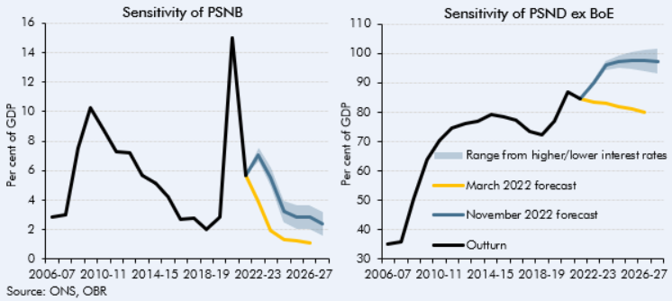

 | PSNB
 |  | 2006-07 | 2007-08 | 2008-09 | 2009-10 | 2010-11 | 2011-12 | 2012-13 | 2013-14 | 2014-15 | 2015-16 | 2016-17 | 2017-18 | 2018-19 | 2019-20 | 2020-21 | 2021-22 | 2022-23 | 2023-24 | 2024-25 | 2025-26 | 2026-27 | 2027-28
 | Outturn | 2.8 | 3.0 | 7.5 | 10.2 | 8.7 | 7.3 | 7.2 | 5.7 | 5.2 | 4.2 | 2.7 | 2.8 | 2.0 | 2.9 | 15.0 | 5.7
 | March 2022 forecast |  |  |  |  |  |  |  |  |  |  |  |  |  |  |  | 5.7 | 3.9 | 1.9 | 1.3 | 1.2 | 1.1
 | November 2022 forecast |  |  |  |  |  |  |  |  |  |  |  |  |  |  |  | 5.7 | 7.1 | 5.5 | 3.2 | 2.8 | 2.9 | 2.4
 | Higher interest rates |  |  |  |  |  |  |  |  |  |  |  |  |  |  |  | 5.7 | 7.6 | 6.2 | 4.0 | 3.6 | 3.7 | 3.2
 | Lower interest rates |  |  |  |  |  |  |  |  |  |  |  |  |  |  |  | 5.7 | 6.6 | 4.9 | 2.5 | 2.1 | 2.1 | 1.6

 | PSND
 |  | 2006-07 | 2007-08 | 2008-09 | 2009-10 | 2010-11 | 2011-12 | 2012-13 | 2013-14 | 2014-15 | 2015-16 | 2016-17 | 2017-18 | 2018-19 | 2019-20 | 2020-21 | 2021-22 | 2022-23 | 2023-24 | 2024-25 | 2025-26 | 2026-27 | 2027-28
 | Outturn | 35.2 | 35.8 | 50.5 | 63.7 | 70.5 | 74.6 | 76.2 | 76.9 | 79.1 | 78.6 | 77.2 | 73.6 | 72.3 | 76.8 | 87.0 | 84.7
 | March 2022 forecast |  |  |  |  |  |  |  |  |  |  |  |  |  |  |  | 84.7 | 83.5 | 82.9 | 81.9 | 80.9 | 79.8
 | November 2022 forecast |  |  |  |  |  |  |  |  |  |  |  |  |  |  |  | 84.7 | 89.9 | 95.9 | 97.2 | 97.6 | 97.6 | 97.3
 | Higher interest rates |  |  |  |  |  |  |  |  |  |  |  |  |  |  |  | 84.7 | 90.7 | 97.4 | 99.4 | 100.5 | 101.2 | 101.5
 | Lower interest rates |  |  |  |  |  |  |  |  |  |  |  |  |  |  |  | 84.7 | 89.1 | 94.4 | 95.0 | 94.8 | 94.1 | 93.2

