Sheet1
* If N/A is in a field, there was an error before this step in the program

User input 1: Station selection (i.e. 1-5) | Error if given for input 1: | User input 2: Month selection (i.e. 1-12) | Error if given for input 2: | Output 1: 2018 flow | Output 2: 2018 precipitation | Output 3: 2018 runoff calculation | Output 4: 2022 flow | Output 5: 2022 precipitation | Output 6: 2022 runoff calculation | Output 7: 2018-2022 change in flow | Output 8: 2018-2022 change in precipitation | Output 9: 2018-2022 change in runoff calculation | Output 10: Image of arcpy | User input 3: Repetition (i.e. y or n) | Error if given for input 3: | Result of repetition request:
1 |  | 1 |  | 0.3714 | 0.0687 | 7.0977 | 0.1748 | 0.0 | 0.0 | 0.1966 | 0.0687 | 7.0977 | 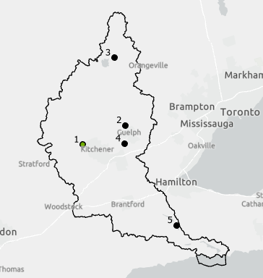 | y |  | Repeats the code as designed.
-1 | Out of Range (asks for another input) | N/A | N/A | N/A | N/A | N/A | N/A | N/A | N/A | N/A | N/A | N/A | N/A | N/A | N/A | N/A
a | ValueError (asks for another input) | N/A | N/A | N/A | N/A | N/A | N/A | N/A | N/A | N/A | N/A | N/A | N/A | N/A | N/A | N/A
3 |  | 13 | Out of Range (asks for another input) | N/A | N/A | N/A | N/A | N/A | N/A | N/A | N/A | N/A | N/A | N/A | N/A | N/A
0.1 | ValueError (asks for another input) | N/A | N/A | N/A | N/A | N/A | N/A | N/A | N/A | N/A | N/A | N/A | N/A | N/A | N/A | N/A
5 |  | 3 |  | 65.0715 | 0.0538 | 4.6724 | 216.8554 | 0.0798 | 6.9385 | -151.7839 | -0.0261 | -2.2661 | 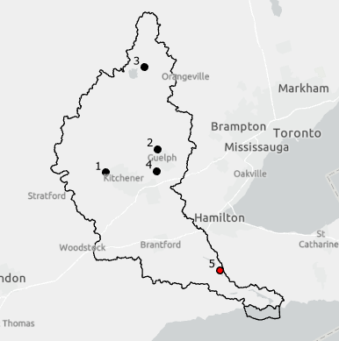 | 2 | "Please enter 'y' or 'n'" | Another input is requested.
6 | Out of Range (asks for another input) | N/A | N/A | N/A | N/A | N/A | N/A | N/A | N/A | N/A | N/A | N/A | N/A | N/A | N/A | N/A
2 |  | 3.5 | ValueError (asks for another input) | N/A | N/A | N/A | N/A | N/A | N/A | N/A | N/A | N/A | N/A | N/A | N/A | N/A
1 |  | d | ValueError (asks for another input) | N/A | N/A | N/A | N/A | N/A | N/A | N/A | N/A | N/A | N/A | N/A | N/A | N/A
Station 1 | ValueError (asks for another input) | N/A | N/A | N/A | N/A | N/A | N/A | N/A | N/A | N/A | N/A | N/A | N/A | N/A | N/A | N/A
3 |  | Jan | ValueError (asks for another input) | N/A | N/A | N/A | N/A | N/A | N/A | N/A | N/A | N/A | N/A | h | "Please enter 'y' or 'n'" | Another input is requested.
1 |  | 2 |  | 0.3627 | 0.0741 | 7.661 | 0.2918 | 0.081 | 8.3649 | 0.0709 | -0.0068 | -0.7039 | 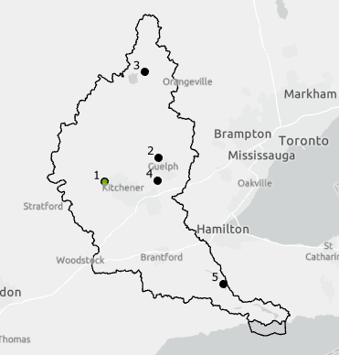 | N |  | Ends the program as designed.
4 |  | 3 |  | 6.0526 | 0.0417 | 7.7273 | 19.5773 | 0.0944 | 17.4785 | -13.5247 | -0.0526 | -9.7513 | 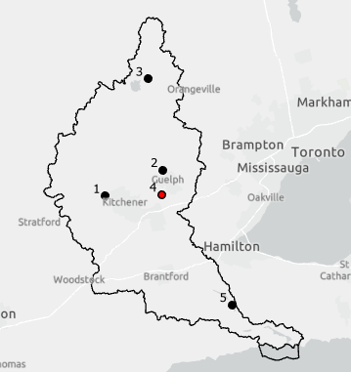 | yes | "Please enter 'y' or 'n'" | Another input is requested.
1 |  | -2 | Out of Range (asks for another input) | N/A | N/A | N/A | N/A | N/A | N/A | N/A | N/A | N/A | N/A | N/A | N/A | N/A

Take away: |  |  |  |  |  |  |  |  |  |  |  |  |  | Take away:
Only values 1-5 for input 1 and values 1-12 for input 2 are accepted as an answer to those questions. Otherwise the following will occur for the two input questions: |  |  |  |  |  |  |  |  |  |  |  |  |  | Only values 'y', 'n', 'Y', and 'N' are accepted as an answer to the repeat answer. Otherwise "Please enter 'y' or 'n'" is printed with another request for an input to the question.
Input 1: |  | Input 2:
Numbers outside the range of 1-5 (e.g. negative numbers or 6+) are given an out of range error ("Out of Range.") and prompted to enter another input. |  | Numbers outside the range of 1-12 (e.g. negative numbers or 12+) are given an out of range error ("Out of Range.") and prompted to enter another input.
Entered results that are not whole numbers in the given range (e.g. letters or decimals) are given a value error ("Must enter an integer!") and prompted to enter another input. |  | Entered results that are not whole numbers in the given range (e.g. letters or decimals) are given a value error ("Must enter an integer!") and prompted to enter another input.

