OVERALL
@catdrink7 |  |  |  |  |  |  |  |  |  | The bottom part of the image below is Warren Sharp's "Pick Archive" on his website.
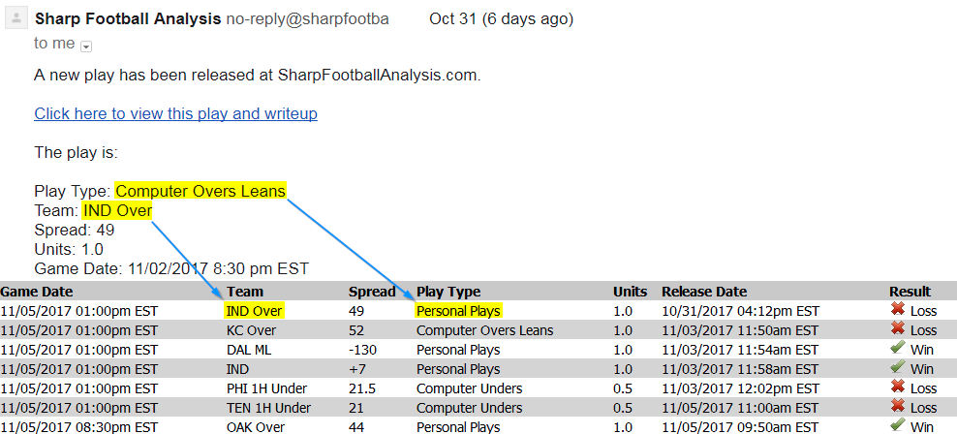
Warren Sharp's 2017-18 NFL Results
Pick-by-pick Results

DISCLAIMER: To calculate half-points, the SBR calculator is being used as it is the only publicly available tool.
 | W | L | P | PCT | UNITS | RISKED | ROI | CLV*¹ | LINE DIFF.*²
Personal Plays | 44 | 39 | 0 | 53.01% | -2.21 | 89.50 | -2.47% | -1.09% | -0.93%
Computer Overs Leans | 8 | 11 | 0 | 42.11% | -3.70 | 22.30 | -16.59% | +0.24% | -1.01%
Computer Unders | 4 | 5 | 1 | 44.44% | -0.57 | 6.61 | -8.62% | #NUM! | -2.16%
OVERALL | 56 | 55 | 1 | 50.45% | -6.48 | 118.42 | -5.47% | -0.78% | -1.07%

ADJUSTED RECORD*³ |  |  |  |  |  | *¹CLV is the W/A line at the time of release against the no-vig closer.
 | W | L | PCT | UNITS |  | *²LINE DIFF. is the difference between Warren Sharp's claimed line and the W/A line at the time of release.
Personal Plays | +40.25 | -42.46 | 51.11% | -2.21 |  | Negative values means that he released a better line than what was W/A at the time of release.
Computer Overs Leans | +8.50 | -12.20 | 43.11% | -3.70 |  | By example: Releasing a play at -110 when the W/A line is -120 would result in a negative value.
Computer Unders | +2.50 | -3.07 | 49.37% | -0.57 |  | *³Adjusted record based on units won. This helps compare sports with moneyline bets included.
OVERALL | +51.25 | -57.73 | 49.60% | -6.48 |  | For example, a MLB record of 50-50, +5.5 units is the same as a NBA record of 55-45 with all -110 bets.

Rest in peace, groovinmahoovin.

