Gon Freecss
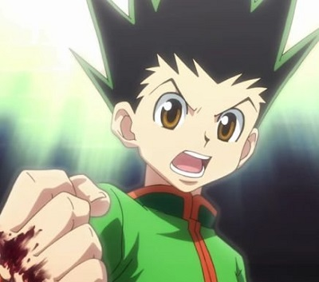
Statistics
Gon Freecss
Abilities
Jajanken: Rock | Enhancement
Jajanken: Scissors | Transmutation
Jajanken: Paper | Emission
Limitation Transformation | Unknown

Statistics
Story Arcs | Spirit | Skill | Strength | Nen | Talent | Int
Hunter Exam arc | 2 | 2 | 2 | 0 | 3 | 1
Yorknew City arc | 3 | 3 | 3 | 2 | 3 | 2
Greed Island arc | 3 | 3 | 3 | 3 | 3 | 2
Chimera Ant arc: NGL | 3 | 3 | 4 | 3 | 3 | 2
Chimera Ant arc: Palace Invasion | 4 | 3 | 4 | 4 | 0 | 3

Leorio Paradinight

Statistics
Leorio Paradinight
Abilities
Remote Punch | Emission
Ultrasound | Emission

Statistics
Story Arcs | Spirit | Skill | Strength | Nen | Talent | Int
Hunter Exam arc | 2 | 1 | 2 | 0 | 2 | 3
Yorknew City arc | 3 | 2 | 2 | 1 | 1 | 3

Kurapika
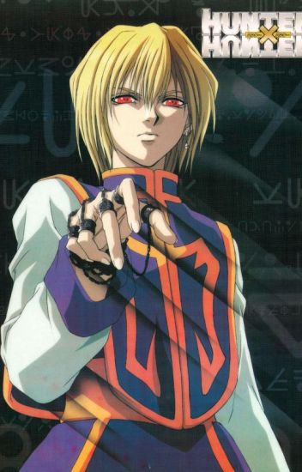
Statistics
Kurapika
Abilities
Chains | Conjuration
Dowsing Chain | Conjuration
Chain Jail | Conjuration
Emperor Time | Specialization
Holy Chain | Conjuration
Judgment Chain | Conjuration
Steal Chain | Conjuration
Stealth Dolphin | Specialization
Air Blow | Unknown
Little Eye | Emission

Statistics
Story Arcs | Spirit | Skill | Strength | Nen | Talent | Int
Hunter Exam arc | 3 | 2 | 2 | 0 | 2 | 3
Yorknew City arc | 3 | 3 | 3 | 4 | 2 | 4

Killua Zoldyck
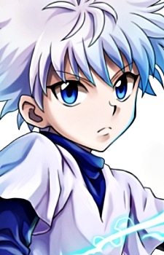
Statistics
Killua Zoldyck
Abilities
Thunder Palm | Transmutation
Thunderbolt | Transmutation
Godspeed | Transmutation

Statistics
Story Arcs | Spirit | Skill | Strength | Nen | Talent | Int
Hunter Exam arc | 1 | 3 | 2 | 0 | 2 | 2
Yorknew City arc | 2 | 3 | 3 | 2 | 2 | 2
Greed Island arc | 2 | 3 | 3 | 3 | 2 | 3
Chimera Ant arc: NGL | 3 | 4 | 4 | 3 | 3 | 3
Chimera Ant arc: Palace Invasion | 4 | 4 | 4 | 4 | 3 | 4

