Sheet1
B01
Summary | Currency sign does not appear next to the price
Repro steps | 1.Go to https://www.demoblaze.com/
 | 2.Click on product, then Add to cart
 | 3. Go to cart
Expected result | The price include currency sign.
Actual result | Currency sign does not appear next to the price
Severity | low
Screenshot | 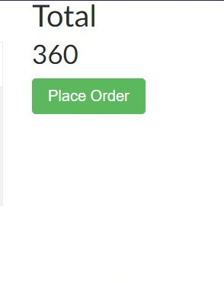

B02
Summary | CART- Unable to add new item to my cart
Repro steps | 1.Go to https://www.demoblaze.com/
 | 2.Click on product, add one item to cart
 | 3.Go to product and add new item to cart via "add to cart" button
 | 4. Go to cart
Expected result | The cart should contain 2 items.
Actual result | The cart contains only 1 item. The user is unable to add a second item via the add to cart button on a product page
Severity | medium

B03
Summary | There is no option to add multiple items in a cart
Description | There is no Quantity field. And there is no plus sign to add more items
Repro steps | 1.Open the page demoblaze.com 2.Click on item and add it to a cart
Expected result | User be enable to add more products from the same category.
Actual result | There is no option for adding multiple items.
Severity | medium
Screenshot

B04
Summary | Total button is too big
Repro steps | 1.Open the page demoblaze.com
 | 2.Click on item and add it to a cart
 | 3.Check'Total' label
Expected result | Total should be smaller
Actual result | Total font is too big
Severity | low

B05
Summary | Alignment issues
Repro steps | 1.Open the page demoblaze.com 2.Go to the bottom of the page 3.Check footer navigation
Expected result | Footer navigation is properly aligned
Actual result | Does not look good.
Severity | low

B06
Summary | Product description is not correct
Repro steps | 1.Open the page demoblaze.com 2.Check the product description
Expected result | Description is correct
Actual result | Product description is not correct
Severity | low

B07
Summary | There is no padding for h2 element
Repro steps | 1.Add product to cart
 | 2.Go to cart
 | 3.Check the <h2 > elements > Product and Total
Expected result | There is padding 2%
Actual result | There is no padding
Severity | low
Screenshot

B08
Summary | The white part appeasr bellow the footer section
Repro steps | 1.Add an item to a cart
 | 2.Go to cart
 | 3.Go to the the bottom of page
Expected result | There is only footer section as expected
Actual result | White part displayed.
Severity | low
Screenshot

B09
Summary | In a navbar bar, after loggin in, appears a new nav link - Welcome[username]
Repro steps | 1.Sign-up
 | 2.Log-in
 | 3.Check the navbar
Expected result | There is no need and functionality behind it
Actual result | It appears next to navbar link
Severity | low

B10
Summary | Required fields are only Name and CreditCard
Repro steps | 1.Go to the cart
 | 2.Place Order
 | 3.Fill the order fields then click on Purchase
Expected result | All fields should be included in the order
Actual result | Required fields are only Name and CreditCard
Severity | medium
Screenshot

B11
Summary | Purchase alert shows only Id, Amount, Card Number, Name, Date
Repro steps | 1.Go to the cart
 | 2.Place Order
 | 3.Fill the order fields then click on Purchase
Expected result | Should show all elements
Actual result | Purchase alert shows only Id, Amount, Card Number, Name, Date
Severity | medium
Screenshot | 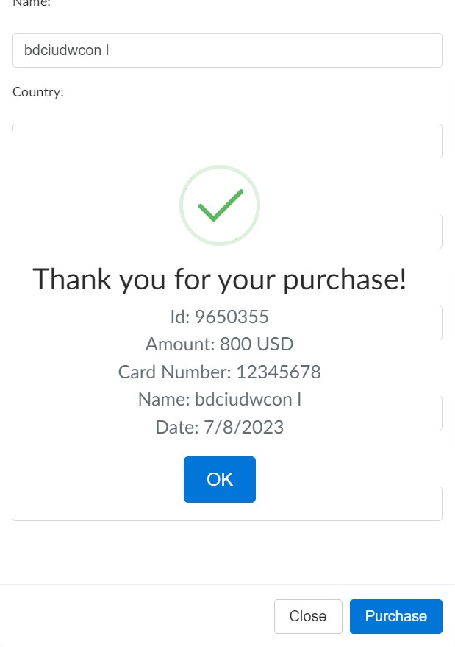

B12
Summary | Navbar is not responsive
Repro steps | 1.Open the page demoblaze.com
 | 2.Inspect element
 | 3.Dimensions: Responsive:600
Expected result | Should be in column, not a row
Actual result | Navbar is not responsive. It overlaps.
Severity | low
Screenshot

B13
Summary | Clicking the images of the product does not bring up the product, it makes the website jump up to the top
Repro steps | 1.Open the page demoblaze.com
 | 2 Scroll down to click the button "next"
 | 3.When you are on the second page, choose any of the products and specificially click the image of the product, not the link
Expected result | Clicking the image makes the product page show up
Actual result | It returns at the top of the page. The website jumps to the top.
Severity | low

B14
Summary | The background is not the same for all products
Repro steps | 1.Open the page demoblaze.com
 | 2.Check the products
Expected result | The same background for all products.
Actual result | The background is not the same for all products. It differs.
Severity | low

