Sheet1
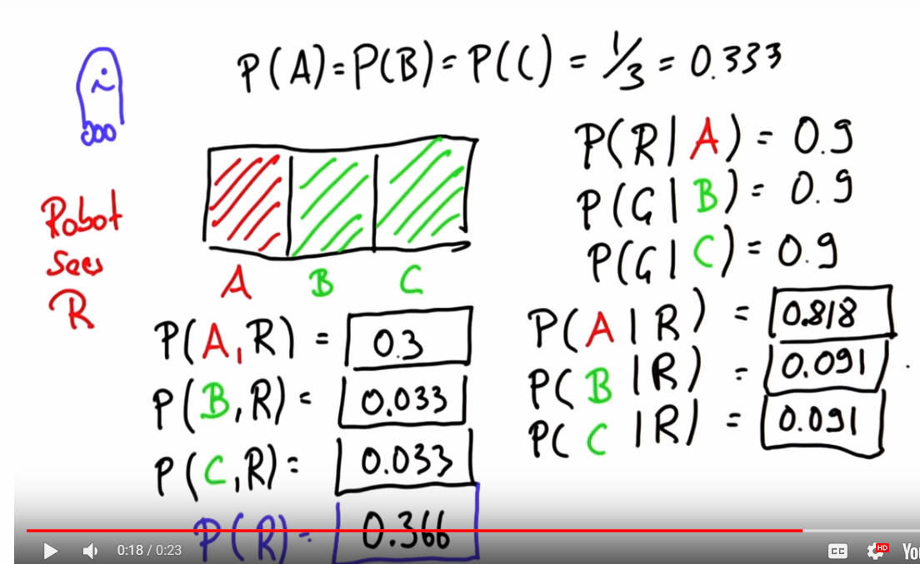
coins |  |  |  |  |  |  | Truth Table is 2 ^ (# flips) |  |  |  |  |  |  |  |  | a | b | c | 1 | 0.35294117647 | 0.375 | 0.13235294118 | x
h | h | h | 0.5 | 0.5 | 0.5 | 0.125 |  |  |  |  |  |  |  |  |  | b | c | a | 1 | 0.35294117647 | 0.375 | 0.13235294118 | x
h | h | t | 0.5 | 0.5 | 0.5 | 0.125 |  |  |  |  |  |  |  |  |  | c | a | b | 1 | 0.35294117647 | 0.375 | 0.13235294118 | x
h | t | t | 0.5 | 0.5 | 0.5 | 0.125 |  |  |  |  |  |  |  |  |  | b | a | c | 1 | 0.35294117647 | 0.375 | 0.13235294118 | x
h | t | h | 0.5 | 0.5 | 0.5 | 0.125 |  |  |  |  |  |  |  |  |  | a | c | b | 1 | 0.35294117647 | 0.375 | 0.13235294118 | x
t | t | t | 0.5 | 0.5 | 0.5 | 0.125 |  |  |  |  |  |  |  |  |  | c | b | a | 1 | 0.35294117647 | 0.375 | 0.13235294118 | x
t | h | t | 0.5 | 0.5 | 0.5 | 0.125 |  |  |  |  |  |  |  |  |  | b | a | a | 1 | 0.35294117647 | 0.3125 | 0.11029411765 | x
t | h | h | 0.5 | 0.5 | 0.5 | 0.125 |  |  |  |  |  |  |  |  |  | b | b | b | 1 | 0.29411764706 | 0.25 | 0.073529411765 | x
t | t | h | 0.5 | 0.5 | 0.5 | 0.125 |  |  |  |  |  |  |  |  |  | c | c | c | 1 | 0.29411764706 | 0.25 | 0.073529411765 | x
 |  |  |  |  |  |  |  |  |  |  |  |  |  |  |  | c | c | b | 1 | 0.29411764706 | 0.375 | 0.11029411765 | x
 |  |  |  |  |  |  | 0.096 |  |  |  |  | #NUM! |  | 0.29411764706 |  | c | b | c | 1 | 0.35294117647 | 0.3125 | 0.11029411765 | x
 |  |  |  |  |  |  |  | 32 |  |  |  |  |  | 0.25 |  | c | b | b | 1 | 0.35294117647 | 0.3125 | 0.11029411765 | x
 |  |  |  |  |  |  |  |  |  |  |  |  |  | 0.3125 |  | b | b | c | 1 | 0.29411764706 | 0.375 | 0.11029411765 | x
 |  |  |  |  |  |  |  |  |  |  |  |  |  | 0.28125 |  | b | c | b | 1 | 0.35294117647 | 0.3125 | 0.11029411765 | x
 |  |  |  |  |  |  |  |  |  |  |  |  |  |  |  | b | c | c | 1 | 0.35294117647 | 0.3125 | 0.11029411765 | x
 |  |  |  |  |  |  |  |  |  |  |  |  |  |  |  | a | a | c | 1 | 0.29411764706 | 0.375 | 0.11029411765 | x
 |  |  |  |  |  |  |  |  |  |  |  |  |  |  |  | a | c | a | 1 | 0.35294117647 | 0.3125 | 0.11029411765 | x
 |  |  |  |  |  |  |  |  |  |  |  |  |  |  |  | a | c | c | 1 | 0.35294117647 | 0.3125 | 0.11029411765 | x
 |  |  |  |  |  |  |  |  |  |  |  |  |  |  |  | c | c | a | 1 | 0.29411764706 | 0.375 | 0.11029411765 | x
 |  |  |  |  |  |  |  |  |  |  |  |  |  |  |  | c | a | c | 1 | 0.35294117647 | 0.3125 | 0.11029411765 | x
 |  |  |  |  |  |  |  |  |  |  |  |  |  |  |  | c | a | a | 1 | 0.35294117647 | 0.3125 | 0.11029411765 | x
 |  |  |  |  |  |  |  | Weighted
 |  |  |  |  |  | Binomial |  | 0.5 |  | Manual Calc | Excel Function |  |  |  |  |  |  | #NAME?
 |  |  |  |  | #Samples | 17 | 17 | 0.5 | 1.5258789062E-05 | 0.00012969970703 | 0.00012969970703 |  |  |  |  |  |  |  |  |  |  | 0.7941 | 0.66175 | 0.5294 | 0.39705
 |  |  |  |  | #Positive | 1 |  |  |  |  |  |  |  |  |  |  |  |  |  |  |  | 0.2059 | 0.33825 | 0.4706 | 0.60295
 |  |  |  |  | Weighting | 0.5

 |  |  |  |  |  |  |  |  |  |  |  |  |  |  |  |  |  |  |  |  |  | 0.73529411765
Conditional Probability
 |  |  |  |  |  |  |  |  |  |  |  |  |  |  |  |  |  |  |  | 0.5 | 0.11111 | 0.5 | 0.5625
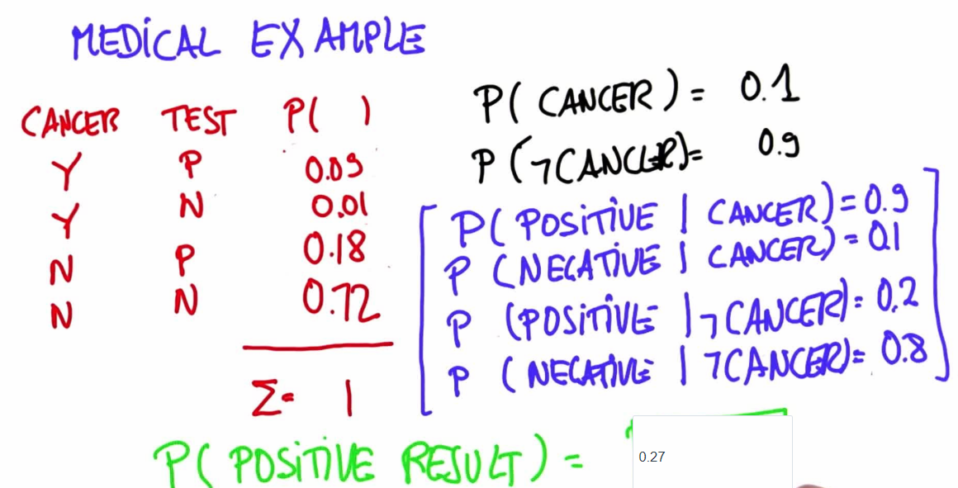
 |  |  |  |  |  |  |  |  |  |  |  |  |  |  |  |  |  |  | 0.1649470762 |  | 0.055555 |  | 0.28125
 |  |  |  |  |  |  |  |  |  |  |  |  |  |  |  |  |  |  | 0.8350529238 |  |  | 0.336805
 |  |  |  |  |  |  |  |  |  |  |  |  | coin | head/tail |  |  |  |  |  |  | 0.9167
 |  |  |  |  |  |  |  |  |  |  |  |  | 1 | H | 0.5 |  |  |  |  |  | 0.45835
 |  |  |  |  |  |  |  |  |  |  |  |  | 1 | T | 0.5
 |  |  |  |  |  |  |  |  |  |  |  |  | 2 | H | 0.9
 |  |  |  |  |  |  |  |  |  |  |  |  | 2 | T | 0.1 |  |  |  | 0.037037037037 | 0.0703125
 |  |  |  |  |  |  |  |  |  |  |  |  |  |  |  |  |  |  | 0.10734953704
 |  |  |  |  |  |  |  |  |  |  |  |  | hh | 0.045 |  |  |  |  | 0.34501347709
 |  |  |  |  |  |  |  |  |  |  |  |  | ht | 0
 |  |  |  |  |  |  |  |  |  |  |  |  | th | 0
 |  |  |  |  |  |  |  |  |  |  |  |  | tt | 0
 |  |  |  |  |  |  |  |  |  |  |  |  | hh | 0.18
 |  |  |  |  |  |  |  |  |  |  |  |  | ht | 0.12
 |  |  |  |  |  |  |  |  |  |  |  |  | th | 0.12
 |  |  |  |  |  |  |  |  |  |  |  |  | tt | 0.08
 |  |  |  |  |  |  |  |  |  |  |  |  |  | 0.545

Probability of getting H then T with 2 coin flips after picking a random coin from group of 2 (1 fair, 1 weighted)
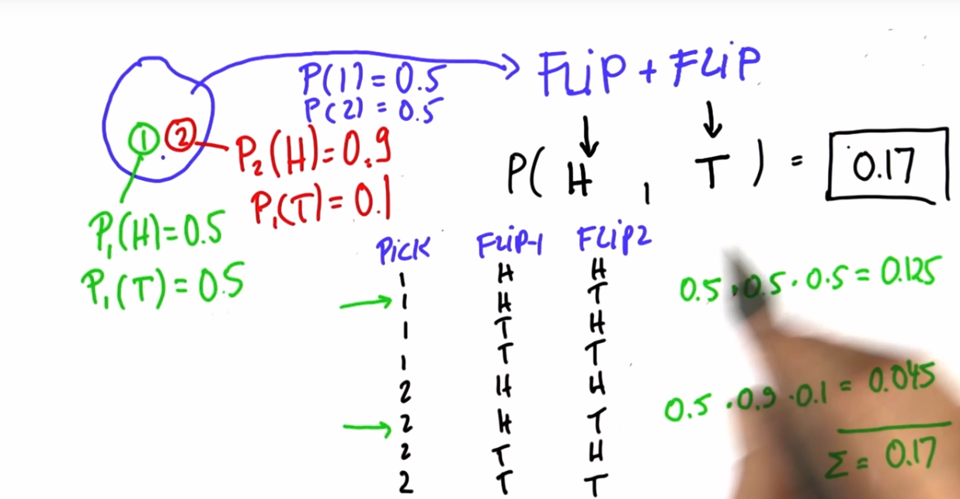

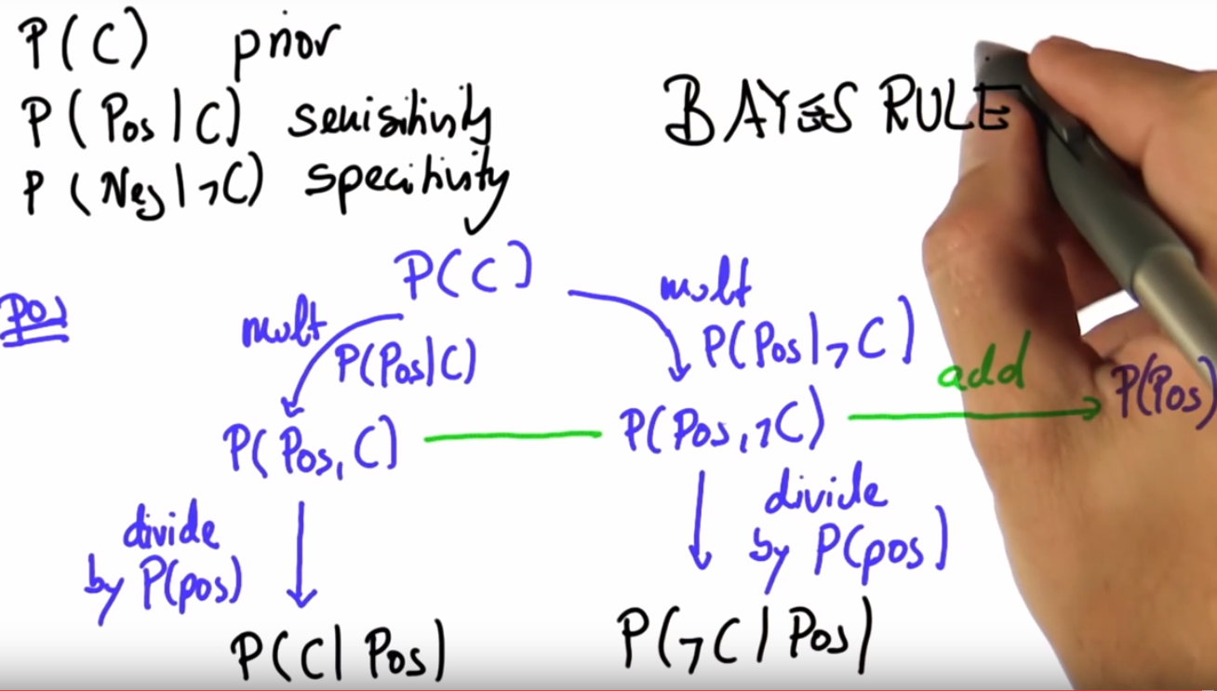
Bayes Rule

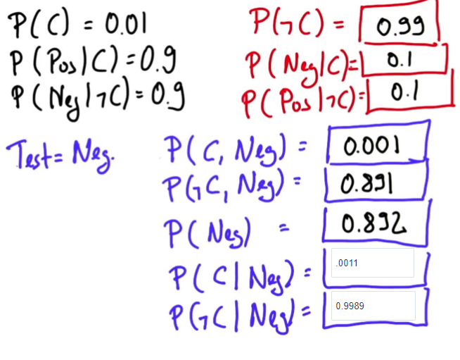
 |  |  |  |  |  |  |  |  |  |  |  | Bayes Rule Calc
 |  |  |  |  |  |  |  |  |  |  |  | P(x) | 0.5 | P(!x) | 0.5
 |  |  |  |  |  |  |  |  |  |  |  | P(Pos|x) | 0.11111 | P(Neg|x) | 0.88889
 |  |  |  |  |  |  |  |  |  |  |  | P(Neg|!x) | 0.25 | P(Pos|!x) | 0.75

 |  |  |  |  |  |  |  |  |  |  |  | Pos Test |  | Neg Test
 |  |  |  |  |  |  |  |  |  |  |  | P(x,Pos) | 0.055555 | P(x,Neg) | 0.444445
 |  |  |  |  |  |  |  |  |  |  |  | P(!x,Pos) | 0.375 | P(!x,Neg) | 0.125
 |  |  |  |  |  |  |  |  |  |  |  | P(Neg) | 0.430555 | P(Neg) | 0.569445
 |  |  |  |  |  |  |  |  |  |  |  | P(x|Neg) | 0.12903113423 | P(x|Neg) | 0.78048801904
 |  |  |  |  |  |  |  |  |  |  |  | P(!x|Neg) | 0.87096886577 | P(!x|Neg) | 0.21951198096

 |  |  |  |  |  |  |  |  |  |  |  | 0.004 | 0.021739130435
 |  |  |  |  |  |  |  |  |  |  |  | 0.18

