initial_look
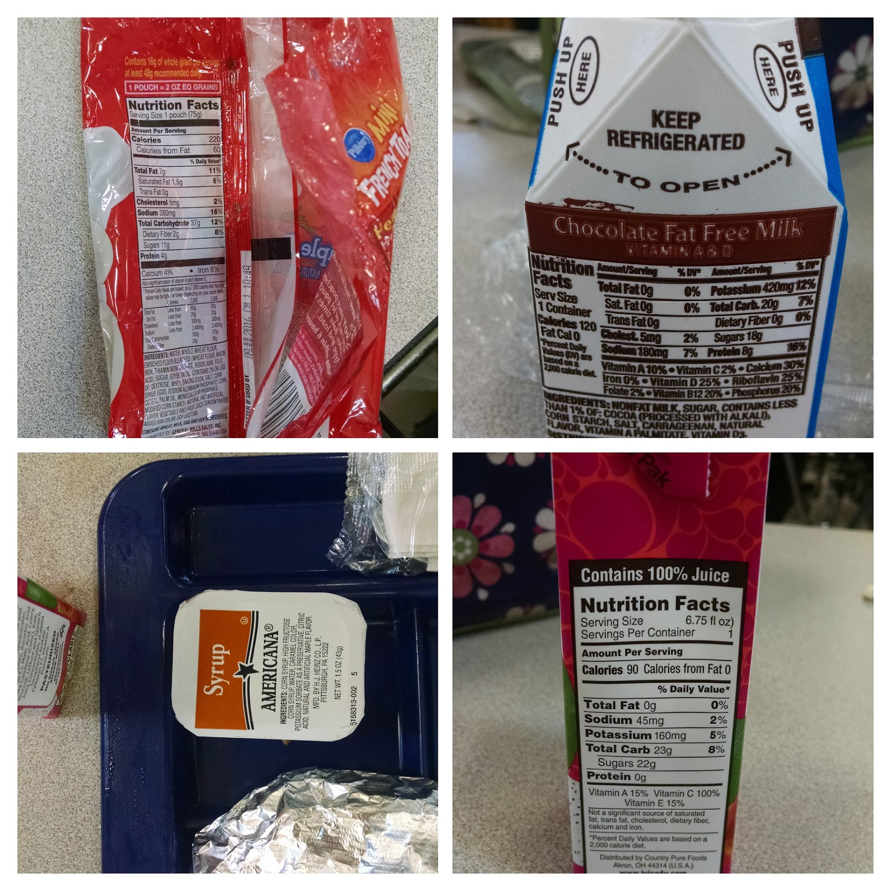
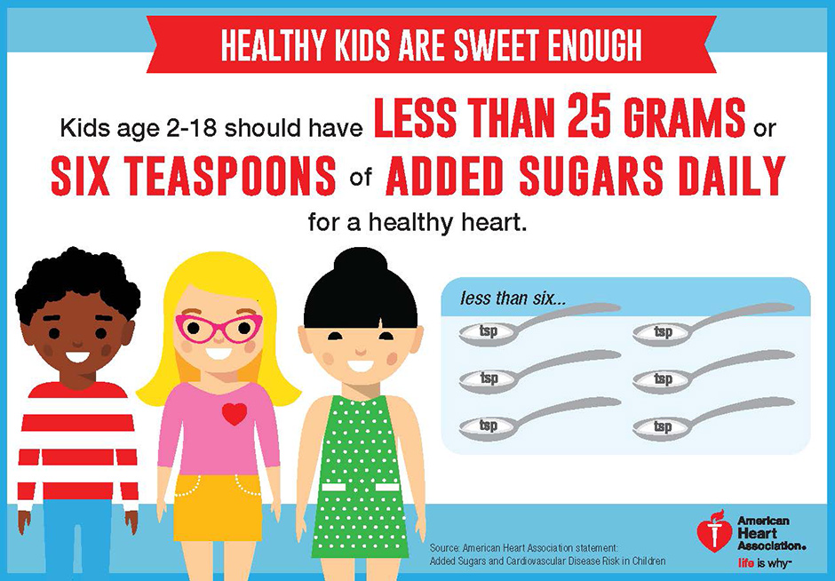
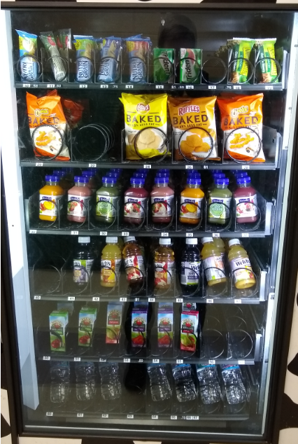
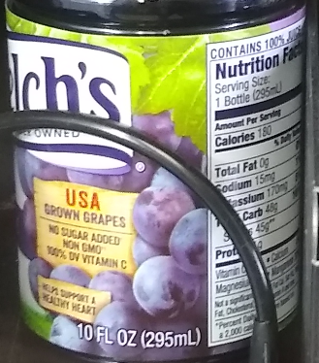
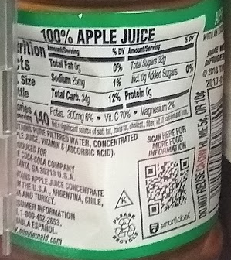
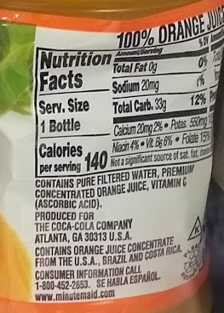
 |  |  |  |  |  |  |  |  |  | Single Meal Analysis

Lunch Items | Serving Size (g) | Total Carbohydrates (g) | Fiber (g) | Starches (g) | Sugars (g) | Starches plus Sugar (g) | Percent Starch plus Sugar by Mass | Notes | Calories from Starches and Sugar |  | Intrinsic Sugars | Sugars from Milk | Free Sugars | Total
Eggs | 53 | 1 | 0 | 1 | 0 | 1 | 2% |  | 4 | grams | 22 | 12 | 53.6 | 87.6
Pancakes | 29.8 | 19.4 | 2 | 12.8 | 4.6 | 17.4 | 58% |  | 69.6 | calories | 88 | 48 | 214.4 | 350.4
Syrup | 43 | 31 | 0 | 10 | 21 | 31 | 72% |  | 124 | WHO Daily Scorecard (10% of Calories from added / free sugars) |  |  | 11.91% |  | 10% is the limit for the day
Applesauce | 113 | 24 | 2 | 0 | 22 | 22 | 19% | Mostly Water | 88 | AHA Daily Score Card (25g added /free sugars) |  |  | 214% |  | 25g is the limit for the day
Dragon Juice | 200 | 23 | 0 | 1 | 22 | 23 | 12% | Mostly Water | 92
Chocolate Milk | 236 | 20 | 0 | 2 | 18 | 20 | 8% | Mostly Water | 80
 | 674.8 | 118.4 | 4 | 26.8 | 87.6 | 114.4 | 17% | Mostly Water | 457.6

 |  | Meal Average Calories | 655
 |  | % from Starches and Sugar | 70%

Lunch Items | Serving Size (g) | Total Carbohydrates (g) | Fiber (g) | Starches (g) | Sugars (g) | Starches plus Sugar (g) | Percent Starch plus Sugar by Mass | Notes | Calories from Starches and Sugar |  | Intrinsic Sugars | Sugars from Milk | Free Sugars | Total
Eggs | 53 | 1 | 0 | 1 | 0 | 1 | 2% |  | 4 | grams | 17 | 12 | 60 | 89
Mini Waffles | 75 | 37 | 2 | 24 | 11 | 35 | 47% |  | 140 | calories | 68 | 48 | 240 | 356
Syrup | 43 | 31 | 0 | 10 | 21 | 31 | 72% |  | 124 | WHO Daily Scorecard (10% of Calories from added / free sugars) |  |  | 13.33% |  | 10% is the limit for the day
Fruit Compote | 113 | 19 | 1 | 1 | 17 | 18 | 16% | Mostly Water | 72 | AHA Daily Score Card (25g added /free sugars) |  |  | 240% |  | 25g is the limit for the day
Dragon Juice | 200 | 23 | 0 | 1 | 22 | 23 | 12% | Mostly Water | 92
Chocolate Milk | 236 | 20 | 0 | 2 | 18 | 20 | 8% | Mostly Water | 80
 | 720 | 131 | 3 | 39 | 89 | 128 | 18% | Mostly Water | 512

 |  | Meal Average Calories | 655
 |  | % from Starches and Sugar | 78% |  |  |  |  |  |  |  |  |  |  |  |  |  | 1 Pound of Fat in Calories |  |  | 3500
Argus Leader Story
Breakfast Items | Serving Size (g or ml) | Total Carbohydrates (g) | Fiber (g) | Starches (g) | Sugars (g) | Starches plus Sugar (g) | Percent Starch plus Sugar by Mass | Notes | Calories from Starches and Sugar |  | Intrinsic Sugars | Sugars from Milk | Free Sugars | Total |  |  | Calories in Excess of the Added Sugar Minimum
Land of Lakes Dairy Pure 1% Milk | 243 | 12 | 0 | 0 | 12 | 12 | 5% |  | 48 | grams | 15 | 12 | 37 | 64 |  |  |  | Grams | Calories | Days to Add 1 Pound of Fat
Apple & Eve 100% Apple Juice | 125 | 14 | 0 | 2 | 12 | 14 | 11% |  | 56 | calories | 60 | 48 | 148 | 256 |  |  | Breakfast | 12 | 48 | 73
Del Monte Diced Pears in 100 % Juice | 113 | 18 | 1 | 2 | 15 | 17 | 15% |  | 68 | WHO Daily Scorecard (10% of Calories from added / free sugars) |  |  | 8.22% |  | 10% is the limit for the day | 0.0082222222222 | Lunch | 35 | 140 | 25
Mozzarella Cheese Stick | 113 | 0 | 0 | 0 | 0 | 0 | 0% |  | 0 | AHA Daily Score Card (25g added /free sugars) |  |  | 148% |  | 25g is the limit for the day |  | Two Meals | 47 | 188 | 19
Banana Bread | 236 | 44 | 2 | 17 | 25 | 42 | 18% |  | 168
 | 830 | 88 | 3 | 21 | 64 | 85 | 10% |  | 340

 |  | Meal Average Calories | 655
 |  | % from Starches and Sugar | 52%

Caloric Recommendations by Age, Gender and Activity Level USDA |  |  |  |  |  |  |  |  |  | Two Meals Served by the SFSD
WHO Sugar Intake Recommendations for adults and Children
AHA Sugar Recommendations Healthy Kids and Teens |  |  |  |  |  |  |  |  |  |  | Intrinsic Sugars | Sugars from Milk | Free Sugars | Total
 |  |  |  |  |  |  |  |  |  | grams | 37 | 24 | 90.6 | 151.6
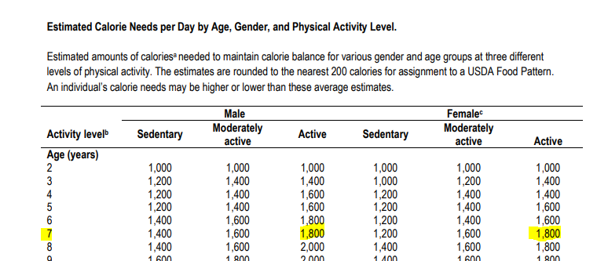
 |  |  |  |  |  |  |  |  |  | calories | 148 | 96 | 362.4 | 606.4
 |  |  |  |  |  |  |  |  |  | WHO Daily Scorecard (10% of Calories from added / free sugars) |  |  | 20.13% |  | 10% is the limit for the day
 |  |  |  |  |  |  |  |  |  | AHA Daily Score Card (25g added /free sugars) |  |  | 362% |  | 25g is the limit for the day
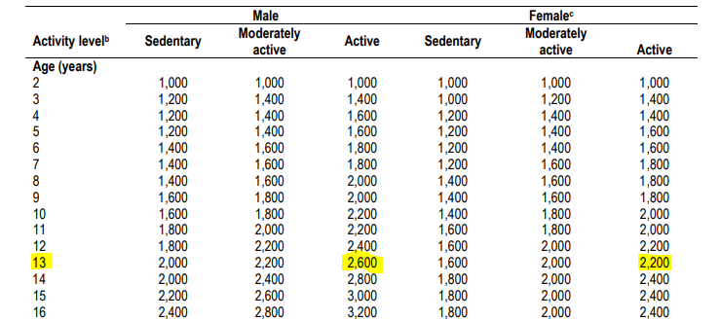

 |  |  |  |  |  |  |  |  |  | Edison Vending Machine Options - Grape Juice

 |  |  |  |  |  |  |  |  |  |  | Intrinsic Sugars | Sugars from Milk | Free Sugars | Total
 |  |  |  |  |  |  |  |  |  | grams | 0 | 0 | 45 | 45
 |  |  |  |  |  |  |  |  |  | calories | 0 | 0 | 180 | 180
 |  |  |  |  |  |  |  |  |  | WHO Daily Scorecard (10% of Calories from added / free sugars) |  |  | 6.92% |  | 10% is the limit for the day
 |  |  |  |  |  |  |  |  |  | AHA Daily Score Card (25g added /free sugars) |  |  | 180% |  | 25g is the limit for the day

 |  |  |  |  |  |  |  |  |  | Edison Vending Machine Options - Apple Juice

 |  |  |  |  |  |  |  |  |  |  | Intrinsic Sugars | Sugars from Milk | Free Sugars | Total
 |  |  |  |  |  |  |  |  |  | grams | 0 | 0 | 34 | 34
 |  |  |  |  |  |  |  |  |  | calories | 0 | 0 | 136 | 136
 |  |  |  |  |  |  |  |  |  | WHO Daily Scorecard (10% of Calories from added / free sugars) |  |  | FALSE |  | 10% is the limit for the day
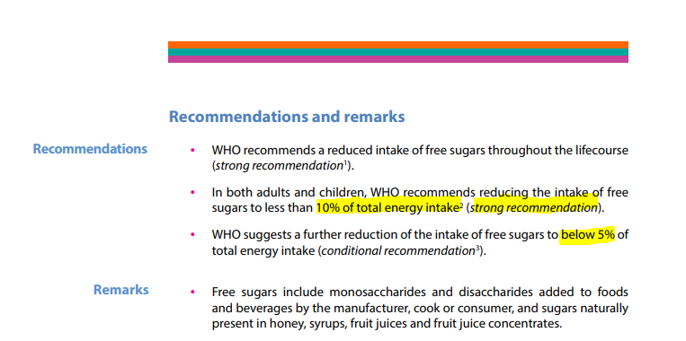
 |  |  |  |  |  |  |  |  |  | AHA Daily Score Card (25g added /free sugars) |  |  | 136% |  | 25g is the limit for the day

 |  |  |  |  |  |  | NOTE : I will use the recommended daily caloric intake (1,800) for the most active 7 year olds, though the article explicitly linked inactivity to the root cause.

