Drop-Down Menus
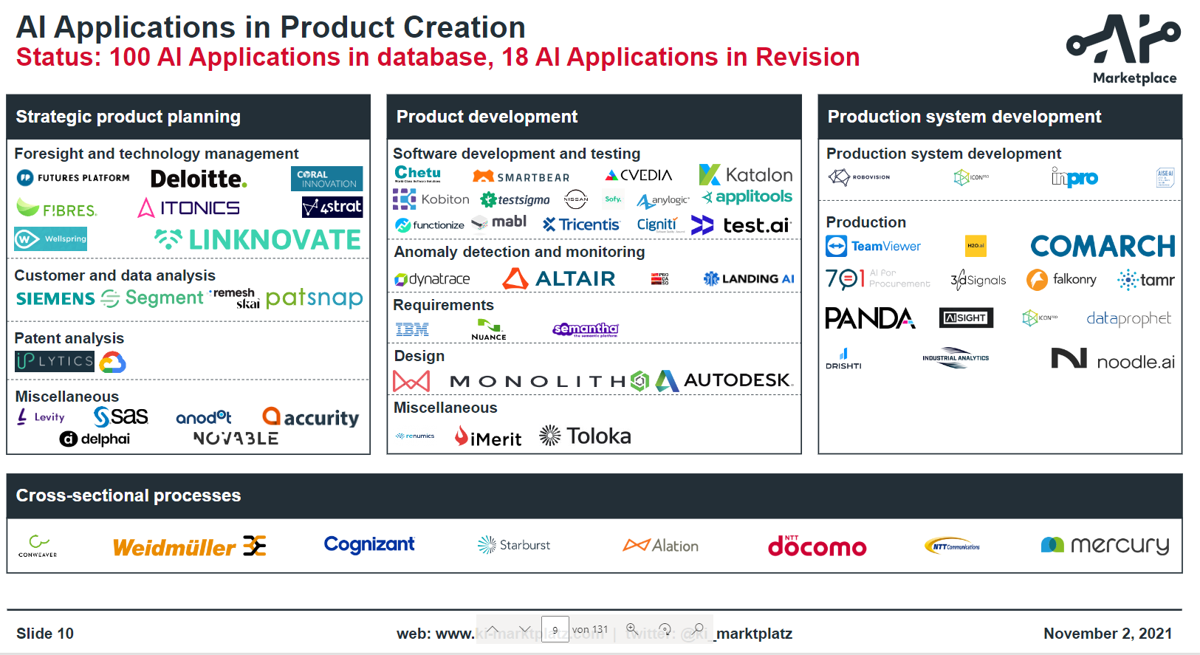
type of offer | type of offer (detailed) | type of offer | AI potential | target group (personas) | Application Domain | product engineering | key benefits | pricing model | Understandability of description/material | Relevance of service/app and fit to the portfolio | Capability of company to offer service/product | quality of app/service
app | training | service | … | product manager | Strategic Product Planning | Strategic product planning | tbd | free | 0 | 1 - product engineering | 0 | 0
service | consulting | service |  | project leader | Foresight and technology/trend management | product development |  | charged - one time payment | 1 | 2 - production | 1 | 1
 | workshops | service |  | requirements manager | Ideation and Innovation | service development |  | charged - frequently/recurring fee |  | 3- AI general
 | contract research | service |  | data scientist | Early validation | production systems development |  | charged - usage based |  | 4 - cross sectional processes
 | desktop app | app |  | marketing leader | Customer (data) analysis | cross-sectional-processes |  | charged - individual |  | 5 - not relevant
 | web app | app |  | development engineer | Patent analysis
 | web service (API) | app |  | technical product designer | market and competitor analysis
 | source code | app |  | software developer | company scouting
 | module in softwareplatform | app |  | test engineer | Product monitoring
 | contract development/implementation | service |  | quality manager | Product Development
 | SaaS |  |  | production planner | Software development
 |  |  |  | competition analyst | Software testing
 |  |  |  | innovation manager | quality management
 |  |  |  | production controller | Requirements management
 |  |  |  | process manager | Product design
 |  |  |  | researcher | material selection
 |  |  |  | consultant | simulation
 |  |  |  | CEO | (virtual) product testing
 |  |  |  | business analyst | electronic concept development
 |  |  |  |  | Production System development
 |  |  |  |  | Production / manufacturing
 |  |  |  |  | process optimization
 |  |  |  |  | Predictive Maintenance
 |  |  |  |  | Anomaly detection and monitoring
 |  |  |  |  | AI in general
 |  |  |  |  | AI development/deployment
 |  |  |  |  | AI assistance
 |  |  |  |  | Cross-sectional
 |  |  |  |  | Data Management (Cross-sectional)
 |  |  |  |  | Knowledge Management

