Basics
 | Cut before Jun1 reaminder of gauranteed counts this year
 | Cut post Jun1 CY $ counts CY and remainder counts CY+1 but no CY P5

S-Bonus: | Prorated thru length of contract with Jun 1 designation | proration in max 5 years

Option Bonus: | Prorated thru length of contract with Jun 1 designation

Roster Bonus: | Prorated thru length of contract with Jun 1 designation if ully guaranteed, else fully counted in year paid

Workout Bonus: | Prorated thru length of contract with Jun 1 designation

Restructure | P5 reduced to league min and diff is 'Restrcutured' to S-Bonus, to be paid immediately with same proration as s-bonus Prorated thru length of contract with Jun 1 designation

Incentives are written into some contracts to pay a player for reaching certain performance criteria. Incentives come in two varieties – Likely To Be Earned (LTBE) and Not Likely To Be Earned (NLTBE) – each of which has different Salary Cap implications.

Likely To Be Earned Incentives (LTBE) are incentives based on performance levels that were reached in the prior season. LTBEs count against the Salary Cap in the year they are scheduled.

Veteran: 4 CS (6 or games more on team)
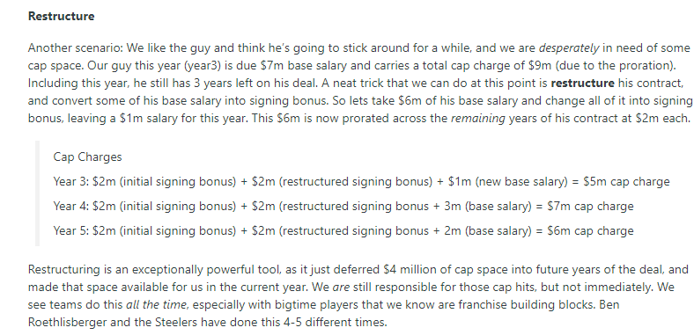

https://nflpa.com/reports/public-salary-cap-report
https://sumersports.com/the-zone/void-years-explained/
https://sumersports.com/the-zone/contract-restructures-explained/

Voids are added during restructure to help prorate s-bonus

https://russellstreetreport.com/salarycap/nfl-salary-cap-faqs/

ACCRUED SZN DIFFERS FROM CREDITED SZN

https://overthecap.com/examining-the-pros-and-cons-of-void-years-for-salary-cap-relief

 |  |  | Backloaded base salary ideal for restrucutre

