PTSM -HV -SMD
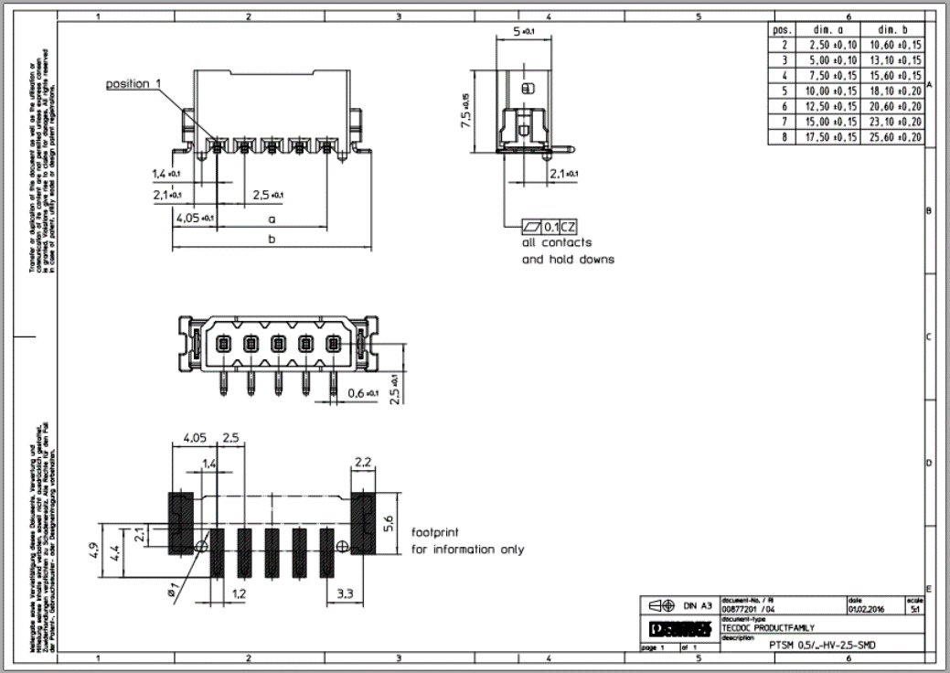
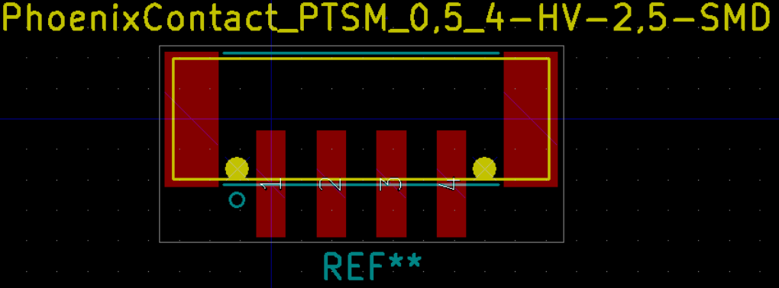
Units : MILLIMETER
Pins | Number Pins |  | 2 | 3 | 4 | 5 | 6 | 7 | 8
Drawing Data | Pad Pitch | 2.5
Drawing Data | Pitch Center |  | 1.25 | 2.5 | 3.75 | 5 | 6.25 | 7.5 | 8.75

Feature | Parameter
OUTER PADS | ±Position X | 3.3 | 4.55 | 5.8 | 7.05 | 8.3 | 9.55 | 10.8 | 12.05 | Negative for Left, Positive for Right | Notes
 | Position Y |  | 0 | 0 | 0 | 0 | 0 | 0 | 0 |  | Layout Colors
 | Size X | 2.2 |  |  |  |  |  |  |  |  |  | Red | SMD Copper Pads
 | Size Y | 5.6 |  |  |  |  |  |  |  |  |  | Yellow | Fab Layer, mechanical part outline, not drawn on PCB
 |  |  |  |  |  |  |  |  |  |  |  | Aqua | Front Silk, should be visible after part is installed
PAD 1 | X Position |  | -1.25 | -2.5 | -3.75 | -5 | -6.25 | -7.5 | -8.75 |  |  | Gray | Front Courtyard. 0.25mm clearance boarder around features.
PAD 2 | X Position |  | 1.25 | 0 | -1.25 | -2.5 | -3.75 | -5 | -6.25
PAD 3 | X Position |  |  | 2.5 | 1.25 | 0 | -1.25 | -2.5 | -3.75 |  | Y Center is vertical center of the outer SMD pads, as center line shown in drilling diagram.
PAD 4 | X Position |  |  |  | 3.75 | 2.5 | 1.25 | 0 | -1.25 |  | X Center is the vertical center of the contact pads.
PAD 5 | X Position |  |  |  |  | 5 | 3.75 | 2.5 | 1.25 |  | Origin is placed at CENTER.
PAD 6 | X Position |  |  |  |  |  | 6.25 | 5 | 3.75
PAD 7 | X Position |  |  |  |  |  |  | 7.5 | 6.25
PAD 8 | X Position |  |  |  |  |  |  |  | 8.75
PAD 1-8 | Y Position | 4.9 | 2.7 | 2.7 | 2.7 | 2.7 | 2.7 | 2.7 | 2.7

Non Plated TH | ±X Position | 1.4 | 2.65 | 3.9 | 5.15 | 6.4 | 7.65 | 8.9 | 10.15
 | Y Position | -2.1 | -2.1 | -2.1 | -2.1 | -2.1 | -2.1 | -2.1 | -2.1
 | Drill X Size | 1 | 1 | 1 | 1 | 1 | 1 | 1 | 1

Part Shadow (yellow) | Body Width Dim B |  | 10.6 | 13.1 | 15.6 | 18.1 | 20.6 | 23.1 | 25.6
0.10mm line width | ± X |  | 5.3 | 6.55 | 7.8 | 9.05 | 10.3 | 11.55 | 12.8
 | ± Y |  | 2.5 | 2.5 | 2.5 | 2.5 | 2.5 | 2.5 | 2.5

Silkscreen Lines | Clearance | 0.25
0.12mm line width | ± X | 2.2 | 3.2 | 4.45 | 5.7 | 6.95 | 8.2 | 9.45 | 10.7
 | ± Y |  | 2.75 | 2.75 | 2.75 | 2.75 | 2.75 | 2.75 | 2.75

Silkscreen Pin 1 circle | X
 | Y
 | Dia

Courtyard | Clearance | 0.25
Rectangle | ± X | 2.2 | 5.9 | 7.15 | 8.4 | 9.65 | 10.9 | 12.15 | 13.4
0.005mm line width | Top Y (-) | 5.6 | 3.05 | 3.05 | 3.05 | 3.05 | 3.05 | 3.05 | 3.05
 | Bottom Y | 4.9 | 5.15 | 5.15 | 5.15 | 5.15 | 5.15 | 5.15 | 5.15

Sheet2
Pin 1

