目标检测分割
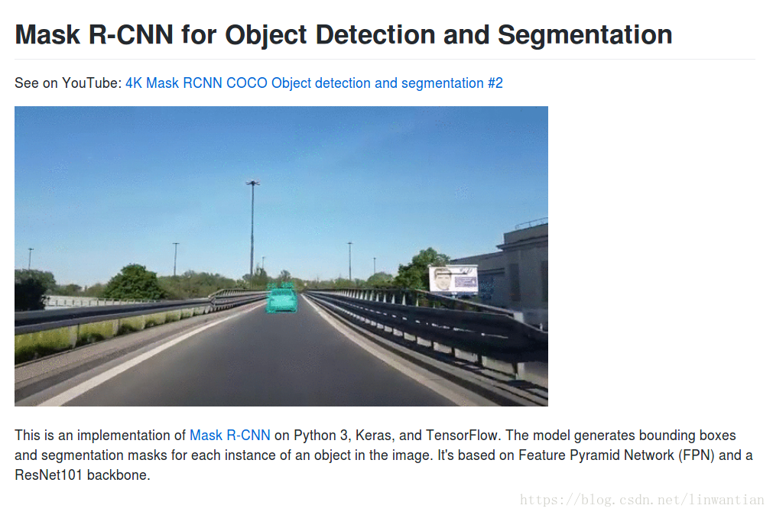
Deeplab、目标检测、Segmentation
2018年05月07日 10:43:10 木上虫儿飞 阅读数：1614
版权声明：本文为博主原创文章，未经博主允许不得转载。 https://blog.csdn.net/linwantian/article/details/80222341
论文阅读 - Semantic Image Segmentation With Deep Convolutional Nets and Fully Connected CRFs
1. Project
2. 笔记
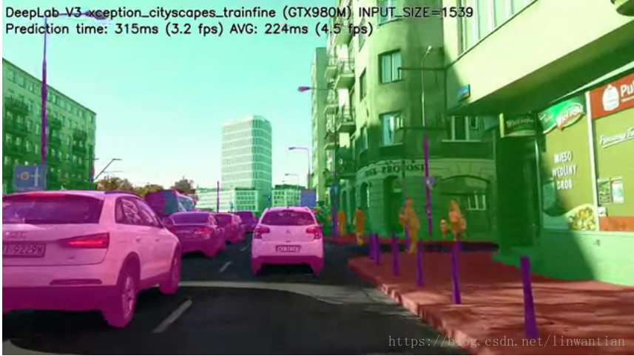

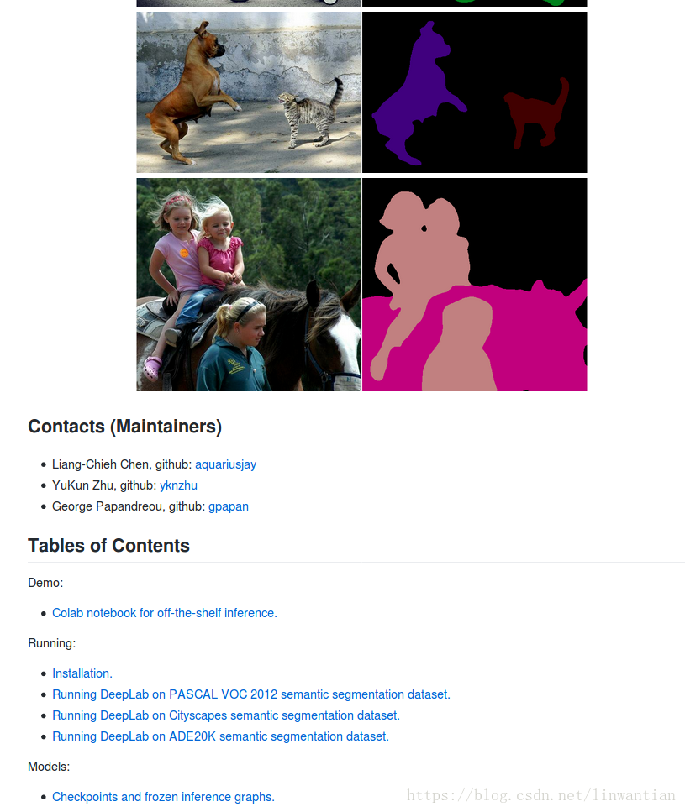

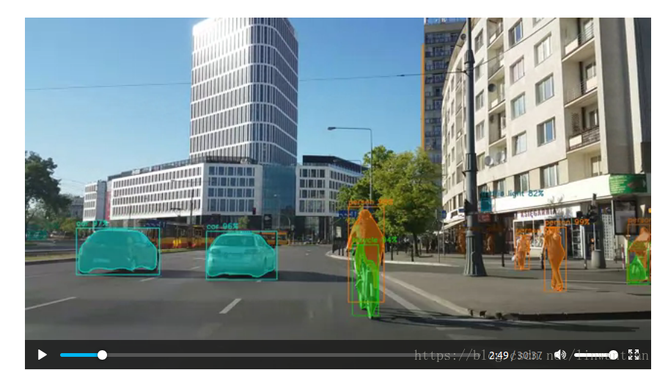

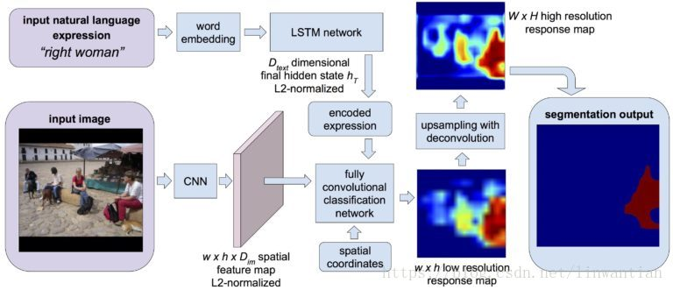

摘要 ——
主要是将CNN和概率图模型结合，来处理像素级分类问题，即语义图像分割. 由于CNN具有不变性，适合于 high-level 任务，如图像分类. 但CNN网络最后一层的输出不足以精确物体分割. 这里结合CNN最后输出层的特征与全连接CRF相结合，提升语义分割效果.
Deeplab的源代码可以托管在网页上运行demo
1. Deeplab–github代码
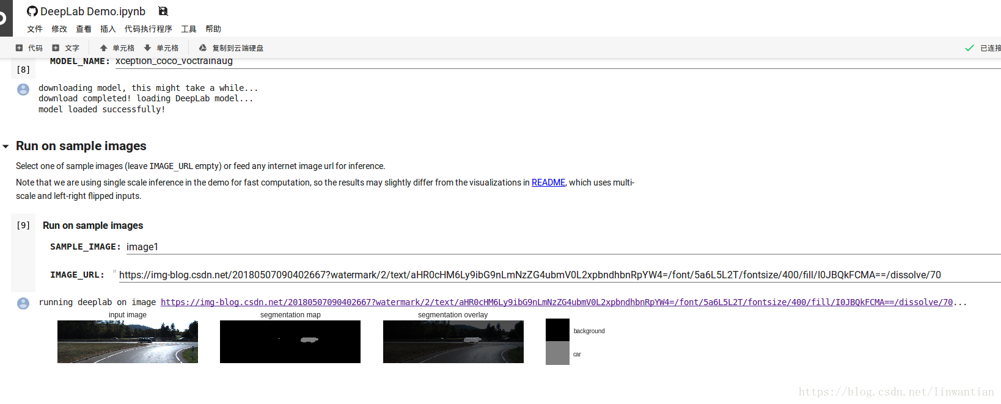
2. 在线运行脚本

3. Running DeepLab on Cityscapes Semantic Segmentation Dataset
4. TensorFlow DeepLab Model Zoo
5. Youtube 视频演示 DeepLab v3 Xception Cityscapes

目标检测
1. Mask RCNN Youtute视频
道路场景—-人、车的bounding box以及准确率

2. github 此部分代码

CityScapes Benchmark
测评数据排名


Semantic Segmentation Prepared for CSC2541: Visual Percep7on for Autonomous Driving
Segmentation
https://handong1587.github.io/deep_learning/2015/10/09/segmentation.html#papers
Papers
U-Net
Foreground Object Segmentation
Semantic Segmentation
DeepLab
DeepLab v2
DeepLab v3
DeepLabv3+
CRF-RNN
BoxSup
DeconvNet
SegNet
ParseNet
DecoupledNet
ScribbleSup
ENet
PixelNet
RefineNet
ICNet
LinkNet
Instance Segmentation
MaskLab
Human Instance Segmentation
Specific Segmentation
Segment Proposal
Scene Labeling / Scene Parsing
PSPNet
Benchmarks
Challenges
Human Parsing
Video Object Segmentation
Challenge
Projects
3D Segmentation
Leaderboard
Blogs
Talks

Papers
Deep Joint Task Learning for Generic Object Extraction
intro: NIPS 2014
homepage: http://vision.sysu.edu.cn/projects/deep-joint-task-learning/
paper: http://ss.sysu.edu.cn/~ll/files/NIPS2014_JointTask.pdf
github: https://github.com/xiaolonw/nips14_loc_seg_testonly
dataset: http://objectextraction.github.io/
Highly Efficient Forward and Backward Propagation of Convolutional Neural Networks for Pixelwise Classification
arxiv: https://arxiv.org/abs/1412.4526
code(Caffe): https://dl.dropboxusercontent.com/u/6448899/caffe.zip
author page: http://www.ee.cuhk.edu.hk/~hsli/
Segmentation from Natural Language Expressions

intro: ECCV 2016
project page: http://ronghanghu.com/text_objseg/
arxiv: http://arxiv.org/abs/1603.06180
github(TensorFlow): https://github.com/ronghanghu/text_objseg
gtihub(Caffe): https://github.com/Seth-Park/text_objseg_caffe
Semantic Object Parsing with Graph LSTM
arxiv: http://arxiv.org/abs/1603.07063
Fine Hand Segmentation using Convolutional Neural Networks
arxiv: http://arxiv.org/abs/1608.07454
Feedback Neural Network for Weakly Supervised Geo-Semantic Segmentation
intro: Facebook Connectivity Lab & Facebook Core Data Science & University of Illinois
arxiv: https://arxiv.org/abs/1612.02766
FusionNet: A deep fully residual convolutional neural network for image segmentation in connectomics
arxiv: https://arxiv.org/abs/1612.05360
A deep learning model integrating FCNNs and CRFs for brain tumor segmentation
arxiv: https://arxiv.org/abs/1702.04528
Texture segmentation with Fully Convolutional Networks
intro: Dublin City University
arxiv: https://arxiv.org/abs/1703.05230
Fast LIDAR-based Road Detection Using Convolutional Neural Networks
https://arxiv.org/abs/1703.03613
Deep Value Networks Learn to Evaluate and Iteratively Refine Structured Outputs
arxiv: https://arxiv.org/abs/1703.04363
demo: https://gyglim.github.io/deep-value-net/
1
2
Annotating Object Instances with a Polygon-RNN
intro: CVPR 2017. CVPR Best Paper Honorable Mention Award. University of Toronto
project page: http://www.cs.toronto.edu/polyrnn/
arxiv: https://arxiv.org/abs/1704.05548
1
2
3
Semantic Segmentation via Structured Patch Prediction, Context CRF and Guidance CRF
intro: CVPR 2017
paper: http://openaccess.thecvf.com/content_cvpr_2017/papers/Shen_Semantic_Segmentation_via_CVPR_2017_paper.pdf
github(Caffe): https://github.com//FalongShen/SegModel
1
2
3
Nighttime sky/cloud image segmentation
intro: ICIP 2017
arxiv: https://arxiv.org/abs/1705.10583
1
2
Distantly Supervised Road Segmentation
intro: ICCV workshop CVRSUAD2017. Indiana University & Preferred Networks
arxiv: https://arxiv.org/abs/1708.06118
1
2
Ω-Net: Fully Automatic, Multi-View Cardiac MR Detection, Orientation, and Segmentation with Deep Neural Networks
Ω-Net (Omega-Net): Fully Automatic, Multi-View Cardiac MR Detection, Orientation, and Segmentation with Deep Neural Networks
https://arxiv.org/abs/1711.01094
Superpixel clustering with deep features for unsupervised road segmentation
intro: Preferred Networks, Inc & Indiana University
arxiv: https://arxiv.org/abs/1711.05998
1
2
Learning to Segment Human by Watching YouTube
intro: TPAMI 2017
arxiv: https://arxiv.org/abs/1710.01457
1
2
W-Net: A Deep Model for Fully Unsupervised Image Segmentation
https://arxiv.org/abs/1711.08506
End-to-end detection-segmentation network with ROI convolution
intro: ISBI 2018
arxiv: https://arxiv.org/abs/1801.02722
1
2
A Foreground Inference Network for Video Surveillance Using Multi-View Receptive Field
https://arxiv.org/abs/1801.06593
Piecewise Flat Embedding for Image Segmentation
https://arxiv.org/abs/1802.03248
A Pyramid CNN for Dense-Leaves Segmentation
intro: Computer and Robot Vision, Toronto, May 2018
arxiv: https://arxiv.org/abs/1804.01646
1
2
U-Net
U-Net: Convolutional Networks for Biomedical Image Segmentation
intro: conditionally accepted at MICCAI 2015
project page: http://lmb.informatik.uni-freiburg.de/people/ronneber/u-net/
arxiv: http://arxiv.org/abs/1505.04597
code+data: http://lmb.informatik.uni-freiburg.de/people/ronneber/u-net/u-net-release-2015-10-02.tar.gz
github: https://github.com/orobix/retina-unet
github: https://github.com/jakeret/tf_unet
notes: http://zongwei.leanote.com/post/Pa

DeepUNet: A Deep Fully Convolutional Network for Pixel-level Sea-Land Segmentation
https://arxiv.org/abs/1709.00201
TernausNet: U-Net with VGG11 Encoder Pre-Trained on ImageNet for Image Segmentation
intro: Lyft Inc. & MIT
intro: part of the winning solution (1st out of 735) in the Kaggle: Carvana Image Masking Challenge
arxiv: https://arxiv.org/abs/1801.05746
github: https://github.com/ternaus/TernausNet

Capsules for Object Segmentation
keywords: convolutional-deconvolutional capsule network, SegCaps, U-Net
arxiv: https://arxiv.org/abs/1804.04241

Deep Object Co-Segmentation
https://arxiv.org/abs/1804.06423
Foreground Object Segmentation
Pixel Objectness
project page: http://vision.cs.utexas.edu/projects/pixelobjectness/
arxiv: https://arxiv.org/abs/1701.05349
github: https://github.com/suyogduttjain/pixelobjectness
1
2
3
A Deep Convolutional Neural Network for Background Subtraction
arxiv: https://arxiv.org/abs/1702.01731
1
Semantic Segmentation
Fully Convolutional Networks for Semantic Segmentation
intro: CVPR 2015, PAMI 2016
keywords: deconvolutional layer, crop layer
arxiv: http://arxiv.org/abs/1411.4038
arxiv(PAMI 2016): http://arxiv.org/abs/1605.06211
slides: https://docs.google.com/presentation/d/1VeWFMpZ8XN7OC3URZP4WdXvOGYckoFWGVN7hApoXVnc
slides: http://tutorial.caffe.berkeleyvision.org/caffe-cvpr15-pixels.pdf
talk: http://techtalks.tv/talks/fully-convolutional-networks-for-semantic-segmentation/61606/
github(official): https://github.com/shelhamer/fcn.berkeleyvision.org
github: https://github.com/BVLC/caffe/wiki/Model-Zoo#fcn
github: https://github.com/MarvinTeichmann/tensorflow-fcn
github(Chainer): https://github.com/wkentaro/fcn
github: https://github.com/wkentaro/pytorch-fcn
github: https://github.com/shekkizh/FCN.tensorflow
notes: http://zhangliliang.com/2014/11/28/paper-note-fcn-segment/

From Image-level to Pixel-level Labeling with Convolutional Networks
intro: CVPR 2015
intro: “Weakly Supervised Semantic Segmentation with Convolutional Networks”
intro: performs semantic segmentation based only on image-level annotations in a multiple instance learning framework
arxiv: http://arxiv.org/abs/1411.6228
paper: http://ronan.collobert.com/pub/matos/2015_semisupsemseg_cvpr.pdf

Feedforward semantic segmentation with zoom-out features
intro: CVPR 2015. Toyota Technological Institute at Chicago
paper: http://www.cv-foundation.org/openaccess/content_cvpr_2015/papers/Mostajabi_Feedforward_Semantic_Segmentation_2015_CVPR_paper.pdf
bitbuckt: https://bitbucket.org/m_mostajabi/zoom-out-release
video: https://www.youtube.com/watch?v=HvgvX1LXQa8
1
2
3
4
DeepLab
Semantic Image Segmentation with Deep Convolutional Nets and Fully Connected CRFs
intro: ICLR 2015. DeepLab
arxiv: http://arxiv.org/abs/1412.7062
bitbucket: https://bitbucket.org/deeplab/deeplab-public/
github: https://github.com/TheLegendAli/DeepLab-Context
1
2
3
4
Weakly- and Semi-Supervised Learning of a DCNN for Semantic Image Segmentation
intro: DeepLab
arxiv: http://arxiv.org/abs/1502.02734
bitbucket: https://bitbucket.org/deeplab/deeplab-public/
github: https://github.com/TheLegendAli/DeepLab-Context
1
2
3
4
DeepLab v2
DeepLab: Semantic Image Segmentation with Deep Convolutional Nets, Atrous Convolution, and Fully Connected CRFs
intro: TPAMI
intro: 79.7% mIOU in the test set, PASCAL VOC-2012 semantic image segmentation task
intro: Updated version of our previous ICLR 2015 paper
project page: http://liangchiehchen.com/projects/DeepLab.html
arxiv: https://arxiv.org/abs/1606.00915
bitbucket: https://bitbucket.org/aquariusjay/deeplab-public-ver2
github: https://github.com/DrSleep/tensorflow-deeplab-resnet
github: https://github.com/isht7/pytorch-deeplab-resnet

DeepLabv2 (ResNet-101)
http://liangchiehchen.com/projects/DeepLabv2_resnet.html
DeepLab v3
Rethinking Atrous Convolution for Semantic Image Segmentation
intro: Google. DeepLabv3
arxiv: https://arxiv.org/abs/1706.05587

DeepLabv3+
Encoder-Decoder with Atrous Separable Convolution for Semantic Image Segmentation
intro: Google Inc.
arxiv: https://arxiv.org/abs/1802.02611
github: https://github.com/tensorflow/models/tree/master/research/deeplab
blog: https://research.googleblog.com/2018/03/semantic-image-segmentation-with.html

CRF-RNN
Conditional Random Fields as Recurrent Neural Networks
intro: ICCV 2015. Oxford / Stanford / Baidu
project page: http://www.robots.ox.ac.uk/~szheng/CRFasRNN.html
arxiv: http://arxiv.org/abs/1502.03240
github: https://github.com/torrvision/crfasrnn
demo: http://www.robots.ox.ac.uk/~szheng/crfasrnndemo
github: https://github.com/martinkersner/train-CRF-RNN

BoxSup
BoxSup: Exploiting Bounding Boxes to Supervise Convolutional Networks for Semantic Segmentation
arxiv: http://arxiv.org/abs/1503.01640

Efficient piecewise training of deep structured models for semantic segmentation
intro: CVPR 2016
arxiv: http://arxiv.org/abs/1504.01013

DeconvNet
Learning Deconvolution Network for Semantic Segmentation
intro: ICCV 2015. DeconvNet
intro: two-stage training: train the network with easy examples first and fine-tune the trained network with more challenging examples later
project page: http://cvlab.postech.ac.kr/research/deconvnet/
arxiv: http://arxiv.org/abs/1505.04366
slides: http://web.cs.hacettepe.edu.tr/~aykut/classes/spring2016/bil722/slides/w06-deconvnet.pdf
gitxiv: http://gitxiv.com/posts/9tpJKNTYksN5eWcHz/learning-deconvolution-network-for-semantic-segmentation
github: https://github.com/HyeonwooNoh/DeconvNet
github: https://github.com/HyeonwooNoh/caffe

SegNet
SegNet: A Deep Convolutional Encoder-Decoder Architecture for Robust Semantic Pixel-Wise Labelling
arxiv: http://arxiv.org/abs/1505.07293
github: https://github.com/alexgkendall/caffe-segnet
github: https://github.com/pfnet-research/chainer-segnet

SegNet: A Deep Convolutional Encoder-Decoder Architecture for Image Segmentation
homepage: http://mi.eng.cam.ac.uk/projects/segnet/
arxiv: http://arxiv.org/abs/1511.00561
github: https://github.com/alexgkendall/caffe-segnet
tutorial: http://mi.eng.cam.ac.uk/projects/segnet/tutorial.html

SegNet: Pixel-Wise Semantic Labelling Using a Deep Networks
youtube: https://www.youtube.com/watch?v=xfNYAly1iXo
mirror: http://pan.baidu.com/s/1gdUzDlD

Getting Started with SegNet
blog: http://mi.eng.cam.ac.uk/projects/segnet/tutorial.html
github: https://github.com/alexgkendall/SegNet-Tutorial

ParseNet
ParseNet: Looking Wider to See Better
intro:ICLR 2016
arxiv: http://arxiv.org/abs/1506.04579
github: https://github.com/weiliu89/caffe/tree/fcn
caffe model zoo: https://github.com/BVLC/caffe/wiki/Model-Zoo#parsenet-looking-wider-to-see-better

DecoupledNet
Decoupled Deep Neural Network for Semi-supervised Semantic Segmentation
intro: ICLR 2016
project(paper+code): http://cvlab.postech.ac.kr/research/decouplednet/
arxiv: http://arxiv.org/abs/1506.04924
github: https://github.com/HyeonwooNoh/DecoupledNet

Semantic Image Segmentation via Deep Parsing Network
intro: ICCV 2015. CUHK
keywords: Deep Parsing Network (DPN), Markov Random Field (MRF)
homepage: http://personal.ie.cuhk.edu.hk/~lz013/projects/DPN.html
arxiv.org: http://arxiv.org/abs/1509.02634
paper: http://www.cv-foundation.org/openaccess/content_iccv_2015/papers/Liu_Semantic_Image_Segmentation_ICCV_2015_paper.pdf
slides: http://personal.ie.cuhk.edu.hk/~pluo/pdf/presentation_dpn.pdf

Multi-Scale Context Aggregation by Dilated Convolutions
intro: ICLR 2016.
intro: Dilated Convolution for Semantic Image Segmentation
homepage: http://vladlen.info/publications/multi-scale-context-aggregation-by-dilated-convolutions/
arxiv: http://arxiv.org/abs/1511.07122
github: https://github.com/fyu/dilation
github: https://github.com/nicolov/segmentation_keras
notes: http://www.inference.vc/dilated-convolutions-and-kronecker-factorisation/

Instance-aware Semantic Segmentation via Multi-task Network Cascades
intro: CVPR 2016 oral. 1st-place winner of MS COCO 2015 segmentation competition
keywords: RoI warping layer, Multi-task Network Cascades (MNC)
arxiv: http://arxiv.org/abs/1512.04412
github: https://github.com/daijifeng001/MNC
1
2
3
4
Object Segmentation on SpaceNet via Multi-task Network Cascades (MNC)
blog: https://medium.com/the-downlinq/object-segmentation-on-spacenet-via-multi-task-network-cascades-mnc-f1c89d790b42
github: https://github.com/lncohn/pascal_to_spacenet
1
2
Learning Transferrable Knowledge for Semantic Segmentation with Deep Convolutional Neural Network
intro: TransferNet
project page: http://cvlab.postech.ac.kr/research/transfernet/
arxiv: http://arxiv.org/abs/1512.07928
github: https://github.com/maga33/TransferNet
1
2
3
4
Combining the Best of Convolutional Layers and Recurrent Layers: A Hybrid Network for Semantic Segmentation
arxiv: http://arxiv.org/abs/1603.04871
1
Seed, Expand and Constrain: Three Principles for Weakly-Supervised Image Segmentation
intro: ECCV 2016
arxiv: https://arxiv.org/abs/1603.06098
github: https://github.com/kolesman/SEC
1
2
3
ScribbleSup
ScribbleSup: Scribble-Supervised Convolutional Networks for Semantic Segmentation
project page: http://research.microsoft.com/en-us/um/people/jifdai/downloads/scribble_sup/
arxiv: http://arxiv.org/abs/1604.05144
1
2
Laplacian Reconstruction and Refinement for Semantic Segmentation
Laplacian Pyramid Reconstruction and Refinement for Semantic Segmentation
intro: ECCV 2016
arxiv: https://arxiv.org/abs/1605.02264
paper: https://www.ics.uci.edu/~fowlkes/papers/gf-eccv16.pdf
github(MatConvNet): https://github.com/golnazghiasi/LRR
1
2
3
4
Natural Scene Image Segmentation Based on Multi-Layer Feature Extraction
arxiv: http://arxiv.org/abs/1605.07586
1
Convolutional Random Walk Networks for Semantic Image Segmentation
arxiv: http://arxiv.org/abs/1605.07681
1
ENet
ENet: A Deep Neural Network Architecture for Real-Time Semantic Segmentation
arxiv: http://arxiv.org/abs/1606.02147
github: https://github.com/e-lab/ENet-training
github(Caffe): https://github.com/TimoSaemann/ENet
github: https://github.com/PavlosMelissinos/enet-keras
github: https://github.com/kwotsin/TensorFlow-ENet
blog: http://culurciello.github.io/tech/2016/06/20/training-enet.html
1
2
3
4
5
6
Fully Convolutional Networks for Dense Semantic Labelling of High-Resolution Aerial Imagery
arxiv: http://arxiv.org/abs/1606.02585
1
Deep Learning Markov Random Field for Semantic Segmentation
arxiv: http://arxiv.org/abs/1606.07230
1
Region-based semantic segmentation with end-to-end training
intro: ECCV 2016
arxiv: http://arxiv.org/abs/1607.07671
githun: https://github.com/nightrome/matconvnet-calvin
1
2
3
Built-in Foreground/Background Prior for Weakly-Supervised Semantic Segmentation
intro: ECCV 2016
arxiv: http://arxiv.org/abs/1609.00446
1
2
PixelNet
PixelNet: Towards a General Pixel-level Architecture
intro: semantic segmentation, edge detection
arxiv: http://arxiv.org/abs/1609.06694
1
2
Exploiting Depth from Single Monocular Images for Object Detection and Semantic Segmentation
intro: IEEE T. Image Processing
intro: propose an RGB-D semantic segmentation method which applies a multi-task training scheme: semantic label prediction and depth value regression
arxiv: https://arxiv.org/abs/1610.01706
1
2
3
PixelNet: Representation of the pixels, by the pixels, and for the pixels
intro: CMU & Adobe Research
project page: http://www.cs.cmu.edu/~aayushb/pixelNet/
arxiv: https://arxiv.org/abs/1702.06506
github(Caffe): https://github.com/aayushbansal/PixelNet
1
2
3
4
Semantic Segmentation of Earth Observation Data Using Multimodal and Multi-scale Deep Networks
arxiv: http://arxiv.org/abs/1609.06846
1
Deep Structured Features for Semantic Segmentation
arxiv: http://arxiv.org/abs/1609.07916
1
CNN-aware Binary Map for General Semantic Segmentation
intro: ICIP 2016 Best Paper / Student Paper Finalist
arxiv: https://arxiv.org/abs/1609.09220
1
2
Efficient Convolutional Neural Network with Binary Quantization Layer
arxiv: https://arxiv.org/abs/1611.06764
1
Mixed context networks for semantic segmentation
intro: Hikvision Research Institute
arxiv: https://arxiv.org/abs/1610.05854
1
2
High-Resolution Semantic Labeling with Convolutional Neural Networks
arxiv: https://arxiv.org/abs/1611.01962
1
Gated Feedback Refinement Network for Dense Image Labeling
intro: CVPR 2017
paper: http://www.cs.umanitoba.ca/~ywang/papers/cvpr17.pdf
1
2
RefineNet
RefineNet: Multi-Path Refinement Networks with Identity Mappings for High-Resolution Semantic Segmentation
RefineNet: Multi-Path Refinement Networks for High-Resolution Semantic Segmentation
intro: CVPR 2017. IoU 83.4% on PASCAL VOC 2012
arxiv: https://arxiv.org/abs/1611.06612
github: https://github.com/guosheng/refinenet
leaderboard: http://host.robots.ox.ac.uk:8080/leaderboard/displaylb.php?challengeid=11&compid=6#KEY_Multipath-RefineNet-Res152
1
2
3
4
Full-Resolution Residual Networks for Semantic Segmentation in Street Scenes
keywords: Full-Resolution Residual Units (FRRU), Full-Resolution Residual Networks (FRRNs)
arxiv: https://arxiv.org/abs/1611.08323
github(Theano/Lasagne): https://github.com/TobyPDE/FRRN
youtube: https://www.youtube.com/watch?v=PNzQ4PNZSzc
1
2
3
4
Semantic Segmentation using Adversarial Networks
intro: Facebook AI Research & INRIA. NIPS Workshop on Adversarial Training, Dec 2016, Barcelona, Spain
arxiv: https://arxiv.org/abs/1611.08408
github(Chainer): https://github.com/oyam/Semantic-Segmentation-using-Adversarial-Networks
1
2
3
Improving Fully Convolution Network for Semantic Segmentation
arxiv: https://arxiv.org/abs/1611.08986
1
The One Hundred Layers Tiramisu: Fully Convolutional DenseNets for Semantic Segmentation
intro: Montreal Institute for Learning Algorithms & Ecole Polytechnique de Montreal
arxiv: https://arxiv.org/abs/1611.09326
github: https://github.com/SimJeg/FC-DenseNet
github: https://github.com/titu1994/Fully-Connected-DenseNets-Semantic-Segmentation
github(Keras): https://github.com/0bserver07/One-Hundred-Layers-Tiramisu
1
2
3
4
5
Training Bit Fully Convolutional Network for Fast Semantic Segmentation
intro: Megvii
arxiv: https://arxiv.org/abs/1612.00212
1
2
Classification With an Edge: Improving Semantic Image Segmentation with Boundary Detection
intro: “an end-to-end trainable deep convolutional neural network (DCNN) for semantic segmentation with built-in awareness of semantically meaningful boundaries. “
arxiv: https://arxiv.org/abs/1612.01337
1
2
Diverse Sampling for Self-Supervised Learning of Semantic Segmentation
arxiv: https://arxiv.org/abs/1612.01991
1
Mining Pixels: Weakly Supervised Semantic Segmentation Using Image Labels
intro: Nankai University & University of Oxford & NUS
arxiv: https://arxiv.org/abs/1612.02101
1
2
FCNs in the Wild: Pixel-level Adversarial and Constraint-based Adaptation
arxiv: https://arxiv.org/abs/1612.02649
1
Understanding Convolution for Semantic Segmentation
intro: UCSD & CMU & UIUC & TuSimple
arxiv: https://arxiv.org/abs/1702.08502
github(MXNet): [https://github.com/TuSimple/TuSimple-DUC]https://github.com/TuSimple/TuSimple-DUC
pretrained-models: https://drive.google.com/drive/folders/0B72xLTlRb0SoREhISlhibFZTRmM
1
2
3
4
Label Refinement Network for Coarse-to-Fine Semantic Segmentation
https://www.arxiv.org/abs/1703.00551
Predicting Deeper into the Future of Semantic Segmentation
intro: Facebook AI Research
arxiv: https://arxiv.org/abs/1703.07684
1
2
Object Region Mining with Adversarial Erasing: A Simple Classification to Semantic Segmentation Approach
intro: CVPR 2017 (oral)
keywords: Adversarial Erasing (AE)
arxiv: https://arxiv.org/abs/1703.08448
1
2
3
Guided Perturbations: Self Corrective Behavior in Convolutional Neural Networks
intro: University of Maryland & GE Global Research Center
arxiv: https://arxiv.org/abs/1703.07928
1
2
Not All Pixels Are Equal: Difficulty-aware Semantic Segmentation via Deep Layer Cascade
intro: CVPR 2017 spotlight paper
arxxiv: https://arxiv.org/abs/1704.01344
1
2
Large Kernel Matters – Improve Semantic Segmentation by Global Convolutional Network
https://arxiv.org/abs/1703.02719
Loss Max-Pooling for Semantic Image Segmentation
intro: CVPR 2017
arxiv: https://arxiv.org/abs/1704.02966
1
2
Reformulating Level Sets as Deep Recurrent Neural Network Approach to Semantic Segmentation
https://arxiv.org/abs/1704.03593
A Review on Deep Learning Techniques Applied to Semantic Segmentation
https://arxiv.org/abs/1704.06857
Joint Semantic and Motion Segmentation for dynamic scenes using Deep Convolutional Networks
intro: [International Institute of Information Technology & Max Planck Institute For Intelligent Systems
arxiv: https://arxiv.org/abs/1704.08331
1
2
ICNet
ICNet for Real-Time Semantic Segmentation on High-Resolution Images
intro: CUHK & Sensetime
project page: https://hszhao.github.io/projects/icnet/
arxiv: https://arxiv.org/abs/1704.08545
github: https://github.com/hszhao/ICNet
video: https://www.youtube.com/watch?v=qWl9idsCuLQ
1
2
3
4
5
LinkNet
Feature Forwarding: Exploiting Encoder Representations for Efficient Semantic Segmentation
LinkNet: Exploiting Encoder Representations for Efficient Semantic Segmentation
project page: https://codeac29.github.io/projects/linknet/
arxiv: https://arxiv.org/abs/1707.03718
github: https://github.com/e-lab/LinkNet
1
2
3
Pixel Deconvolutional Networks
intro: Washington State University
arxiv: https://arxiv.org/abs/1705.06820
1
2
Incorporating Network Built-in Priors in Weakly-supervised Semantic Segmentation
intro: IEEE TPAMI
arxiv: https://arxiv.org/abs/1706.02189
1
2
Deep Semantic Segmentation for Automated Driving: Taxonomy, Roadmap and Challenges
intro: IEEE ITSC 2017
arxiv: https://arxiv.org/abs/1707.02432
1
2
Semantic Segmentation with Reverse Attention
intro: BMVC 2017 oral. University of Southern California
arxiv: https://arxiv.org/abs/1707.06426
1
2
Stacked Deconvolutional Network for Semantic Segmentation
https://arxiv.org/abs/1708.04943
Learning Dilation Factors for Semantic Segmentation of Street Scenes
intro: GCPR 2017
arxiv: https://arxiv.org/abs/1709.01956
1
2
A Self-aware Sampling Scheme to Efficiently Train Fully Convolutional Networks for Semantic Segmentation
https://arxiv.org/abs/1709.02764
One-Shot Learning for Semantic Segmentation
intro: BMWC 2017
arcxiv: https://arxiv.org/abs/1709.03410
github: https://github.com/lzzcd001/OSLSM
1
2
3
An Adaptive Sampling Scheme to Efficiently Train Fully Convolutional Networks for Semantic Segmentation
https://arxiv.org/abs/1709.02764
Semantic Segmentation from Limited Training Data
https://arxiv.org/abs/1709.07665
Unsupervised Domain Adaptation for Semantic Segmentation with GANs
https://arxiv.org/abs/1711.06969
Neuron-level Selective Context Aggregation for Scene Segmentation
https://arxiv.org/abs/1711.08278
Road Extraction by Deep Residual U-Net
https://arxiv.org/abs/1711.10684
Mix-and-Match Tuning for Self-Supervised Semantic Segmentation
intro: AAAI 2018
project page: http://mmlab.ie.cuhk.edu.hk/projects/M&M/
arxiv: https://arxiv.org/abs/1712.00661
github: https://github.com/XiaohangZhan/mix-and-match/
github: https://github.com//liuziwei7/mix-and-match
1
2
3
4
5
Error Correction for Dense Semantic Image Labeling
https://arxiv.org/abs/1712.03812
Semantic Segmentation via Highly Fused Convolutional Network with Multiple Soft Cost Functions
https://arxiv.org/abs/1801.01317
RTSeg: Real-time Semantic Segmentation Comparative Study
arxiv: https://arxiv.org/abs/1803.02758
github: https://github.com/MSiam/TFSegmentation
1
2
ShuffleSeg: Real-time Semantic Segmentation Network
intro: Cairo University
arxiv: https://arxiv.org/abs/1803.03816
1
2
Dynamic-structured Semantic Propagation Network
intro: CVPR 2018
arxiv: https://arxiv.org/abs/1803.06067
1
2
ESPNet: Efficient Spatial Pyramid of Dilated Convolutions for Semantic Segmentation
project page: https://sacmehta.github.io/ESPNet/
arxiv: https://arxiv.org/abs/1803.06815
github: https://github.com/sacmehta/ESPNet
1
2
3
Context Encoding for Semantic Segmentation
intro: CVPR 2018
arxiv: https://arxiv.org/abs/1803.08904
github: https://github.com/zhanghang1989/PyTorch-Encoding
1
2
3
Adaptive Affinity Field for Semantic Segmentation
intro: UC Berkeley / ICSI
arxiv: https://arxiv.org/abs/1803.10335
1
2
Predicting Future Instance Segmentations by Forecasting Convolutional Features
intro: Facebook AI Research & Univ. Grenoble Alpes
arxiv: https://arxiv.org/abs/1803.11496
1
2
Fully Convolutional Adaptation Networks for Semantic Segmentation
intro: CVPR 2018, Rank 1 in Segmentation Track of Visual Domain Adaptation Challenge 2017
keywords: Fully Convolutional Adaptation Networks (FCAN), Appearance Adaptation Networks (AAN) and Representation Adaptation Networks (RAN)
arxiv: https://arxiv.org/abs/1804.08286
1
2
3
Learning a Discriminative Feature Network for Semantic Segmentation
intro: CVPR 2018
arxiv: https://arxiv.org/abs/1804.09337
1
2
Instance Segmentation
Simultaneous Detection and Segmentation
intro: ECCV 2014
author: Bharath Hariharan, Pablo Arbelaez, Ross Girshick, Jitendra Malik
arxiv: http://arxiv.org/abs/1407.1808
github(Matlab): https://github.com/bharath272/sds_eccv2014
1
2
3
4
Convolutional Feature Masking for Joint Object and Stuff Segmentation
intro: CVPR 2015
keywords: masking layers
arxiv: https://arxiv.org/abs/1412.1283
paper: http://www.cv-foundation.org/openaccess/content_cvpr_2015/papers/Dai_Convolutional_Feature_Masking_2015_CVPR_paper.pdf
1
2
3
4
Proposal-free Network for Instance-level Object Segmentation
paper: http://arxiv.org/abs/1509.02636
1
Hypercolumns for object segmentation and fine-grained localization
intro: CVPR 2015
arxiv: https://arxiv.org/abs/1411.5752
paper: http://www.cs.berkeley.edu/~bharath2/pubs/pdfs/BharathCVPR2015.pdf
1
2
3
SDS using hypercolumns
github: https://github.com/bharath272/sds
1
Learning to decompose for object detection and instance segmentation
intro: ICLR 2016 Workshop
keyword: CNN / RNN, MNIST, KITTI
arxiv: http://arxiv.org/abs/1511.06449
1
2
3
Recurrent Instance Segmentation
intro: ECCV 2016
porject page: http://romera-paredes.com/ris
arxiv: http://arxiv.org/abs/1511.08250
github(Torch): https://github.com/bernard24/ris
poster: http://www.eccv2016.org/files/posters/P-4B-46.pdf
youtube: https://www.youtube.com/watch?v=l_WD2OWOqBk
1
2
3
4
5
6
Instance-sensitive Fully Convolutional Networks
intro: ECCV 2016. instance segment proposal
arxiv: http://arxiv.org/abs/1603.08678
1
2
Amodal Instance Segmentation
intro: ECCV 2016
arxiv: http://arxiv.org/abs/1604.08202
1
2
Bridging Category-level and Instance-level Semantic Image Segmentation
keywords: online bootstrapping
arxiv: http://arxiv.org/abs/1605.06885
1
2
Bottom-up Instance Segmentation using Deep Higher-Order CRFs
intro: BMVC 2016
arxiv: http://arxiv.org/abs/1609.02583
1
2
DeepCut: Object Segmentation from Bounding Box Annotations using Convolutional Neural Networks
arxiv: http://arxiv.org/abs/1605.07866
1
End-to-End Instance Segmentation and Counting with Recurrent Attention
intro: ReInspect
arxiv: http://arxiv.org/abs/1605.09410
1
2
Translation-aware Fully Convolutional Instance Segmentation
Fully Convolutional Instance-aware Semantic Segmentation
intro: CVPR 2017 Spotlight paper. winning entry of COCO segmentation challenge 2016
keywords: TA-FCN / FCIS
arxiv: https://arxiv.org/abs/1611.07709
github: https://github.com/msracver/FCIS
slides: https://onedrive.live.com/?cid=f371d9563727b96f&id=F371D9563727B96F%2197213&authkey=%21AEYOyOirjIutSVk
1
2
3
4
5
InstanceCut: from Edges to Instances with MultiCut
arxiv: https://arxiv.org/abs/1611.08272
1
Deep Watershed Transform for Instance Segmentation
arxiv: https://arxiv.org/abs/1611.08303
1
Object Detection Free Instance Segmentation With Labeling Transformations
arxiv: https://arxiv.org/abs/1611.08991
1
Shape-aware Instance Segmentation
arxiv: https://arxiv.org/abs/1612.03129
1
Interpretable Structure-Evolving LSTM
intro: CMU & Sun Yat-sen University & National University of Singapore & Adobe Research
intro: CVPR 2017 spotlight paper
arxiv: https://arxiv.org/abs/1703.03055
1
2
3
Mask R-CNN
intro: ICCV 2017 Best paper award. Facebook AI Research
arxiv: https://arxiv.org/abs/1703.06870
github: https://github.com/TuSimple/mx-maskrcnn
github(Keras+TensorFlow): https://github.com/matterport/Mask_RCNN
1
2
3
4
Semantic Instance Segmentation via Deep Metric Learning
https://arxiv.org/abs/1703.10277
Pose2Instance: Harnessing Keypoints for Person Instance Segmentation
https://arxiv.org/abs/1704.01152
Pixelwise Instance Segmentation with a Dynamically Instantiated Network
intro: CVPR 2017
arxiv: https://arxiv.org/abs/1704.02386
1
2
Instance-Level Salient Object Segmentation
intro: CVPR 2017
arxiv: https://arxiv.org/abs/1704.03604
1
2
Semantic Instance Segmentation with a Discriminative Loss Function
intro: Published at “Deep Learning for Robotic Vision”, workshop at CVPR 2017. KU Leuven
arxiv: https://arxiv.org/abs/1708.02551
1
2
SceneCut: Joint Geometric and Object Segmentation for Indoor Scenes
https://arxiv.org/abs/1709.07158
S4 Net: Single Stage Salient-Instance Segmentation
arxiv: https://arxiv.org/abs/1711.07618
github: https://github.com/RuochenFan/S4Net
1
2
Deep Extreme Cut: From Extreme Points to Object Segmentation
https://arxiv.org/abs/1711.09081
Learning to Segment Every Thing
intro: UC Berkeley & Facebook AI Research
keywords: MaskX R-CNN
arxiv: https://arxiv.org/abs/1711.10370
1
2
3
Recurrent Neural Networks for Semantic Instance Segmentation
project page: https://imatge-upc.github.io/rsis/
arxiv: https://arxiv.org/abs/1712.00617
github: https://github.com/imatge-upc/rsis
1
2
3
MaskLab
MaskLab: Instance Segmentation by Refining Object Detection with Semantic and Direction Features
https://arxiv.org/abs/1712.04837
Recurrent Pixel Embedding for Instance Grouping
intro: learning to embed pixels and group them into boundaries, object proposals, semantic segments and instances.
project page: http://www.ics.uci.edu/~skong2/SMMMSG.html
arxiv: https://arxiv.org/abs/1712.08273
github: https://github.com/aimerykong/Recurrent-Pixel-Embedding-for-Instance-Grouping
slides: http://www.ics.uci.edu/~skong2/slides/pixel_embedding_for_grouping_public_version.pdf
poster: http://www.ics.uci.edu/~skong2/slides/pixel_embedding_for_grouping_poster.pdf
1
2
3
4
5
6
Annotation-Free and One-Shot Learning for Instance Segmentation of Homogeneous Object Clusters
https://arxiv.org/abs/1802.00383
Path Aggregation Network for Instance Segmentation
intro: CVPR 2018
arxiv: https://arxiv.org/abs/1803.01534
1
2
Learning to Segment via Cut-and-Paste
intro: Google
keywords: weakly-supervised, adversarial learning setup
arxiv: https://arxiv.org/abs/1803.06414
1
2
3
Learning to Cluster for Proposal-Free Instance Segmentation
https://arxiv.org/abs/1803.06459
Human Instance Segmentation
PersonLab: Person Pose Estimation and Instance Segmentation with a Bottom-Up, Part-Based, Geometric Embedding Model
intro: Google, Inc.
keywords: Person detection and pose estimation, segmentation and grouping
arxiv: https://arxiv.org/abs/1803.08225
1
2
3
Pose2Seg: Human Instance Segmentation Without Detection
intro: Tsinghua University & Tencent AI Lab & Cardiff University
arxiv: https://arxiv.org/abs/1803.10683
1
2
Specific Segmentation
A CNN Cascade for Landmark Guided Semantic Part Segmentation
project page: http://aaronsplace.co.uk/
paper: https://aaronsplace.co.uk/papers/jackson2016guided/jackson2016guided.pdf
1
2
End-to-end semantic face segmentation with conditional random fields as convolutional, recurrent and adversarial networks
arxiv: https://arxiv.org/abs/1703.03305
1
Face Parsing via Recurrent Propagation
intro: BMVC 2017
arxiv: https://arxiv.org/abs/1708.01936
1
2
Face Parsing via a Fully-Convolutional Continuous CRF Neural Network
https://arxiv.org/abs/1708.03736
Boundary-sensitive Network for Portrait Segmentation
https://arxiv.org/abs/1712.08675
Segment Proposal
Learning to Segment Object Candidates
intro: Facebook AI Research (FAIR)
intro: DeepMask. learning segmentation proposals
arxiv: http://arxiv.org/abs/1506.06204
github: https://github.com/facebookresearch/deepmask
github: https://github.com/abbypa/NNProject_DeepMask
1
2
3
4
5
Learning to Refine Object Segments
intro: ECCV 2016. Facebook AI Research (FAIR)
intro: SharpMask. an extension of DeepMask which generates higher-fidelity masks using an additional top-down refinement step.
arxiv: http://arxiv.org/abs/1603.08695
github: https://github.com/facebookresearch/deepmask
1
2
3
4
FastMask: Segment Object Multi-scale Candidates in One Shot
intro: CVPR 2017. University of California & Fudan University & Megvii Inc.
arxiv: https://arxiv.org/abs/1612.08843
github: https://github.com/voidrank/FastMask
1
2
3
Scene Labeling / Scene Parsing
Indoor Semantic Segmentation using depth information
arxiv: http://arxiv.org/abs/1301.3572
1
Recurrent Convolutional Neural Networks for Scene Parsing
arxiv: http://arxiv.org/abs/1306.2795
slides: http://people.ee.duke.edu/~lcarin/Yizhe8.14.2015.pdf
github: https://github.com/NP-coder/CLPS1520Project
github: https://github.com/rkargon/Scene-Labeling
1
2
3
4
Learning hierarchical features for scene labeling
paper: http://yann.lecun.com/exdb/publis/pdf/farabet-pami-13.pdf
1
Multi-modal unsupervised feature learning for rgb-d scene labeling
intro: ECCV 2014
paper: http://www3.ntu.edu.sg/home/wanggang/WangECCV2014.pdf
1
2
Scene Labeling with LSTM Recurrent Neural Networks
paper: http://www.cv-foundation.org/openaccess/content_cvpr_2015/papers/Byeon_Scene_Labeling_With_2015_CVPR_paper.pdf
1
Attend, Infer, Repeat: Fast Scene Understanding with Generative Models
arxiv: http://arxiv.org/abs/1603.08575
notes: http://www.shortscience.org/paper?bibtexKey=journals/corr/EslamiHWTKH16
1
2
“Semantic Segmentation for Scene Understanding: Algorithms and Implementations” tutorial
intro: 2016 Embedded Vision Summit
youtube: https://www.youtube.com/watch?v=pQ318oCGJGY
1
2
Semantic Understanding of Scenes through the ADE20K Dataset
arxiv: https://arxiv.org/abs/1608.05442
1
Learning Deep Representations for Scene Labeling with Guided Supervision
Learning Deep Representations for Scene Labeling with Semantic Context Guided Supervision
intro: CUHK
arxiv: https://arxiv.org/abs/1706.02493
1
2
Spatial As Deep: Spatial CNN for Traffic Scene Understanding
intro: AAAI 2018
arxiv: https://arxiv.org/abs/1712.06080
1
2
Multi-Path Feedback Recurrent Neural Network for Scene Parsing
arxiv: http://arxiv.org/abs/1608.07706
1
Scene Labeling using Recurrent Neural Networks with Explicit Long Range Contextual Dependency
arxiv: https://arxiv.org/abs/1611.07485
1
PSPNet
Pyramid Scene Parsing Network
intro: CVPR 2017
intro: mIoU score as 85.4% on PASCAL VOC 2012 and 80.2% on Cityscapes, ranked 1st place in ImageNet Scene Parsing Challenge 2016
project page: http://appsrv.cse.cuhk.edu.hk/~hszhao/projects/pspnet/index.html
arxiv: https://arxiv.org/abs/1612.01105
slides: http://image-net.org/challenges/talks/2016/SenseCUSceneParsing.pdf
github: https://github.com/hszhao/PSPNet
github: https://github.com/Vladkryvoruchko/PSPNet-Keras-tensorflow
1
2
3
4
5
6
7
Open Vocabulary Scene Parsing
https://arxiv.org/abs/1703.08769
Deep Contextual Recurrent Residual Networks for Scene Labeling
https://arxiv.org/abs/1704.03594
Fast Scene Understanding for Autonomous Driving
intro: Published at “Deep Learning for Vehicle Perception”, workshop at the IEEE Symposium on Intelligent Vehicles 2017
arxiv: https://arxiv.org/abs/1708.02550
1
2
FoveaNet: Perspective-aware Urban Scene Parsing
https://arxiv.org/abs/1708.02421
BlitzNet: A Real-Time Deep Network for Scene Understanding
intro: INRIA
arxiv: https://arxiv.org/abs/1708.02813
1
2
Semantic Foggy Scene Understanding with Synthetic Data
https://arxiv.org/abs/1708.07819
Restricted Deformable Convolution based Road Scene Semantic Segmentation Using Surround View Cameras
https://arxiv.org/abs/1801.00708
Dense Recurrent Neural Networks for Scene Labeling
https://arxiv.org/abs/1801.06831
Benchmarks
MIT Scene Parsing Benchmark
homepage: http://sceneparsing.csail.mit.edu/
github(devkit): https://github.com/CSAILVision/sceneparsing
1
2
Semantic Understanding of Urban Street Scenes: Benchmark Suite
https://www.cityscapes-dataset.com/benchmarks/
Challenges
Large-scale Scene Understanding Challenge
homepage: http://lsun.cs.princeton.edu/
1
Places2 Challenge
http://places2.csail.mit.edu/challenge.html
Human Parsing
Human Parsing with Contextualized Convolutional Neural Network
intro: ICCV 2015
paper: http://www.cv-foundation.org/openaccess/content_iccv_2015/html/Liang_Human_Parsing_With_ICCV_2015_paper.html
1
2
Look into Person: Self-supervised Structure-sensitive Learning and A New Benchmark for Human Parsing
intro: CVPr 2017. SYSU & CMU
keywords: Look Into Person (LIP)
project page: http://hcp.sysu.edu.cn/lip/
arxiv: https://arxiv.org/abs/1703.05446
github: https://github.com/Engineering-Course/LIP_SSL
1
2
3
4
5
Cross-domain Human Parsing via Adversarial Feature and Label Adaptation
intro: AAAI 2018
arxiv: https://arxiv.org/abs/1801.01260
1
2
Fusing Hierarchical Convolutional Features for Human Body Segmentation and Clothing Fashion Classification
intro: Wuhan University
arxiv: https://arxiv.org/abs/1803.03415
1
2
Video Object Segmentation
Fast object segmentation in unconstrained video
project page: http://calvin.inf.ed.ac.uk/software/fast-video-segmentation/
paper: http://calvin.inf.ed.ac.uk/wp-content/uploads/Publications/papazoglouICCV2013-camera-ready.pdf
1
2
Recurrent Fully Convolutional Networks for Video Segmentation
arxiv: https://arxiv.org/abs/1606.00487
1
Object Detection, Tracking, and Motion Segmentation for Object-level Video Segmentation
arxiv: http://arxiv.org/abs/1608.03066
1
Clockwork Convnets for Video Semantic Segmentation
intro: ECCV 2016 Workshops
intro: evaluated on the Youtube-Objects, NYUD, and Cityscapes video datasets
arxiv: http://arxiv.org/abs/1608.03609
github: https://github.com/shelhamer/clockwork-fcn
1
2
3
4
STFCN: Spatio-Temporal FCN for Semantic Video Segmentation
arxiv: http://arxiv.org/abs/1608.05971
1
One-Shot Video Object Segmentation
intro: OSVOS
project: http://www.vision.ee.ethz.ch/~cvlsegmentation/osvos/
arxiv: https://arxiv.org/abs/1611.05198
github(official): https://github.com/kmaninis/OSVOS-caffe
github(official): https://github.com/scaelles/OSVOS-TensorFlow
github(official): https://github.com/kmaninis/OSVOS-PyTorch
1
2
3
4
5
6
Video Object Segmentation Without Temporal Information
https://arxiv.org/abs/1709.06031
Convolutional Gated Recurrent Networks for Video Segmentation
arxiv: https://arxiv.org/abs/1611.05435
1
Learning Video Object Segmentation from Static Images
arxiv: https://arxiv.org/abs/1612.02646
1
Semantic Video Segmentation by Gated Recurrent Flow Propagation
arxiv: https://arxiv.org/abs/1612.08871
1
FusionSeg: Learning to combine motion and appearance for fully automatic segmention of generic objects in videos
project page: http://vision.cs.utexas.edu/projects/fusionseg/
arxiv: https://arxiv.org/abs/1701.05384
github: https://github.com/suyogduttjain/fusionseg
1
2
3
Unsupervised learning from video to detect foreground objects in single images
https://arxiv.org/abs/1703.10901
Semantically-Guided Video Object Segmentation
https://arxiv.org/abs/1704.01926
Learning Video Object Segmentation with Visual Memory
https://arxiv.org/abs/1704.05737
Flow-free Video Object Segmentation
https://arxiv.org/abs/1706.09544
Online Adaptation of Convolutional Neural Networks for Video Object Segmentation
https://arxiv.org/abs/1706.09364
Video Object Segmentation using Tracked Object Proposals
intro: CVPR-2017 workshop, DAVIS-2017 Challenge
arxiv: https://arxiv.org/abs/1707.06545
1
2
Video Object Segmentation with Re-identification
intro: CVPR 2017 Workshop, DAVIS Challenge on Video Object Segmentation 2017 (Winning Entry)
arxiv: https://arxiv.org/abs/1708.00197
1
2
Pixel-Level Matching for Video Object Segmentation using Convolutional Neural Networks
intro: ICCV 2017
arxiv: https://arxiv.org/abs/1708.05137
1
2
MaskRNN: Instance Level Video Object Segmentation
intro: NIPS 2017
arxiv: https://arxiv.org/abs/1803.11187
1
2
SegFlow: Joint Learning for Video Object Segmentation and Optical Flow
project page: https://sites.google.com/site/yihsuantsai/research/iccv17-segflow
arxiv: https://arxiv.org/abs/1709.06750
github: https://github.com/JingchunCheng/SegFlow
1
2
3
Video Semantic Object Segmentation by Self-Adaptation of DCNN
https://arxiv.org/abs/1711.08180
Learning to Segment Moving Objects
https://arxiv.org/abs/1712.01127
Instance Embedding Transfer to Unsupervised Video Object Segmentation
intro: University of Southern California & Google Inc
arxiv: https://arxiv.org/abs/1801.00908
blog: https://medium.com/@barvinograd1/instance-embedding-instance-segmentation-without-proposals-31946a7c53e1
1
2
3
Panoptic Segmentation
intro: Facebook AI Research (FAIR) & Heidelberg University
arxiv: https://arxiv.org/abs/1801.00868
1
2
Efficient Video Object Segmentation via Network Modulation
intro: Snap Inc. & Northwestern University & Google Inc.
arxiv: https://arxiv.org/abs/1802.01218
1
2
Video Object Segmentation with Joint Re-identification and Attention-Aware Mask Propagation
intro: CUHK
arxiv: https://arxiv.org/abs/1803.04242
1
2
Video Object Segmentation with Language Referring Expressions
https://arxiv.org/abs/1803.08006
Dynamic Video Segmentation Network
intro: CVPR 2018
arxiv: https://arxiv.org/abs/1804.00931
1
2
Low-Latency Video Semantic Segmentation
intro: CVPR 2018 Spotlight
arxiv: https://arxiv.org/abs/1804.00389
1
2
Blazingly Fast Video Object Segmentation with Pixel-Wise Metric Learning
intro: CVPR 2018
arxiv: https://arxiv.org/abs/1804.03131
1
2
Challenge
DAVIS: Densely Annotated VIdeo Segmentation
homepage: http://davischallenge.org/
arxiv: https://arxiv.org/abs/1704.00675
1
2
DAVIS Challenge on Video Object Segmentation 2017
http://davischallenge.org/challenge2017/publications.html
Projects
TF Image Segmentation: Image Segmentation framework
intro: Image Segmentation framework based on Tensorflow and TF-Slim library
github: https://github.com/warmspringwinds/tf-image-segmentation
1
2
KittiSeg: A Kitti Road Segmentation model implemented in tensorflow.
keywords: MultiNet
intro: KittiSeg performs segmentation of roads by utilizing an FCN based model.
github: https://github.com/MarvinTeichmann/KittiBox
1
2
3
Semantic Segmentation Architectures Implemented in PyTorch
intro: Segnet/FCN/U-Net/Link-Net
github: https://github.com/meetshah1995/pytorch-semseg
1
2
PyTorch for Semantic Segmentation
https://github.com/ZijunDeng/pytorch-semantic-segmentation
3D Segmentation
PointNet: Deep Learning on Point Sets for 3D Classification and Segmentation
intro: Stanford University
project page: http://stanford.edu/~rqi/pointnet/
arxiv: https://arxiv.org/abs/1612.00593
github: https://github.com/charlesq34/pointnet
1
2
3
4
DA-RNN: Semantic Mapping with Data Associated Recurrent Neural Networks
https://arxiv.org/abs/1703.03098
SqueezeSeg: Convolutional Neural Nets with Recurrent CRF for Real-Time Road-Object Segmentation from 3D LiDAR Point Cloud
intro: UC Berkeley
arxiv: https://arxiv.org/abs/1710.07368
1
2
SEGCloud: Semantic Segmentation of 3D Point Clouds
intro: International Conference of 3D Vision (3DV) 2017 (Spotlight). Stanford University
homepage: http://segcloud.stanford.edu/
arxiv: https://arxiv.org/abs/1710.07563
1
2
3
Leaderboard
Segmentation Results: VOC2012 BETA: Competition “comp6” (train on own data)
http://host.robots.ox.ac.uk:8080/leaderboard/displaylb.php?cls=mean&challengeid=11&compid=6
Blogs
Mobile Real-time Video Segmentation
https://research.googleblog.com/2018/03/mobile-real-time-video-segmentation.html
Deep Learning for Natural Image Segmentation Priors
http://cs.brown.edu/courses/csci2951-t/finals/ghope/
Image Segmentation Using DIGITS 5
https://devblogs.nvidia.com/parallelforall/image-segmentation-using-digits-5/
Image Segmentation with Tensorflow using CNNs and Conditional Random Fields http://warmspringwinds.github.io/tensorflow/tf-slim/2016/12/18/image-segmentation-with-tensorflow-using-cnns-and-conditional-random-fields/
Fully Convolutional Networks (FCNs) for Image Segmentation
blog: http://warmspringwinds.github.io/tensorflow/tf-slim/2017/01/23/fully-convolutional-networks-(fcns)-for-image-segmentation/
ipn: https://github.com/warmspringwinds/tensorflow_notes/blob/master/fully_convolutional_networks.ipynb
1
2
Image segmentation with Neural Net
blog: https://medium.com/@m.zaradzki/image-segmentation-with-neural-net-d5094d571b1e#.s5f711g1q
github: https://github.com/mzaradzki/neuralnets/tree/master/vgg_segmentation_keras
1
2
A 2017 Guide to Semantic Segmentation with Deep Learning
http://blog.qure.ai/notes/semantic-segmentation-deep-learning-review
Talks
Deep learning for image segmentation
intro: PyData Warsaw - Mateusz Opala & Michał Jamroż
youtube: https://www.youtube.com/watch?v=W6r_a5crqGI
1
2
« RNN and LSTM
Super-Resolution »
About me
Hi world~
Recent Posts
Study Resources
Keep Up With New Trends
Courses
PyInstsaller and Others
C++ Programming Solutions
Add Lunr Search Plugin For Blog
1
2
3
4
5
6
Links
A blog template forked from zJiaJun. Powered by Jekyll.

深度模型压缩
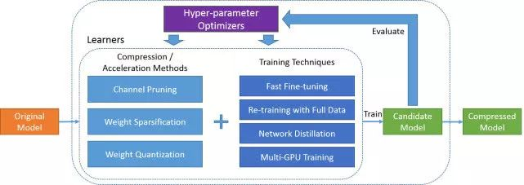
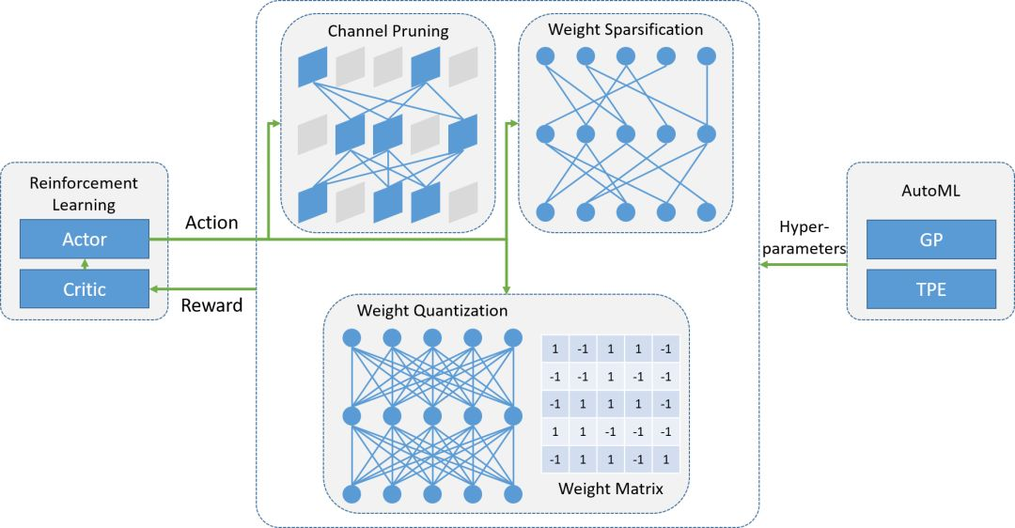
优秀！腾讯AI Lab开源模型压缩与加速框架PocketFlow！ | https://mp.weixin.qq.com/s/Tm3jrPmaQhP0Wqri8uVo8A 项目访问地址： https://github.com/Tencent/PocketFlow
 | 压缩操作：https://pocketflow.github.io/tutorial/
 | 安装Pocketflow：https://pocketflow.github.io/installation/

 | https://pocketflow.github.io/self_defined_models/
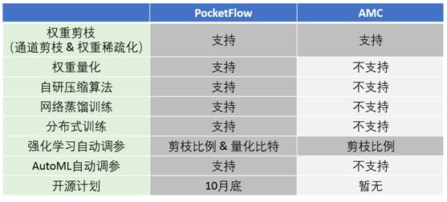

Google MorphNet | 开源网址：
 | https://github.com/google-research/morph-net/
 | 使用TensorFlow实现。
 | 论文地址：
 | https://arxiv.org/abs/1711.06798
 | https://github.com/tensorflow/models/tree/master/research/slim

