current
 | LAST, First Name EN | Chinese Name | Email | Cell | Home Institution | Specialty | Task | Arrive/Depart | Affiliation | Photo | Rotating mentor | Admin fee paid
Hongsu | Wang, Hongsu | 王宏甦 | hongsuwang@fas.harvard.edu | 6174688272 | Harvard IQSS | Database | Senior Project manager | Aug-2021/... | CBDB Manager | 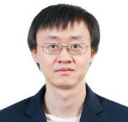
Peter | Bol, Peter | 包弼德 | peter_bol@harvard.edu |  | Harvard EALC | intellectual history | networks and local history | too long ago | CBDB Director | 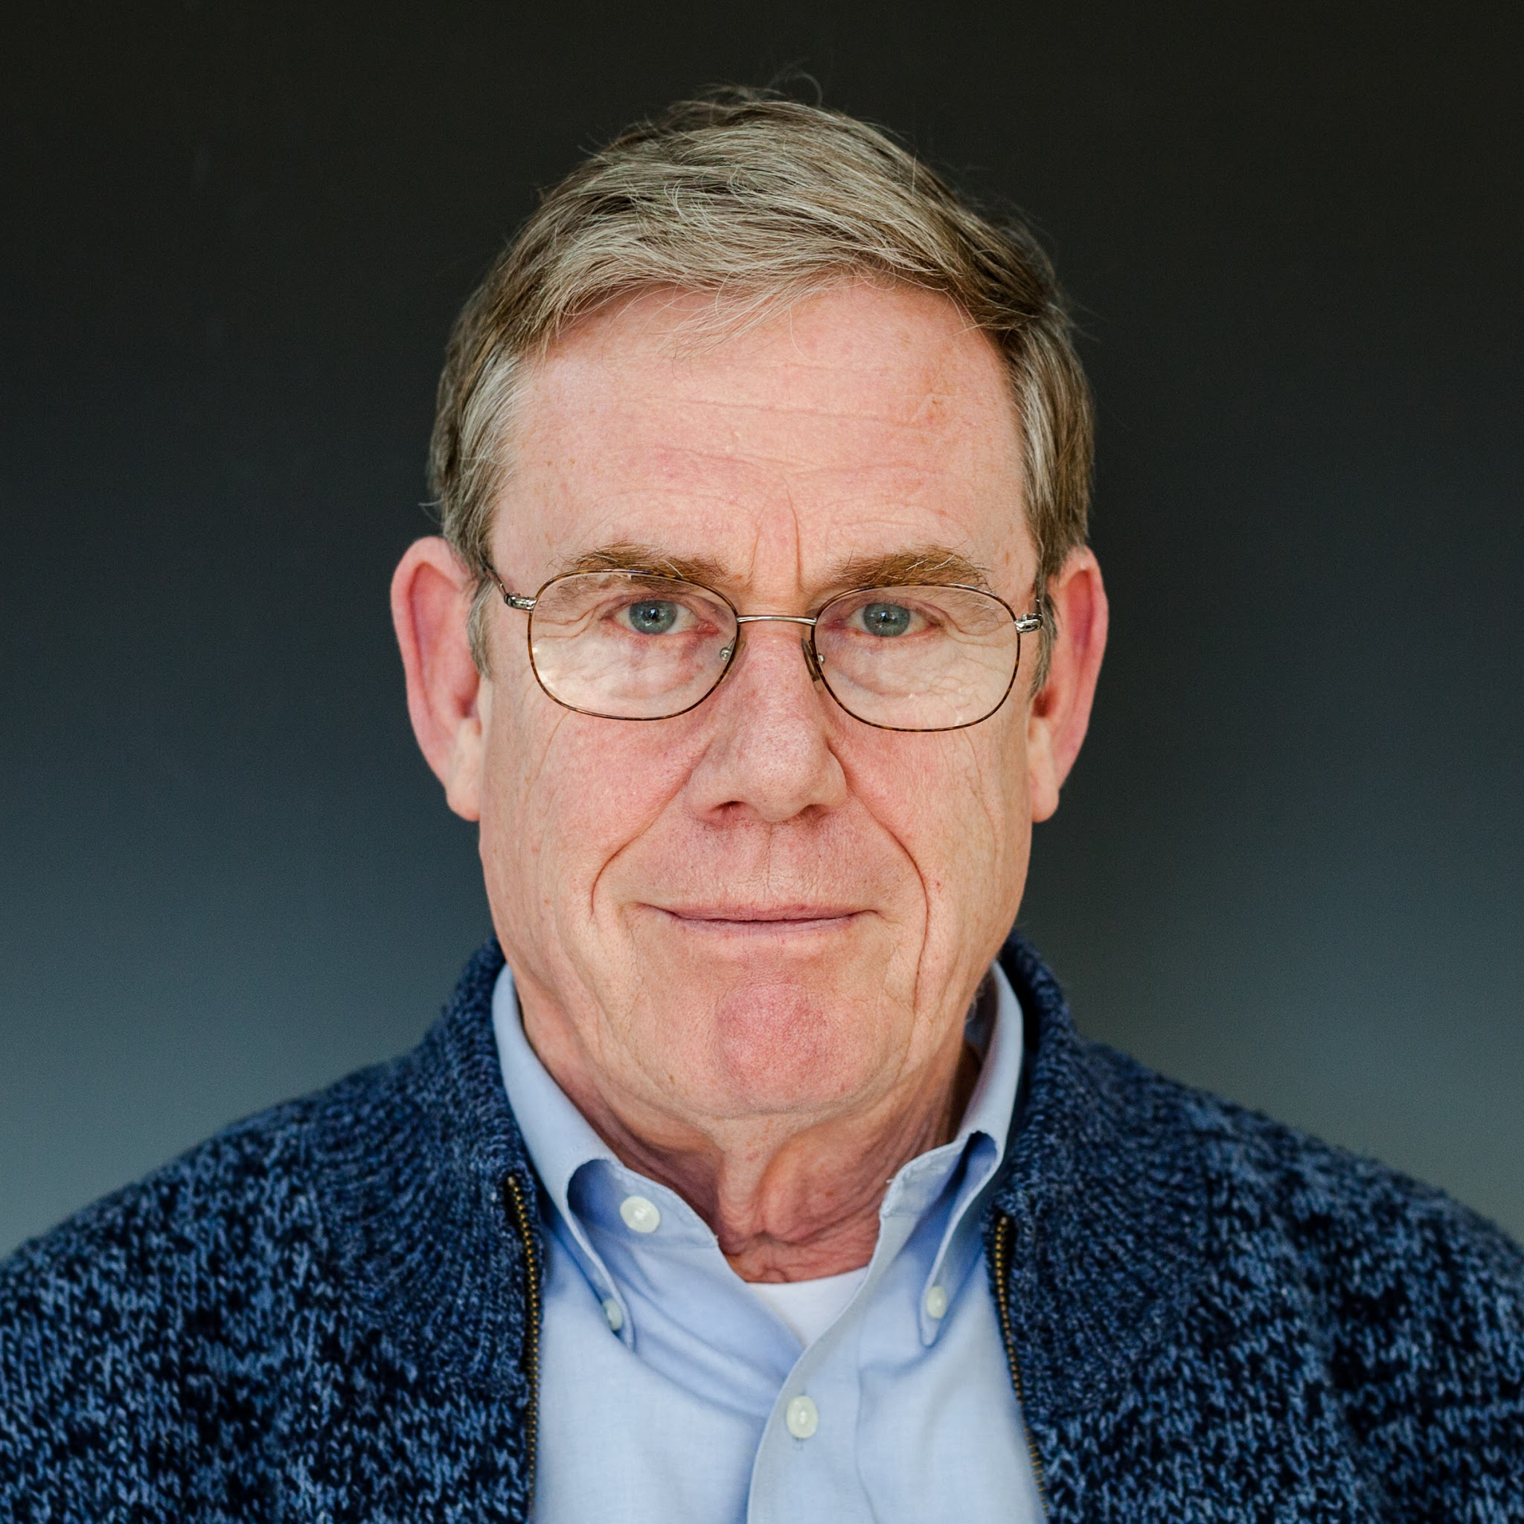
Blaine | Gaustad, Blaine | 高士達 | bcgaustad@fas.harvard.edu | 6173354747 | Independent scholar | Modern Chinese History | Qing Government Structure | 2010- | CBDB affiliate | 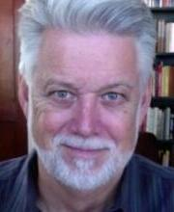
Wenfei | Wang, Wenfei | 王文菲 | wenfei_wang@fas.harvard.edu | 3038988532 | Harvard IQSS | Late Imperial Chinese literature, intellectual history, and the history of science | CBDB Cambridge manager; Ming collection | 2026/8- | CBDB project manager
Litao | Lin, Litao | 林立涛 | litaolin@fas.harvard.edu | 6173669883 | Nanjing University | Historical Document Knowledge Extraction and Organization | Song Shi Jishi Benmo (A Chronological Account of Major Events in the Song Dynasty) | 2025.10.26-2026.10.25 | CBDB Visitor | 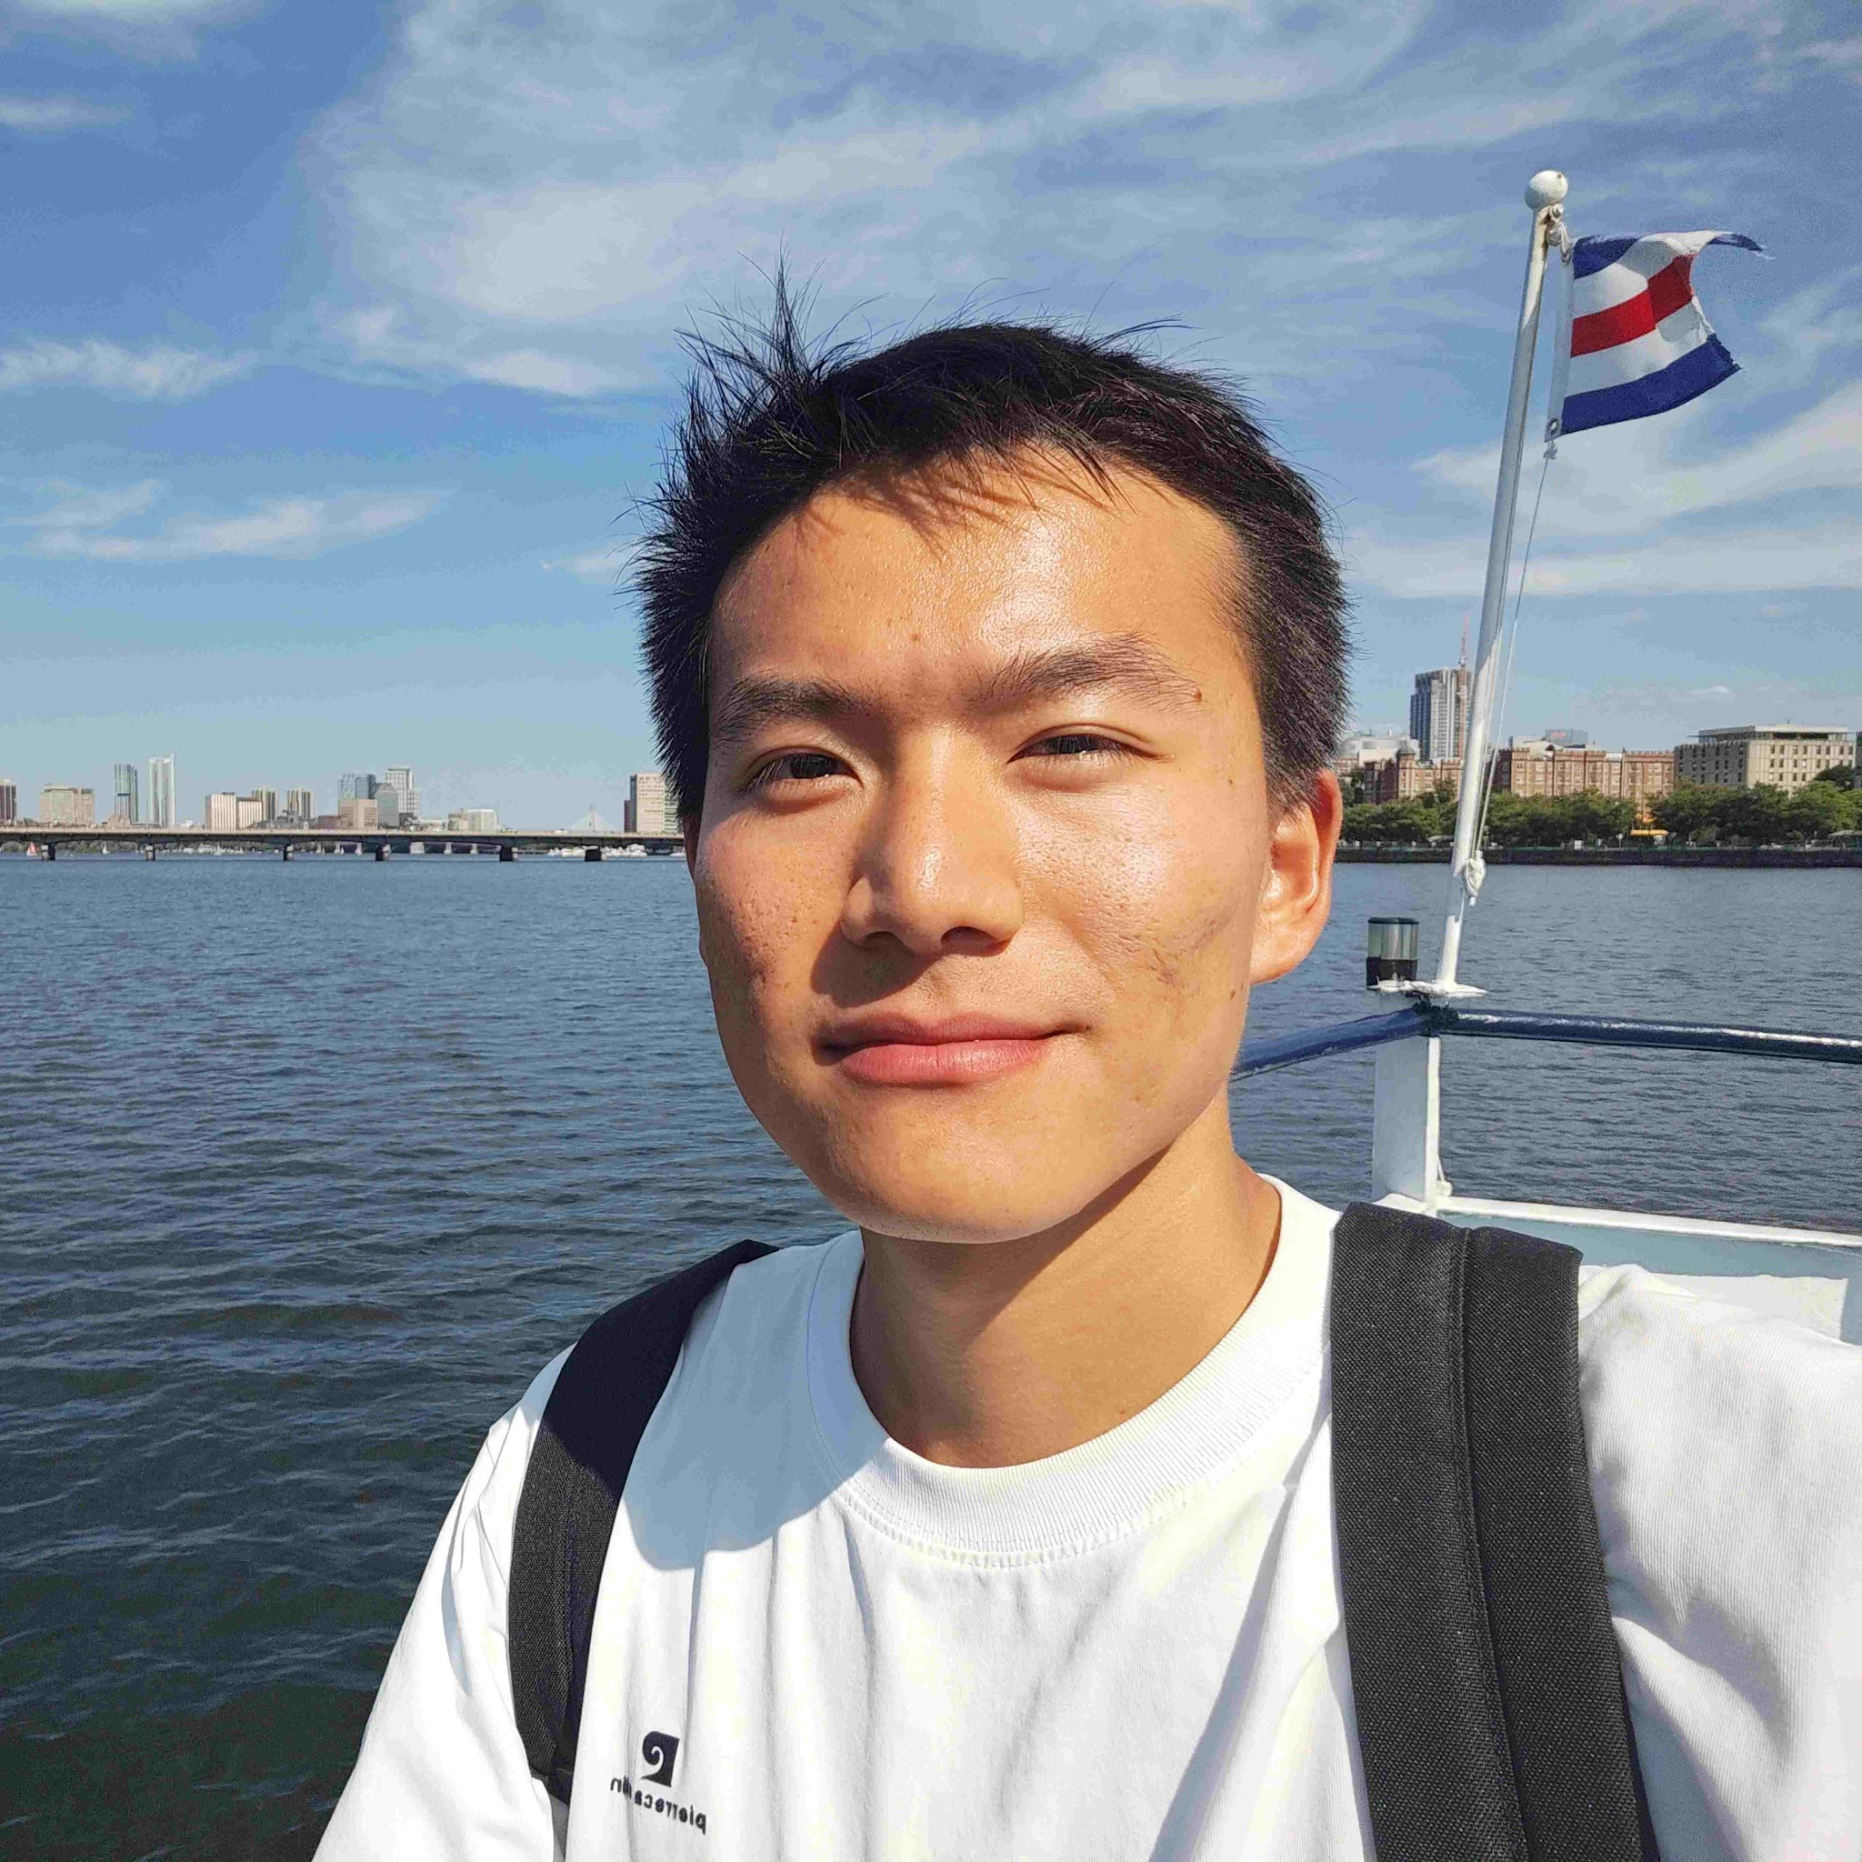
Qiong | Dang, Qiong | 党琼 | qiongdang@fas.harvard.edu | 6172334395 | Guangxi University | Digital Humanities | the prosopography of Guangxi/Guangxi Tongzhi | 2025.11.12-2026/11.12 | CBDB Visitor
Runze | Li, Anrunze | 黎安润泽 | anrunze_li@fas.harvard.edu | 6178525634 | Renmin University of China | Digital Humanities | Analysis of Biographical Data in Local Gazetteers of Zhejiang Province | 2025.11.5-2026.11.4 | CBDB Visitor
Zhongyang / March | Zhang, Zhongyang | 张忠杨 | zhongyangzhang@fas.harvard.edu | 6172561725 | Zhejiang University | Ancient Chinese Literature - Tang and Song Dynasties | The Data-based Analysis of Yuanhe Xingzuan and Clans in T'ang Dynasty | 2025.11.20-2026.11.20 | CBDB Visitor
Meifang | Li, Meifang | 李美芳 | meifangli@fas.harvard.edu | 6173352794 | Xihua University | Ming and Qing Literature | Regional Poetry Collections | 2025.11.21-2026.11.20 | CBDB Visitor
Mei | Mei, Yuting | 梅愉婷 | yuting_mei@fas.harvard.edu | 6172512381 | Zhejiang University | Ming and Qing Literature and Digital Humanities | examination of Provincial and county publishing in the Ming dynasty | 2025.11.20-2026.11.30 | CBDB Visitor
Wang | Wang, Rongjing | 王榕靖 | rongjingwang@fas.harvard.edu | 8572483930 | Zhejiang University | History of Song Dynasty | Fujian Neo-Confucian Lineage Transmission | 2025.11.26-2026.11.30 | CBDB Visitor
Bei | Li, Xiaobei | 李小贝 | xiaobeili@fas.harvard.edu | 6172163834 | Beijing Union University | Literary Theory | Database of Traditional Chinese Opera Practitioners | 2025.12.28-2026.12.27 | CBDB Visitor | 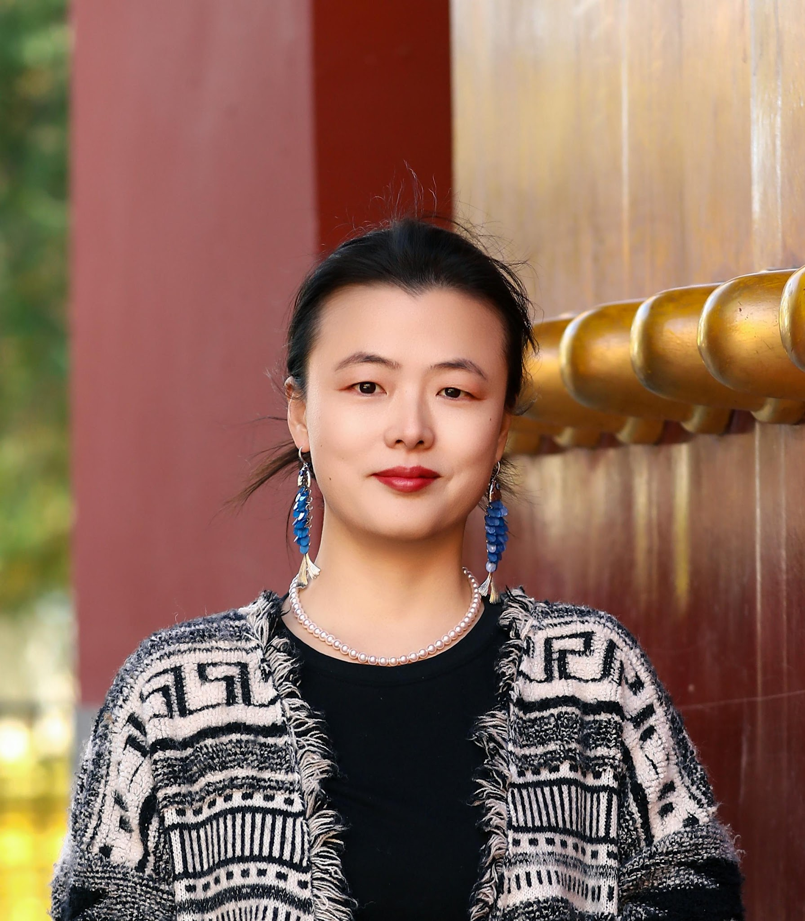
Huimin | Wang, Huimin | 王慧敏 | huiminwang@fas.harvard.edu | 6172510643 | Nanjing Xiaozhuang University | Cultural Industry | Jiangsu’s Cultural Ecology Based on Jiangsu Yi Wen Zhi | 2026.1.15-2027.1.13 | CBDB Visitor
Liu | Zaicheng, Liu | 刘再骋 | zaichengliu@fas.harvard.edu | 6172014028 | Fudan University | Chinese history, Ming&Qing period | Bibliography in late Ming | 2026/1/15-2027/1/14 | CBDB Visitor | 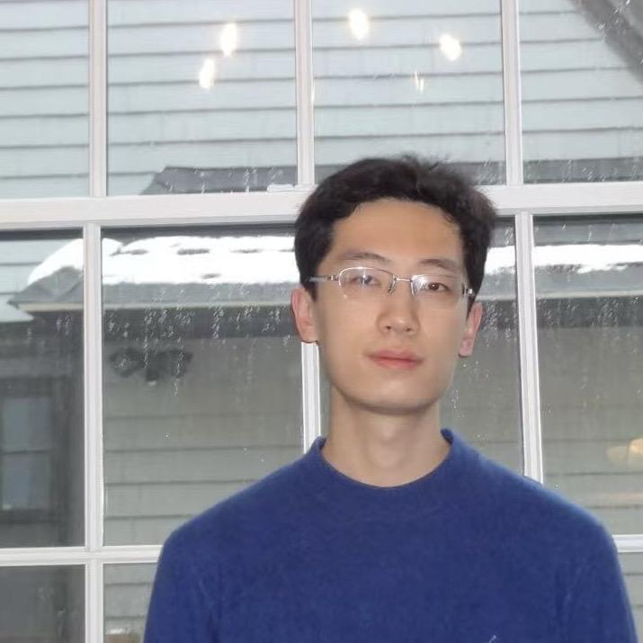
Sheng | Sheng Li | 李昇 | sheng_li@fas.harvard.edu | 8579953328 | Suzhou University of Science and Technology | Chinese Classical Literature | Database of Guizhou Tongzhi | 2026/8/1-2027/7/31 | CBDB Visitor
Shikuang | Shikuang Tang | 汤诗旷 | shikuang_tang@fas.harvard.edu | 8577563213 | Huazhong University of Science and Technology | Architectural History | Database of Ming–Qing Beijing Guild Hall Inscriptions | 2026/8/30-2027/8/29 | CBDB Visitor | 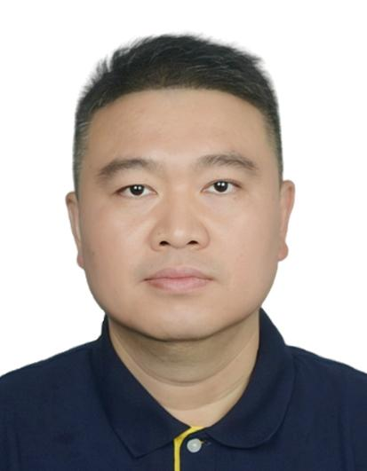
Mingxuan | Mingxuan Gao | 高铭渲 | mingxuan_gao@fas.harvard.edu | 8573213001 | Nanjing Normal University | Chinese history, Ming period | Networks of Rescue: The Protection of Censorial Officials in the Ming Dynasty | 2026/9/17-2027/9/16 | CBDB Visitor | 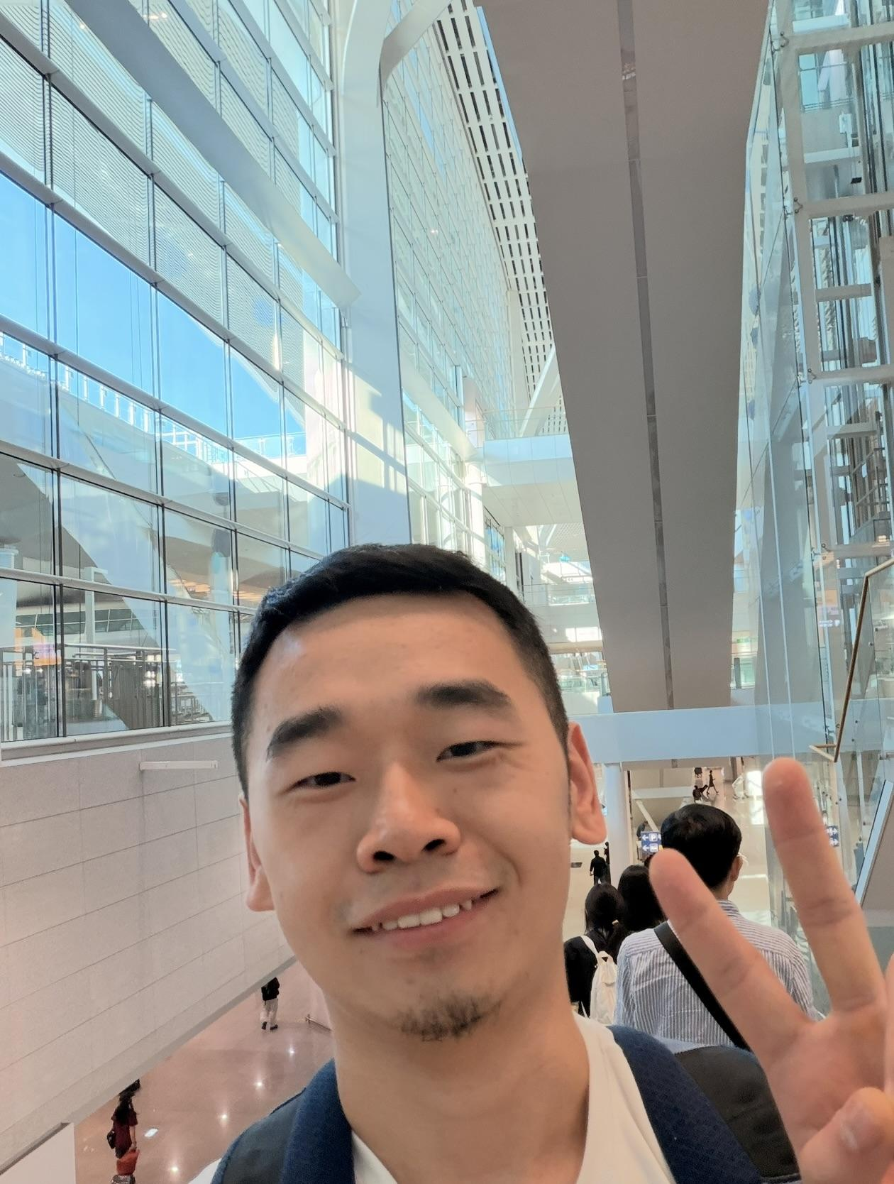
Yuxiang | Yuxiang Zhang | 张喻响 | yuxiangzhang@fas.harvard.edu | 8573272158 | Tsinghua University | Neo-Confucianism | Social Networks and Geographic Distribution of Lu School Followers in Song–Yuan China: A Prosopographical Study Centered on Excavated Epitaphs | 2026/9/15-2027/9/14 | CBDB Visitor | 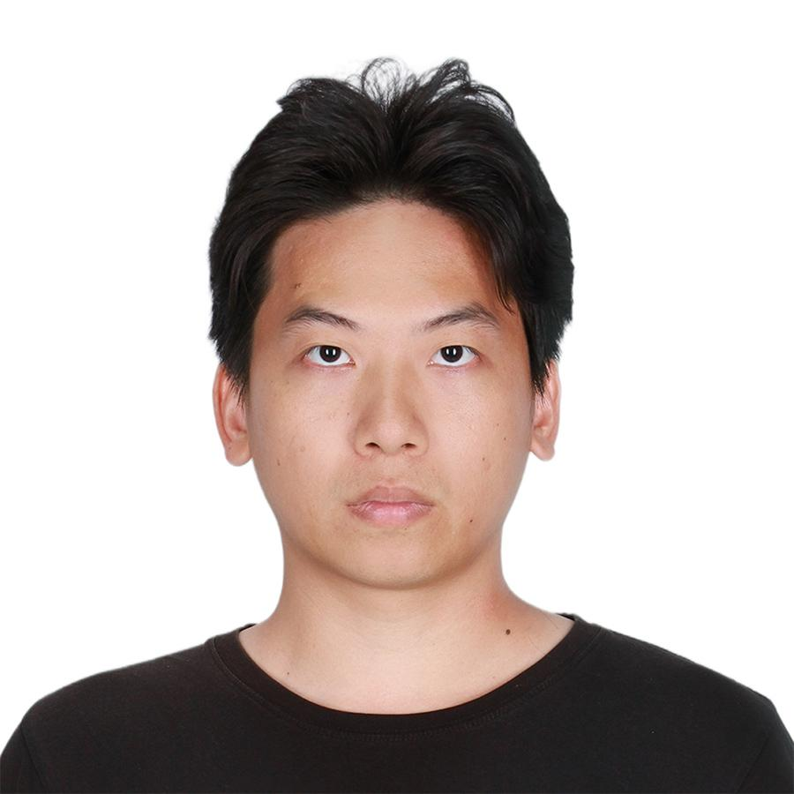
Zeyue | Zeyue Pan | 潘泽月 | zeyue_pan@fas.harvard.edu | 6173564025 | Nanjing Normal University | Chinese history, Ming period | Database of General Catalogue of Qing Dynasty Personal Collections | 2026/10/10-2027/10/10 | CBDB Visitor

alumni
Wai-ho | LAST, First Name EN | Chinese Name | Email | Cell | Home Institution | Specialty | Task | Arrive/Depart | VPA Signed | gmail-calendar | Affiliation | Photo
Ji | MA, Ji | 马季 | maji@austin.utexas.edu |  | UT Austin | Data Science | Cambridge manager | Feb-15-2018/Aug-19-2018 | Yes
Yuting | Li, Yuting | 李语听 | sarah.li@gordon.edu | 9787780874 | Gordon College | Math | Research assistant | Feb-22-2018/Aug 2018 | No |  | CBDB Visitor
Pengcheng | Huang, Pengcheng | 黄鹏程 | pengchenghuang@fas.harvard.edu | 8572565851 | Zhejiang University | Literature | 清代硃卷集成 | 2017.9-2018.8 | Yes |  | CBDB Visitor
Peihui | Chen, Peihui | 陈佩辉 | chenpeihui@fas.harvard.edu | 6172302528 | Peking University | Chinese Philosophy | 宋代墓志铭数据提取 | Aug-20-2017/Aug-19-2017 | Yes(EALC) |  | CBDB Visitor
Yun | XING, Yun | 邢云 | yun_xing@fas.harvard.edu | 8579996323 | Fudan University | Historical Geography | geographical data of Tang Dynasty | Aug-26-2017/Dec-31-2018 | Yes | xingabraham@gmail.com | CBDB Visitor
Yin | LI, Yin | 李殷 | yin_li@fas.harvard.edu | 8579282884 | Fudan University | Chinese History | 唐代墓志铭 | Aug-20-2017/Aug-19-2018 | Yes |  | CBDB Visitor
Meihua | WANG, Meihua | 王美华 | wang_meihua@fas.harvard.edu | 7173830497 | Liaoning University | Chinese History | 《宋会要辑稿》标记 | Aug-2017/Aug-2018 | Yes |  | CBDB Visitor
Zhaoquan | HE, Zhaoquan | 何兆泉 | zhaoquan_he@fas.harvard.edu | 6172299858 | China Jiliang University | Chinese History | 宋代宗室谱牒 | Feb-22-2018/Feb 2019 | Yes | hezhaoquan@gmail.com | CBDB Visitor
Ce | GAO, Ce | 高策 | cegao@g.harvard.edu | 8573165834 | Peking University | Chinese History | 明代职官编码 | Apr-15-2018/Jun-20-2019 | Yes | cegao@g.harvard.edu | CBDB Visitor
Jingjia | QIU, Jingjia | 邱靖嘉 | qiujingjia320@gmail.com | 8572428501 | Renmin University of China | Chinese History | 金代职官、地理 | Sep-01-2018/Aug-31-2019 | Yes | qiujingjia320@gmail.com | CBDB Visitor
Yushun | WANG, Yushun | 王禹舜 | yushunwang@g.harvard.edu | 6172301653 | Zhejiang University | Literature | 明清职官编码 | Aug-31-2018/Sep 2019 | yes | wangyushunharvard@gmail.com | CBDB Visitor
Jianguo | LIANG, Jianguo | 梁建国 | liangjianguo2008@126.com | 5713535370 | Xiamen University | Chinese History | 宋代墓志铭 | Aug-15-2018/Aug-14-2019 | Yes | liangjianguo2018@gmail.com | CBDB Visitor
Yuying | YUAN, Yuying | 袁钰莹 |  |  | Peking University |  | GIS Layers for CBDB and CHGIS |  | Yes | yuyingyuanyyy@gmail.com | CGA
Xiangying | LOU | 楼向英 | xylou0@gmail.com | 6172299858 | Zhejiang Sci-Tech University | digital library, metadata | 宋代墓志铭 | Feb-22-2018/Feb 2019 | ? | xylou0@gmail.com | CBDB Visitor
Weiling | Zhang, Weiling |  | r95123005@gmail.com |  |  |  | ? |  | ? | r95123005@gmail.com | EALC
Chengguo | Pei,Chengguo | 裴成国 | pioneerpei@163.com |  | Northwest University, China | Chinese History |  | Sep-8-2018/Aug 2019 | Yes | chengguo.pei58@gmail.com | CBDB Visitor
Subing | ZHANG, Subing | 張素玢 | 109682@ntnu.edu.tw |  | National Taiwan Normal Univ | Taiwan History |  | Sep-8-2018/Aug 2019 | ? |  | Fairbank Visiting Scholar
Xiaomin | YANG, Xiaomin |  | yangxiaomin0808@163.com |  | Sichuan University |  | 宋會要 official data |  | ? |  | CBDB Visitor
Wen | LUO, Wen | 骆文 | luona9706@126.com |  |  |  |  | Sep-8-2018/Aug 2019 | Yes |  | CBDB Visitor
Sanqian | ZHANG, Sanqian |  | sanqianzhang@g.harvard.edu |  | Harvard, Statistics |  | Ming muzhiming python tweaking |  |  | sanqian.1024@gmail.com
Li Yang | Li, Yang | 李杨 | yangli1@fas.harvard.edu | 7813506554 | Capital Normal Univerty | Global History | 新教来华传教士 | 2021/12-2022/12 |  |  | CBDB Visitor | 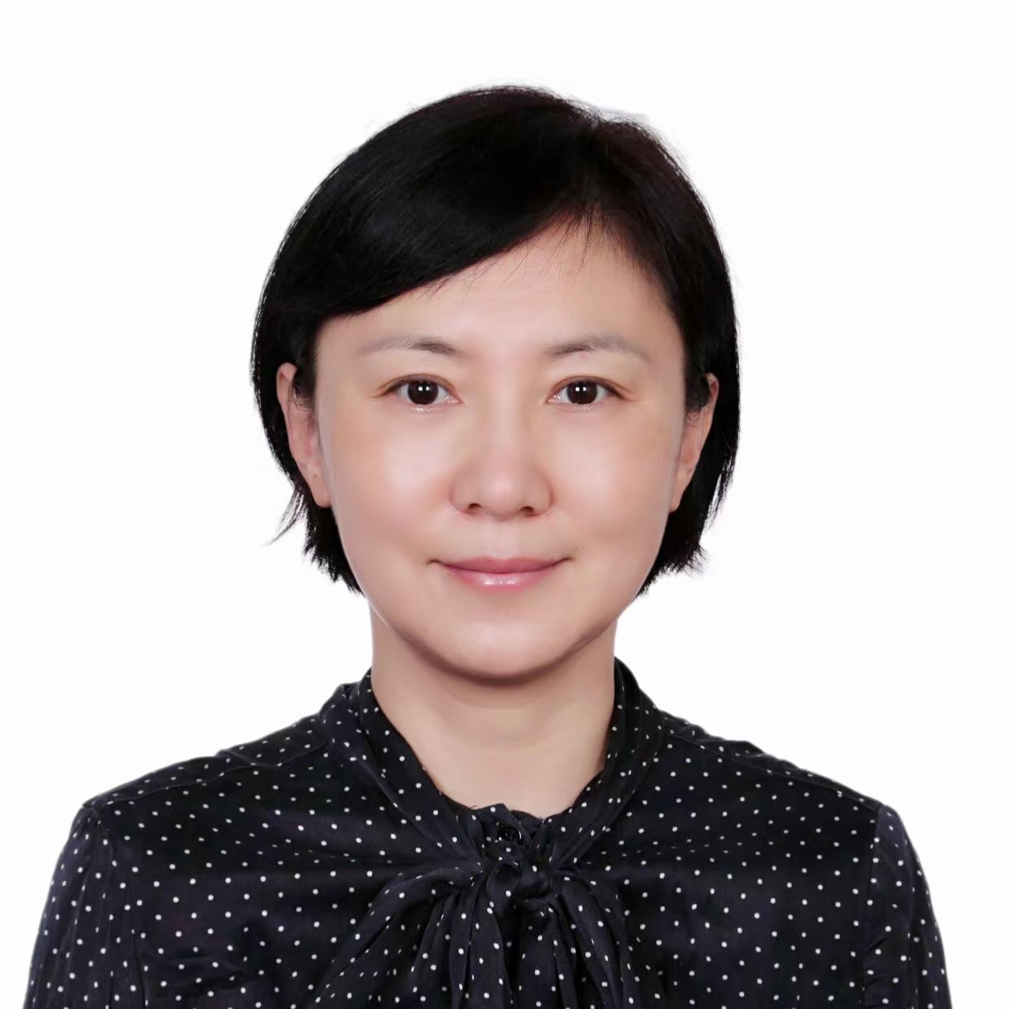
Shiyin | Chen,Shiyin | 陈士银 | shiyinchen@fas.harvard.edu | 6172011070 | Yangzhou University | History | 明代儒学 | 2022/1/1-2022/6/30 | Yes |  | CBDB Visitor | 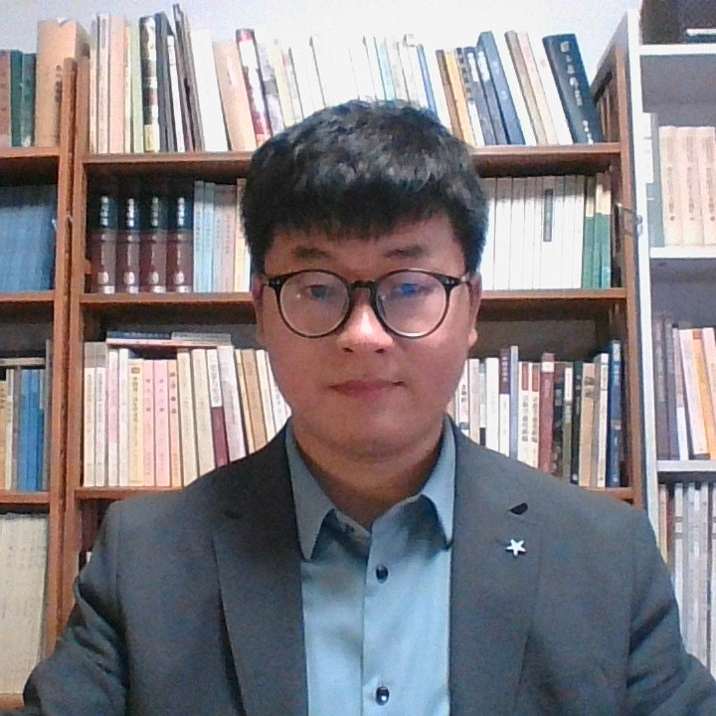
Shanhui | Huang,Shanhui | 黄珊蕙 | shanhui_huang@fas.harvard.edu | 6176426531 | Peking University | Human Geography | 江西地方志 | 2021/11/01-2022/5/30 | Yes |  | CBDB Visitor
Lingling | Gu,Lingling | 谷玲玲 | linglinggu@fas.harvard.edu | 6173860494 | Zhejiang University | Literature | 明清女性作者著作 | 2021/11/01-2022/10/31 | Yes |  | CBDB Visitor
Yafei | Chen,Yafei | 陈雅飞 | yafeichen@fas.harvard.edu | 6173860444 | Zhejiang University | Literature | 高丽及朝鲜朝人物 | 2021/1101-2022/10/31 | Yes |  | CBDB Visitor
Lixiang | Qian, Lixiang | 钱礼翔 | lixiangqian@fas.harvard.edu | 6173860078 | Zhejiang University | Literature | 明代别集 | 2021/12-2022/11 | Yes |  | CBDB Visitor
Shiwang | Lin,Shiwang | 林施望 | shiwanglin@fas.harvard.edu | 6173863938 | Zhejiang University | Literature | 元末明初文人迁徙数据 | 2021/12-2022/11 | Yes |  | CGA Visitor
Fanjing | Kong, Fanjing | 孔凡晶 | fanjingkong@fas.harvard.edu | 8578672472 | Northeast Normal University | Database | Old Chinese books' metadata in Hollis | 2022.1.1-2022.12.31 | Yes |  | CBDB Visitor
Likun | Kang, Likun | 康立坤 | likunkang@fas.harvard.edu | 8572850383 | Peking University | Philosophy | 经学 | 2022/1/1-2022/12/31 | Yes |  | CBDB Visitor
Yangbo | Zhou,Yangbo | 周扬波 | yangbozhou@fas.harvard.edu | 6176975870 | Suzhou University of Science and Technology | History |  | 2022/2/1-2023/1/31 | Yes |  | CBDB Visitor | 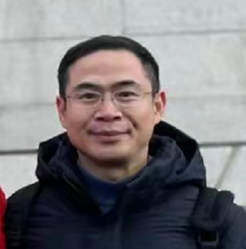
Qin | Yu, Qin | 俞沁 | qinyu@fas.harvard.edu | 6172017008 | Zhejiang University | Literature |  | 2022/2/1-2023/1/31 | YES |  | CBDB Visitor | 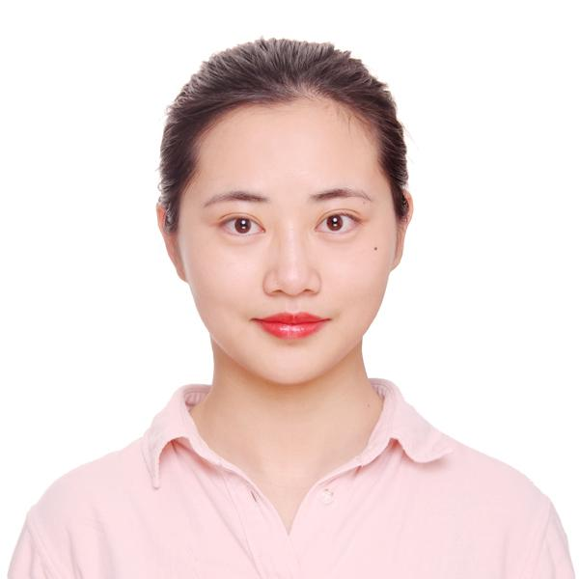
Hao | Yu,Hao | 于昊 | haoyu@fas.harvard.edu | 5713618962 | Fudan University | Historical Geography |  | 2022/01/15-2023/01/14 | Yes |  | CBDB Visitor
shalan | Sun,Shalan | 孙莎岚 | shalansun@fas.harvard.edu | 8573641574 | Chengdu University of information technology | History |  | 2022/01/22-2023/02/01 | Yes |  | CBDB Visitor
Kathy | Enright, Katherine |  | kenright@college.harvard.edu | 6174602804 | Harvard University |  | Ming Letters |  |  |  | Undergrad Research Assistant
Mengxiang | Wang,Mengxiang | 汪梦翔 | mengxiangwang@fas.harvard.edu | 6179925682 | Beijing Union University | Linguistics |  | 2022/08/10-2023/08/09
JING | Xiang, Jing | 向静 | jingxiang@fas.harvard.edu | 8573910140 | University of China Social Sciences | Local History |  | 2022/09/01-2023/08/31 |  |  |  | 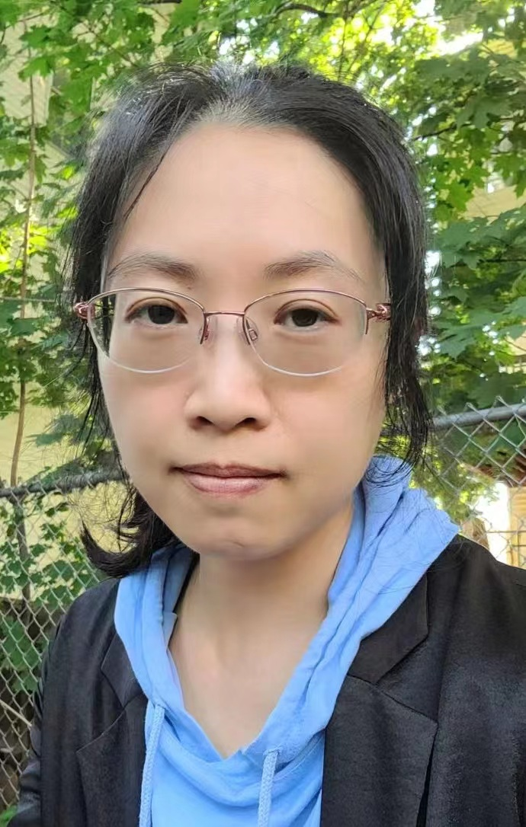
Xiaoyan | Guo, Xiaoyan | 郭晓燕 | xiaoyan_guo@fas.harvard.edu | 6172308392 | Hefei university of technology | Yuan History | Quanyuanwen | 2022/09/01-2023/08/31 |  |  |  | 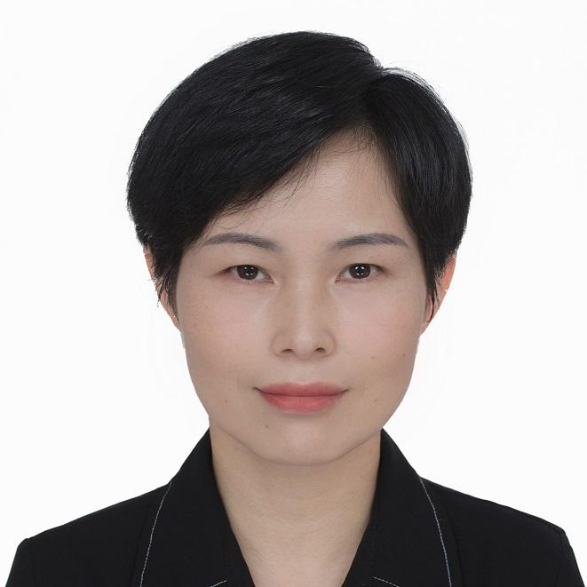
Yiyi | Wang, Yiyi | 王依艺 | yiyi_wang@fas.harvard.edu | 6173860220 | Zhejiang University | Literature | 清代学政与文学 | 2022/11/01-2023/10/31
Yuqi | Chen, Yuqi | 陈钰琪 | yuqichen@fas.harvard.edu | 6178771182 | Peking University | Pre-Qin History | Bronze Inscriptions | 2022/10/15-2023/10/14
Fengyi | Ji, Fengyi | 纪凤仪 | fengyiji@fas.harvard.edu | 6173009416 | Peking University | Historical Geography | travel records and placeness | 2022/11/01-2023/10/31
Jianguo | Liu，Jianguo | 刘建国 | jianguoliu@fas.harvard.edu | 6172302674 | Henan University of Science and Technology | Chinese History | Chinese Catholic Missionaries | 2022/11/20-2023/11/19
Wei | Zhang, Wei | 张玮 | wei_zhang1@fas.harvard.edu | 6176420435 | Zhejiang University | Visual Analytics System Design | Data Disambiguation | 2023/6/8-2023/11/30
Yong | Jiang, Yong | 姜勇 | yongjiang@fas.harvard.edu | 8577069869 | Zhejiang Gongshang University | Chinese History |  | 2022/12/30-2023/12/29
Weile | Li, Weile | 李威乐 | weileli@fas.harvard.edu | 6057743685 | Zhejiang University | Archaeology | Epitaph of Song Dynasty | 2023/2/1-2024/1/31
Yufeng | Han, Yufeng | 韩玉凤 | yufenghan@fas.harvard.edu | 8572429583 | Tsinghua University | Classical Chinese Lliterature(Digital Humanities) | SNA of Quansongshi | 2023/2/1 - 2024/1/31
Kaini | Xiong,kaini | 熊恺妮 | kainixiong@fas.harvard.edu | 6172013354 | Hubei University of Education | Ming Dynasty Literature | Biography of Hubei Poems | 2023/2/17-2024/2/16
Fan | Xiang, Fan | 向帆 | fanxiang@fas.harvard.edu | 2019828668 | Tsinghua University | Visual Communication Design | Visualization and kinship data minining | 2023/8/4-2024/7/4
Zhou | Liu, Zhou | 柳舟 | zhou_liu@fas.harvard.edu | 6179098598 | Independent developer | Computer Science | CSA Web Update Update | 06/24/2024 - 08/09/2024
Wai-ho | Wong, Wai-ho | 黄伟豪 | waiho_wong@iq.harvard.edu | 8576390807 | Shanghai Jiao Tong University | Pre-Tang and Tang-Song literature | Song Literati Network in East Asia | 2023/2/8-2024/8/31
Shaoqing | Zhou, Shaoqing | 周少清 | shaoqingzhou@fas.harvard.edu | 8572070077 | Zhejiang University | Chinese ancient Literature | Treatise On Bibliography In Local Gazetteers | 12/01/2023-8/14/2024
li | Cong, Li | 丛丽 | licong@fas.harvard.edu | 8572428049 | Beijing Forestry University | Human-Geography | Yellow River National Culture Park | 2023/9/1-2023/8/31
Helen | He, Helen | 何海蓉 | helen_he@college.harvard.edu | 6072297464 | Harvard College | Digital Humanities | CBDB Video Tutorials | 2023-09-01
Jinshan | YUAN,Jinshan | 苑津山 | jyuan@fas.harvard.edu | 6172014971 | Zhejiang University | The imperial examination | Qing Imperial Examination Figures | 2023/12.1-2024/12.31 |  |  | CBDB Visitor |  | 科場條例
Shaojian | LI, Shaojian | 李少建 | shaojianli@g.harvard.edu | 6172512024 | Renmin University of China | Digital Humanities | Biography of Chinese Buddhists | 12/01/2023-11/30/2024 |  |  | CBDB Visitor |  | How to develop 北京記憶 project
Yingyuan | FAN, Yingyuan | 范颖媛 | yingyuanfan@fas.harvard.edu | 6172561149 | Renmin University of China | Chinese History | Officials And Geography Of Southern Song | 12/01/2023-11/30/2024 |  |  | CBDB Visitor |  | 6月14号, Information，Territory，and Networks：The Crisis and Maintenance of Empire in Song of China
Lingsong | Liu, Lingsong | 刘凌凇 | lingsong_liu@iq.harvard.edu | 8572851762 | Nanjing Normal University | Chinese Hsitory | Analysis Of Eminent Persons From The Ming Dynasty Divided By Province | 12/01/2023-11/30/2024 |  |  | CBDB Visitor |  | chatgpt4 VS deepseek
Yajie | Hao, Yajie | 郝亚洁 | yajiehao@fas.harvard.edu | 6172298704 | Zhejiang University | Chinese ancient Literature | Ming Letters Project | 12/01/2023-11/30/2024 |  |  | CBDB Visitor |  | Writing for Local Government Schools: Authors and Themes in Song-dynasty School Inscriptions
Xi | He,Xi | 何兮 | xhe@fas.harvard.edu | 8572858381 | Beijing Normal University | History of Chinese aesthetics | Middle-period China Envoy | 02/01/2024-01/30/2025 |  |  | CBDB Visitor |  | Nick Tackett. The Origins of the Chinese Nation: Song China and the Forging of an East Asian World Order 这本书中的研究方法和数据利用
Kelly | Kaini, Xiong | 熊恺妮 | xkn2023@gmail.com | 8572851245 | Hubei University of Education | Classical Chinese Lliterature | Han Nan Poetry; Hubei Prose Compilation | 2025.7.7-2025.8.27 |  |  | CBDB Visitor
Queenie | Luo, Queenie |  | queenieluo@g.harvard.edu | 6462505096 | Harvard EALC | Database | network visualization | 2022/1/1 - 2025 |  |  | CBDB Research Assistant
Hongyan | Chen, Hongyan | 陈红艳 | hongyanchen@fas.harvard.edu | 6172564652 | Hubei University | Classical Chinese Lliterature | Prefaces and Postscripts of Ming&Qing Drama | 09/01/2024-08/31/2025 |  |  | CBDB Visitor |  | Resp. Dropbox\cbdb_helpers\Prefaces And Postscripts Of Ming And Qing Drama_Chen Hongyan\Summer_Work_Plan_Chen Hongyan.pdf
Mingliang | Han,Mingliang | 韩明亮 | minglianghan@fas.harvard.edu | 6178160634 | Zhejiang University | Classical Chinese Lliterature | Ming Manuscript Letters | 09/01/2024-08/31/2025 |  |  | CBDB Visitor
Liyuan | YAN,Liyuan | 闫力元 | liyuanyan@fas.harvard.edu | 6174011810 | Fudan University | Classical Chinese Lliterature | Bureaucratic Secretarial Literati of Qing Dynasty | 10/15/2024-10/14/2025 |  |  | CBDB Visitor | 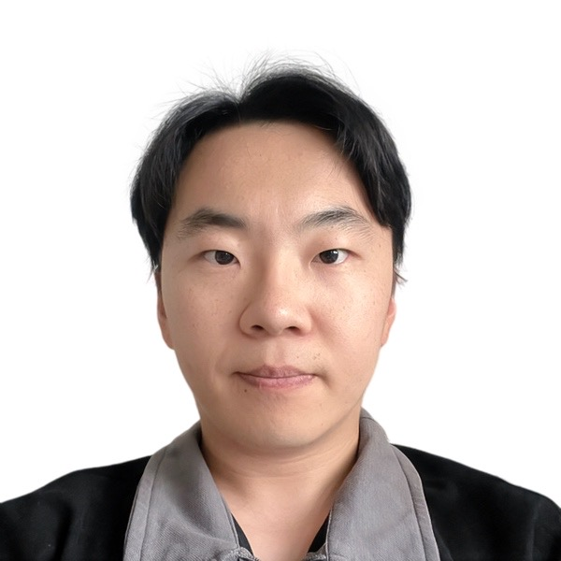
Yiyi | HU, Yiyi | 胡伊伊 | yiyi_hu@fas.harvard.edu | 6179098698 | Fudan University | Translation Studies | Translators | 11/01/2024-10/31/2025 |  |  | CBDB Visitor | 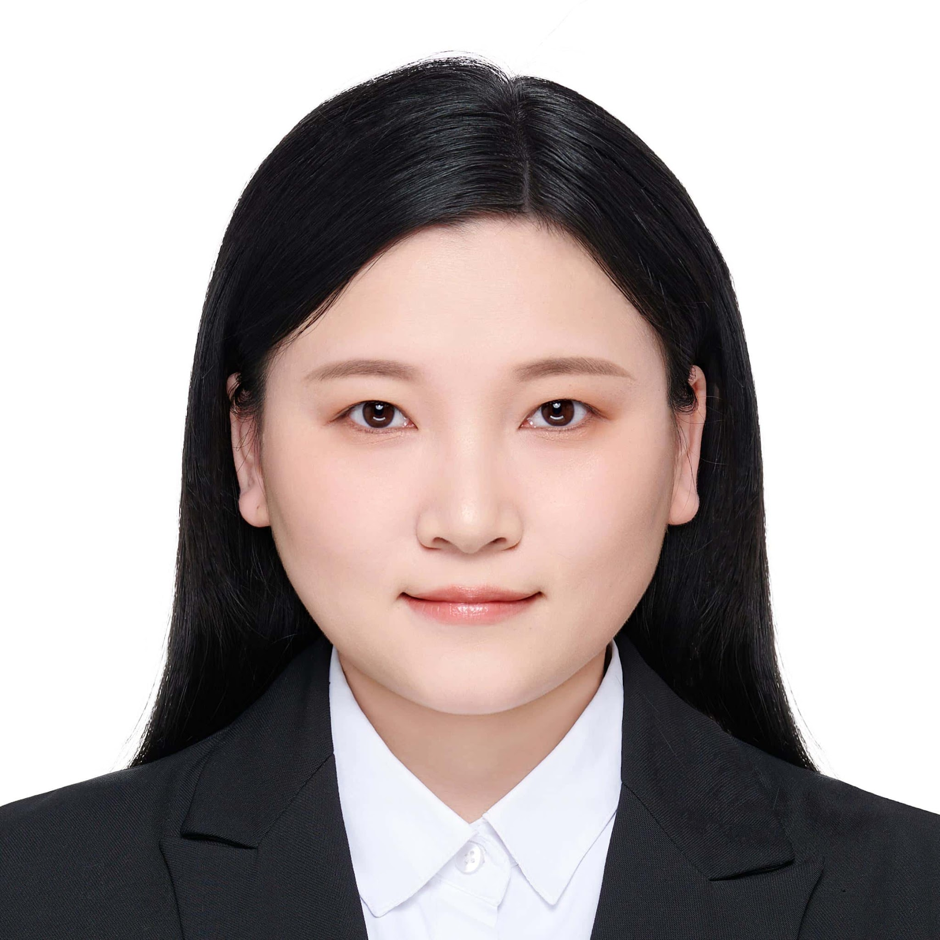
Dian | Xiong, Dian | 熊钿 | dianxiong@fas.harvard.edu | 6175996403 | Henan University | Medieval Chinese History | Knowledge Dissemination among Monks in the Middle Age of China | 11/08/2024-11/07/2025 |  |  | CBDB Visitor
Lucy | Zheng, Yiran | 郑怿冉 | lucyzheng@college.harvard.edu | 6175830279 | Harvard College | Art History and East Asian Studies | Support Professor Bol in Geiss-Hsu grant | 2025.9 - 2026 |  |  | CBDB Research Assistant | 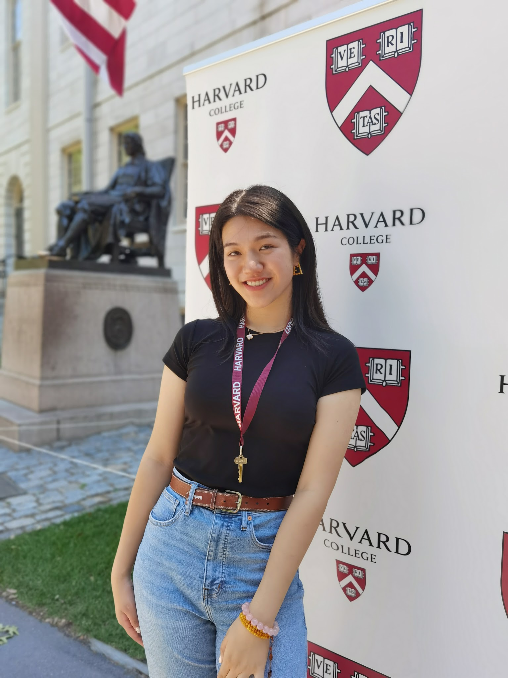
Yuning | Zhuang, Yuning | 庄宇宁 | yuningzhuang@fas.harvard.edu | 6172305680 | Southeast University | Art Theory | Chinese Artists and the Spatial Distribution of Classical Gardens | 12/15/2024-12/14/2025 |  |  | CBDB Visitor
Hongxiao | Fu,Hongxiao | 伏虹晓 | hongxiaofu@fas.harvard.edu | 6172512832 | Zhejiang University | Classical Chinese Lliterature | Societies in Ming Dynasty | 12/15/2024-12/14/2025 |  |  | CBDB Visitor
Hongan | Chen, Hongan | 陈泓安 | honganchen@fas.harvard.edu | 6173596970 | Zhejiang University | Classical Chinese Lliterature | Ming Letters:Recipients and Publication | 12/15/2024-12/14/2025 |  |  | CBDB Visitor | 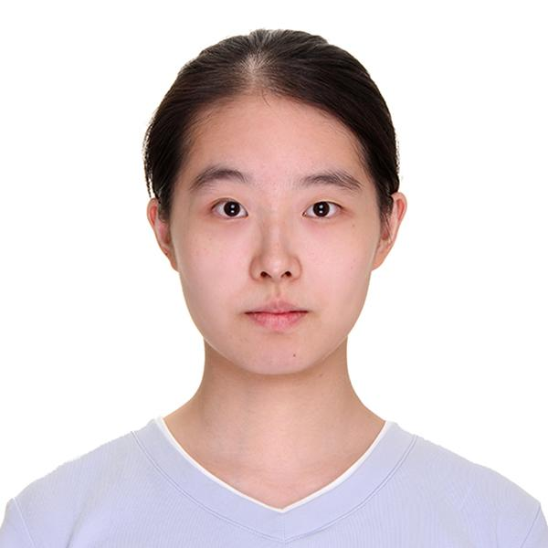
Zhenling | Liu,Zhenling | 刘贞伶 | zhenlingliu@fas.harvard.edu | 8579287806 | Peking University | Information Management | Analysis of the Evolution of Official Positions in the Ming Dynasty | 12/15/2024-12/14/2025 |  |  | CBDB Visitor
Xiong | Kaini Xiong | 熊恺妮 | xkn2023@gmail.com | 8572851245 | Hubei University of Education | Late imperial Chinese Literature | HuBei Wenzheng | 2026/1/17-2026/2/20 |  |  | CBDB Visitor | 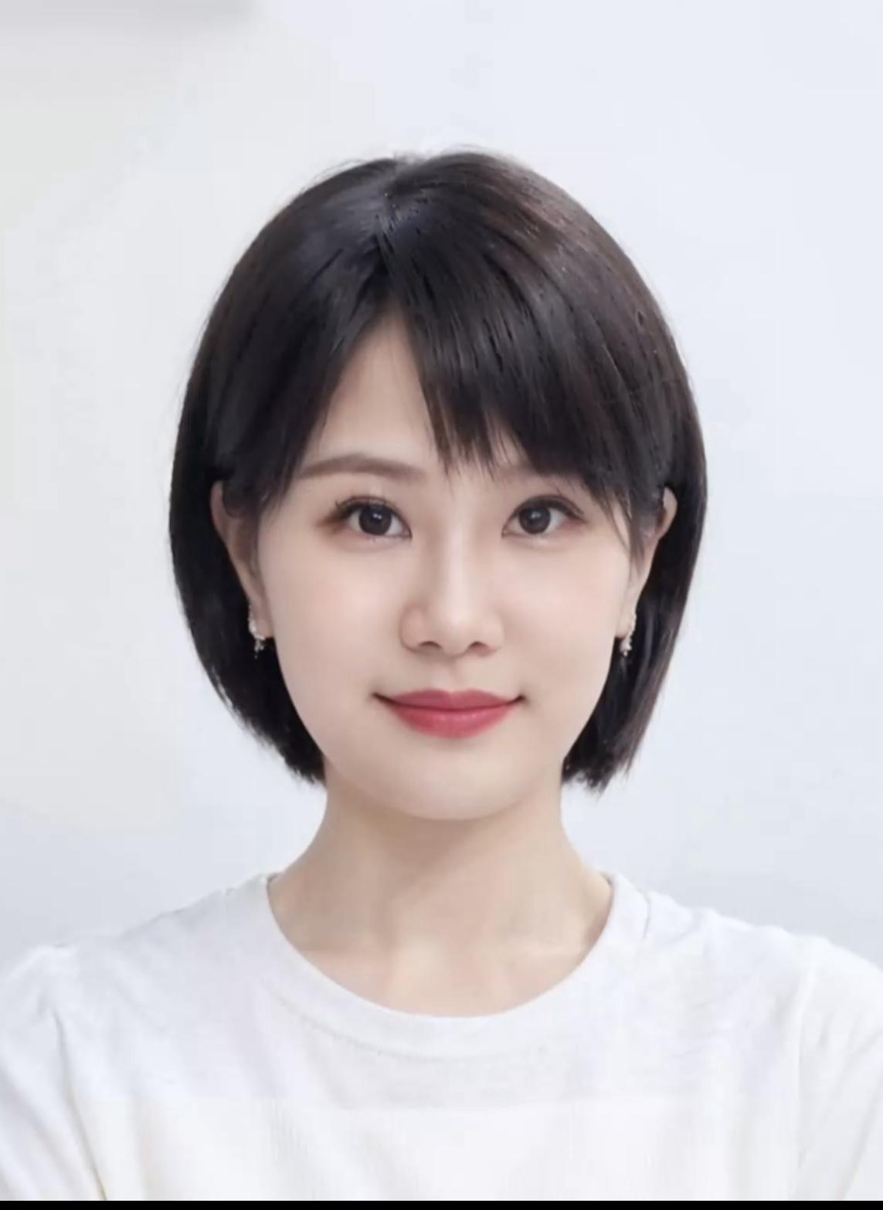
Wenxin | Xiao, Wenxin | 肖文昕 | wenxin_xiao@fas.harvard.edu | 8156148878 | Harvard RSEA | Digital Humanities | Shaoxing Prefectural Local Gazette Biography | 2023/9/5 - 2026 |  |  | CBDB Research Assistant
Ashley | Zheng, Ashley | 郑钰骐 | ashleyzheng@college.harvard.edu | 574 540 9663 | Harvard College |  | Ming collections, Content management system for user guide | 2025.2-2026 |  |  | CBDB Research Assistant | 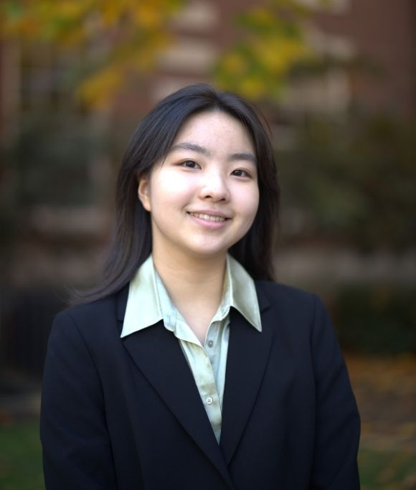
Axl | Cheng, Axl (Kexin) | 程可欣 | axlcheng@fas.harvard.edu | 9175268495 | Harvard EALC | late imperial Chinese history | zhongguo congshu zonglu | 2025.9-2026 |  |  | CBDB Research Assistant | 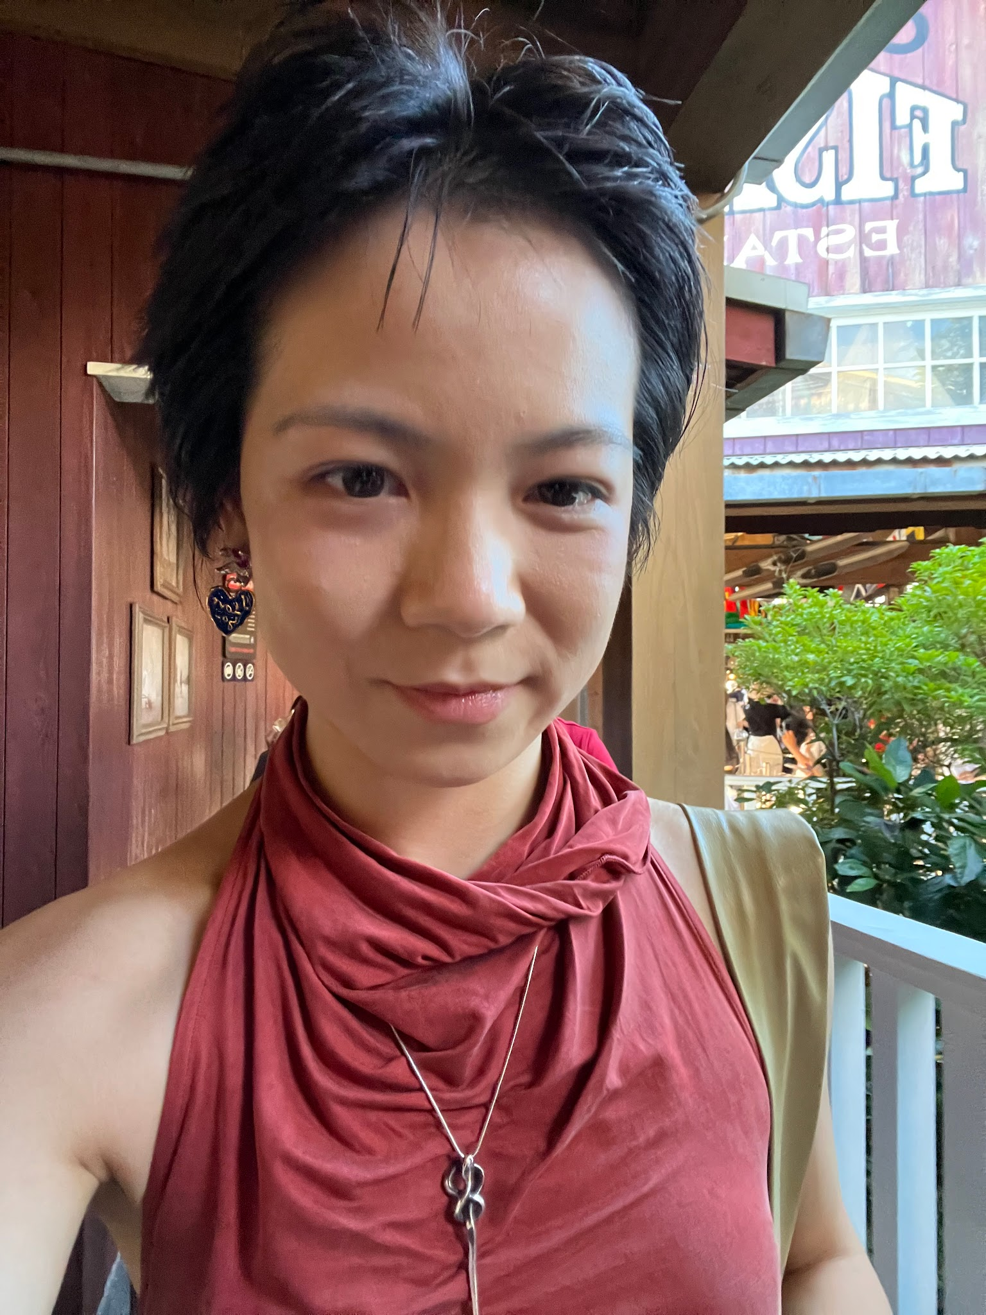
Yitian | Li, Yitian | 李倚天 | yitianli@g.harvard.edu | 6175807523 | Harvard EALC | Medieval Chinese History | project manager | 2025.8-2026.5.27 |  |  | CBDB Manager
Yan | Dong, Yan | 董燕 | yandong@fas.harvard.edu | 6172518924 | China Academy of Chinese Medical Sciences | ancient Chinese medical book | Biographies of traditional Chinese medicine doctors | 2025.7.14-2026.7.13 |  |  | CBDB Visitor
Linda | Zhang, Linda | 张若溪 | lindazhang@college.harvard.edu | 617 902 8165 | Harvard College | Government and East Asian Studies | Update database user guide Chinese version | 2025.1-2026 |  |  | CBDB Research Assistant
Amanda | Stickels, Amanda | 潘小莹 | astickels@fas.harvard.edu | 8472576030 | Harvard College | East Asian Studies | The Lazarists in China; Assistant project manager | 2023/9 - 2024; 2025/1- |  |  | CBDB assistant project manager | 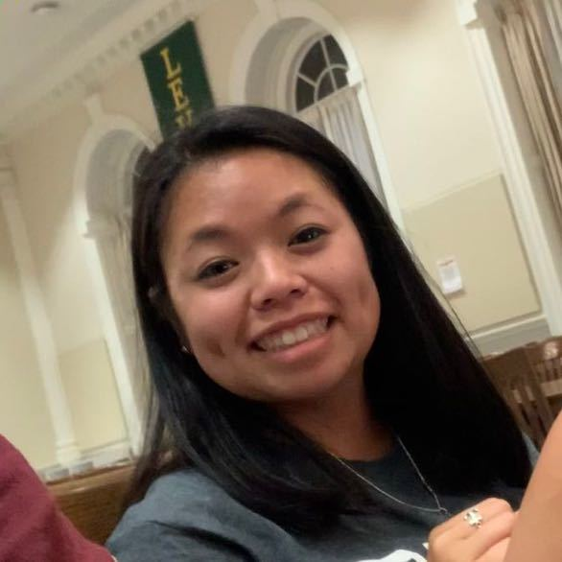
Wanchun | Nie,Wanchun | 聂琬纯 | wanchunnie@fas.harvard.edu | 6172299049 | Renmin University of China | History of Wei, Jin,Sui,Tang Dynasty | The relationship between Jiannan area and the inner court after An-Shi rebellion | 2025.10.26-2026.10.31 |  |  | CBDB Visitor

