summary
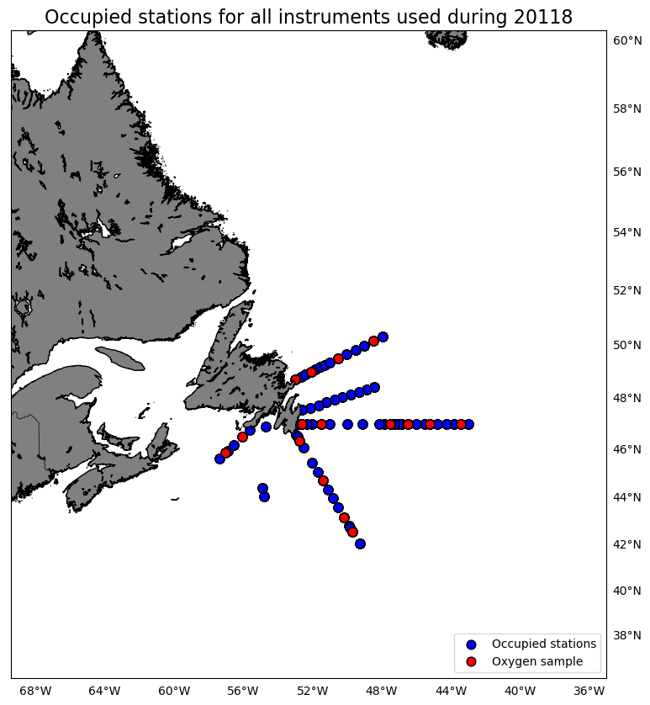
Oxygen Calibration
AZMP Survey Hudson 118
November 11 - December 02, 2018

The following instruments were used:
 | 3313: 0 records as primary and 713 records as secondary
 | 3539: 713 records as primary and 0 records as secondary

The following stations were occupied:
 | BB: 01, 05, 10, 14
 | FC: 03, 06, 14, 20, 24, 33
 | SEGB: 03, 09, 13, 17
 | SWSPB: 02, 05

The regression data is:
inst | slope | intercept | R2 | OldSOC | NewSOC
3313 | 0.86979251366 | 0.26185304767 | 0.98531171459 | 0.4388 | 0.3997
3539 | 0.88315557945 | 0.27439192774 | 0.98488078822 | 0.4576 | 0.4241

plots
