summary
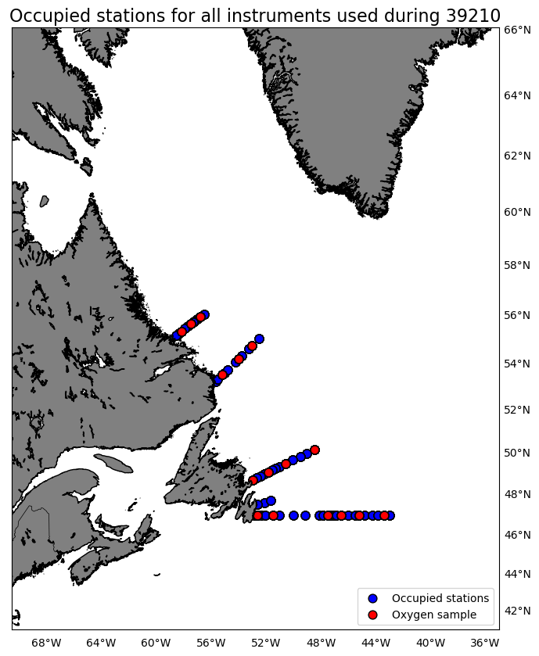
Oxygen Calibration
AZMP Survey Teleost 210
July 14-31, 2020

The following instruments were used:
 | 2549: 654 records as primary and 0 records as secondary
 | 2550: 0 records as primary and 654 records as secondary

The following stations were occupied:
 | BB: 01, 06, 10, 14
 | FC: 03, 06, 14, 20, 24, 33
 | MB: 04, 07, 11
 | SI: 04, 09, 13

The regression data is:
inst | slope | intercept | R2 | OldSOC | NewSOC
2549 | 0.96092495303 | 0.32848585688 | 0.95040776141 | 0.58726 | 0.5911
2550 | 0.92161279136 | 0.32642280151 | 0.94774906696 | 0.48174 | 0.4649

plots
