Summary
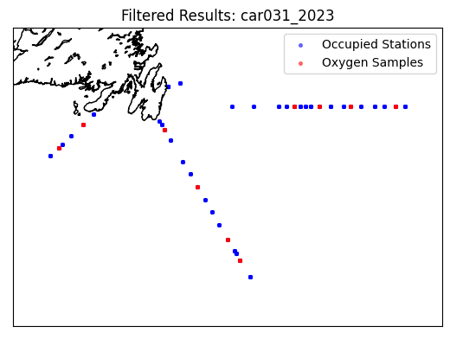
Oxygen Calibration
AZMP Survey for car 031
2023-04-03 to 2023-04-17

The following instruments were used:
Primary | Secondary
4136 | 4140
2549 | 2550

The following stations were occupied:
FC | 14, 20, 24, 33
SEGB | 03, 09, 13, 17
SWSPB | 02, 05

The regression data is:
Instr | Slope | y-int | r2 | OldSOC | NewSOC
4136 | 0.92457344366 | -0.052672833107 | 0.56044680929 | 0.5324 | 0.493
4140 | 0.95802368878 | -0.099015825764 | 0.77521492928 | 0.5693 | 0.5272
2549 | 0.86358793297 | 0.17909880353 | -0.50620030633 | 0.5806 | 0.5312
2550 | 0.924317613 | 0.1014319778 | 0.5192470417 | 0.4675 | 0.4277

Plots
