summary
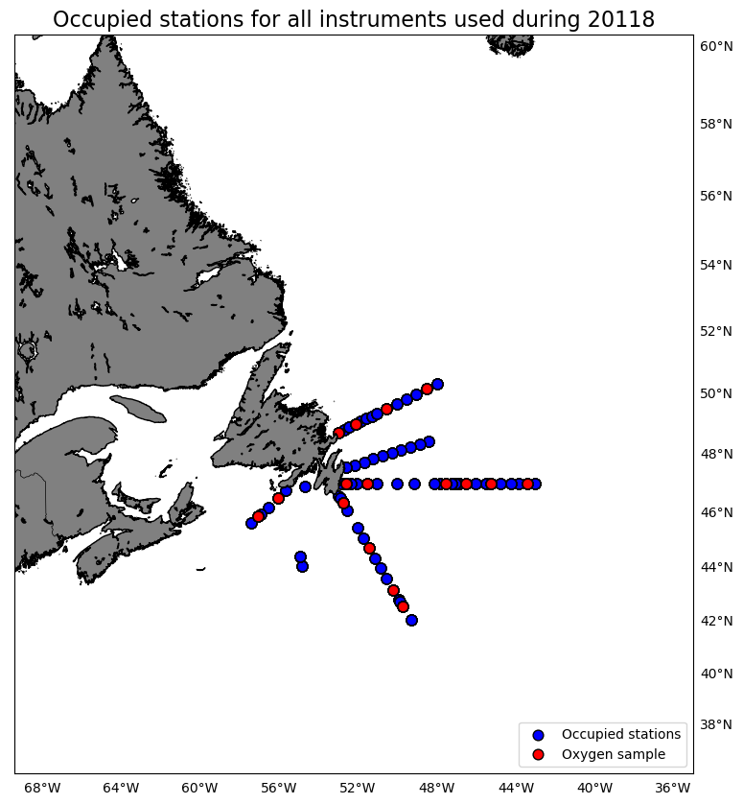
Oxygen Calibration
AZMP Survey Hudson 118
November 11 - December 02, 2018

The following instruments were used:
 | 3313: 0 records as primary and 713 records as secondary
 | 3539: 713 records as primary and 0 records as secondary

The following stations were occupied:
 | BB: 01, 05, 10, 14
 | FC: 03, 06, 14, 20, 24, 33
 | SEGB: 03, 09, 13, 17
 | SWSPB: 02, 05

The regression data is:
inst | slope | intercept | R2 | OldSOC | NewSOC
3313 | 0.8633579671 | 0.30546903675 | 0.98747214292 | 0.4388 | 0.3997
3539 | 0.87559023234 | 0.32456627964 | 0.98705294227 | 0.4576 | 0.4241

plots
