summary
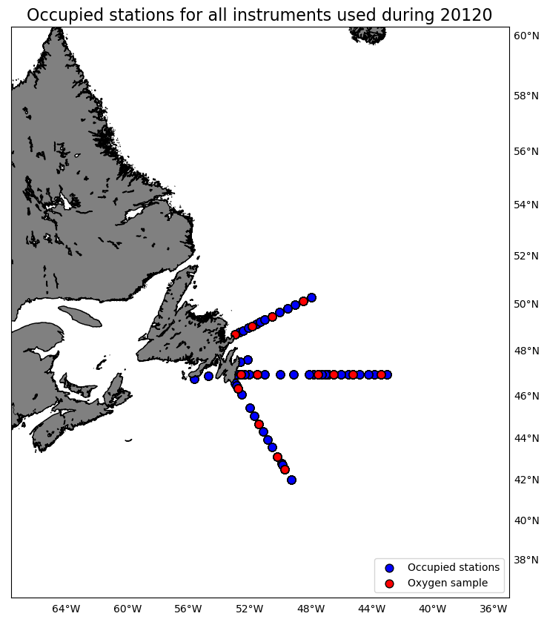
Oxygen Calibration
AZMP Survey Hudson 120
November 10 - December 01, 2020

The following instruments were used:
 | 2549: 578 records as primary and 0 records as secondary
 | 2550: 0 records as primary and 578 records as secondary

The following stations were occupied:
 | BB: 01, 06, 10, 14
 | FC: 03, 06, 14, 20, 24, 33
 | SEGB: 03, 09, 13, 17

The regression data is:
inst | slope | intercept | R2 | OldSOC | NewSOC
2549 | 1.030802226 | -0.28058515787 | 0.97741087516 | 0.58726 | 0.5806
2550 | 1.0023507395 | -0.21567869793 | 0.96569805376 | 0.48174 | 0.4675

plots
