summary
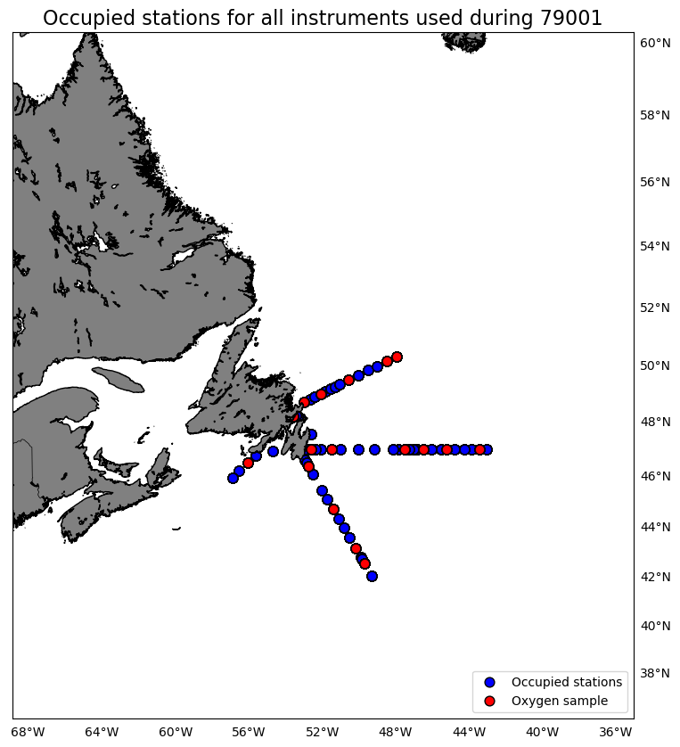
Oxygen Calibration
AZMP Survey JamesCook 001
November 17 - December 10, 2019

The following instruments were used:
 | 0709: 1035 records as primary and 0 records as secondary
 | 2550: 0 records as primary and 828 records as secondary
 | 3313: 95 records as primary and 0 records as secondary
 | 3538: 0 records as primary and 207 records as secondary
 | 3539: 0 records as primary and 95 records as secondary

The following stations were occupied:
 | BB: 01, 05, 10, 14, 15
 | FC: 03, 06, 14, 20, 24, 33
 | SEGB: 03, 09, 13, 17
 | SS: 05
 | SWSPB: 02

The regression data is:
inst | slope | intercept | R2 | OldSOC | NewSOC
0709 | 0.87237072576 | 0.69843592422 | 0.67756543686 | 0.4453 | 0.4324
2550 | 1.042790507 | -0.77389805001 | 0.94215014064 | 0.4739 | 0.4445
3313 | 0.78967544605 | 1.2420715158 | 0.97235569368 | 0.5016 | 0.4764
3538 | 1.1296440633 | -0.21830913243 | 0.95436846893 | 0.41426 | 0.4531
3539 | 0.78649196063 | 1.1926328643 | 0.97183686481 | 0.5407 | 0.5073

plots
