Jmeter Get Run
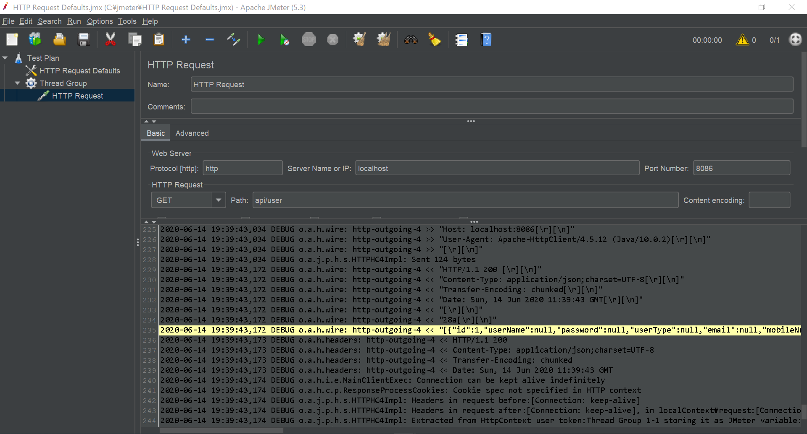

Jmeter Run Get Log
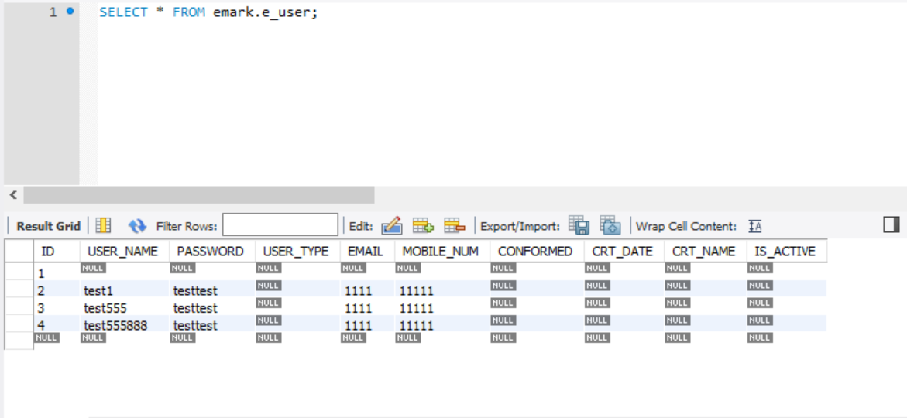
2020-06-14 19:39:42,760 DEBUG o.a.j.g.GuiPackage: Updating current node HTTP Request
2020-06-14 19:39:42,761 DEBUG o.a.j.g.GuiPackage: Gui retrieved = org.apache.jmeter.protocol.http.control.gui.HttpTestSampleGui[HTTP Request,0,0,930x460,invalid,layout=java.awt.BorderLayout,alignmentX=0.0,alignmentY=0.0,border=javax.swing.border.EmptyBorder@a4b1da4,flags=9,maximumSize=,minimumSize=,preferredSize=]
2020-06-14 19:39:42,763 DEBUG o.a.j.g.AbstractJMeterGuiComponent: setting element to enabled: true
2020-06-14 19:39:42,763 DEBUG o.a.j.g.AbstractJMeterGuiComponent: setting element to enabled: true
2020-06-14 19:39:42,765 DEBUG o.a.j.g.GuiPackage: Gui retrieved = org.apache.jmeter.protocol.http.control.gui.HttpTestSampleGui[HTTP Request,0,0,930x460,invalid,layout=java.awt.BorderLayout,alignmentX=0.0,alignmentY=0.0,border=javax.swing.border.EmptyBorder@a4b1da4,flags=9,maximumSize=,minimumSize=,preferredSize=]
2020-06-14 19:39:42,770 DEBUG o.a.j.g.a.AbstractAction: popupShouldSave
The following log is Reponse context,Consistent with postman test results
2020-06-14 19:39:42,773 DEBUG o.a.j.g.GuiPackage: Updating current node HTTP Request
2020-06-14 19:39:43,172 DEBUG o.a.h.wire: http-outgoing-4 << "Date: Sun, 14 Jun 2020 11:39:43 GMT[\r][\n]"
2020-06-14 19:39:43,172 DEBUG o.a.h.wire: http-outgoing-4 << "[\r][\n]"
2020-06-14 19:39:43,172 DEBUG o.a.h.wire: http-outgoing-4 << "28a[\r][\n]"
2020-06-14 19:39:43,172 DEBUG o.a.h.wire: http-outgoing-4 << "[{"id":1,"userName":null,"password":null,"userType":null,"email":null,"mobileNum":null,"confirmed":null,"crtDate":null,"crtName":null,"isActive":null},{"id":2,"userName":"test1","password":"testtest","userType":null,"email":"1111","mobileNum":"11111","confirmed":null,"crtDate":null,"crtName":null,"isActive":null},{"id":3,"userName":"test555","password":"testtest","userType":null,"email":"1111","mobileNum":"11111","confirmed":null,"crtDate":null,"crtName":null,"isActive":null},{"id":4,"userName":"test555888","password":"testtest","userType":null,"email":"1111","mobileNum":"11111","confirmed":null,"crtDate":null,"crtName":null,"isActive":null}][\r][\n]"
2020-06-14 19:39:43,173 DEBUG o.a.h.headers: http-outgoing-4 << HTTP/1.1 200
2020-06-14 19:39:43,173 DEBUG o.a.h.headers: http-outgoing-4 << Content-Type: application/json;charset=UTF-8
2020-06-14 19:39:43,173 DEBUG o.a.h.headers: http-outgoing-4 << Transfer-Encoding: chunked
2020-06-14 19:39:43,173 DEBUG o.a.h.headers: http-outgoing-4 << Date: Sun, 14 Jun 2020 11:39:43 GMT
2020-06-14 19:39:43,174 DEBUG o.a.h.i.e.MainClientExec: Connection can be kept alive indefinitely
2020-06-14 19:39:43,174 DEBUG o.a.h.c.p.ResponseProcessCookies: Cookie spec not specified in HTTP context
2020-06-14 19:39:43,174 DEBUG o.a.j.p.h.s.HTTPHC4Impl: Headers in request before:[Connection: keep-alive]
2020-06-14 19:39:43,174 DEBUG o.a.j.p.h.s.HTTPHC4Impl: Headers in request after:[Connection: keep-alive], in localContext#request:[Connection: keep-alive, Host: localhost:8086, User-Agent: Apache-HttpClient/4.5.12 (Java/10.0.2)]
2020-06-14 19:39:43,174 DEBUG o.a.j.p.h.s.HTTPHC4Impl: Extracted from HttpContext user token:Thread Group 1-1 storing it as JMeter variable:__jmeter.U_T__
2020-06-14 19:39:43,175 DEBUG o.a.h.wire: http-outgoing-4 << "0[\r][\n]"
2020-06-14 19:39:43,175 DEBUG o.a.h.wire: http-outgoing-4 << "[\r][\n]"
2020-06-14 19:39:43,175 DEBUG o.a.h.i.c.PoolingHttpClientConnectionManager: Connection [id: 4][route: {}->http://localhost:8086][state: Thread Group 1-1] can be kept alive indefinitely
2020-06-14 19:39:43,175 DEBUG o.a.h.i.c.DefaultManagedHttpClientConnection: http-outgoing-4: set socket timeout to 0
2020-06-14 19:39:43,176 DEBUG o.a.h.i.c.PoolingHttpClientConnectionManager: Connection released: [id: 4][route: {}->http://localhost:8086][state: Thread Group 1-1][total available: 1; route allocated: 1 of 2; total allocated: 1 of 20]
2020-06-14 19:39:43,176 DEBUG o.a.j.p.h.s.HTTPHC4Impl: ResponseHeadersSize=128 Content-Length=662 Total=790
2020-06-14 19:39:43,177 DEBUG o.a.j.c.GenericController: Calling next on: class org.apache.jmeter.control.GenericController
2020-06-14 19:39:43,177 INFO o.a.j.t.JMeterThread: Thread is done: Thread Group 1-1
2020-06-14 19:39:43,177 INFO o.a.j.t.JMeterThread: Thread finished: Thread Group 1-1
2020-06-14 19:39:43,177 DEBUG o.a.j.p.h.s.HTTPHC4Impl: Thread Finished
2020-06-14 19:39:43,178 DEBUG o.a.h.i.c.PoolingHttpClientConnectionManager: Connection manager is shutting down
2020-06-14 19:39:43,178 DEBUG o.a.h.i.c.DefaultManagedHttpClientConnection: http-outgoing-4: Close connection
2020-06-14 19:39:43,178 DEBUG o.a.h.i.c.PoolingHttpClientConnectionManager: Connection manager shut down
2020-06-14 19:39:43,179 DEBUG o.a.j.t.ThreadGroup: Ending thread Thread Group 1-1
2020-06-14 19:39:43,179 INFO o.a.j.e.StandardJMeterEngine: Notifying test listeners of end of test
2020-06-14 19:39:43,179 INFO o.a.j.g.u.JMeterMenuBar: setRunning(false, *local*)

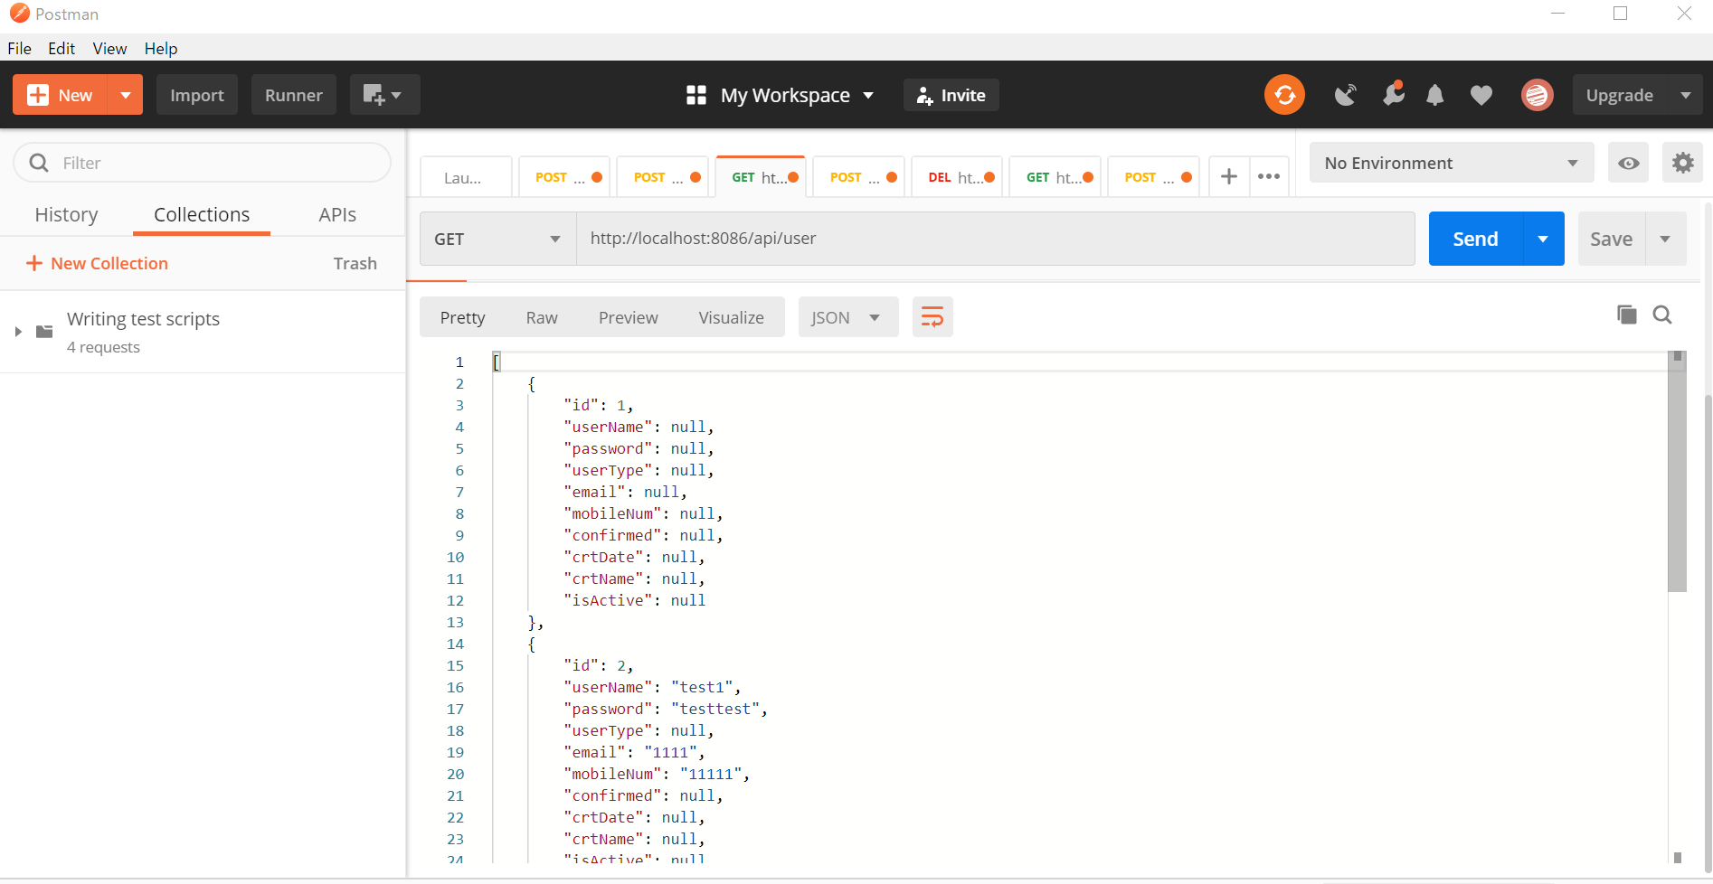

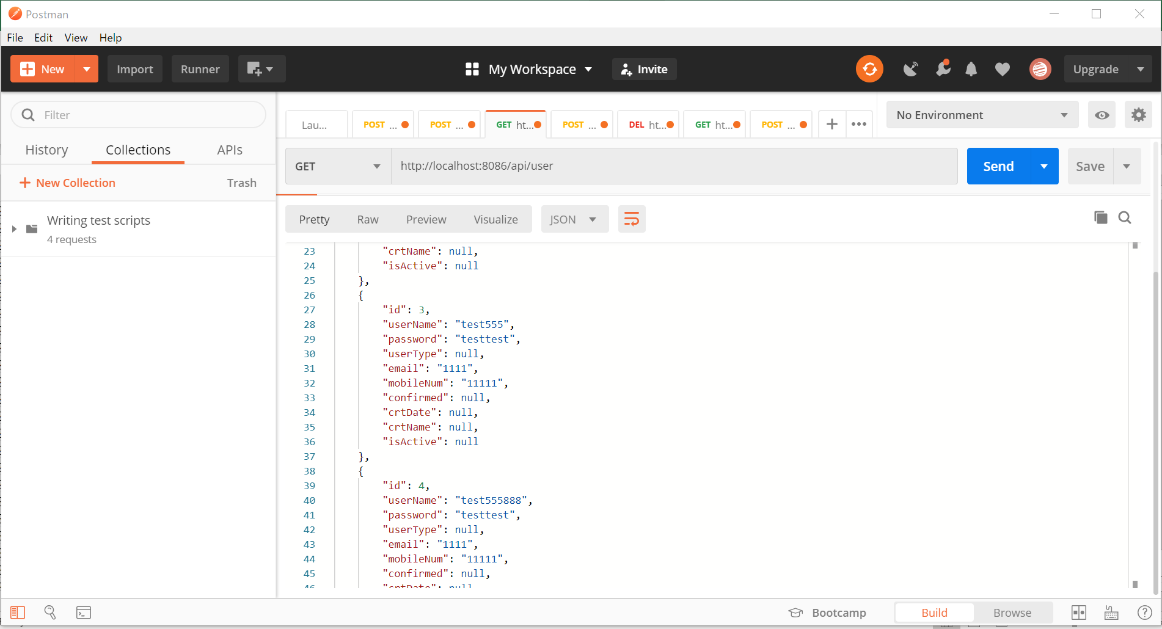

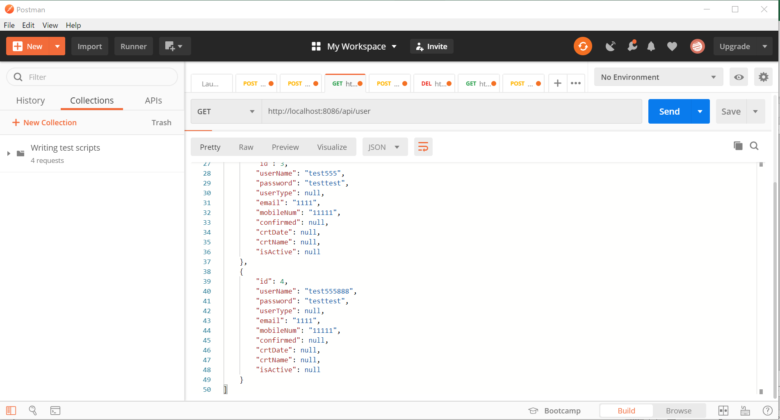

e_user table

Jmeter Put Run
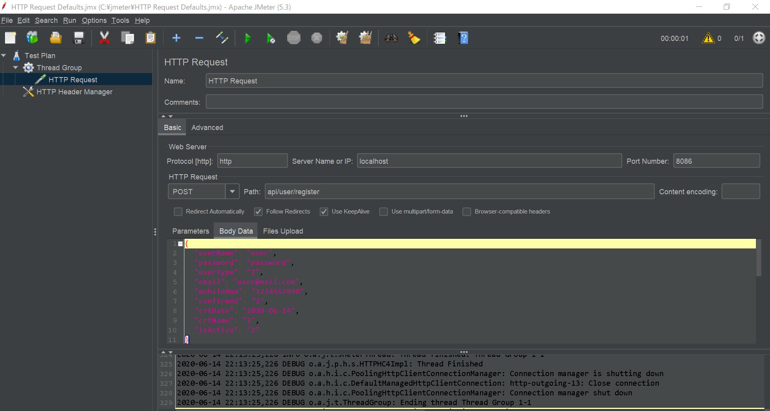

Jmeter Run Put Log
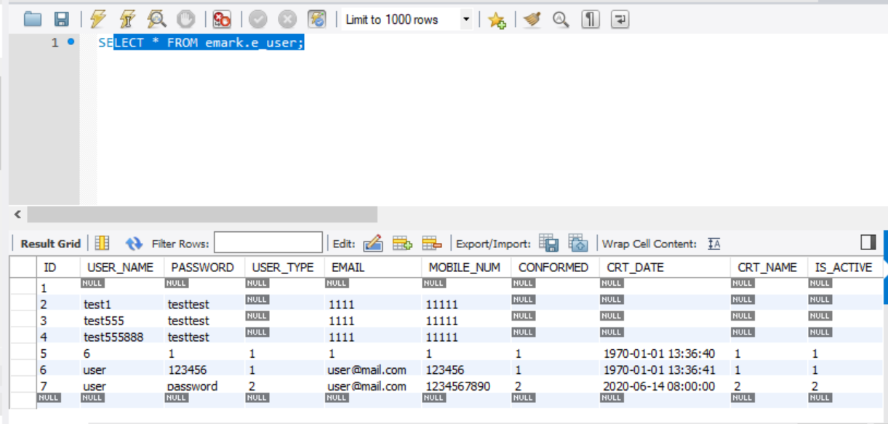
The following log is Reponse context
2020-06-14 22:13:24,976 DEBUG o.a.j.g.GuiPackage: Updating current node HTTP Request
2020-06-14 22:13:24,976 DEBUG o.a.j.g.GuiPackage: Gui retrieved = org.apache.jmeter.protocol.http.control.gui.HttpTestSampleGui[HTTP Request,0,0,1006x460,invalid,layout=java.awt.BorderLayout,alignmentX=0.0,alignmentY=0.0,border=javax.swing.border.EmptyBorder@a4b1da4,flags=9,maximumSize=,minimumSize=,preferredSize=]
2020-06-14 22:13:25,223 DEBUG o.a.h.wire: http-outgoing-13 << "[\r][\n]"
2020-06-14 22:13:25,223 DEBUG o.a.h.wire: http-outgoing-13 << "b5[\r][\n]"
2020-06-14 22:13:25,223 DEBUG o.a.h.wire: http-outgoing-13 << "{"id":7,"userName":"user","password":"password","userType":"2","email":"user@mail.com","mobileNum":"1234567890","confirmed":"2","crtDate":1592092800000,"crtName":"2","isActive":"2"}[\r][\n]"
2020-06-14 22:13:25,223 DEBUG o.a.h.headers: http-outgoing-13 << HTTP/1.1 201
2020-06-14 22:13:25,223 DEBUG o.a.h.headers: http-outgoing-13 << Content-Type: application/json;charset=UTF-8
2020-06-14 22:13:25,223 DEBUG o.a.h.headers: http-outgoing-13 << Transfer-Encoding: chunked
2020-06-14 22:13:25,223 DEBUG o.a.h.headers: http-outgoing-13 << Date: Sun, 14 Jun 2020 14:13:25 GMT
2020-06-14 22:13:25,224 DEBUG o.a.h.i.e.MainClientExec: Connection can be kept alive indefinitely
2020-06-14 22:13:25,224 DEBUG o.a.h.c.p.ResponseProcessCookies: Cookie spec not specified in HTTP context
2020-06-14 22:13:25,224 DEBUG o.a.j.p.h.s.HTTPHC4Impl: Headers in request before:[Connection: keep-alive, Content-Type: application/json]
2020-06-14 22:13:25,224 DEBUG o.a.j.p.h.s.HTTPHC4Impl: Headers in request after:[Connection: keep-alive, Content-Type: application/json], in localContext#request:[Connection: keep-alive, Content-Type: application/json, Content-Length: 220, Host: localhost:8086, User-Agent: Apache-HttpClient/4.5.12 (Java/10.0.2)]
2020-06-14 22:13:25,224 DEBUG o.a.j.p.h.s.HTTPHC4Impl: Extracted from HttpContext user token:Thread Group 1-1 storing it as JMeter variable:__jmeter.U_T__
2020-06-14 22:13:25,224 DEBUG o.a.h.wire: http-outgoing-13 << "0[\r][\n]"
2020-06-14 22:13:25,224 DEBUG o.a.h.wire: http-outgoing-13 << "[\r][\n]"
2020-06-14 22:13:25,224 DEBUG o.a.h.i.c.PoolingHttpClientConnectionManager: Connection [id: 13][route: {}->http://localhost:8086][state: Thread Group 1-1] can be kept alive indefinitely
2020-06-14 22:13:25,224 DEBUG o.a.h.i.c.DefaultManagedHttpClientConnection: http-outgoing-13: set socket timeout to 0
2020-06-14 22:13:25,224 DEBUG o.a.h.i.c.PoolingHttpClientConnectionManager: Connection released: [id: 13][route: {}->http://localhost:8086][state: Thread Group 1-1][total available: 1; route allocated: 1 of 2; total allocated: 1 of 20]
2020-06-14 22:13:25,225 DEBUG o.a.j.p.h.s.HTTPHC4Impl: ResponseHeadersSize=128 Content-Length=192 Total=320
2020-06-14 22:13:25,226 DEBUG o.a.j.c.GenericController: Calling next on: class org.apache.jmeter.control.GenericController
2020-06-14 22:13:25,226 INFO o.a.j.t.JMeterThread: Thread is done: Thread Group 1-1
2020-06-14 22:13:25,226 INFO o.a.j.t.JMeterThread: Thread finished: Thread Group 1-1
2020-06-14 22:13:25,226 DEBUG o.a.j.p.h.s.HTTPHC4Impl: Thread Finished
2020-06-14 22:13:25,226 DEBUG o.a.h.i.c.PoolingHttpClientConnectionManager: Connection manager is shutting down
2020-06-14 22:13:25,226 DEBUG o.a.h.i.c.DefaultManagedHttpClientConnection: http-outgoing-13: Close connection
2020-06-14 22:13:25,226 DEBUG o.a.h.i.c.PoolingHttpClientConnectionManager: Connection manager shut down
2020-06-14 22:13:25,226 DEBUG o.a.j.t.ThreadGroup: Ending thread Thread Group 1-1
2020-06-14 22:13:25,227 INFO o.a.j.e.StandardJMeterEngine: Notifying test listeners of end of test
2020-06-14 22:13:25,227 INFO o.a.j.g.u.JMeterMenuBar: setRunning(false, *local*)

before post request
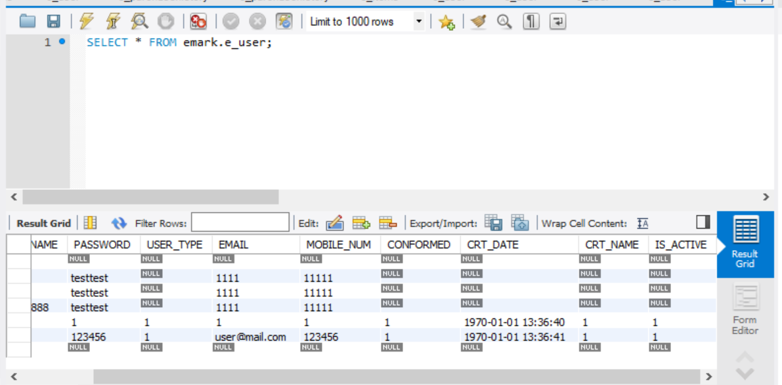

after post request

