Sheet1
 |  |  | Hough Transform | Harris Default | Min Eigen | Harris | FAST
 |  |  | 1.375 | 0.81 | 0.2591 | 0.257 | 0.0251 |  | 630 | 420
 |  |  | 2.2606 | 0.4274 | 0.4243 | 0.3833 | 0.0594 |  | 1627 | 910

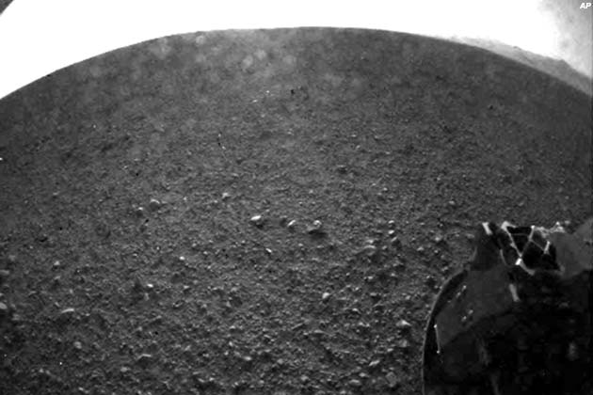
Compression Time vs Image Size
 |  |  | Total Time FAST | Theoretical Time | Image Size
 |  |  |  |  | x | y
 |  |  |  |  |  |  |  | Overhead: | drawing triangles
 |  |  | 0.1445 |  | 1627 x 910 | 910 |  |  | 0.506
 |  |  | 0.0781 |  | 630 x 420 | 420 |  |  | 0.249
 |  |  | 0.0766 |  | 500 x 500 | 500
 |  |  | 0.0519 |  | 159 x 119 | 119

Original Size | Orig. File Size | JPEG Size | Output File Size | Compression Level # of Triangles |  | fRate

630 x 420 | 280 | 36 | 4 | 316 | mars | 30
 |  |  | 7 | 620 |  | 15
 |  |  | 18 | 1832 |  | 5
 |  |  | 102 | 9104 |  | 1
 |  |  | 235 | 22526 |  | 0
 |  |  |  |  | newyork 4

Feature Detection Time
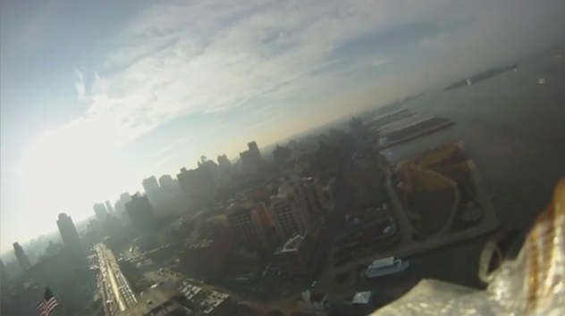
 |  |  |  | 9104 |  | 1

 |  | Output Size KB | Triangle Limit
 |  | 235 | 22526
 |  | 102 | 9104
 |  | 18 | 1832
 |  | 7 | 620
 |  | 4 | 316

Feature Detection Time

