Sheet1
id.videoId | image.path | title | image | gender | reviewed
rZWdn-bmcR4 | data/stills/_vi_rZWdn-bmcR4_hqdefault.jpg | DEADLIFT PR 160KG AT 64KG MORE TO COME💪🏼 STAY TUNED#shorts #powerlifting #deadlift #gymmotivation | 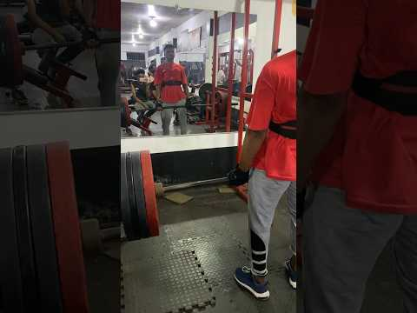 | m | TRUE
X1XZiihxAMA | data/stills/_vi_X1XZiihxAMA_hqdefault.jpg | Thad - Catfish Days Strongest Man - Deadlift PR 600 lbs - 7/22/17 | 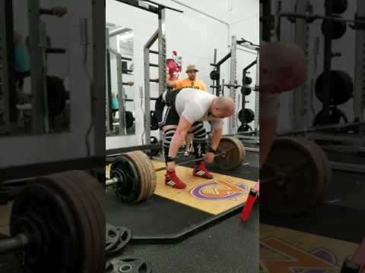 | m | TRUE
8f9TBpKHdOA | data/stills/_vi_8f9TBpKHdOA_hqdefault.jpg | [Zinlifts] 180KGS deficit clean deadlift PR | 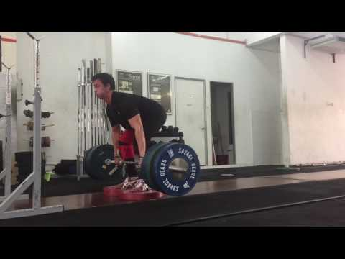 | m | TRUE
1WUJQLC6LVU | data/stills/_vi_1WUJQLC6LVU_hqdefault.jpg | Deadlift - PR (170 kilograms) | 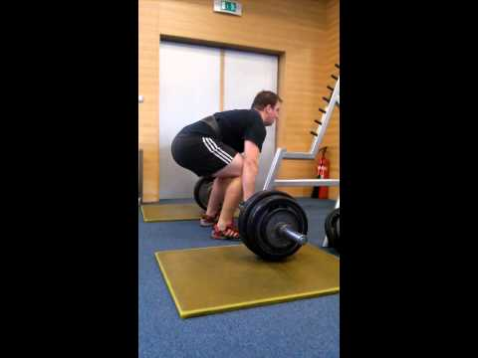 | m | TRUE
4mUeY5S22sg | data/stills/_vi_4mUeY5S22sg_hqdefault.jpg | DEADLIFT PR- 460 lbs! | 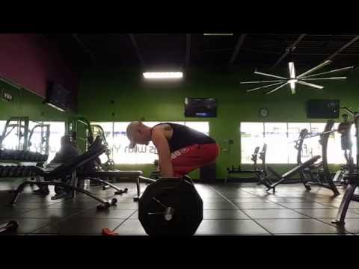 Something funny going on with the video here. Anyway, got 460 today. Not my best form. Some rounding for sure. My plan is now ... | m | TRUE
EOXggaLJHS0 | data/stills/_vi_EOXggaLJHS0_hqdefault.jpg | 445lbs Deadlift PR #deadlift #conventional #gympr | 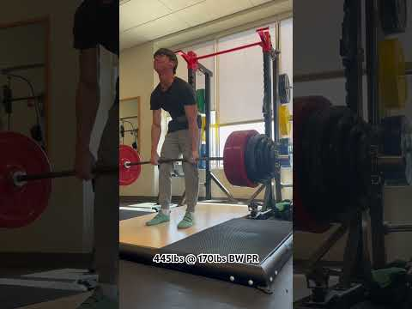 | m | TRUE
mSIRxKqu5JE | data/stills/_vi_mSIRxKqu5JE_hqdefault.jpg | 405 pound Deadlift PR @170 pounds | 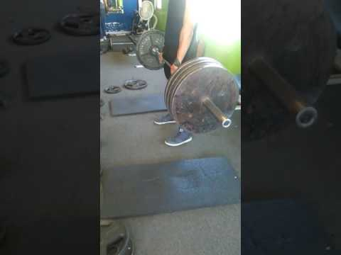 Trying to lift heavier every month! | m | TRUE
0Tai0kBZwls | data/stills/_vi_0Tai0kBZwls_hqdefault.jpg | 565lbs Deadlift PR | 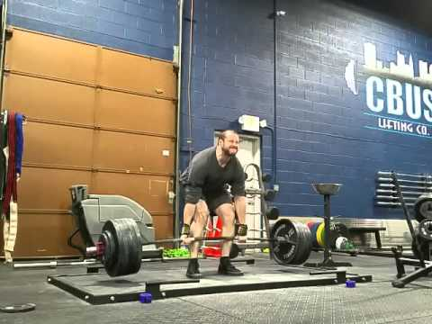 Raw PR. Bodyweight is down to around 210-215lbs. | m | TRUE
tf1Gp-6zn7c | data/stills/_vi_tf1Gp-6zn7c_hqdefault.jpg | Stef’s Hex Bar Deadlift PR | 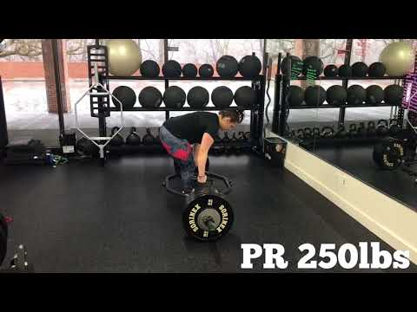 250lbs. | m | TRUE
sN-1o5EeGvc | data/stills/_vi_sN-1o5EeGvc_hqdefault.jpg | 600lb(3×) Deadlift PR | 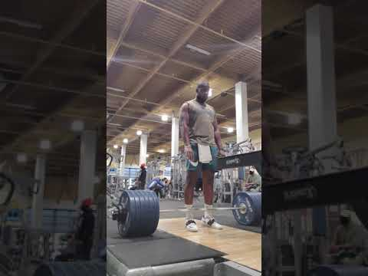 | m | TRUE
HuyNDxPOv8E | data/stills/_vi_HuyNDxPOv8E_hqdefault.jpg | 60KG-200KG CONVENTIONAL DEADLIFT PR!! | 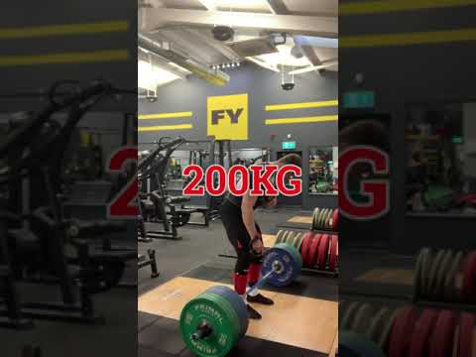 Today, I hit a huge lifetime conventional deadlift PR by hitting 200KG! This is a huge accomplishment for me in my powerlifting ... | m | TRUE
pZgMzQvyAsM | data/stills/_vi_pZgMzQvyAsM_hqdefault.jpg | Deadlift PR - 630 lb / 286 kg | 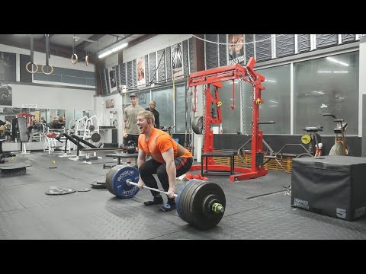 I will be donating $0.25 to charity for every new subscriber on YouTube and BitChute at the end of the year. (2022) BitChute: ... | m | TRUE
0MzJe2PTLK4 | data/stills/_vi_0MzJe2PTLK4_hqdefault.jpg | 515lb deadlift PR | 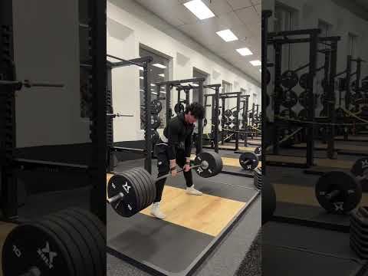 | m | TRUE
E1mQN3Driug | data/stills/_vi_E1mQN3Driug_hqdefault.jpg | 507LBS DEADLIFT PR @16 #youtubeshorts #deadlift | 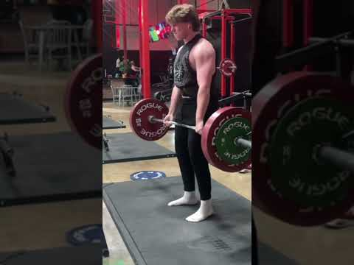 | m | TRUE
nLctGQXc88Q | data/stills/_vi_nLctGQXc88Q_hqdefault.jpg | Deadlift PR! 410lbs. | Fitness | Scottsdale | Coach | Gym | Personal Training | 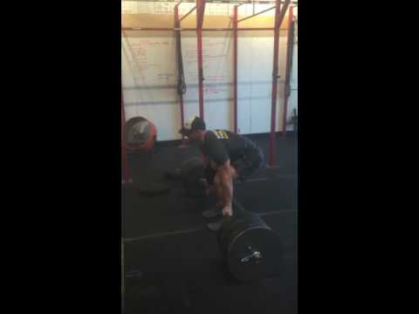 | m | TRUE
fAwPBxPTgdk | data/stills/_vi_fAwPBxPTgdk_hqdefault.jpg | 525lbs X2 Deadlift PR! #deadlift #fitness | 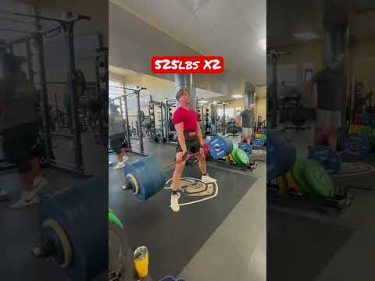 Hit a pretty easy 525lbs Deadlift for 2 reps today. After this set I did 535lbs X2 for a top set. Deadlift is increasing pretty rapidly. | m | TRUE
lS-DFh2YgLY | data/stills/_vi_lS-DFh2YgLY_hqdefault.jpg | New Deadlift PR 150kg X 1 #deadlift #pr #progress | 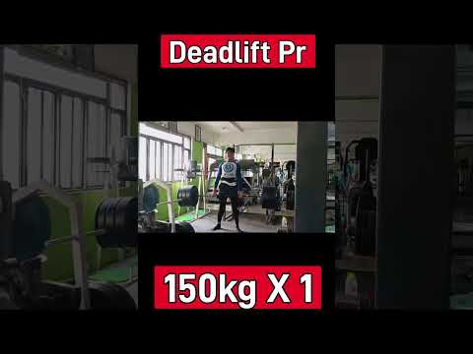 | m | TRUE
3PyLXdZmuVs | data/stills/_vi_3PyLXdZmuVs_hqdefault.jpg | Deadlift PR 155kg x 4 reps 13/3/21 | 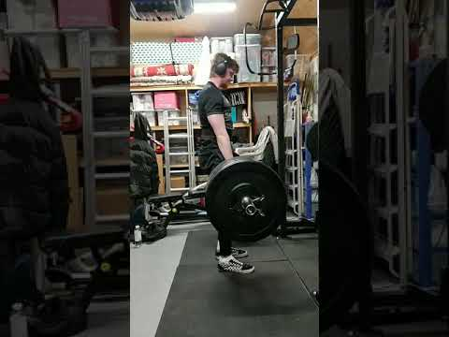 First of 2 sets, happy with the flat back, rpe 8-8.5 PR inbound, 4 plates soon hopefully. | m | TRUE
tqPaqIUT4fM | data/stills/_vi_tqPaqIUT4fM_hqdefault.jpg | Jiří Tkadlčík training - Deadlift 7x300kg PR, 3x320+340kg | 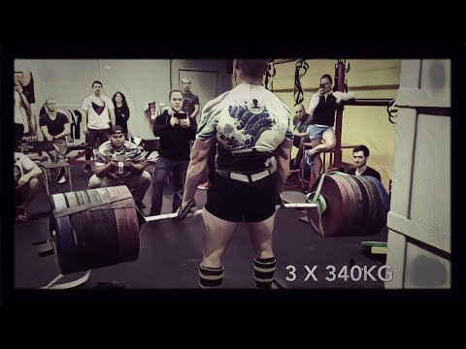 Věnováno Honzovi. Merch: http://www.jiritkadlcik.cz Http://www.facebook.com/jirkatkadlcik Http://www.instagram.com/jiritkadlcik. | m | TRUE
6FJ1YcqPPew | data/stills/_vi_6FJ1YcqPPew_hqdefault.jpg | New Deadlift PR 405lbs 13 years old | 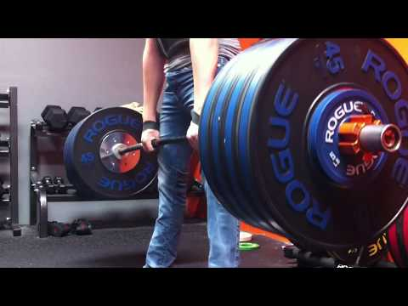 weighing at 140lbs. | m | TRUE
l_tPcdm5Ezg | data/stills/_vi_l_tPcdm5Ezg_hqdefault.jpg | Deadlift PR 180 kg | 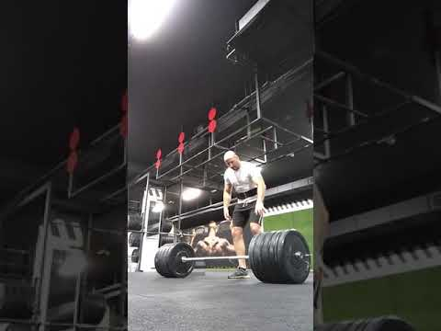 | m | TRUE
xLxSZ0QLGVE | data/stills/_vi_xLxSZ0QLGVE_hqdefault.jpg | 640lb deadlift PR! #motivation #lifter #strongman #powerlifting #power #deadlift #gym #bodybuilding | 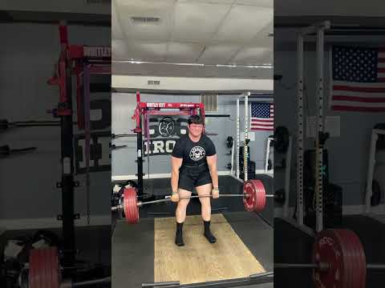 | m | TRUE
6_4VO4wzmlg | data/stills/_vi_6_4VO4wzmlg_hqdefault.jpg | 535# Deadlift PR -- 23Dec2016 | 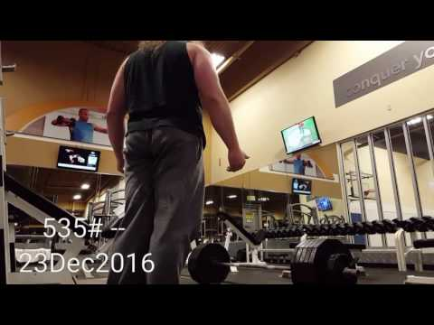 Bad as sin. And twice as ugly. Terrible form and a bit if a hike in the middle where I almost stalled. I'm not proud of this one but I ... | m | TRUE
BiyPq3-W4_w | data/stills/_vi_BiyPq3-W4_w_hqdefault.jpg | 455 POUND DEADLIFT PR 7/29/21 | 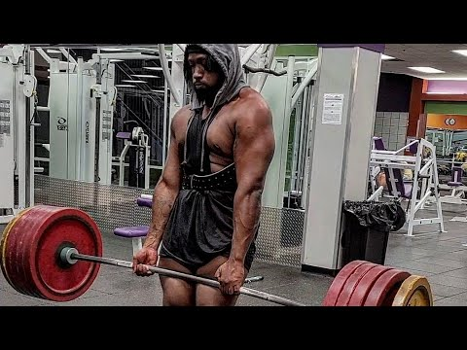 benchpress #deadlift #squats #athlete #workout #workoutmotivation #fitness #gym #gymmotivation #weightlifting #arms #chest ... | m | TRUE
8GzI4cMjP3I | data/stills/_vi_8GzI4cMjP3I_hqdefault.jpg | Deadlift Pr 260kg #fitness #gym #deadlift | 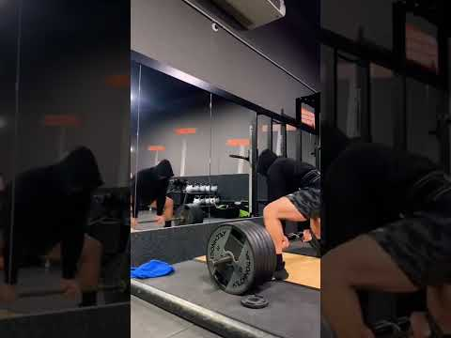 | m | TRUE
gveH3TyZvsA | data/stills/_vi_gveH3TyZvsA_hqdefault.jpg | Deadlift PR (463lbs,210kg) | 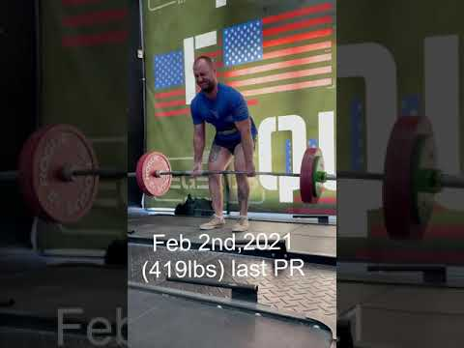 shorts #deadliftPR #deadlift #powerlifting #gym #fitness #gains #health #beastmode #fail #gymfail #deadliftfail. | m | TRUE
9gmSSaFUPk8 | data/stills/_vi_9gmSSaFUPk8_hqdefault.jpg | I finally did it, 315 lb deadlift | 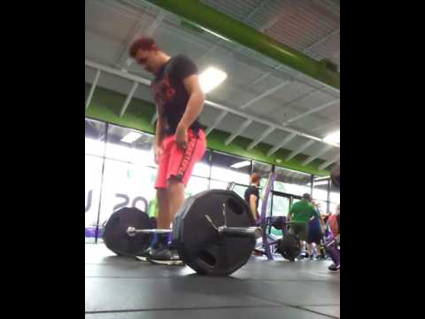 | m | TRUE
brh-2szTToI | data/stills/_vi_brh-2szTToI_hqdefault.jpg | 800 lbs. deadlift from Black Tom Cruise. Getting ready for Workout with Thor and Larrywheels | 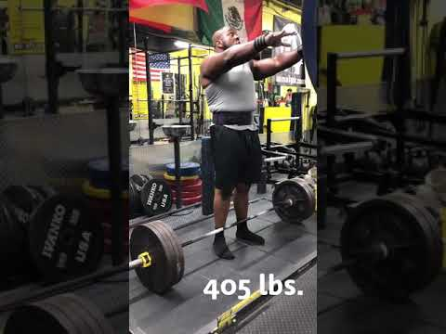 Including warm-ups and 715 lbs. deadlift before the 800 attempt. | m | TRUE
NwkuQ_VYlF4 | data/stills/_vi_NwkuQ_VYlF4_hqdefault.jpg | 140KG DEADLIFT NEW 1 REP MAX (308lb) | 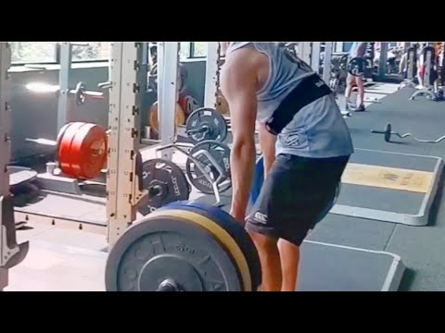 I did it. First ever 3 plate, double bodyweight, 300lb lift. Thank you to everyone that supports the channel and pushes me to do ... | m | TRUE
lDWoYcFKnsQ | data/stills/_vi_lDWoYcFKnsQ_hqdefault.jpg | 410lb deadlift PR... Kind of | 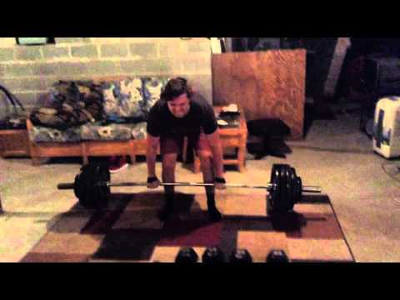 July 2, 2015. If i hadn't done 400 right before, it probably would have looked better. I mean I got the weight up, but it wasn't very ... | m | TRUE
in8J3H9x_yQ | data/stills/_vi_in8J3H9x_yQ_hqdefault.jpg | 455 lb Deadlift PR | 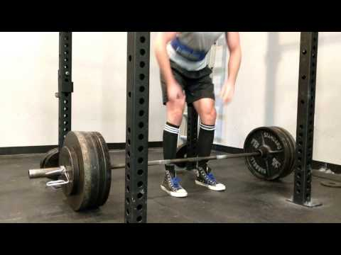 March 2017 Location: The Gym - Trooper, PA Weight: 163lb. | m | TRUE
1QaCSYWBdzE | data/stills/_vi_1QaCSYWBdzE_hqdefault.jpg | Deadlift PR @475lbs | 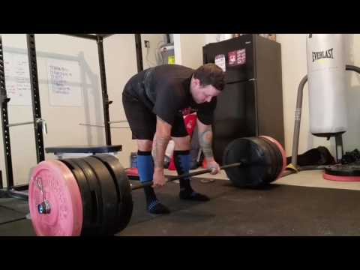 | m | TRUE
EKlogQFQbDo | data/stills/_vi_EKlogQFQbDo_hqdefault.jpg | 205kg Deadlift PR//53kg Bodyweight #deadlift #deadliftpr #powerlifting #shorts | 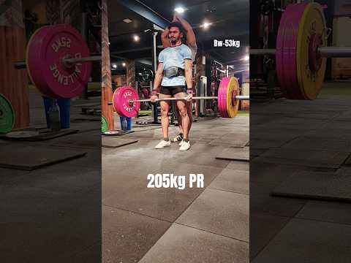 | m | TRUE
-u4WpD3E-9M | data/stills/_vi_-u4WpD3E-9M_hqdefault.jpg | Deadlift rep PR 🚨🚨. 515lbs/234kg x3 #deadlift #pr #gym #bodybuilding #powerlifting | 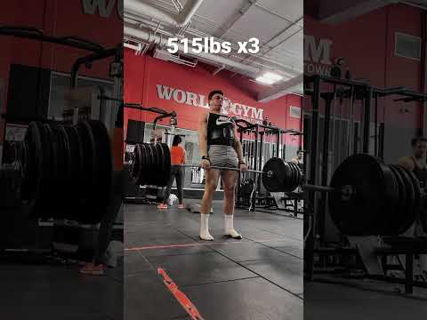 | m | TRUE
tEK_m4xMlks | data/stills/_vi_tEK_m4xMlks_hqdefault.jpg | New Deadlift PR!?!?!?!? | 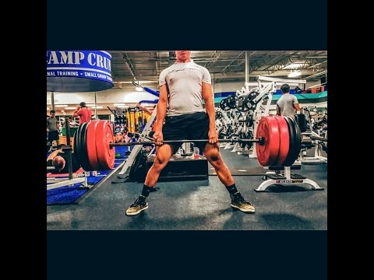 Brandon McDaniel 455lbs deadlift @170lbs -Online coaching guardianathletic@gmail.com -Loyal Fitness http://loyalfitness.com/ ... | m | TRUE
R_BeWmS9PdM | data/stills/_vi_R_BeWmS9PdM_hqdefault.jpg | 555LB #Deadlift #PR. Road to 800Lbs | 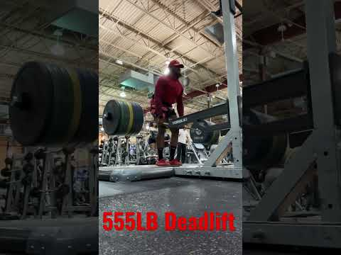 | m | TRUE
VJpYfprnR0o | data/stills/_vi_VJpYfprnR0o_hqdefault.jpg | 230kg/507lbs Deadlift PR | 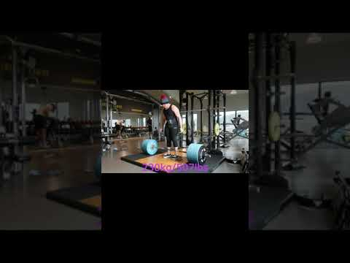 Shorts #deadlift #pr. | m | TRUE
HcvGgJj1-qg | data/stills/_vi_HcvGgJj1-qg_hqdefault.jpg | Hexbar deadlift pr 220lbs 2 reps | 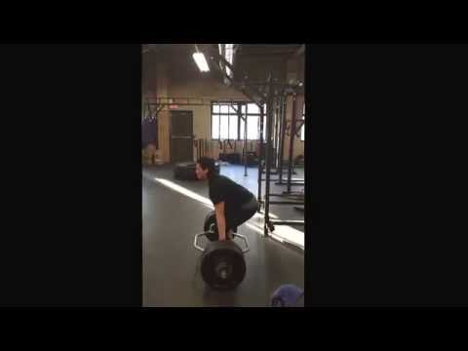 via YouTube Capture. | na | TRUE
-9sBMfBfmgs | data/stills/_vi_-9sBMfBfmgs_hqdefault.jpg | 470lbs/DEADLIFT PR @157lbs | FEAT. BRADLEY MARTYN | 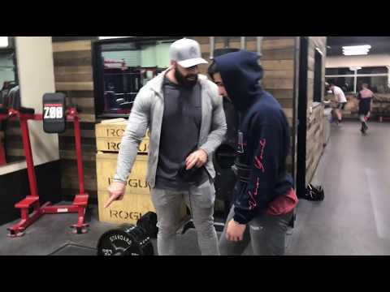 RAW FOOTAGE | THANKS SO MUCH FOR WATCHING!!! LIKE/SUBSCRIBE for more content! GETTING A NEW CAMERA SOON ... | m | TRUE
cv_XJfxux84 | data/stills/_vi_cv_XJfxux84_hqdefault.jpg | 485 lbs Deadlift PR! #deadlift #workout #pr #gym #fitness #strength #weightlifting #effort #progress | 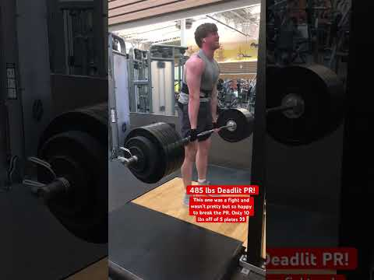 | m | TRUE
sro2c6Fbpuc | data/stills/_vi_sro2c6Fbpuc_hqdefault.jpg | Deadlift PR 230kg (507 lbs) | 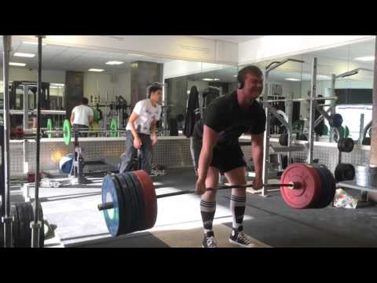 Made with Perfect Video http://goo.gl/j49PLI. | m | TRUE
zB7gTywMQoo | data/stills/_vi_zB7gTywMQoo_hqdefault.jpg | DEADLIFT PR | 405 lbs x 5 | 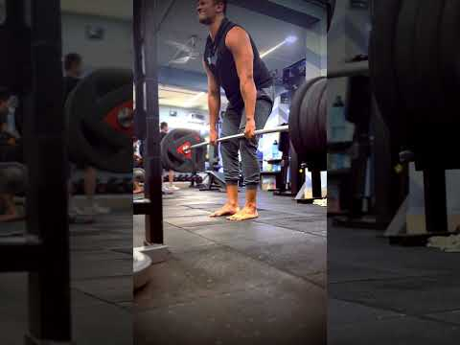 deadlift #hookgrip #pr. | m | TRUE
H084lRBBZxE | data/stills/_vi_H084lRBBZxE_hqdefault.jpg | 215 kg (473 lbs) Trap Bar Deadlift PR | 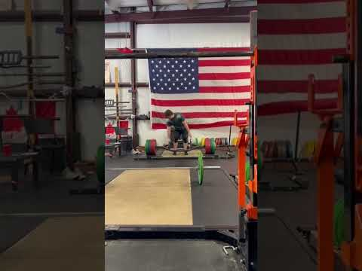 | m | TRUE
qi35qWQjS4s | data/stills/_vi_qi35qWQjS4s_hqdefault.jpg | Conventional Deadlift - 170kg PR @ 70kg BW @20 y/o | 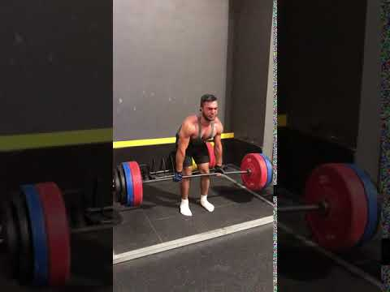 Stay tuned for guides about exercises and tips to maximize your strength as a natural, will be uploading soon very helpful and ... | m | TRUE
vp-RDx9Sh_M | data/stills/_vi_vp-RDx9Sh_M_hqdefault.jpg | 500lbs Deadlift PR @165lbs #shorts #short #shortvideo #deadlift #gym #lifting #shortsvideo #youtube | 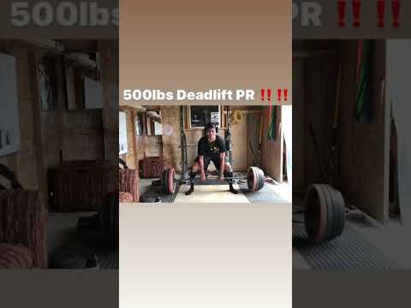 Help me get to 250 Subscribers :) | m | TRUE
EjZyKfGLtCk | data/stills/_vi_EjZyKfGLtCk_hqdefault.jpg | 660 lbs deadlift at 188 body weight #deadlift #pr #shorts #powerlifting #gym #powerlifter #liftheavy | 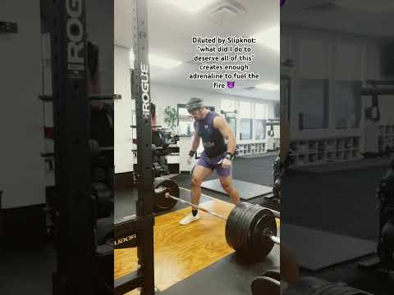 | m | TRUE
3EdXMWl1Dx8 | data/stills/_vi_3EdXMWl1Dx8_hqdefault.jpg | 550 lb Deadlift PR! (Slight hitch) | 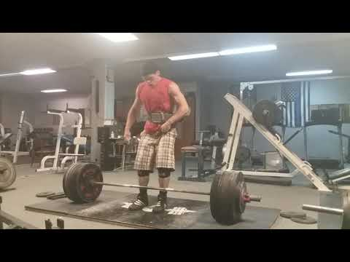 Wasnt as smooth as I wanted but I just wanted to lock it out after several failed attempts the past month for this lift. I'm lean bulking ... | m | TRUE
f23zhILL9bY | data/stills/_vi_f23zhILL9bY_hqdefault.jpg | Deadlift PR 03/09/2018 (195kg / 429 lbs) | 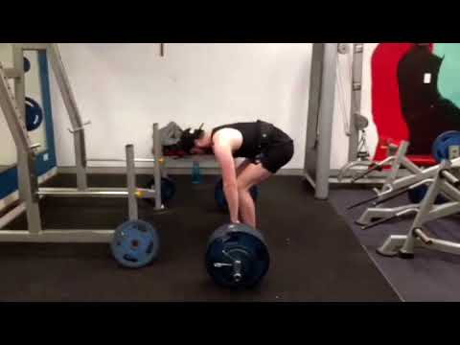 | m | TRUE
9deuorKZX94 | data/stills/_vi_9deuorKZX94_hqdefault.jpg | 585LB DEADLIFT PR | 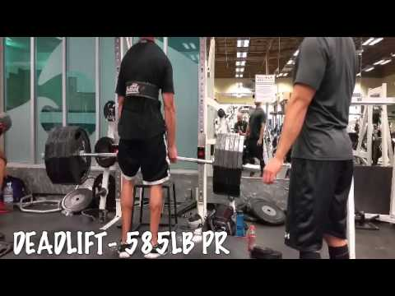 FINALLY HIT 6 PLATES. FORM WAS NOT GREAT BUT I GOT IT DONE. | m | TRUE
OHTRPOuuYoc | data/stills/_vi_OHTRPOuuYoc_hqdefault.jpg | Russ 625lb Deadlift PR | 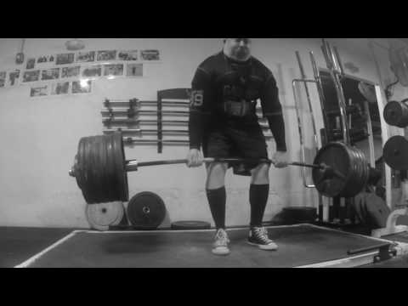 Russ 625lb Deadlift PR at Total Performance Sports Malden MA. | m | TRUE
8LJgZ-sPTfE | data/stills/_vi_8LJgZ-sPTfE_hqdefault.jpg | Deadlift session with Larrywheels from 2/8/17 |  676 lbs. deadlift for 6. PR reps even losing 20 lbs. bodyweight and deficit deadlifts with 417 lbs. #deadlift #training #workout ... | m | TRUE
oSxVb_21k3Q | data/stills/_vi_oSxVb_21k3Q_hqdefault.jpg | Chris hitting 500 lb deadlift PR |  | m | TRUE
VPUY-CVZbJk | data/stills/_vi_VPUY-CVZbJk_hqdefault.jpg | Deadlift PR 240kg, bodyweight 94kg |  Instagram @pablopagotto. | m | TRUE
xH7GiNvjZpY | data/stills/_vi_xH7GiNvjZpY_hqdefault.jpg | 205 LBS DEADLIFT PR + PLAYGROUND WORKOUT |  Hello, Today I show you me lifting 205 pounds on sumo deadlifts and a quick and easy playground workout. THANKS FOR ... | f | TRUE
d7lOmkaPNwM | data/stills/_vi_d7lOmkaPNwM_hqdefault.jpg | Kyle Knisely Deadlift PR 11/26/16 - 445lbs |  Pulled at Fitness Factory in Red Lion, PA at 182lbs 6 months since my last PR. Worked to refine my form, added supplemental ... | m | TRUE
nstc6AJsk_U | data/stills/_vi_nstc6AJsk_U_hqdefault.jpg | 285kg/628lbsx2 Deadlift PR |  bw:104 age:22 instagram: https://www.instagram.com/christian_powerlifting/ coaching: ... | m | TRUE
T0xF4wYHhgs | data/stills/_vi_T0xF4wYHhgs_hqdefault.jpg | 300 kg x 3 deadlift 661.5 lbs #deadlift #powerlifting #strength |  | m | TRUE
pCHatfcVuIU | data/stills/_vi_pCHatfcVuIU_hqdefault.jpg | 600lb/272kg Deadlift PR |  | m | TRUE

