1. Title Page
Instacart Basket Analysis

Project Name: Instacart Basket Analysis
Date: 12/07/2021
Analyst Name: Cameron Paschall

Contents:
Population Flow
Consistency checks
Wrangling steps
Column derivations
Visualizations
Recommendations

Objective
You’re an analyst for an existing company, Instacart, an online grocery store that operates through an app. Instacart already has very good sales, but they want to uncover more information about their sales patterns. Your task is to perform an initial data and exploratory analysis of some of their data in order to derive insights and suggest strategies for better segmentation based on the provided criteria.

Context
The Instacart stakeholders are most interested in the variety of customers in their database along with their purchasing behaviors. They assume they can't target everyone using the same methods, and they’re considering a targeted marketing strategy. They want to target different customers with applicable marketing campaigns to see whether they have an effect on the sale of their products. Your analysis will inform what this strategy might look like to ensure Instacart targets the right customer profiles with the appropriate products.

Data Source
“The Instacart Online Grocery Shopping Dataset 2017”, Accessed from https://www.instacart.com/datasets/grocery-shopping-2017 on <12/04/2021>

2. Population Flow
Title page

Population flow

Exclusion flag
Condition: max_order < 5
Obervations to be removed: 1440295
Final total count of order_products_all: 30993489

Orders_products_combined
Orders_products_merged
Orders_products_all

Total: 30993489
Total: 30993489
Total: 30993489

1.) The grey boxes in the first row of the population flow represent the original data sets as they were when you downloaded them. In the Total fields you need to add the count of the rows when you imported the data set into Jupyter.
2.) The second row of boxes (coloured) represents the data sets after you manipulated them, e.g., removed missing values and duplicates. In the Total fields you need to add the count of the rows after conducting these operations. This offers a visual oveview of how the data flows throughout the data consistency checks.
3.) The third row, where also the arrows are coloured, represents the merges you performed between the datasets. In the Total fields you need to add the count of the rows in the merged datasets, so that you end up with the final dataset (in the red box). Keep in mind the final dataset should be without exclusions (based on the exclusion flag).

3. Consistency checks
 |  |  |  | Title page
Consistency checks

Dataset | Missing values | Missing values treatment | Duplicates
orders | 206209 in the days_since_prior_order column | I filled in the missing values with the mean of the column | 0
products | 16 in the product_name column | I deleted the 16 because there were so few | 5
orders_products_prior | N/A | N/A | N/A
customers | N/A | N/A | N/A

4. Wrangling steps
 |  |  |  |  | Title page
Wrangling steps

Data Set | Columns dropped | Columns renamed | Columns' type changed | Comment/Reason
Orders data set | Dropped 'eval_set' column |  |  | 'eval_set' wasn’t necessary for analysis
Oders data set |  | Renamed 'order_dow' column |  | Name did not make much sense as it was
Orders data set |  |  | Changed 'order_id' data type to a string | No need for it to be a number since no manipulation needed to take place
Customers' data set |  | Surname' changed to 'last_name' |  | Easier to understand
Orders/prods data set | Dropped first_name column |  |  | Privacy reasons
Orders/prods data set | Dropped last_name column |  |  | Privacy reasons

5. Column derivations
 |  |  |  | Title page

Column derivations and aggregations

In this tab you should add tables below that the frequences of flags/label variables that you produced after deriving them. NB: don't do this for continuous variables, only for flags.
Dataset | New column | Column/s it was derived from | Conditions
ords_prods_merge | price_range_loc | prices | Made 3 categories of price ranges 'high-range','mid-range','low-range'
ords_prods_merge | busiest times of the day | order time of day | The two most busy and the two least busy are labeled as such. And every day in between is considered 'average'
ords_prods_merge | flag for loyalty | order number and user id | greater than 40 is loyal, 10-40 is regualr, and less than 10 is new customer.
ords_prods_merge | flag for spending | user id and prices | under $10 is low-spender and over $10 is high spender
ords_prods_merge | flag for frequency | days since prior order and user id | 20 days or more is non-frequent, 10-19 is regular, and less than 10 is frequent
df_final | region | state | new column to show state names rather than state codes
df_final | exclusion flag | frequency flag | lower than 5 is low activity and 5 or more is regular customer
df_final | age range | age | split the ages into categories rather than individual ages
df_final | parental status | n of dependants | 0 kids is no children and 1 or more is children
df_final | department | department id | made a department name column rather than using the department id column
df_final | income range | income | made a income range column where I grouped customers income data into categories
df_final | weekday | orders day of week | created column with weekday names rather than using weekday id numbers

6. Visualizations
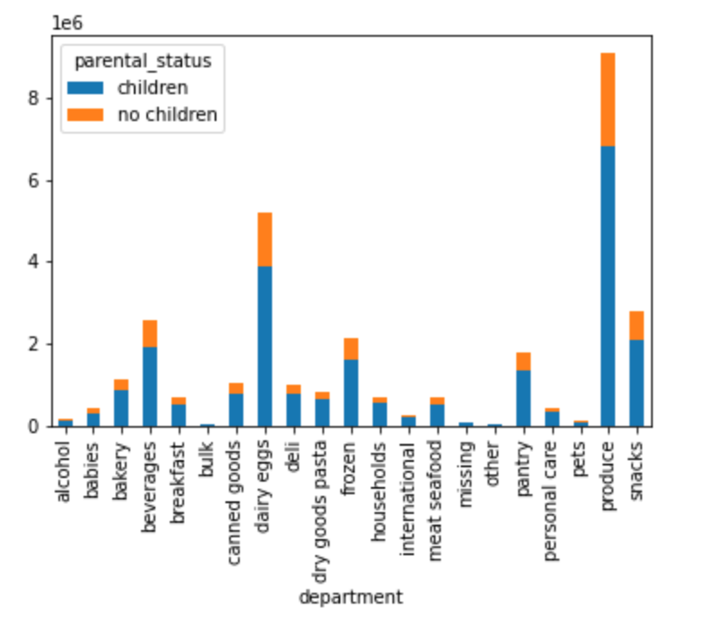
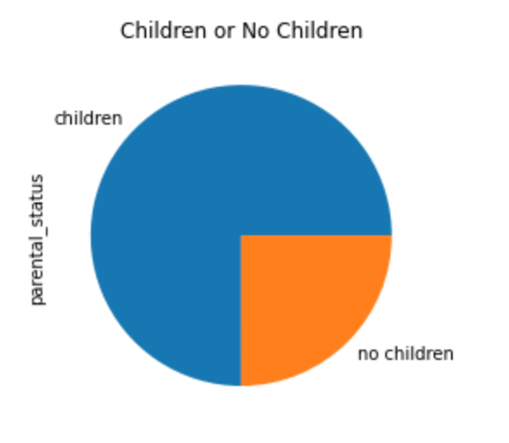
 |  | Title page

Visualisations

In this tab you should include all the visualtions from Exercises 4.9 and 4.10, alongside the questions from the project brief that they answer. Include any commentary on the relationship between different variables.

 | What are the busiest days of the week and hours of the day?
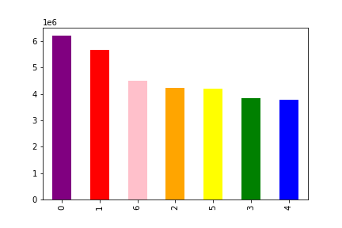
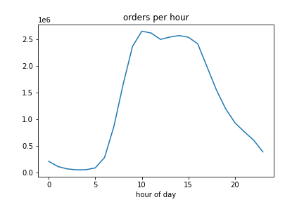
Buesiest days bar graph

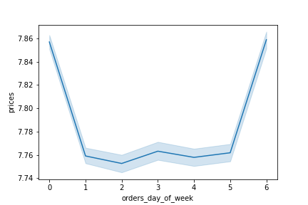
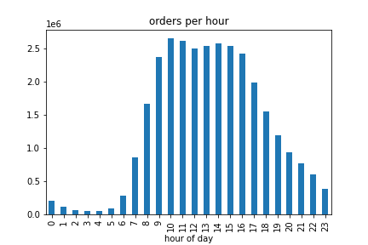

Are there particular times of the day when people spend the most money?

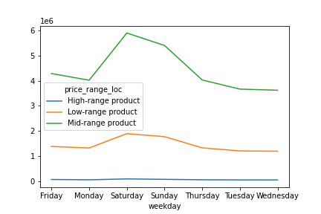
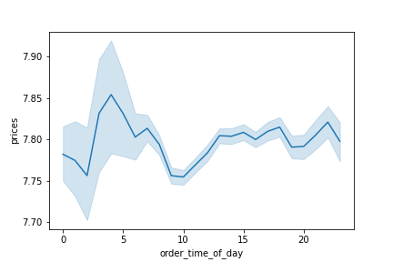

Marketing and sales want to use simpler price range groupings.

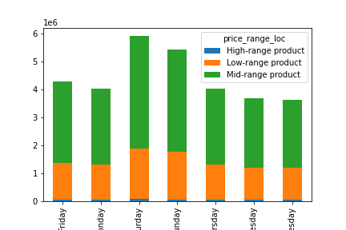
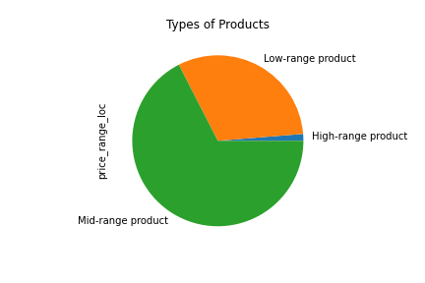

Are there types of products that are more popular than others? (Which department has the highest number of product orders?)

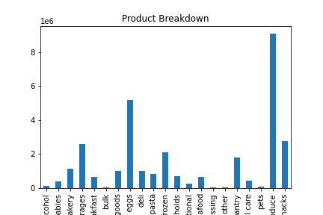

The marketing and sales teams are particularly interested in the different types of customers in their system and how their ordering behaviors differ

a. What's the distribution among users in regards to their brand loyalty?
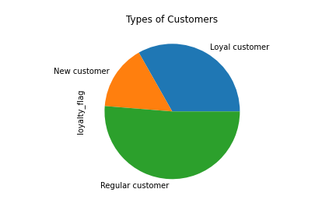
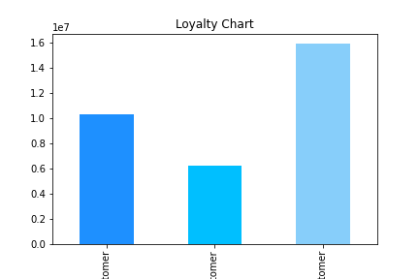

b. Are there differences in ordering habits based on a customer’s loyalty status?
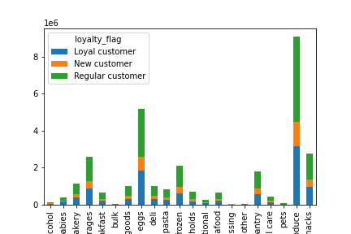

c. Are there differences in ordering habits based on a customer’s region?
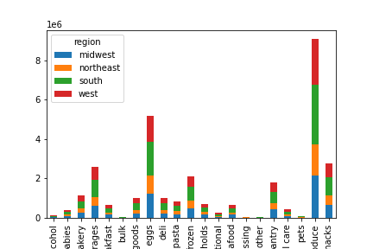

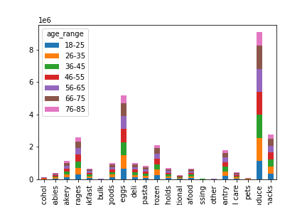
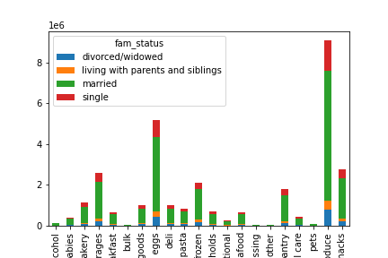
d. Is there a connection between age and family status in terms of ordering habits?
e. What different classifications does the demographic information suggest? Age? Income? Certain types of goods? Family status?
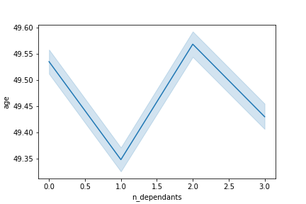

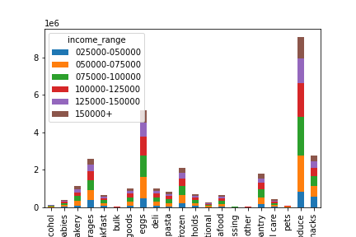

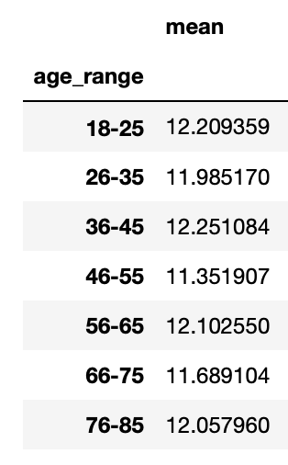
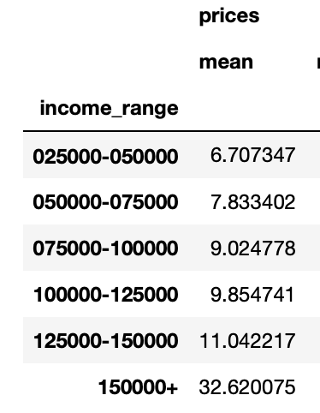

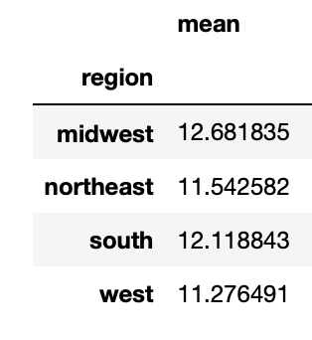

f. What differences can you find in ordering habits of different customer profiles?

7. Recommendations
 | Title page

Recommendations

In this tab you should include any recommendations you would made to Instcart in terms of their marketing strategy based on the questions posed in the brief. Every key question has been covered in the Tasks of the Exercises - here you need to add an item - a visualisation or table/crosstable that is showing the answer in the data, acompanied by a comment from you. Please, list the questions below and add the answer underneath.

Recommendations:
Since saturday and sunday are the busiest days, Instacart could offer special deals on those days or they could even advertise higher end products or departments like alcohol during those days.
Question
1. The sales team needs to know what the busiest days of the week and hours of the day are in order to schedule ads at times when there are fewer orders.
The busiest days of the week are Saturday and Sunday.
The busiest hours of the day are 10 am - 2 pm so the ads should be scheduled sometime within these parameters.

2. They also want to know whether there are particular times of the day when people spend the most money, as this might inform the type of products they advertise at these times.

People spend the most money around 2-3 am
People spend the least amount of money around 1 am.

3. Instacart has a lot of products with different price tags. Marketing and sales want to use simpler price range groupings to help direct their efforts
The products were grouped into 3 categories, 'high-range','mid-range','low-range'.
High-range are products $15 or more
Mid-range are products between $6-$14
Low-range are products between $1-$5

4. Are there certain types of products that are more popular than others? The marketing and sales teams want to know which departments have the highest frequency of product orders.
The top products are
1. Produce
2. Dairy/Eggs
3. Snacks
4. Beverages
5. Frozen
Recommendations:
Some departments have barely any sales so Instacart could do further analysis and even cut out certain departments such as 'bulk' and 'alcohol'.

5. The marketing and sales teams are particularly interested in the different types of customers in their system and how their ordering behaviors differ. For example:

● What’s the distribution among users in regards to their brand loyalty (i.e., how often do they return to Instacart)?
There are 3 categories of loyal customers and these are the breakdown numbers of each
1. Regular Customer - 51% (40 orders or more)
2. Loyal Customer - 33% (11-39 orders)
3. New Customer - 16% (less than 10 orders)

Recommendations:
Rewarding loyal customers with coupons or deals could keep them loyal.
Also starting some sort of "frequent flyer" program could entice regular customers to become more frequent buyers.

● Are there differences in ordering habits based on a customer’s loyalty status?

There is really no signifigant difference in ordering habits among the different types of customers when it comes to loyalty. The only difference is the frequency and amount of orders between the 3 loyalty types.

● Are there differences in ordering habits based on a customer’s region?
There is no signifigant difference in ordering habits based on region.
The midwest has the highest proportion of high spenders and the northeast has the highest proportion of low spenders.
The south has the overall highest amount of sales.

Recommendations:
the majority of instacart customers have children so advertising departments like babies, produce, eggs and dairy could increase sales.
● Is there a connection between age and family status in terms of ordering habits?
Married customers make up the largest portion of sales for Instacart with single customers being the second largest customer base.
There is no signifigant difference in ordering habits among the different age groups.

● What different classifications does the demographic information suggest? Age? Income? Certain types of goods? Family status?
● What differences can you find in ordering habits of different customer profiles? Consider the price of orders, the frequency of orders, the products customers are ordering, and anything else you can think of.
No signifigant difference in customer profiles when it comes to which department they buy from.
No signifigant difference in customer profiles when it comes to frequency, the prior order and order frequency numbers are pretty much the same with different profiles.
Customers in the $25,000-$75,000 income range spend on average $7 while those in the $125,000 and above income range spend twice as much from $11 up to $32 on average.
No signifigant difference in customer profiles when it comes to age and money spend on groceries, each age group spends roughly $11-$12 on average.

Recommendations:
High-range products should be targeted more at high income customers since they spend so much more than lower income customers.
The baby products department should also be advertised more to parents and families.

