OptimizacionPortafolio
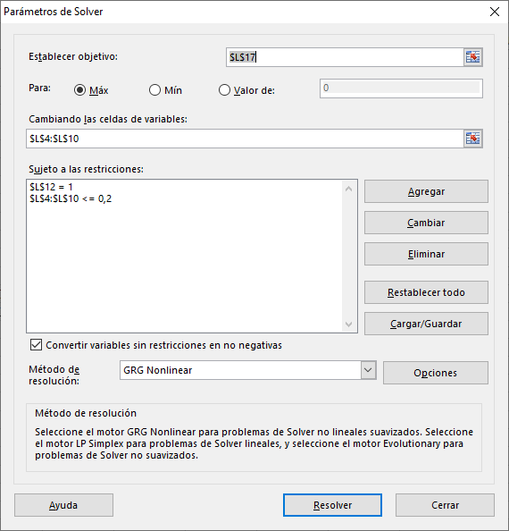
Variance-Covariance Matrix of Returns |  |  |  |  |  |  |  | Rf | 21.0%
 | AMZN | EXC | UL | ETH | PFE | JPM | NFLX |  | Annual | Weights*
AMZN | 0.00296 | 0.00051 | 0.00043 | 0.00288 | 0.00026 | 0.00075 | 0.00253 | Asset | Return | Weights | w*R
EXC | 0.00051 | 0.00093 | 0.00019 | 0.00153 | 0.00038 | 0.00033 | 0.00053 | AMZN | -12.51% | 0.00% | 0.0%
UL | 0.00043 | 0.00019 | 0.00078 | 0.00052 | 0.00017 | 0.00036 | 0.00016 | EXC | 28.29% | 25.00% | 7.1%
ETH | 0.00288 | 0.00153 | 0.00052 | 0.01852 | 0.00097 | 0.00197 | 0.00394 | UL | -16.84% | 0.00% | 0.0%
PFE | 0.00026 | 0.00038 | 0.00017 | 0.00097 | 0.00148 | 0.00024 | 0.00065 | ETH | 22.14% | 25.00% | 5.5%
JPM | 0.00075 | 0.00033 | 0.00036 | 0.00197 | 0.00024 | 0.00148 | 0.00100 | PFE | 14.82% | 25.00% | 3.7%
NFLX | 0.00253 | 0.00053 | 0.00016 | 0.00394 | 0.00065 | 0.00100 | 0.00698 | JPM | -7.59% | 25.00% | -1.9%
 |  |  |  |  |  |  |  | NFLX | -39.97% | 0.00% | 0.0%
 |  |  |  |  |  |  |  |  | μ |  | 14.4%
Correlation Matrix |  |  |  |  |  |  |  | Total weights |  | 100.00% | < =SUM(L4:L10)
 | AMZN | EXC | UL | ETH | PFE | JPM | NFLX | Ctl+Shift+Enter
AMZN | 100% |  |  |  |  |  |  | Return |  | 14.4% | < =MMULT(TRANSPOSE(K4:K10),L4:L10)
EXC | 31% | 100% |  |  |  |  |  | Variance |  | 10.8% | < =MMULT(MMULT(TRANSPOSE(L4:L10),B25:H31),L4:L10)
UL | 28% | 22% | 100% |  |  |  |  | Standard Deviation |  | 32.9% | < =SQRT(L15)
ETH | 39% | 37% | 14% | 100% |  |  |  | Sharpe Ratio |  | -20.0% | < =(L14-K1)/L16
PFE | 12% | 32% | 16% | 18% | 100%
JPM | 36% | 28% | 33% | 38% | 16% | 100%
NFLX | 56% | 21% | 7% | 35% | 20% | 31% | 100%

Σ
Annualized Variance Covariance Matrix of Returns
 | AMZN | EXC | UL | ETH | PFE | JPM | NFLX
AMZN | 15.38% | 2.64% | 2.22% | 14.98% | 1.36% | 3.92% | 13.13%
EXC | 2.64% | 4.86% | 0.99% | 7.95% | 1.98% | 1.72% | 2.76%
UL | 2.22% | 0.99% | 4.04% | 2.68% | 0.88% | 1.85% | 0.82%
ETH | 14.98% | 7.95% | 2.68% | 96.33% | 5.02% | 10.25% | 20.47%
PFE | 1.36% | 1.98% | 0.88% | 5.02% | 7.71% | 1.24% | 3.40%
JPM | 3.92% | 1.72% | 1.85% | 10.25% | 1.24% | 7.72% | 5.22%
NFLX | 13.13% | 2.76% | 0.82% | 20.47% | 3.40% | 5.22% | 36.31%

