main
Segments | Peer group
Trade | ADM
Renewables | Alto Ingredients
Nutrient and industrial | Bunge Global
Ag Supply Chain | Green Plains, Inc
Engineered Granules | Ingredion Incorporated
Specialty Liquids | Nutrien Ltd.
Other

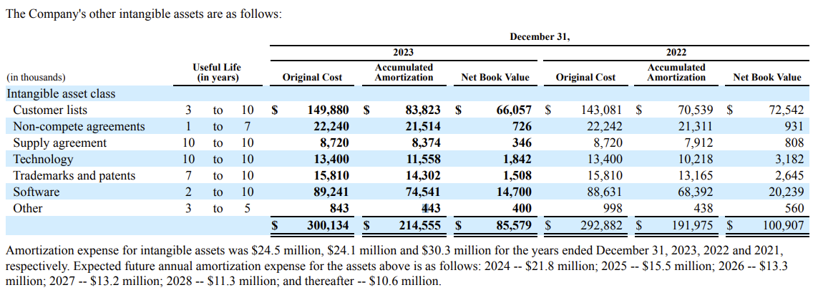
Risks
Corn
Commodities
Natural gas
Gas and oil
Potash, phosphate, nitrogen

Properties

Properties
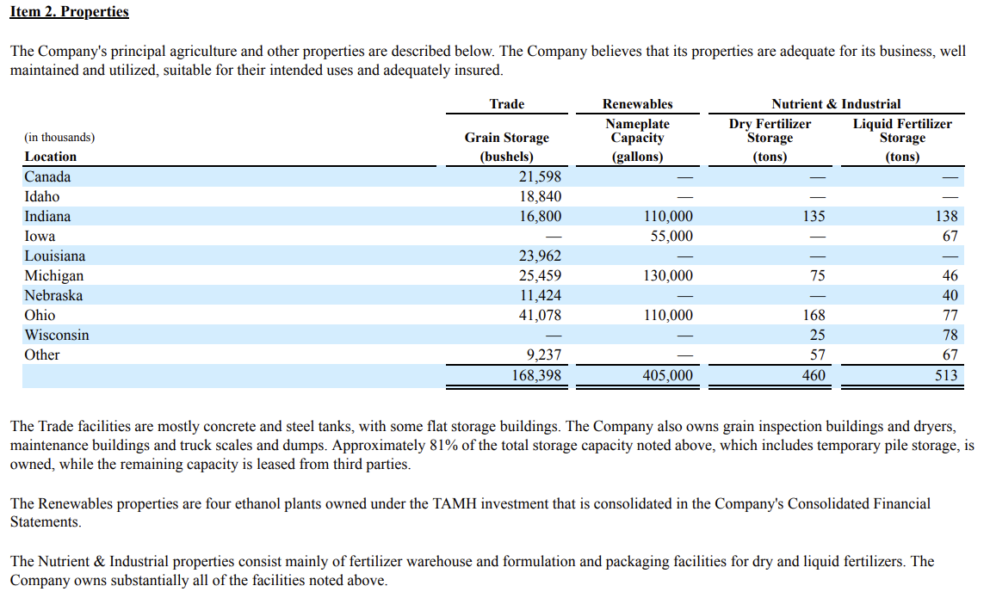
main

Risks
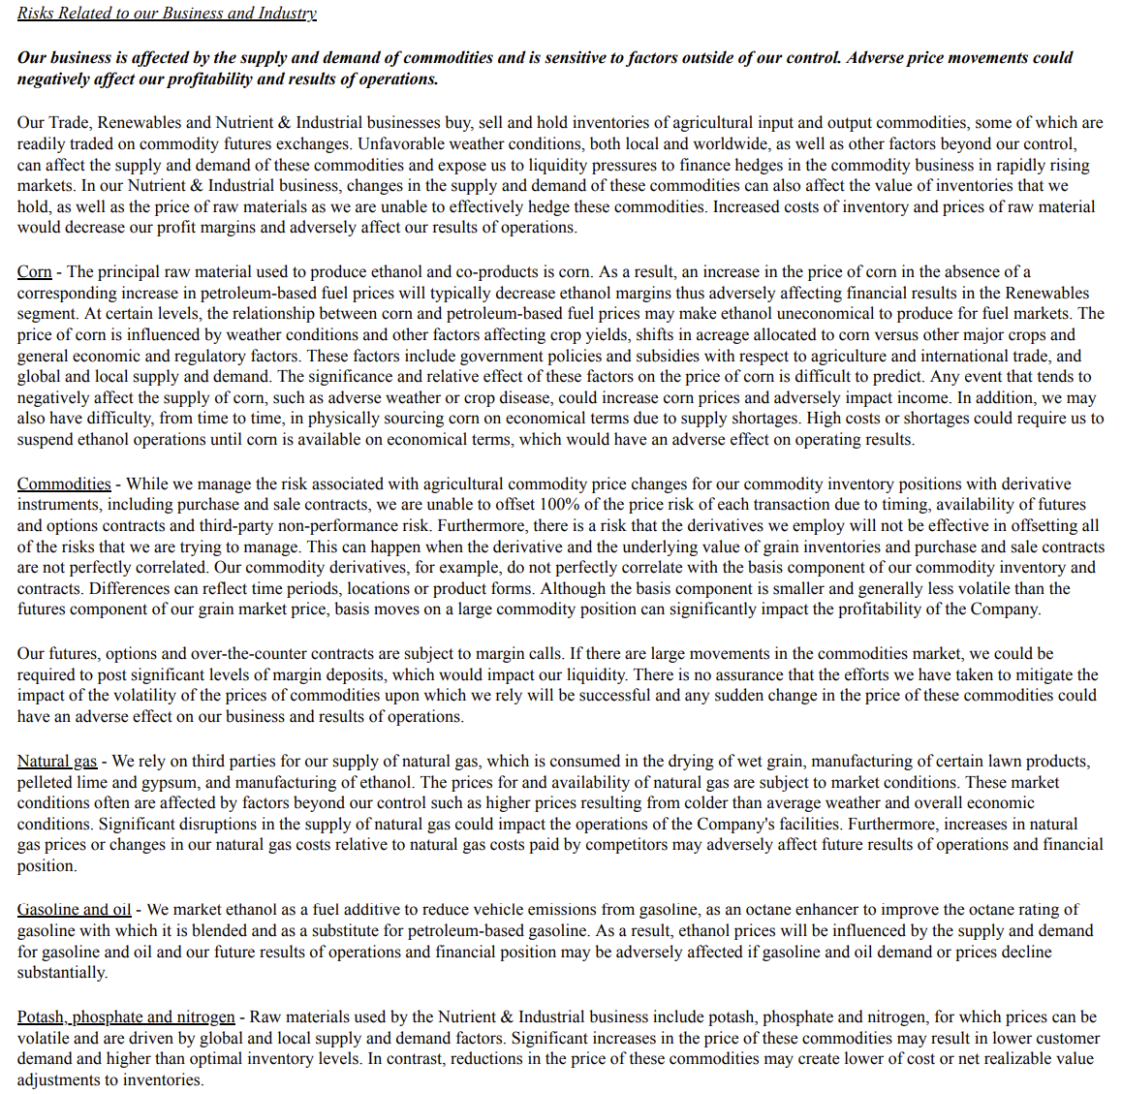
main

Trade
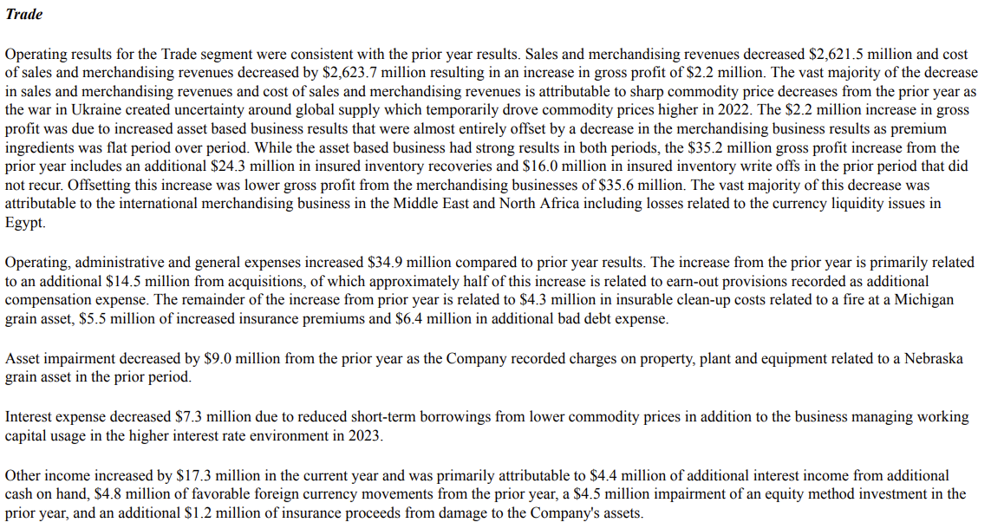
main

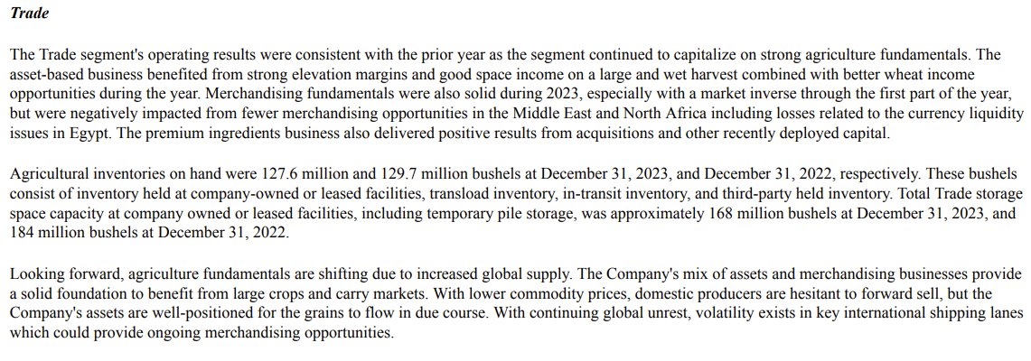

 | 22 vs 23

Renewables
main

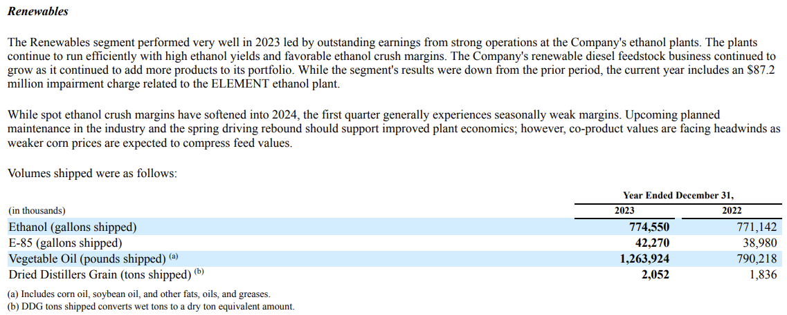

 | 22 vs 23

NutrientIndustrial
main

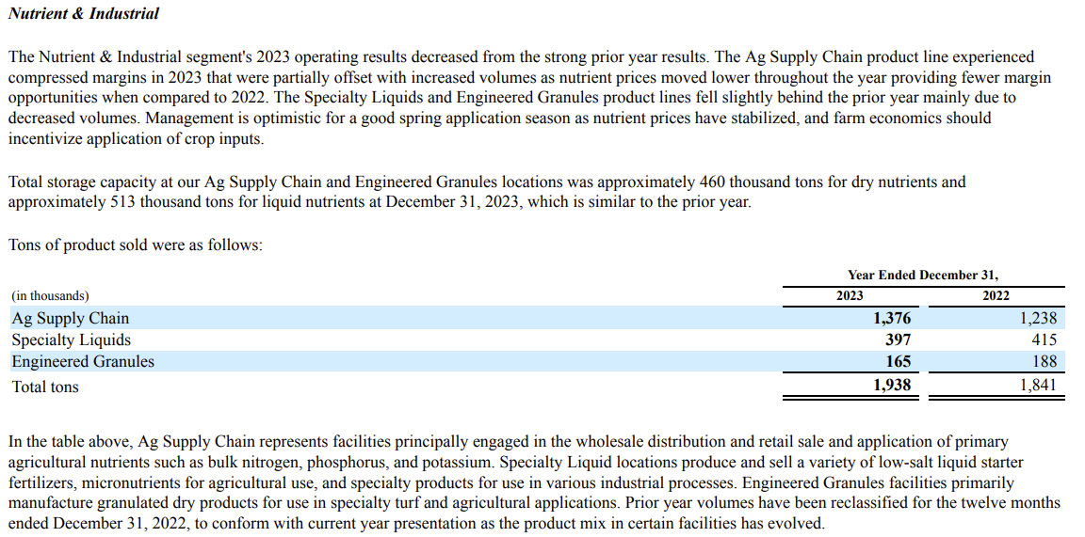

 | 22 vs 23

