Seed
main
 | The seed segment develops and supplies commercial seed combining superior germplasm with advanced traits to produce high yield potential for farmers around the world.

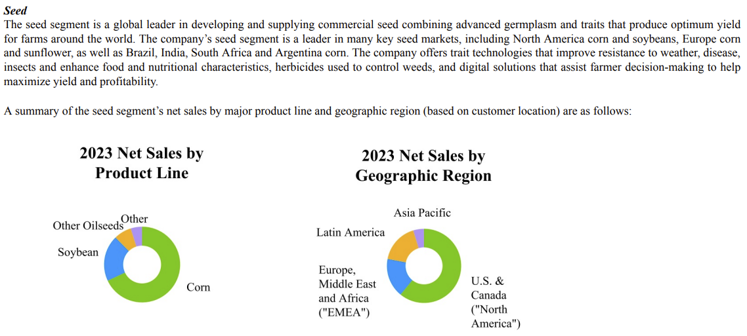
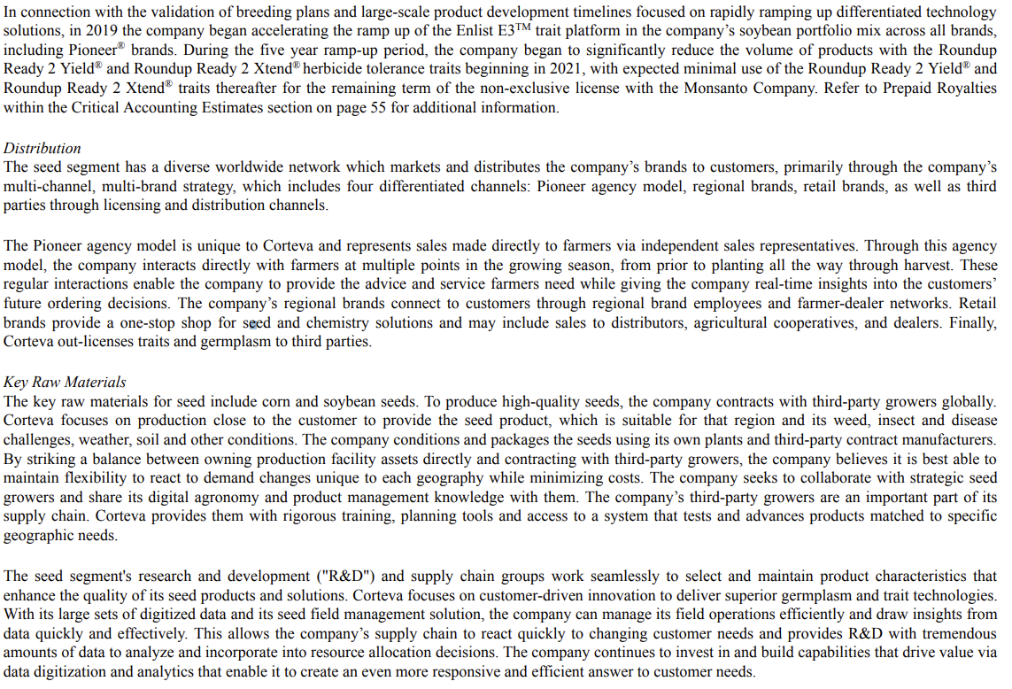

 | Brands | Traits
 | Pioneer seeds | ENLIST corn
 | Brevant seeds | ENLIST E3 soybeans
 | Dairyland Seed | ENLIST cotton
 | Hoegemeyer hybrids | Enlist weed control system
 | Nutech seed | EXZACT Precision Technology
 | Seed Consultants | Herculex Insect Protection
 | AgVenture brand | Herculex XTRA Insect Protection
 | Cordius, Licensing Division of Corteva Agriscience | Leptra insect protection technology offering protection against above ground pests
 | DUO hybrid corn | PowerCore corn
 | NEXSEM corn | PowerCore Ultra corn
 | Nord semillas | PowerCore Enlist corn
 | PhytoGen cotton | PowerCore Ultra Enlist corn
 | Pannar brand corn | POWERCORE trait technology family of products
 |  | Optimum AcreMax family of products offering above and below ground insect protection
 |  | REFUGE ADVANCED trait technology
 |  | SMARTSTAX trait technology
 | Other | NEXERA canola trait
 | LumiGEN seed treatments | Omega-9 Oils
 | Lumisena | Pioneer brand Optimum AQUAmax products
 | Lumiverd | Pioneer brand A-Series soybeans
 | Lumiscend | Pioneer brand Plenish high oleic soybeans
 | Lumiscend Pro | ExpressSun herbicide tolerant trait
 | Lumisure | Pioneer Protector products for canola, sunflower and sorghum
 | Lumiflex | Pioneer MAXIMUS rapeseed hybrids
 | Lumiante | Qrome corn
 | LumiTreo | Clearfield canola
 | Dermacor X-100 | PROPOUND advanced canola meal
 | Vertisan ST | Vorceed Enlist products
 | Lumiderm | Conkesta
 | Lumivia CPL | Conkesta E3 soybeans
 | Lumivia and Lumialza | WideStrike Insect Protection
 |  | WideStrike 3 Insect Protection
 |  | Inzen trait
 |  | BOLT technology
 |  | STS herbicide tolerant trait
 |  | MAXIMUS canola hybrids
 |  | CottonBest program
 |  | Brevant Protector products
 |  | Optimum GLY herbicide tolerance trait
 |  | Optimum AcreMax insect protection
 |  | Optimum AcreMax Leptra insect protection
 |  | Optimum AcreMax Xtra insect protection
 |  | Optimum AcreMax XTreme insect protection
 |  | Bovalta BMR products
 |  | Optimum Intrasect insect protection
 |  | Optimum Leptra insect protection

